Sheet1
 | Query or Tweet Expansion |  |  |  |  | Tweet Preprocess |  |  |  |  |  |  |  | Relevance Verification |  |  |  |  |  |  |  |  |  |  |  |  |  |  | Redundancy Detection |  |  |  |  |  |  | Ranking & Submission
Techniques Groups | T-N search engine (Q) | Hyperlink-extended(T) | PseudoRel | Explict live RF | Multiple Expansion | Stemming | Stopword | Clean&Refine | Short Tweet | URL Removal | Include Hashtags | T-Q Overlap filter | RT filter | MATLAB TMG | Jaccard | Microblog Track2015 | RTS2016 | Language Model[1] | Learning to Rank[2] | Hybrid Filtering | Random Forest[4] | User Feedback | Word2vec | Feature selection | CosineTF-IDF | Profile-specific | Dynamic threshold | Profile-independent | Co-occur vocabulary | cosine similarity | zoom logistic | Tweet clustering | Language Model | Jaccard/Dice Sim | semantic similarity | RankSVM | Tweets Nomination | ILP
BJUT | N=100 |  |  |  |  | -
HLJIT | N=50 |  |  |  |  | - | - |  | -
IRIT
PKUICST |  |  |  |  |  |  |  |  |  |  |  |  |  |  |  |  |  | NKLD[5] |  | [7] |  |  |  |  | IDF[6] |  |  |  |  |  |  |  | NKLD[5]
PRNA
ICTNET
advanse_lirmm
QU
UDEL
S.T
…
MY-CURRENT | N=10
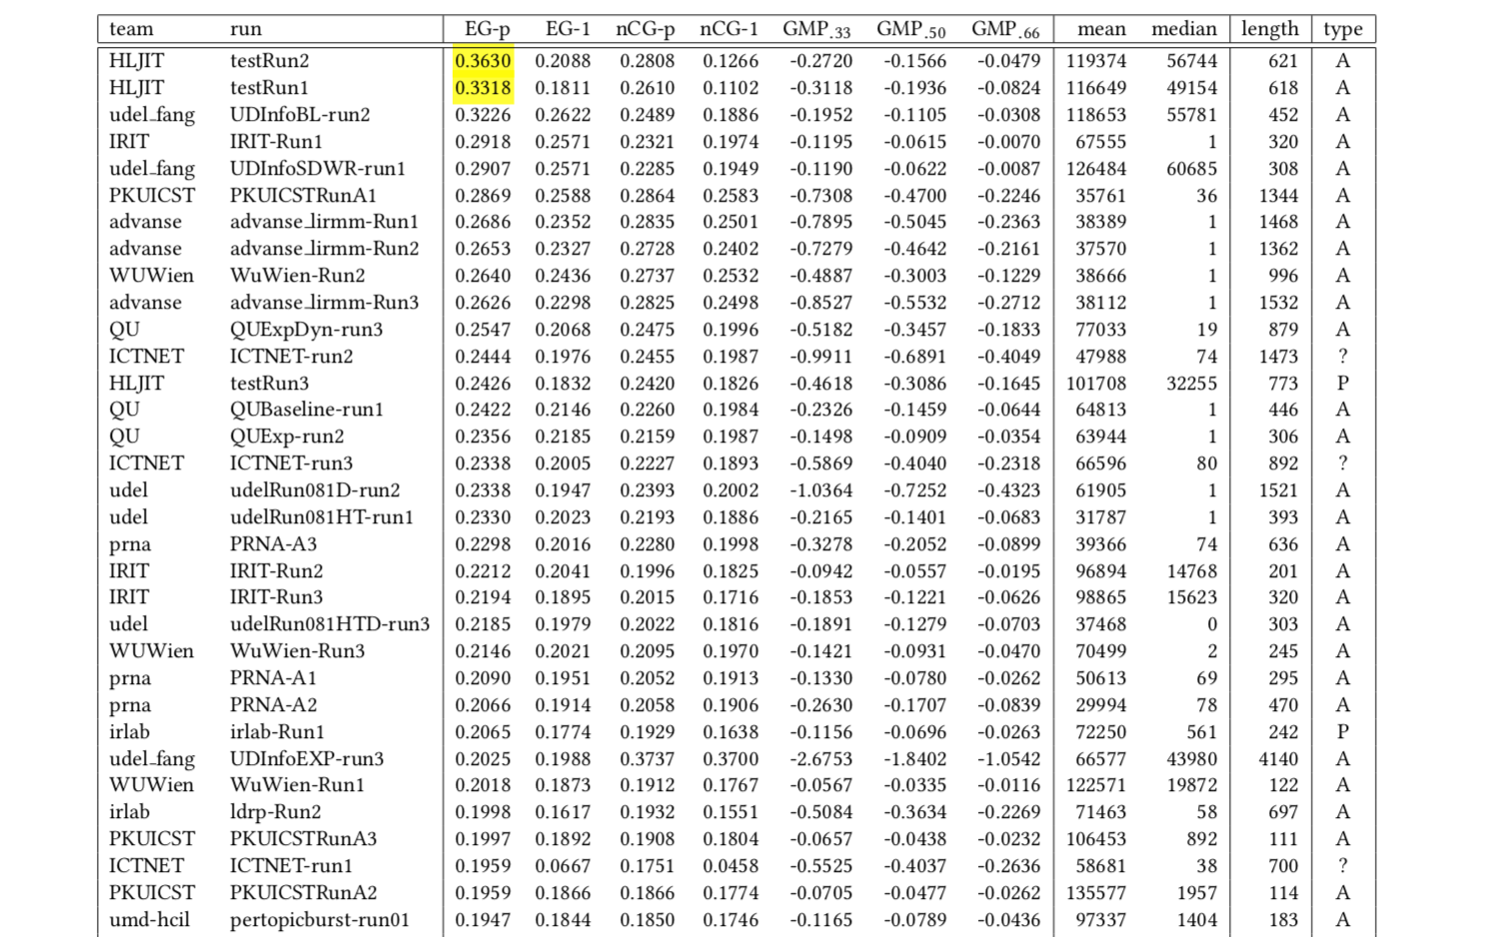
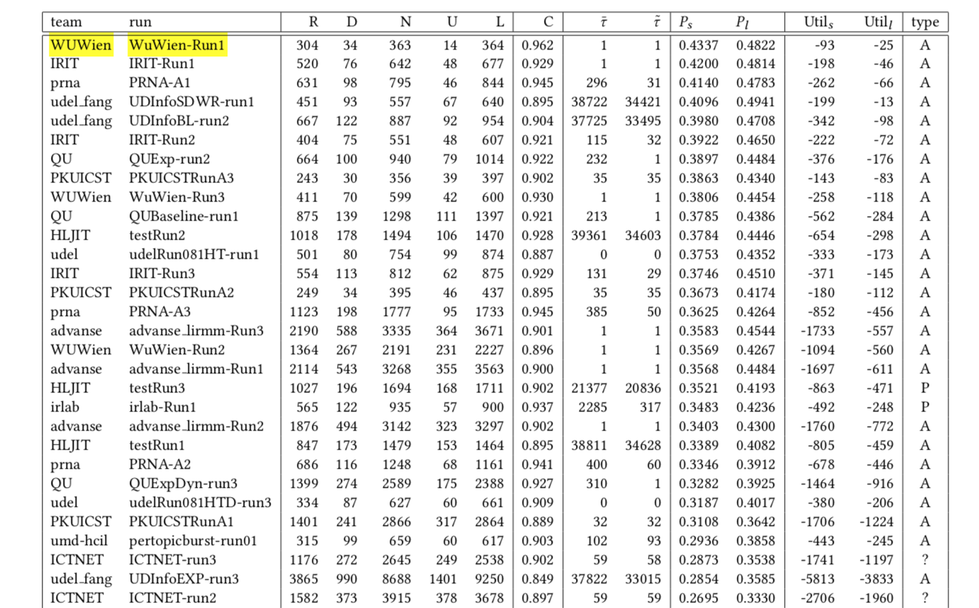
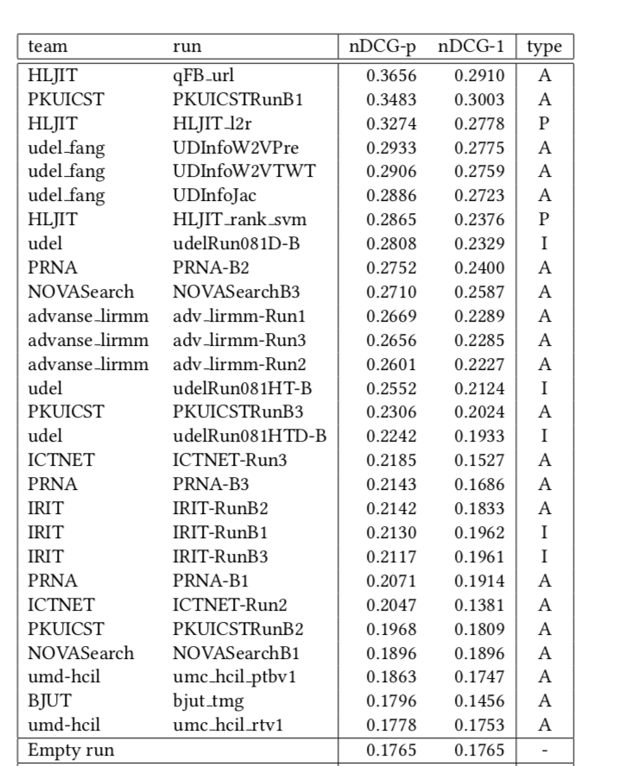
 |  |  |  |  |  |  |  |  |  |  |  |  |  |  |  |  |  | References:
 |  |  |  |  |  |  |  |  |  |  |  |  |  |  |  |  |  | [1] Dirichlet smoothing method
 |  |  |  |  |  |  |  |  |  |  |  |  |  |  |  |  |  | [2] ListNet Model, MAP, Gradient descent
 |  |  |  |  |  |  |  |  |  |  |  |  |  |  |  |  |  | [3] Relevance Estimation Model. Combination of [1] and [2]
 |  |  |  |  |  |  |  |  |  |  |  |  |  |  |  |  |  | [4] Trained on previous year’s dataset
 |  |  |  |  |  |  |  |  |  |  |  |  |  |  |  |  |  | [5] Negative KL-divergence
 |  |  |  |  |  |  |  |  |  |  |  |  |  |  |  |  |  | [6] IDF cosine distance based on Statistics Information
 |  |  |  |  |  |  |  |  |  |  |  |  |  |  |  |  |  | [7] Blend model of [5] and [6]
 |  |  |  |  |  |  |  |  |  |  |  |  |  |  |  |  |  | [8] Supervised model

