工作表1
 |  | Dataset | Type | # classes | # examples
 |  | 5AbstractsGroup | Topic | 5 | 6246 |  |  | train/dev/test: 4996/624/626
 |  | SST-2 | Sentiment | 2 | 68220 |  |  | train/dev: 67349/871
 |  | reddit_jokes | Joke | 4 | 155027 |  |  | train/dev/test: 124021/15502/15504
 |  | Table 1: Statistics of three datasets

 | 5AbstractsGroup |  |  |  | SST2 |  |  |  | redditjokes
 | Precision | Recall | F1 | Accuracy | Precision | Recall | F1 | Accuracy | Precision | Recall | F1 | Accuracy
Bi-LSTM | 0.7325 | 0.7314 | 0.7296 | 0.7348 | 0.8284 | 0.8283 | 0.828 | 0.828 | 0.3371 | 0.3507 | 0.3126 | 0.3839
BCN+ELMo | 0.8825 | 0.8808 | 0.8804 | 0.8818 | 0.9049 | 0.9047 | 0.9048 | 0.9048 | - | - | - | -
BERT | 0.8851 | 0.8847 | 0.8844 | 0.885 | 0.9267 | 0.9268 | 0.9266 | 0.9266 | 0.355 | 0.3367 | 0.2982 | 0.3832
 |  | Table 2. Evaluation report of Bi-LSTM, BCN+ELMo, BERT on 5AbstractsGroup, SST2, and redditjokes

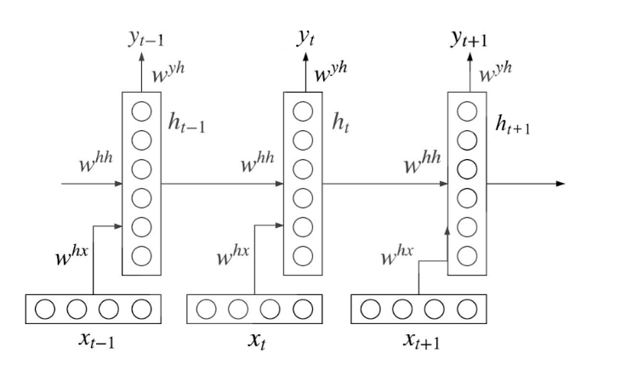
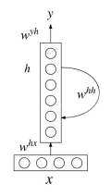
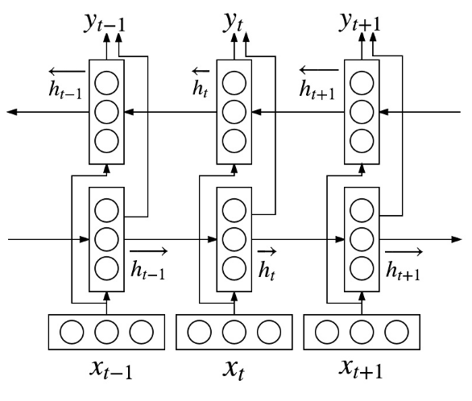

 |  |  |  |  | Figure 1 (a). LSTM in RNN |  |  |  | Figure 1 (b). Bi-LSTM in RNN

