description
Version | 1.30
Update | 2024-07-08

Overall:
This file try to standard the interface between user and command entry(component of TMP), user need to follwoing the rules list below before uploading test suite(s) into TestRail database.
'suite sheet' used to summary the test suite common info, multiple suite sheets supported to indecate different 'design suite' sheet by sheet.
'case sheet' used to list the test case one by one, multiple case sheets supported to indecate different case types sheet by sheet.
'description sheet' will work as a simple handbook to indicate you how to fill this table.
'comments sheet' allow you put some comments about the 'design suite'.
*: Some of work sheets were locked to keep the structure of this file, if you do need to update the protected items, like add some more case sheets, you may unlock it with 'lattice1'and lock it again after your works.
suite sheet(s):
1. All sheets with name of 'suite' or 'suite_' will be considered as suite sheet. Every suite sheet and all case sheets will be considered as a full 'design suite' individually. Example: a suite file have two 'suite' sheets means this file contains two 'design suite' inside.
2. Every suite sheet will construct by [suite_info] and [macro], [suite_info] is must while [macro] is optional.
[suite_info]
-- suite demo
[suite_info] |Author
project_id |6
suite_name |misc_cr_regression
CaseInfo |repository = http://linux12v/diamond;suite_path = customer_cr
Environment |aa=bb;cc=dd;
LaunchCommand |cmd = python DEV/bin/run_diamond.py --scan-rpt
Software |diamond=3.8.0.115
System |
Machine |group=rna_regression_group
Preference(optional) | lazy_copy=yes
1. basic rules: column A option name, column B option value. if you have multi values for same option name, please use semicolon(;) to separate them in the same cell or put it in the next line without option name:
example1: column A | column B |column C
name1 | value1;value2|
example2: column A | column B |column C
name1 |value1 |
|value2 |
name2 |... |
2. details rules: project_id, suite_name, CaseInfo, Environment, LaunchCommand, System, Machine
These information required by automation regression platform(TMP) to indicate where is case , extra requirements for test case run and how to launch it in test suite level. All there information will be up to TMP website.
2.1 Please keep the name "project_id, suite_name, CaseInfo, Environment, LaunchCommand, System, Machine" since there are linked with internal database.
2.2 project_id: please go to TestRail project level to see which project would you like to insert this suite and the project id. Typically the project id will like "P<digital>" on the website, just put the digital number here.
2.3 suite_name: please type your suite name
2.4 values for CaseInfo, Environment, LaunchCommand, System, Machine: please locate table2 below.
[macro] --optional
--macro demo
[macro]
condition | Sorting | =questasim or =questasim, modelsim or !=questasim
action | Software | questasim=10.2
action |System | os_type=linux
macro section intend to offer a convenience way to build sections globlly. every test suite may have zero or several macro setting.
the following lines always start with: condition or action. "condition" used to select matched case, "action" used to update selected case.
condition | Column | Expression
Column:the value in Column must be found in Case sheet
Expression:currently we support expression start with "="and "!=", the sorting value can be one or more (Separated with ","). "=": The value in case sheet should match one of condition given values.
"!=": The value in case sheet should not match any of condition given values.
action | Column | Setting
Any basic case in "case" sheet satisfy with the requirement of this macro will be duplicated and run actions in this macro.
Column:the value in Column must be found in Case sheet
Setting: the globe value setting: for columns "CaseInfo", "Environment","LaunchCommand", "Software", "System","Machine": if columns already have a same value, the value in "case" sheet have a higher priority
for other columns: global setting will over write the values in "case" sheet.
There maybe more than one condition or action and the final behavior will be : a case must satisfy all conditions then run all update actions.
case sheet(s):
1. All sheets with name of 'case' or 'case_' will be considered as case sheet, the sheet priority will be same as the sheet sequence in Excel Workbook
2. basic rules: Do not modify row 1 and 2. if you want to upload some more info which didn't listed in title please contact your TMP admin
3. detail rules:
--Public case info
Order: just local number record will not be upload
NoUse: if marked as YES, this case will not be run by TMP server/client
Title: descript your case in summary. shown on page
Section: which test section will this case belong in. blank will make the case go to "Test Cases".
design_name: design name, we accept a path segment(i.e. topdir/design_name ) but do use "/" instade of "\" for all platform. This column will be override by"CaseInfo" design_name value.
Test Level: case level: 1 for every detail feature, 2 for feature combination, 3 for feature and tool combination. shown on page
Test Scenarios: test scenarios for this case. shown on page
Description: detail description for thie case. shown on page
Type: case type in FURPS, see table1 for available value. shown on page
Priority: test case priority, see table1 for available value. shown on page
Automated:test case automation stauts, see table1 for available value. shown on page
Smoke: test case need to be smoke or not in final cycle, see table1 for available value. shown on page
Reusable:test case can be reusable or not for derivative device, see table1 for available value. shown on page
CaseInfo: see table2 for available value. shown on page, Configuration section.
Environment: see table2 for available value. shown on page, Configuration section.
LaunchCommand:see table2 for available value. shown on page, Configuration section.
Software: see table2 for available value. shown on page, Configuration section.
System: see table2 for available value. shown on page, Configuration section.
Machine: see table2 for available value. shown on page, Configuration section.
Preference: see table2 for available value. shown on page, Configuration section.
Sorting: local record for suite sorting and macro action aplication. only one sorting key allowed for one cell
Author: test case author.shown on page
CRs: just local record will not be upload
Create: just local record will not be upload
Update:just local record will not be upload
--FPGA extra info (used to sorting later)
Family: project device family, (string in database) shown on page
Slice: slices used, (integer in database) shown on page
PIO: pio used, (integer in database) shown on page
DSP: ALU, MULT, PREADD total munber, (integer in database) shown on page
EBR: EBR total munber, (integer in database) shown on page
RTL: is this case rtl code, YES for rtl, NO for non-rtl code, blank for unknown.
TestBench: is this case have test bench(can run simulation or not)
Flow: which test flow will this case support, the definition depends on yourself we will use your keyword to duplicate this test case with different flow key words.
multi-flow need to be separate by semicolon, i.e. impl; sim
--User extra info (just for record)
user can add some more column behind Flow clumn which only for local record.
comments sheet:
user extra comments sheet. Script/Client will not read.

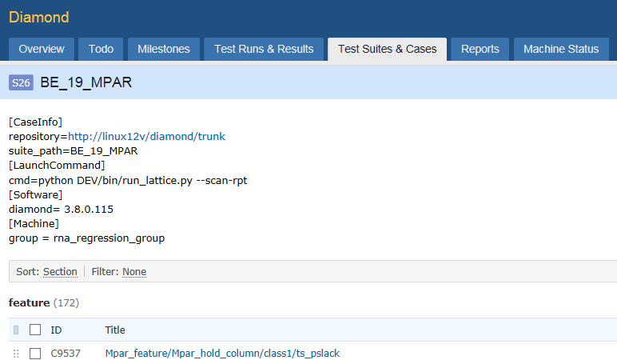

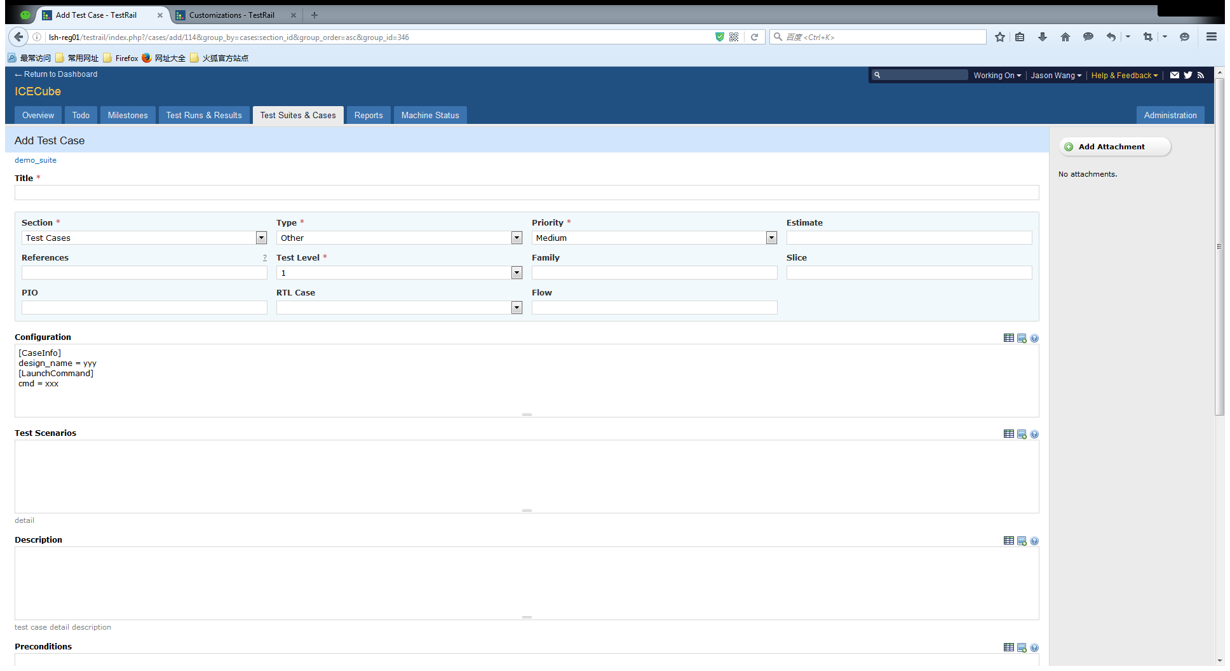

Table 1 | general info
Column | Type | Must Field | Upload | Default value for upload | Available values
Order | Integer | YES | NO
NoUse | String | NO | YES |  | YES
Title | String | NO | YES | Values in design_name
Section | String | NO | YES | Test Cases
design_name | String | YES | YES
TestLevel | Integer | YES | YES | 1 | 1 | 2 | 3
TestScenarios | text | NO | YES
Description | text | NO | YES
Type | String | NO | YES | Functionality | Functionality | Usability | Reliability | Performance | Stability
Priority | String | NO | YES | Critical | Blocker | Critical | Major | Minor | Trivial
Automated | String | NO | YES | YES | YES | NO
Smoke | String | NO | YES | No | YES | NO
Reusable | String | NO | YES | YES | YES | NO
CaseInfo | text | NO | YES |  | see table2
Environment | text | NO | YES |  | see table2
LaunchCommand | text | NO | YES |  | see table2
Software | text | NO | YES |  | see table2
System | text | NO | YES |  | see table2
Machine | text | NO | YES |  | see table2
Preference | text | NO | YES |  | see table2
Sorting | String | NO | NO
Author | String | NO | YES | NA
CRs | String | NO | YES
Create | String | NO | NO
Update | String | NO | NO
Family | String | NO | YES
Slice | integer | NO | YES
PIO | integer | NO | YES
DSP | integer | NO | YES
EBR | integer | NO | YES
RTL | String | NO | YES | unknown | YES | NO | unknown
TestBench | String | NO | YES | unknown | YES | NO | unknown
Flow | String | NO | YES

Table 2 | configuration info
ID | Section | Option | Suite support | Case support | Demo/Default Value | Available value | Comment
1 | CaseInfo | repository | √ | √ | See Table 3 | Depends on user | the final design path will be:reponsitory/suite_path/design_name
2 |  | suite_path | √ | √ | diamond_regression | Depends on user
3 |  | design_name |  | √ | any String | Depends on user
4 |  | version | √ | √ | 28080(SVN) | Depends on user | For version control repository only
5 |  | durl_type | √ | √ | svn | svn,https,http,ftp,remote,local | without this option, client will identify the type automatically
6 |  | dzip_type | √ | √ | no | no,sevenz,bz2,bzip2,tbz2,tbz,gz,gzip,tgz,tar,zip,targz,tarbz,tarbz2 | without this option, client will identify the type automatically
7 |  | script_url | √ | √ | http://lsh-tmp/platform/trunk/tmp_scripts | Depends on user
8 |  | script_version | √ | √ | 3071 | Depends on user | For version control repository only
9 |  | surl_type | √ | √ | svn | svn,https,http,ftp,remote,local | without this option, client will identify the type automatically
10 |  | szip_type | √ | √ | no | no,sevenz,bz2,bzip2,tbz2,tbz,gz,gzip,tgz,tar,zip,targz,tarbz,tarbz2 | without this option, client will identify the type automatically
11 |  | auth_key | √ | √ | PjjD2J1CCLKLyYaFY9z+b50AGVKc7MBh(swqalab/lattice) | Depends on user | user account and password to access the repository. Generate by Keygen tool in Client Tools. see help doc for detail.
12 |  | priority | √ |  | 5(default priority) | 0,1,2,3,4,5,6,7,8,9 | priority for this task 0>1>2…
13 |  | est_mem | √ |  | 1~16(G, dynamic) | 1~32 | estimated memory usage for task case run, dynamic based on current system available memoroy
14 |  | est_space | √ |  | 2(G, default) | 1~100 | estimated space usage for task case run
15 |  | timeout | √ | √ | 3600(Default) | 0, any integer in 30 ~ 2147483638 | in seconds, 0 means 2147483638 seconds, any wrong format or out of range value will have a default value 3600
16 |  | override | √ | √ | local | global,local | Special, With this option, force override
17 | Environment | foundry | √ | √ | C:/lscc/diamond/3.8_x64/ispfpga | Depends on user | use '\;' for ';' itself
18 |  | A | √ | √ | 2@cmd_1 | Depends on user | This Environment target for cmd_1 only
19 |  | B | √ | √ | 3@cmd_2 | Depends on user | This Environment target for cmd_2 only
20 |  | FORCE_CMD_1 = 0 | √ | √ | 0 | 0,1 | 0: force skip cmd_1 run, 1: force run cmd_1
21 |  | FORCE_CMD_2 = 0 | √ | √ | 0 | 0,1
22 |  | FORCE_CMD_3 = 1 | √ | √ | 1 | 0,1
23 |  | SQUISH_RECORD = 1 | √ | √ | 1 | Any | Client only check this variable exists or not
24 |  | … | √ | √ |  | Depends on user | (Note.2)
25 |  | override | √ | √ | local | global,local | Special, With this option, force override
26 | LaunchCommand | cmd | √ | √ | python ***.py -till-map | Depends on user | For single command mode
27 |  | cmd_1 | √ | √ | python ***.py --run-par | Depends on user | For multiple command mode
28 |  | cmd_2 | √ | √ | python ***.py --run-par-trce | Depends on user | Don't apply both single and multiple command modes
29 |  | cmd_3 | √ | √ | python ***.py --run-par-trce | Depends on user
30 |  | cmd_n | √ | √ | python ***.py --run-par-trce | Depends on user
31 |  | cmd_all |  | √ | cmd_all = --devkit=iCE40UP5K-CM225I | Depends on user | Only for Suite File Case level, used to merge/override global 'cmd', 'cmd_1'…, will not shown on TMP webpage
32 |  | exe_ctrl | √ | √ | (cmd_1 and cmd_2)?cmd_3 | (Expression)?<target_cmd1>,(Expression)?<target_cmd2> | For expression: Pyhthon and, or, not can be used.
33 |  | parallel | √ |  | false(Default) | false,true | If 'true', run all commands in parallel
34 |  | decision | √ | √ | last(Default) | last, all, cmd, cmd_1, cmd_1 and cmd_2 | Which command will be consider as final result. last: last run command, all:all run command, Pyhthon: and, or can be used.
35 |  | dir | √ | √ |  | Depends on user | User prefer launch path setting
36 |  | override | √ | √ | NA | global,local | Works for cmd like options, for other options: case > suite
37 | Software | diamond | √ | √ | 3.6.0.80 | 3.11.0.2, 3.11.0.24@cmd_2 | 3.11.0.2 for cmd_1(by location), 3.11.0.24 for cmd_2
38 |  | radiant | √ | √ | ng3_1p.1 | ng3_1p.1@cmd_2, ng3_1p.2@cmd_1 | ng3_1p.1 for cmd_2, ng3_1p.2 for cmd_1
39 |  | icecube | √ | √ |  | Check TMP machine
40 |  | modelsim | √ | √ | 20.03 | 20.03 | 20.03 for all commands
41 |  | questasim | √ | √ | 20.04 | Check TMP machine
42 |  | active_hdl | √ | √ |  | Check TMP machine
43 |  | riviera | √ | √ |  | Check TMP machine
44 |  | squish | √ | √ |  | Check TMP machine
45 |  | override | √ | √ | local | global,local | Special, With this option, force override
46 | System | os | √ | √ | windows10 | windows10, windows7, ubuntu16.04,ubuntu20.04,centos7.9,centos8.2,redhat7.9,redhat8.2
47 |  | os_type | √ | √ | windows | windows,linux
48 |  | os_family | √ | √ | windows | windows,ubuntu,centos,redhat
49 |  | os_arch | √ | √ | amd64 | amd64
50 |  | os_bits | √ | √ | 64 | 32,64
51 |  | os_version | √ | √ | 7.9 | 7, 10, 7.9, 16.06, x, x.x
52 |  | max_cpu | √ |  | 50 | 10~90 | Max CPU usage(%) before test case launch
53 |  | max_mem | √ |  | 50 | 10~90 | Max MEM usage(%) before test case launch
54 |  | min_space | √ |  | 10 | >5 | Mim work_space space available(G) before test case launch
55 |  | override | √ | √ | local | global,local | Special, With this option, force override
56 | Machine | terminal | √ | √ | D25966,D25970 | Depends on user | separate by ","
57 |  | group | √ | √ | general_group | Depends on user | separate by ","
58 |  | account | √ | √ | swqalab | Depends on user | separate by ","
59 |  | override | √ | √ | local | global,local | Special, With this option, force override
60 | Preference | case_mode | √ | √ | copy_case(Default) | copy_case,hold_case
61 |  | greed_mode | √ |  | auto(Default) | false,true, auto | Task/case will be take and run no matter system resource ready or not
62 |  | keep_path | √ | √ | false(Default) | false,true
63 |  | lazy_copy | √ | √ | false(Default) | false,true
64 |  | result_keep | √ | √ | auto(Default) | auto, zipped, unzipped
65 |  | save_space | √ | √ |  | //lsh-smb02/sw/qa/qadata
66 |  | max_threads | √ |  | 0(Default, no requirements) | 0,1,2,3 … 9 | 0: means no thread requirements, it will make client reset current thread, it will affact the run priority
67 |  | host_restart | √ |  | false(Default) | false,true | Only affect windows machine, client will restart host based on task time and system run time
68 |  | video_record | √ | √ | false(Default) | false,true
69 |  | override | √ | √ | local | global,local | Special, With this option, force override
Notes: | 1. For option priority, case>suite
 | 2. The following environment variables will be ignored due to Core Script processing method: LM_LICENSE_FILE,TW_PAP_VERBOSE,LSC_RECORD_CPUMEM,SEDISABLE,LSC_REPORT_MEMORY,DISABLE_TMCHECK
 | 3. Preference only for TMP client runtime use
 | 4. Single command mode: A task case has one single run command line
 | 5. Multiple command mode: A task case have two or more command lines, all command exit code will be considered and the final result priority will be: passed < failed < timeout < caseissue < swissue
 | 6. Software: software with @ mark will be used for specific command line
How to write configuration info into every individual test case:
CaseInfo, Environment, Software, System, Machine have same mechanism, let's take Software as an example:
if one test case need diamond to run implementation and questasim to run simulation, when we check the TestRail Machine page we decide to use diamond version 3.8.0.115 and questasim version 10.2 so the following lines will be write into Case sheet::Software column (use semicolon when you have multi values):
diamond=3.8.0.115;questasim=10.2

Table 3 | TMP supported Repositories
Repository Type | Repository Location | Demo |  |  | Client Location | Support
Online | http.Subversion | http://linux12v/Platform/trunk/bqs_scripts/regression_suite |  |  | Windows | Yes
 |  | http://linux12v/Platform/trunk/bqs_scripts/regression_suite |  |  | Linux | Yes
 | https | https://linux12v/Platform/trunk/bqs_scripts/regression_suite |  |  | Windows | Yes
 |  | https://linux12v/Platform/trunk/bqs_scripts/regression_suite |  |  | Linux | Yes
 | http | http://linux12v/Platform/trunk/bqs_scripts/regression_suite |  |  | Windows | Yes
 |  | http://linux12v/Platform/trunk/bqs_scripts/regression_suite |  |  | Linux | Yes
 | ftp | ftp://shitl0012/diamond_suite |  |  | Windows | Yes
 |  | ftp://shitl0012/diamond_suite |  |  | Linux | Yes
Remote | Windows Machine | D25970:D:/test_dir |  |  | Windows | Yes
 |  | D27639:D:/test_dir |  |  | Linux | Unstable(not recommand)
 | Linux Machine | lsh-comedy:/public/jason_test/temp/regression_suite |  |  | Windows | Yes
 |  | lsh-opera:/public/jason_test/temp/regression_suite |  |  | Linux | Yes
Local | Local Disk | D:/temp/regression_suite |  |  | Windows | Yes
 |  | /public/jason_test/temp |  |  | Linux | Yes
 | Mapped Disk | //lsh-prince/sw/test_dir |  |  | Windows | Yes
 |  | /lsh/sw/qa/qauser/temp |  |  | Linux | Yes
*: Do make sure there is no "\" in your path, replace it with "/".

Table 4
Macro variables | Details |  |  |  | TMP server support | TMP client support
$xlsx_dest | represent the parent path of this excel file. Example: Access path of this excel file from windows:c:/users/repository/diamond_regression/diamond_regression.xlsx $xlsx_dest = c:/users/repository/diamond_regression *user can put xlsx file on samba server and get different path from Windows and Linux |  |  |  | No | Yes
$tool_path | represent the TMP client tool path(<client_install_path>/tools) on different machine. Typical usage: cmd = python $tool_path/DEV/bin/run_diamond.py --run-par |  |  |  | Yes | Yes
$work_path | represent the TMP client work space path on different machine. Typical usage: "cmd = python $work_path/DEV/bin/run_diamond.py --run-par", just make things explicitly, Actually this is same as "cmd = python DEV/bin/run_diamond.py --run-par" |  |  |  | Yes | Yes
$case_path | represent the real case/design path after TMP client copy this case to work space, this is used for customized script support. Typical usage:"cmd = python $case_path/run.py". Here run.py is a script located in the case/design. Currently we support: Python, Perl, Shell, Java, Ruby, Windows batch file... |  |  |  | Yes | Yes

History:
Time | Version | Modifier | Details |  |  | Comments
2016-11-08 | 1.04 | Jason Wang | Move Case Sheet "NoUse" column into columnB, convenience.
2016-11-18 | 1.05 | Jason Wang | Manually type support, Repository detail description
2017-08-08 | 1.06 | Jason Wang | ftp repository support and demo, macro variable support, result_keep add
2017-09-13 | 1.07 | Jason Wang | EBR, DSP and TestBench column added
2017-10-18 | 1.08 | Jason Wang | Test case FURPS category support and priority support
2017-11-30 | 1.09 | Jason Wang | $case_path support and inser available in case sheet.
2018-05-28 | 1.10 | Jason Wang | CR column will be upload
2018-08-27 | 1.11 | Jason Wang | update timeout data range and update the new definition
2019-03-18 | 1.12 | Jason Wang | multiple case sheet support
2019-05-14 | 1.13 | Jason Wang | Automated column added
2019-06-27 | 1.14 | Jason Wang | Test case export version support for version controled repository
2020-03-04 | 1.15 | Jason Wang | Smoke column added
2020-07-05 | 1.16 | Jason Wang | zipped case support
2020-10-14 | 1.17 | Jason Wang | Preference max_threads and host_restart support
2021-01-13 | 1.18 | Jason Wang | Author column added
2021-03-03 | 1.19 | Jason Wang | OS property update
2021-06-10 | 1.20 | Jason Wang | Machine account support
2021-10-18 | 1.21 | Jason Wang | Reusable column added
2021-11-18 | 1.22 | Jason Wang | multiple command line support
2021-11-30 | 1.23 | Jason Wang | System dynamic status(CPU, MEM, space) attribute update
2021-12-29 | 1.24 | Jason Wang | estimated memory usage info added for a test suite/case
2022-07-13 | 1.25 | Jason Wang | greed mode support for client task take
2022-11-16 | 1.26 | Jason Wang | video record support for client tasks
2023-01-29 | 1.27 | Jason Wang | multiple suite sheet support
2023-05-17 | 1.28 | Jason Wang | estimated space usage support
2024-01-15 | 1.29 | Jason Wang | Macro section negative match support
2024-07-08 | 1.30 | Jason Wang | override support for Caseinfo, Software, System, Machine and Preference

