OVERVIEW
The Priority defination:
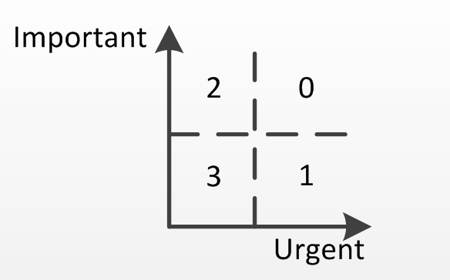

priority | comments
0 | important and urgent
1 | urgent not important
2 | important not urgent
3 | not important and urgent

update history
NO. | Date | Modifier | comments
1 | 2014-12-30 | Jason Wang | add EN026-47

QoR_num
Priority0 | sapphire
 |  |  | E60_sapphire_lse | L25_sapphire_lse | Average | Variation |  |  | fmax | Register | LUT | Slice | ParPeakMem | Total_cpu_time
calculated/total |  | fmax | 1.44% | 0.00% | 1.03% | 127.86% | pass | <-15% | 3 | 5 | 7 | 7 | 3 | 3
<20>/<92> |  | Register | -3.27% | -2.87% | -3.15% | 96.70% | pass | -15%~-5% | 13 | 5 | 8 | 5 | 2 | 1
 |  | LUT | -3.02% | -3.84% | -3.26% | 125.88% | pass | -5%~5% | 58 | 80 | 71 | 75 | 25 | 13
 |  | Slice | -2.94% | -3.05% | -2.97% | 115.41% | pass | 5%~15% | 10 | 2 | 5 | 2 | 2 | 6
 |  | ParPeakMem | - | -1.38% | -1.38% | 25.37% | pass | >15% | 8 | 0 | 1 | 3 | 0 | 9
 |  | Total_cpu_time | - | 17.04% | 17.04% | 226.78% | pass

NEW REQUIREMENT

