Wireless Kit
Name | Image | Internal Model | Material Code | Power Supply | Battery Life | Carrier Frequency | Communication Range(in an open space) | Description | Certification
Hub KIT(Wi-Fi) | 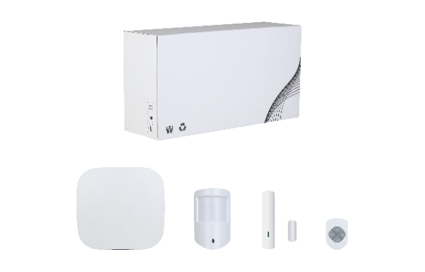 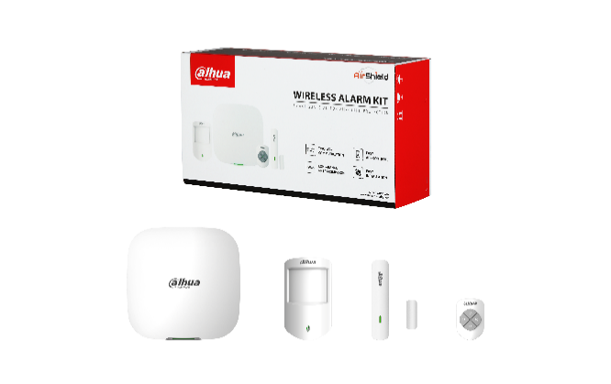 | DHI-ART-ARC3000H-03-W2-V3 | 1.0.01.19.11046 | European Standard | N/A | 433.1 MHz–434.6 MHz | Refer to the parameters of each product in the kit | • Including one each of Wi-Fi Model Hub, PIR, Magnetic Contact, and Keyfob • British standard power supply: 1.2.19.07.10255 • "-B" means Black exterior • Model C: Packed in white boxes
 |  | DHI-ART-ARC3000H-03-W2(868)-V3 | 1.0.01.19.11083 | European Standard |  | 868.0 MHz–868.6 MHz
 |  | DHI-ART-ARC3000H-03-W2-C | 1.0.01.19.11036 | American Standard |  | 433.1 MHz–434.6 MHz
 |  | ART-ARC3000H-03-W2-V3 | 1.0.01.19.11043 | European Standard |  | 433.1 MHz–434.6 MHz
 |  | ART-ARC3000H-03-W2(868)-V3 | 1.0.01.19.11080 | European Standard |  | 868.0 MHz–868.6 MHz
Hub KIT(2G) | 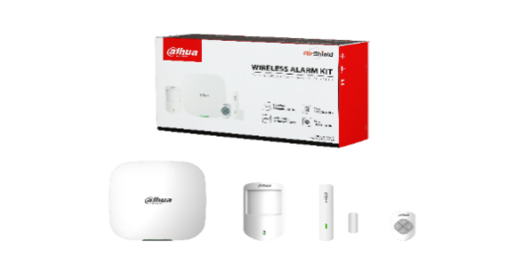  | DHI-ART-ARC3000H-03-GW2-V3 | 1.0.01.19.11045 | European Standard |  | 433.1 MHz–434.6 MHz |  | • Including one each of 2G Model Hub, PIR, Magnetic Contact, and Keyfob • British standard power supply: 1.2.19.07.10255 • "-B" means Black exterior | CE
 |  | DHI-ART-ARC3000H-03-GW2(868)-V3 | 1.0.01.19.11082 | European Standard |  | 868.0 MHz–868.6 MHz |  |  | CE
 |  | ART-ARC3000H-03-GW2-V3 | 1.0.01.19.11042 | European Standard |  | 433.1 MHz–434.6 MHz |  |  | CE
 |  | ART-ARC3000H-03-GW2(868)-V3 | 1.0.01.19.11079 | European Standard |  | 868.0 MHz–868.6 MHz |  |  | CE
Hub KIT(4G) |   | DHI-ART-ARC3000H-03-FW2-V3 | 1.0.01.19.11044 | European Standard |  | 433.1 MHz–434.6 MHz |  | • Including one each of 4G Model Hub, PIR, Magnetic Contact, and Keyfob • NOTE: The frequency bands of 4G communication between European standard and American standard are different, please select the right model according to the local frequency bands. European standard — LTE-FDD:B1/B3/B5/B7/B8/B20, LTE-TDD:B38/B40/B41 American standard — LTE-FDD:B1/B2/B3/B4/B5/B7/B8/B28, LTE-TDD:B40 • British standard power supply: 1.2.19.07.10255 • "-B" means Black exterior • Model C: Packed in white boxes | CE
 |  |  | 1.0.01.19.11048 | American Standard |  |  |  |  | CE
 |  | DHI-ART-ARC3000H-03-FW2(868)-V3 | 1.0.01.19.11081 | European Standard |  | 868.0 MHz–868.6 MHz |  |  | CE
 |  | DHI-ART-ARC3000H-03-FW2-C | 1.0.01.19.10809 | European Standard |  | 433.1 MHz–434.6 MHz
 |  |  | 1.0.01.19.10841
 |  | ART-ARC3000H-03-FW2-V3 | 1.0.01.19.11041 | European Standard |  | 433.1 MHz–434.6 MHz |  |  | CE
 |  |  | 1.0.01.19.11047 | American Standard
 |  | ART-ARC3000H-03-FW2(868)-V3 | 1.0.01.19.11078 | European Standard |  | 868.0 MHz–868.6 MHz |  |  | CE
Hub 2 KIT(4G) | 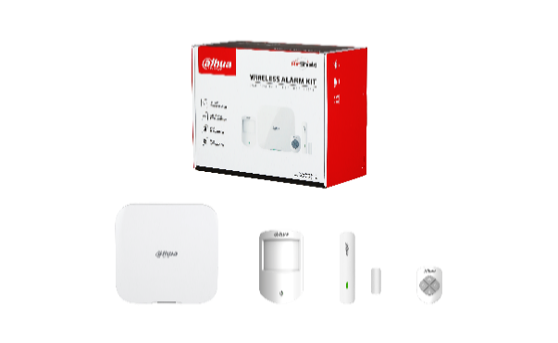 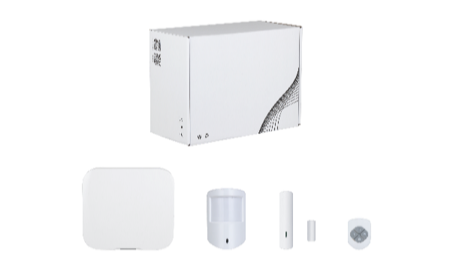 | DHI-ART-ARC3800H-03-FW2-V3 | 1.0.01.19.11066 | European Standard | N/A | 433.1 MHz–434.6 MHz | Refer to the parameters of each product in the kit | • Including one each of 4G Model Hub(ARC3800H-W2), PIR Detector(ARD1233-W2), Magnetic Contact(ARD323-W2), and Keyfob(ARA24-W2) • CE (Hub2 will be available in Q2) • EN50131 Grade2(Only for 868 MHz model） NOTE: Please check the certification of each product，KIT is not individually certified. European standard — LTE-FDD:B1/B3/B5/B7/B8/B20, LTE-TDD:B38/B40/B41 American standard — LTE-FDD:B1/B2/B3/B4/B5/B7/B8/B28, LTE-TDD:B40 • American standard power supply: 1.0.01.19.10851, 1.0.01.19.10852 • "-B" means Black exterior | CE
 |  |  | 1.0.01.19.11067 | American Standard |  |  |  |  | CE
 |  | DHI-ART-ARC3800H-03-FW2(868)-V3 | 1.0.01.19.11086 | European Standard |  | 868.0 MHz–868.6 MHz |  |  | CE
 |  | DHI-ART-ARC3800H-03-FW2(915) | 1.0.01.19.11099 | European Standard |  | 915.0 MHz–928.0 MHz |  |  | CE
 |  |  | 1.0.01.19.11096 | American Standard
 |  | ART-ARC3800H-03-FW2-V3 | 1.0.01.19.11063 | European Standard |  | 433.1 MHz–434.6 MHz
 |  |  | 1.0.01.19.11064 | American Standard
 |  | ART-ARC3800H-03-FW2(868)-V3 | 1.0.01.19.11084 | European Standard |  | 868.0 MHz–868.6 MHz
 |  | ART-ARC3800H-03-FW2(915) | 1.0.01.19.11097 | European Standard |  | 915.0 MHz–928.0 MHz |  |  | CE
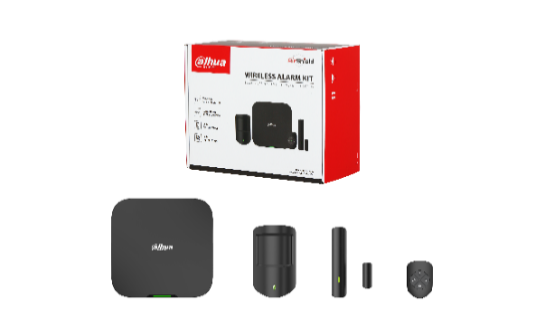
 |  |  | 1.0.01.19.11095 | American Standard |  |  |  |  | CE
 | 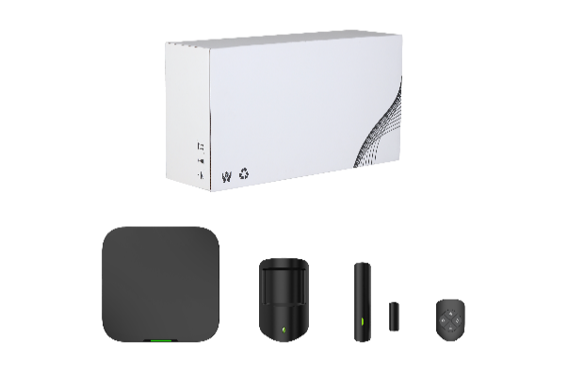 | DHI-ART-ARC3800H-03-FW2-B-V3 | 1.0.01.19.11073 | European Standard |  | 433.1 MHz–434.6 MHz |  |  | CE
 |  |  | 1.0.01.19.11072 | American Standard |  |  |  |  | CE
 |  | DHI-ART-ARC3800H-03-FW2(868)-B-V3 | 1.0.01.19.11091 | European Standard |  | 868.0 MHz–868.6 MHz |  |  | CE
 |  | DHI-ART-ARC3800H-03-FW2(915)-B | 1.0.01.19.11118 | European Standard |  | 915.0 MHz–928.0 MHz |  |  | CE
 |  |  | 1.0.01.19.11115 | American Standard |  |  |  |  | CE
 |  | ART-ARC3800H-03-FW2-B-V3 | 1.0.01.19.11070 | European Standard |  | 433.1 MHz–434.6 MHz |  |  | CE
 |  |  | 1.0.01.19.11069 | American Standard
 |  | ART-ARC3800H-03-FW2(868)-B-V3 | 1.0.01.19.11089 | European Standard |  | 868.0 MHz–868.6 MHz
 |  | ART-ARC3800H-03-FW2(915)-B | 1.0.01.19.11116 | European Standard |  | 915.0 MHz–928.0 MHz

 |  |  | 1.0.01.19.11114 | American Standard
Hub 2 KIT(Wi-Fi) | 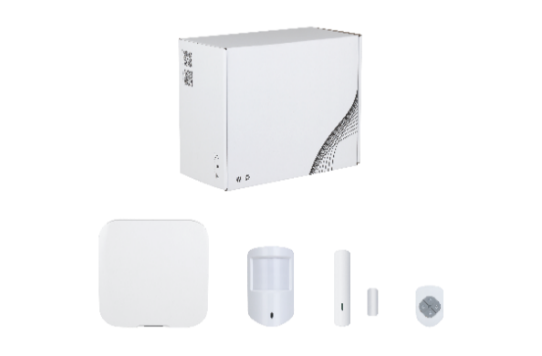 | DHI-ART-ARC3800H-03-W2-V3 | 1.0.01.19.11068 | European Standard | N/A | 433.1 MHz–434.6 MHz | Refer to the parameters of each product in the kit | • Including one each of Wifi Model Hub(ARC3800H-W2), PIR Detector(ARD1233-W2), Magnetic Contact(ARD323-W2), and Keyfob(ARA24-W2) • CE (Hub2 will be available in Q2) • EN50131 Grade2(Only for 868 MHz model） NOTE: Please check the certification of each product，KIT is not individually certified. European standard — LTE-FDD:B1/B3/B5/B7/B8/B20, LTE-TDD:B38/B40/B41 • "-B" means Black exterior | CE
 |  | DHI-ART-ARC3800H-03-W2(868)-V3 | 1.0.01.19.11088 | European Standard |  | 868.0 MHz–868.6 MHz |  |  | CE
 |  | DHI-ART-ARC3800H-03-W2(915) | 1.0.01.19.11100 | European Standard |  | 915.0 MHz–928.0 MHz |  |  | CE
 |  | ART-ARC3800H-03-W2-V3 | 1.0.01.19.11065 | European Standard |  | 433.1 MHz–434.6 MHz |  |  | CE
 |  | ART-ARC3800H-03-W2(868)-V3 | 1.0.01.19.11085 | European Standard |  | 868.0 MHz–868.6 MHz
 |  | ART-ARC3800H-03-W2(915) | 1.0.01.19.11098 | European Standard |  | 915.0 MHz–928.0 MHz
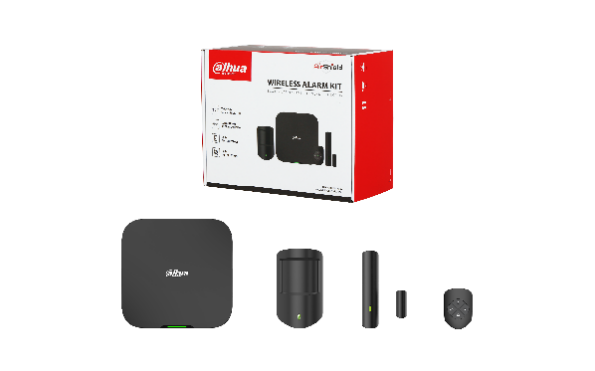
 |  | DHI-ART-ARC3800H-03-W2-B-V3 | 1.0.01.19.11074 | European Standard |  | 433.1 MHz–434.6 MHz |  |  | CE
 |  | DHI-ART-ARC3800H-03-W2(868)-B-V3 | 1.0.01.19.11092 | European Standard |  | 868.0 MHz–868.6 MHz |  |  | CE

 |  | DHI-ART-ARC3800H-03-W2(915)-B | 1.0.01.19.11119 | European Standard |  | 915.0 MHz–928.0 MHz |  |  | CE
 |  | ART-ARC3800H-03-W2-B-V3 | 1.0.01.19.11071 | European Standard |  | 433.1 MHz–434.6 MHz |  |  | CE
 |  | ART-ARC3800H-03-W2(868)-B-V3 | 1.0.01.19.11090 | European Standard |  | 868.0 MHz–868.6 MHz
 |  | ART-ARC3800H-03-W2(915)-B | 1.0.01.19.11117 | European Standard |  | 915.0 MHz–928.0 MHz

Wired Detector
 | Dual-tech Detector | Ceiling Dual-Tech Detector | PIR Detector | Ceiling PIR Detector | Curtain PIR Detector | Shock Detector | Shock Detector | Glass Break Detector | Iron Door Contact | Quad Beam Detector
Model | DHI-ARD2235 | DHI-ARD2112C | DHI-ARD1233 | DHI-ARD1112C | DHI-ARD1613 | DHI-ARD416 | DHI-ARD421 | DHI-ARD511 | DHI-ARD312 | LHP-200Q
Image | 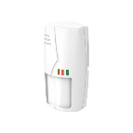 |  |  | 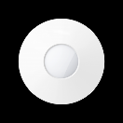 | 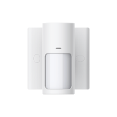 | 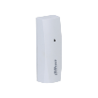 |  | 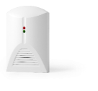
Material Code | 1.0.99.81.10095 | 1.0.99.81.10096 | 1.0.99.81.10036 | 1.0.99.81.10094 | 1.0.99.81.10093 | 1.0.99.01.13197 | 1.0.99.81.10109 | 1.0.99.81.10097 | 1.0.99.81.10098 | 1.2.01.23.10043
Detecting Range/angle | 12m/90° | Distance: Φ7 m (22.97 ft) when installed 2.5 m (8.20 ft) above the floor, Φ12 m (39.37 ft) when installed 3.6 m (11.81 ft) above the floor and Φ13 m (42.65 ft) when installed 4.5 m (14.76 ft) above the floor Angle: 360° | 12m/90° | Distance: Φ7 m (22.97 ft) when installed 2.5 m (8.20 ft) above the floor, Φ12 m (39.37 ft) when installed 3.6 m (11.81 ft) above the floor and Φ13 m (42.65 ft) when installed 4.5 m (14.76 ft) above the floor Angle: 360° | Diatnce: 8 m (26.25 ft, wall mount); 4 m (13.12 ft,ceiling mount) Angle: 15° | Metal: 2 m–7 m (6.56 ft–22.97 ft) Reinforced concrete: 0.5 m–3 m (1.64 ft–9.84 ft) | Concrete: Alarms are triggered when vibrations reach a depth of 2 to 8 m from impact drivers or other objects striking the area. For other objects, they have to hit the area 5 times first. Explosions immediately trigger alarms. Steel plate: Alarms are triggered when vibrations reach a depth of 1 to 10 m from impact drivers, and a depth of 1 to 12 m when other objects strike the area at least 5 times. Explosions immediately trigger alarms. | Up to 9 m (29.53 ft) | ≥35 mm (1.38") | 200m
Microwave Frequency | — | 10.53 G | — | — | — | — | — | — | — | —
Mounting Type | Wall mount | Ceiling mount | Wall mount | Ceiling mount | Ceiling/Wall mount | Surface mount | Surface mount | Ceiling/Wall mount | Surface mount | Bracket mount
Installation Height | — | 2.5 m–4.5 m (8.20 ft–14.76 ft | 2.2m | 2.5 m–4.5 m (8.20 ft–14.76 ft | — | — | — | — | — | —
Pet Immunity | ≤25 kg (55.12 lb) | — | — | — | — | — | — | — | — | —
Alarm Output | N.C./N.O. optional； | N.C./N.O. optional | NC in default, NO optional (contact capacity: 28VDC/80mA) | N.C./N.O. optional | N.C. | N.C. | N.C./N.O. optional | N.C. | N.C. | N.C./N.O. optional
Tamper Switch | N.C. | N.C. | N.C. | N.C. | N.C. | N.C. | N.C. | N.C. | — | N.C.
Material | ABS plastic | ABS plastic, PE | ABS plastic | ABS plastic, PE | ABS plastic, PC | ABS plastic, PC | Zinc–aluminum alloy | ABS plastic | Metal plating | ABS plastic
Working temperature | –10 °C to +55 °C (+14 °F to +131 °F) | –10 °C to +55 °C (+14 °F to +131 °F) | –10 °C to +55 °C (+14 °F to +131 °F) | –10 °C to +55 °C (+14 °F to +131 °F) | –10 °C to +55 °C (+14 °F to +131 °F) | –25 °C to +50 °C (–13 °F to +122 °F) | –25 °C to 55 °C (–13 °F to 131 °F) | –10 °C to +55 °C (+14 °F to +131 °F) | –10 °C to +55 °C (+14 °F to +131 °F) | -25℃~＋55℃
Dimensions | 82.0 mm × 50.0 mm × 133.0 mm (3.23" × 1.97" × 5.24") (L × W × H) | 50.0 mm × 142.0 mm × 140.0 mm (1.97" × 5.59 × 5.51") (L × W × H) | 102 mm × 46 mm × 100 mm (4.02" × 1.81" × 3.94") (L × W × H) | 50.0 mm × 142.0 mm × 140.0 mm (1.97" × 5.59 × 5.51") (L × W × H) | 46.0 mm × 100.0 mm × 103.0 mm (1.81" × 3.94" ×4.06") (L × W × H) | 35.0 mm × 31.0 mm × 100.0 mm (1.38" × 1.22" × 3.94") (L × W × H) | 85 mm × 37 mm × 28 mm (3.35" × 1.46" × 1.10") (L × W × H) | 65.0 mm × 53.0 mm × 102.0 mm (2.56" × 2.09" × 4.02") (L × W × H) | 55.0 mm × 25.0 mm × 70.0 mm (2.17" × 0.98" × 2.76") (L × W × H) | 345mmx110mmx105mm
Power Requirements | 9–16VDC, 30mA | 9–16 VDC, 60mA | DC9–24 V, 25mA | 9–18 VDC,30mA | 9–24 VDC, 25mA | 9-15 VDC , 12mA | 9–15 VDC | 9–16 VDC, 25mA | — | DC12-24V,35mA
Certification | CE | CE | CE | CE | CE | CE | CE | CE | CE

Wired Accessory
Model | DHI-ARD811 | DHI-ARD812 | DHI-ARA16-V1 | DHI-ARA16-WSC | DHI-ARA11 | DHI-ARA13 | DH-ARA16 | DH-ARA31A | DH-ARA36L | DH-ARA36T
Name | Panic Button (86 box) | Panic Button | Indoor Wired Siren |  | Indoor Siren | External Siren | Outdoor Siren | Detector Bracket | L-Type Bracket | T-Type Bracket
Appearance | 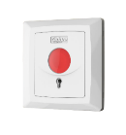 |  | 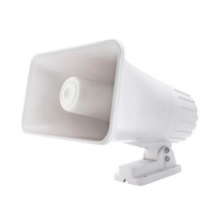 | 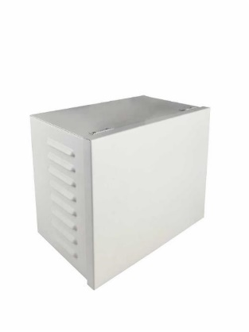 | 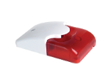 | 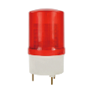 | 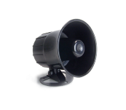 | 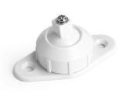
Material code | 1.0.99.01.13175 | 1.0.99.01.13176 | 1.0.99.11.10109 | 1.0.99.41.10287 | 1.0.99.01.13177 | 1.0.99.01.13178 | 1.2.01.23.10030 | 1.2.01.13.10003 | 1.2.01.67.10489 | 1.2.01.67.10488
Description | N.C./N.O. optional ABS material –10 °C to +55 °C (+14 °F to +131 °F) 88.0 mm × 36.0 mm × 88.0 mm (3.46" × 1.42" × 3.46") (L × W × H) | N.C./N.O. optional ABS material –10 °C to +55 °C (+14 °F to +131 °F) 56.0 mm × 35.0 mm × 56.0 mm (2.20" ×1.38" × 2.20")(L × W × H) | 118db/1m DC12V/2A, 30W(MAX) –20 °C to +60 °C (–4 °F to +140 °F) IPX4 | Tinplate case for ARA16 waterproofing only Wall mount | 105 dB ± 3 dB/30 cm (11.81" ABS material and acrylic plate –10 °C to +55 °C (+14 °F to +131 °F) 82.0 mm × 50.0 mm × 133.0 mm (3.23" × 1.97" ×5.24") (L × W × H) 10–15 VDC,300mA | 105 ± 3 dB/30 cm (11.81") PC and ABS material –20 °C to +70 °C (–4 °F to +158 °F) 177.0 mm × 98.0 mm × 98.0 mm (6.97" × 3.86" ×3.86") (L × W × H) 12 VDC,200mA | 105 dB/m DC9-15V,300mA | Multi-angle adjustable (120°) ABS material | Bracket for beam detector mounting on the side of a wall | Bracket for beam detector mounting on the top of a wall
Certification | CE | CE | Latin America & Mexico only | Latin America & Mexico only | CE | CE

Emergency Phone Tower
Name | Material Code | Model | Picture | Description
Emergency Phone Tower | 1.0.01.19.10633 | 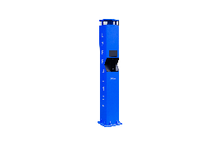 DHI-VTA8311A-4 |  | > One-press alarm > Extended with IPC, Speed Dome & Snapshot Camera > Broadcast to multiple terminals simultaneously > Two-way audio & Remote monitor > Alarm Receiving Center Integration > Excellent vandal proof > Color: A is dark blue, AB is light blue > DHI-VTA8311A-4, DHI-VTA8311AB-4: with LCD Display; DHI-VTA8311A, DHI-VTA8311AB: no Display >Dimensions: 2,400mm*340mm*330mm (without package), 2,610mm*560mm*560mm (with package)
 | 1.0.01.19.10634 | 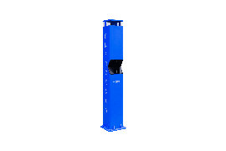 DHI-VTA8311A
 | 1.0.01.19.10631 | 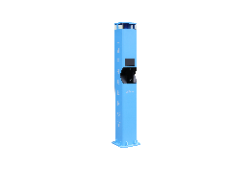 DHI-VTA8311AB-4
 | 1.0.01.19.10632 | DHI-VTA8311AB
4G Module | 1.0.01.19.10667 | ARA58-F-AUX-V2 |  | Through this module, this emergency phone tower can achieve 4G networking. GSM: 850/900/1800/1900MHz, WCDMA: B1/B2/B5/B8, LTE-FDD: B1/B2/B3/B4/B5/B7/B8/B28, LTE-TDD: B40
 | 1.0.01.19.10669 | ARA58-F-EN-V2 |  | Through this module, this emergency phone tower can achieve 4G networking. GSM:900/1800MHz, WCDMA:B1/B5/B8, LTE-FDD:B1/B3/B5/B7/B8/B20, LTE-TDD:B38/B40/B41
Mount Pole for Camera | 1.1.02.41.10263 | VTAZG001X-AB |  | >The mount pole only provides the installation interface of the mount adapter, and the interface thread model: G1-1/2 "internal pipe thread. >The 10263 is light blue, and 10263-002 is dark blue. >Dimensions: 1445mm*450mm*70mm(Without package), 1580mm*1555mm*75mm(With package)
 | 1.1.02.41.10263-002 | VTAZG001X-B
Mount Pole for Camera & LED Screen | 1.1.02.41.10264 | ZG001X-00-点阵屏球机立杆组件-浅蓝 |  | >The mount pole only provides the installation interface of the mount adapter and LED screen, and the interface thread model: G1-1/2 "internal pipe thread. >The 10264 is light blue, and 10264-001 is dark blue.
 | 1.1.02.41.10264-001 | ZG001X-00-点阵屏球机立杆组件-公安蓝
LED Screen | 1.2.01.66.10134 | DH-LEDO9632 |  | >Outdoor dual-line six-character two-color display screen >Pixel pitch: P10 >Screen size：96cm*32cm

Schematic diagram

