Sheet1
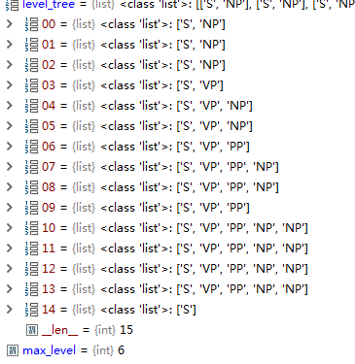
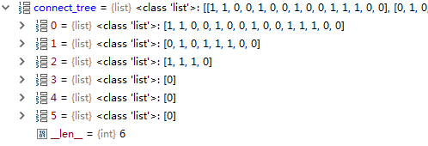
 | A | SEC | proposal | to | ease | reporting | requirements | for | some | company | excutives | would | undermin | usefulness | of | information | on | insider | trades | as | a | stock-picking | tool | , | individual | investors | and | proffesional | money | managers | contend | .

 | 0 | 1 | 2 | 3 | 4 | 5 | 6 | 7 | 8 | 9 | 10 | 11 | 12 | 13 | 14
 | BELL', | 'INDUSTRIES', | 'Inc.', | 'increased', | 'its', | 'quarterly', | 'to', | '10', | 'cents', | 'from', | 'seven', | 'cents', | 'a', | 'share', | .'
 | NP | NP | NP | VP | NP | NP | PP | NP | NP | PP | NP | NP | NP | NP | S
 | 1 | 1 | 0 | 0 | 1 | 0 | 0 | 1 | 0 | 0 | 0 | 0 | 1 | 0 | 0

 | NP |  |  | VP | NP |  | PP | NP |  | PP | NP | NP | NP |  | S
 | 0 |  |  | 1 | 0 |  | 1 | 1 |  | 0 | 1 | 1 | 0 |  | 0

 | NP |  |  | VP |  |  | PP |  |  |  | NP |  |  |  | S
 | 0 |  |  | 1 |  |  | 1 |  |  |  | 0 |  |  |  | 0

 | NP |  |  | VP |  |  |  |  |  |  |  |  |  |  | S
 | 1 |  |  | 1 |  |  |  |  |  |  |  |  |  |  | 0

 | S

 | 0 | 1 | 2 | 3 | 4 | 5 | 6 | 7 | 8 | 9 | 10 | 11 | 12 | 13 | 14 | 15 | 16 | 17 | 18 | 19 | 20 | 21 | 22 | 23 | 24
 | ['Investors', | 'are', | 'appealing', | 'to', | 'the', | 'Securities', | 'and', | 'Exchange', | 'Commission', | 'not', | 'to', | 'limit', | 'their', | 'access', | 'to', | 'information', | 'about', | 'stock', | 'purchases', | 'and', | 'sales', | 'by', | 'corporate', | 'insiders', | '.']
 | NP | VP | VP | PP | NP | NP | NP | NP | NP | S | VP | VP | NP | NP | PP | NP | PP | NP | NP | NP | NP | PP | NP | NP | S
 | 0 | 0 | 0 | 0 | 1 | 1 | 1 | 1 | 0 | 0 | 0 | 0 | 1 | 0 | 0 | 0 | 0 | 1 | 1 | 1 | 0 | 0 | 1 | 0 | 0

 | NP | VP | VP | PP | NP |  |  |  |  | S | VP | VP | NP |  | PP | NP | PP | NP |  |  |  | PP | NP |  | S
 | 0 | 0 | 0 | 1 | 0 |  |  |  |  | 0 | 0 | 0 | 0 |  | 0 | 0 | 0 | 0 |  |  |  | 1 | 0 |  | 0

 | NP | VP | VP | PP |  |  |  |  |  | S | VP | VP | NP |  | PP | NP | PP | NP |  |  |  | PP |  |  | S
 | 0 | 0 | 1 | 0 |  |  |  |  |  | 0 | 0 | 0 | 0 |  | 0 | 0 | 0 | 1 |  |  |  | 0 |  |  | 0

 | NP | VP | VP |  |  |  |  |  |  | S | VP | VP | NP |  | PP | NP | PP | NP |  |  |  |  |  |  | S
 | 0 | 0 | 0 |  |  |  |  |  |  | 0 | 0 | 0 | 0 |  | 0 | 0 | 1 | 0 |  |  |  |  |  |  | 0

 | NP | VP | VP |  |  |  |  |  |  | S | VP | VP | NP |  | PP | NP | PP |  |  |  |  |  |  |  | S
 | 0 | 0 | 0 |  |  |  |  |  |  | 0 | 0 | 0 | 0 |  | 0 | 1 | 0 |  |  |  |  |  |  |  | 0

 | NP | VP | VP |  |  |  |  |  |  | S | VP | VP | NP |  | PP | NP |  |  |  |  |  |  |  |  | S
 | 0 | 0 | 0 |  |  |  |  |  |  | 0 | 0 | 0 | 0 |  | 1 | 0 |  |  |  |  |  |  |  |  | 0

 | NP | VP | VP |  |  |  |  |  |  | S | VP | VP | NP |  | PP |  |  |  |  |  |  |  |  |  | S
 | 0 | 0 | 0 |  |  |  |  |  |  | 0 | 0 | 0 | 1 |  | 0 |  |  |  |  |  |  |  |  |  | 0

 | NP | VP | VP |  |  |  |  |  |  | S | VP | VP | NP |  |  |  |  |  |  |  |  |  |  |  | S
 | 0 | 0 | 0 |  |  |  |  |  |  | 0 | 0 | 1 | 0 |  |  |  |  |  |  |  |  |  |  |  | 0

 | NP | VP | VP |  |  |  |  |  |  | S | VP | VP |  |  |  |  |  |  |  |  |  |  |  |  | S
 | 0 | 0 | 0 |  |  |  |  |  |  | 0 | 1 | 0 |  |  |  |  |  |  |  |  |  |  |  |  | 0

 | NP | VP | VP |  |  |  |  |  |  | S | VP |  |  |  |  |  |  |  |  |  |  |  |  |  | S
 | 0 | 0 | 0 |  |  |  |  |  |  | 1 | 0 |  |  |  |  |  |  |  |  |  |  |  |  |  | 0

 | NP | VP | VP |  |  |  |  |  |  | S |  |  |  |  |  |  |  |  |  |  |  |  |  |  | S
 | 0 | 0 | 1 |  |  |  |  |  |  | 0 |  |  |  |  |  |  |  |  |  |  |  |  |  |  | 0

 | NP | VP | VP |  |  |  |  |  |  |  |  |  |  |  |  |  |  |  |  |  |  |  |  |  | S
 | 0 | 1 | 0 |  |  |  |  |  |  |  |  |  |  |  |  |  |  |  |  |  |  |  |  |  | 0

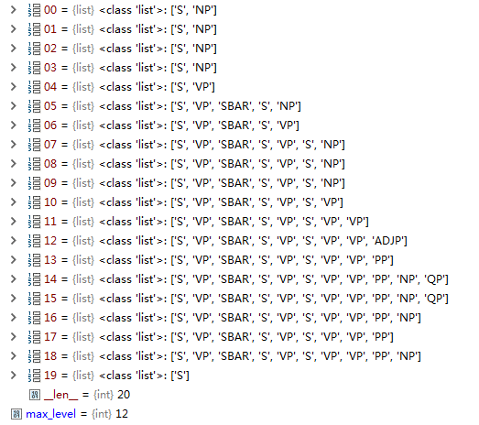
 | 0 | 1 | 2 | 3 | 4 | 5 | 6 | 7 | 8 | 9 | 10 | 11 | 12 | 13 | 14 | 15 | 16 | 17 | 18 | 19
 | ['Rolls-Royce', | 'Motor', | 'Cars', | 'Inc.', | 'said', | 'it', | 'expects', | 'its', | 'U.S.', | 'sales', | 'to', | 'remain', | 'steady', | 'at', | 'about', | '1,200', | 'cars', | 'in', | '1990', | '.']
level1 | NP | NP | NP | NP | VP | NP | VP | NP | NP | NP | VP | VP | ADJP | PP | QP | QP | NP | PP | NP | S
 | 1 | 1 | 1 | 0 | 0 | 0 | 0 | 1 | 1 | 0 | 0 | 0 | 0 | 0 | 1 | 0 | 0 | 0 | 0 | 0

level2 | NP |  |  |  | VP | NP | VP | NP |  |  | VP | VP | ADJP | PP | QP |  | NP | PP | NP | S
 | 0 |  |  |  | 0 | 0 | 0 | 0 |  |  | 0 | 0 | 0 | 0 | 1 |  | 0 | 0 | 0 | 0

level3 | NP |  |  |  | VP | NP | VP | NP |  |  | VP | VP | ADJP | PP | NP |  |  | PP | NP | S
 | 0 |  |  |  | 0 | 0 | 0 | 0 |  |  | 0 | 0 | 0 | 1 | 1 |  |  | 1 | 0 | 0

level4 | NP |  |  |  | VP | NP | VP | NP |  |  | VP | VP | ADJP | PP |  |  |  |  |  | S
 | 0 |  |  |  | 0 | 0 | 0 | 0 |  |  | 0 | 1 | 1 | 0 |  |  |  |  |  | 0
 |  |  |  |  |  |  |  |  |  |  |  | s
level5 | NP |  |  |  | VP | NP | VP | NP |  |  | VP | VP |  |  |  |  |  |  |  | S
 | 0 |  |  |  | 0 | 0 | 0 | 0 |  |  | 1 | 0 |  |  |  |  |  |  |  | 0

level6 | NP |  |  |  | VP | NP | VP | NP |  |  | VP |  |  |  |  |  |  |  |  | S
 | 0 |  |  |  | 0 | 0 | 0 | 1 |  |  | 0 |  |  |  |  |  |  |  |  | 0

level7 | NP |  |  |  | VP | NP | VP | S |  |  |  |  |  |  |  |  |  |  |  | S
 | 0 |  |  |  | 0 | 0 | 1 | 0 |  |  |  |  |  |  |  |  |  |  |  | 0

level8 | NP |  |  |  | VP | NP | VP |  |  |  |  |  |  |  |  |  |  |  |  | S
 | 0 |  |  |  | 0 | 1 | 0 |  |  |  |  |  |  |  |  |  |  |  |  | 0

level9 | NP |  |  |  | VP | SBAR-S |  |  |  |  |  |  |  |  |  |  |  |  |  | S
 | 0 |  |  |  | 1 | 0 |  |  |  |  |  |  |  |  |  |  |  |  |  | 0

level10 | NP |  |  |  | VP |  |  |  |  |  |  |  |  |  |  |  |  |  |  | S
 | 1 |  |  |  | 1 |  |  |  |  |  |  |  |  |  |  |  |  |  |  | 0

level11 | S

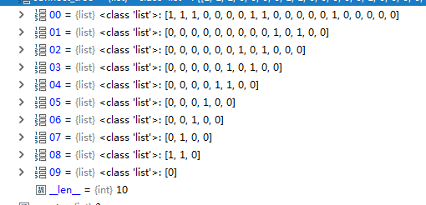
 | 0 | 1 | 2 | 3 | 4 | 5 | 6 | 7 | 8 | 9 | 10 | 11 | 12 | 13 | 14 | 15 | 16 | 17 | 18 | 19
 | ['Rolls-Royce', | 'Motor', | 'Cars', | 'Inc.', | 'said', | 'it', | 'expects', | 'its', | 'U.S.', | 'sales', | 'to', | 'remain', | 'steady', | 'at', | 'about', | '1,200', | 'cars', | 'in', | '1990', | '.']
 | NP | NP | NP | NP | VP | NP | VP | NP | NP | NP | VP | VP | ADJP | PP | QP | QP | NP | PP | NP | S
 | 1 | 1 | 1 | 0 | 0 | 0 | 0 | 1 | 1 | 0 | 0 | 0 | 0 | 0 | 1 | 0 | 0 | 0 | 0 | 0

 | NP((NNP Rolls-Royce) (NNP Motor) (NNPS Cars) (NNP Inc.)) |  |  |  | VP(VBD said) | NP(PRP it) | VP(VBZ expects) | NP(PRP$ its) (NNP U.S.) (NNS sales) |  |  | VP(TO to) | VP(VB remain) | ADJP(JJ steady) | PP(IN at) | QP(IN about) (CD 1,200) |  | NP(NNS cars) | PP(IN in) | NP(CD 1990) | S(. .)
 | 0 |  |  |  | 0 | 0 | 0 | 0 |  |  | 0 | 0 | 0 | 0 | 1 |  | 0 | 1 | 0 | 0

 | NP(NNP Rolls-Royce) (NNP Motor) (NNPS Cars) (NNP Inc.) |  |  |  | VP(VBD said) | NP(PRP it) | VP(VBZ expects) | NP(PRP$ its) (NNP U.S.) (NNS sales) |  |  | VP(TO to) | VP(VB remain) | ADJP(JJ steady) | PP(IN at) | NP(QP(IN about) (CD 1,200)) (NNS cars) |  |  | PP(IN in) (NP (CD 1990)) |  | S(. .)
 | 0 |  |  |  | 0 | 0 | 0 | 0 |  |  | 0 | 0 | 0 | 1 | 1 |  |  | 0 |  | 0

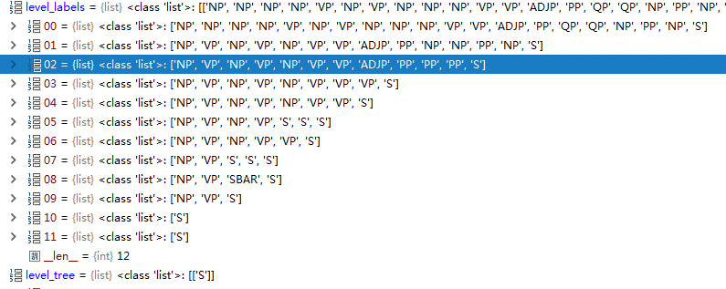
 | NP(NNP Rolls-Royce) (NNP Motor) (NNPS Cars) (NNP Inc.) |  |  |  | VP(VBD said) | NP(PRP it) | VP(VBZ expects) | NP(PRP$ its) (NNP U.S.) (NNS sales) |  |  | VP(TO to) | VP(VB remain) | ADJP(JJ steady) | PP (IN at) (NP (QP (IN about) (CD 1,200)) (NNS cars)) (PP(IN in) (NP(CD 1990))) |  |  |  |  |  | S
 | 0 |  |  |  | 0 | 0 | 0 | 0 |  |  | 0 | 1 | 1 | 0 |  |  |  |  |  | 0
 |  |  |  |  |  |  |  |  |  |  |  | s
 | NP(NNP Rolls-Royce) (NNP Motor) (NNPS Cars) (NNP Inc.) |  |  |  | VP(VBD said) | NP(PRP it) | VP(VBZ expects) | NP(PRP$ its) (NNP U.S.) (NNS sales) |  |  | VP(TO to) | VP (VB remain) (ADJP((JJ steady)) (PP (IN at) (NP (QP (IN about) (CD 1,200)) (NNS cars)) (PP(IN in) (NP(CD 1990)))) |  |  |  |  |  |  |  | S
 | 0 |  |  |  | 0 | 0 | 0 | 0 |  |  | 1 | 0 |  |  |  |  |  |  |  | 0

 | NP(NNP Rolls-Royce) (NNP Motor) (NNPS Cars) (NNP Inc.) |  |  |  | VP(VBD said) | NP(PRP it) | VP(VBZ expects) | NP(PRP$ its) (NNP U.S.) (NNS sales) |  |  | VP(TO to) (VP (VB remain) (ADJP((JJ steady)) (PP (IN at) (NP (QP (IN about) (CD 1,200)) (NNS cars)) (PP(IN in) (NP(CD 1990))))) |  |  |  |  |  |  |  |  | S
 | 0 |  |  |  | 0 | 0 | 0 | 1 |  |  | 0 |  |  |  |  |  |  |  |  | 0

 | NP(NNP Rolls-Royce) (NNP Motor) (NNPS Cars) (NNP Inc.) |  |  |  | VP(VBD said) | NP(PRP it) | VP(VBZ expects) | S(NP(PRP$ its) (NNP U.S.) (NNS sales)) (VP(TO to) (VP (VB remain) (ADJP((JJ steady)) (PP (IN at) (NP (QP (IN about) (CD 1,200)) (NNS cars)) (PP(IN in) (NP(CD 1990)))))) |  |  |  |  |  |  |  |  |  |  |  | S
 | 0 |  |  |  | 0 | 0 | 1 | 0 |  |  |  |  |  |  |  |  |  |  |  | 0

 | NP(NNP Rolls-Royce) (NNP Motor) (NNPS Cars) (NNP Inc.) |  |  |  | VP(VBD said) | NP(PRP it) | VP (VBZ expects) (S(NP(PRP$ its) (NNP U.S.) (NNS sales)) (VP(TO to) (VP (VB remain) (ADJP((JJ steady)) (PP (IN at) (NP (QP (IN about) (CD 1,200)) (NNS cars)) (PP(IN in) (NP(CD 1990))))))) |  |  |  |  |  |  |  |  |  |  |  |  | S
 | 0 |  |  |  | 0 | 1 | 0 |  |  |  |  |  |  |  |  |  |  |  |  | 0

 | NP(NNP Rolls-Royce) (NNP Motor) (NNPS Cars) (NNP Inc.) |  |  |  | VP(VBD said) | SBAR-S(NP (PRP it) (VP (VBZ expects) (S(NP(PRP$ its) (NNP U.S.) (NNS sales)) (VP(TO to) (VP (VB remain) (ADJP((JJ steady)) (PP (IN at) (NP (QP (IN about) (CD 1,200)) (NNS cars)) (PP(IN in) (NP(CD 1990))))))) ) |  |  |  |  |  |  |  |  |  |  |  |  |  | S
 | 0 |  |  |  | 1 | 0 |  |  |  |  |  |  |  |  |  |  |  |  |  | 0

 | NP(NNP Rolls-Royce) (NNP Motor) (NNPS Cars) (NNP Inc.) |  |  |  | VP (VBD said) (SBAR-S(NP (PRP it) (VP (VBZ expects) (S(NP(PRP$ its) (NNP U.S.) (NNS sales)) (VP(TO to) (VP (VB remain) (ADJP((JJ steady)) (PP (IN at) (NP (QP (IN about) (CD 1,200)) (NNS cars)) (PP(IN in) (NP(CD 1990))))))) ) |  |  |  |  |  |  |  |  |  |  |  |  |  |  | S
 | 1 |  |  |  | 1 |  |  |  |  |  |  |  |  |  |  |  |  |  |  | 0

 | S (NP(NNP Rolls-Royce) (NNP Motor) (NNPS Cars) (NNP Inc.)) (VP (VBD said) (SBAR-S(NP (PRP it) (VP (VBZ expects) (S(NP(PRP$ its) (NNP U.S.) (NNS sales)) (VP(TO to) (VP (VB remain) (ADJP((JJ steady)) (PP (IN at) (NP (QP (IN about) (CD 1,200)) (NNS cars)) (PP(IN in) (NP(CD 1990))))))) )) ( . .)

 | (TOP (S (NP (NNP Rolls-Royce) (NNP Motor) (NNPS Cars) (NNP Inc.)) (VP (VBD said) (SBAR (S (NP (PRP it)) (VP (VBZ expects) (S (NP (PRP$ its) (NNP U.S.) (NNS sales)) (VP (TO to) (VP (VB remain) (ADJP (JJ steady)) (PP (IN at) (NP (QP (IN about) (CD 1,200)) (NNS cars))) (PP (IN in) (NP (CD 1990)))))))))) (. .)))

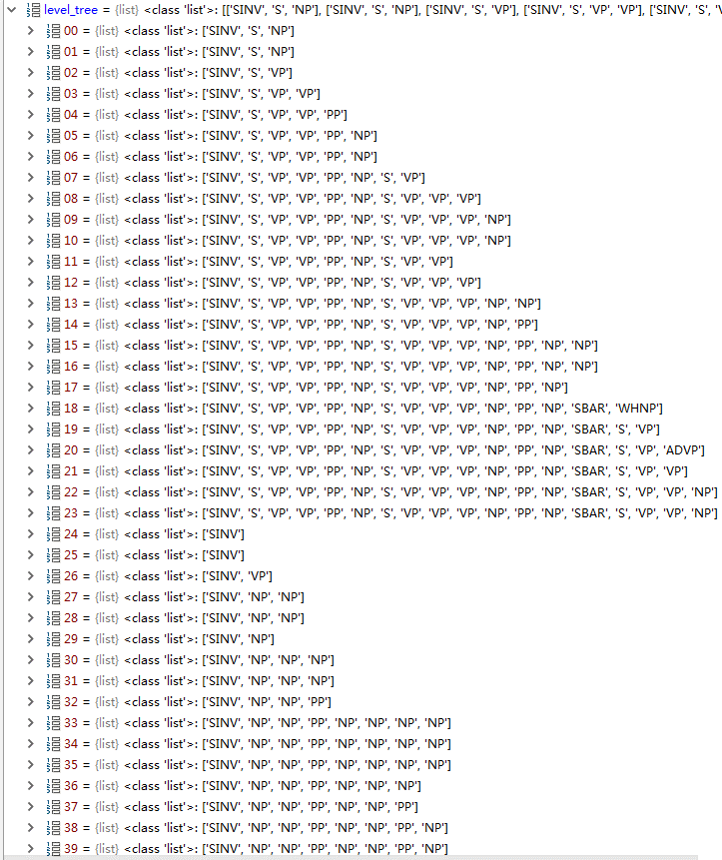
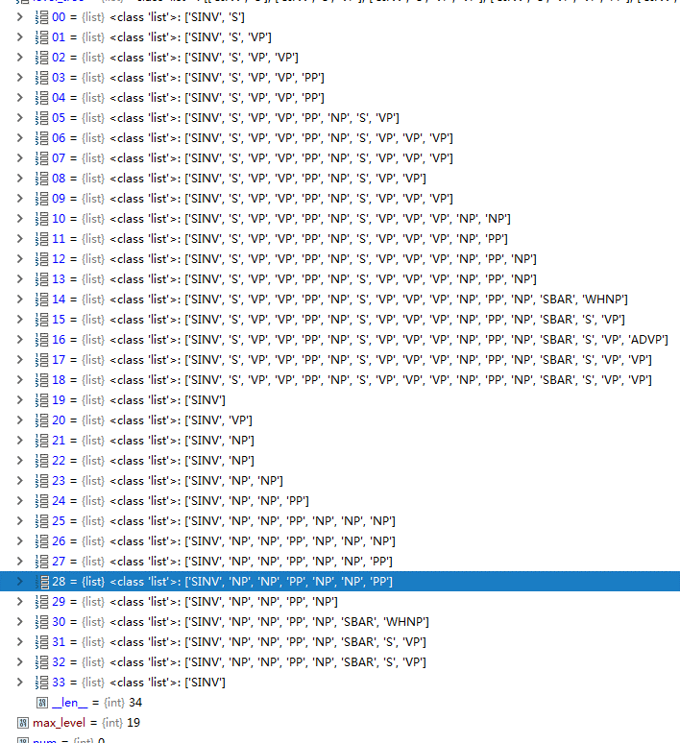
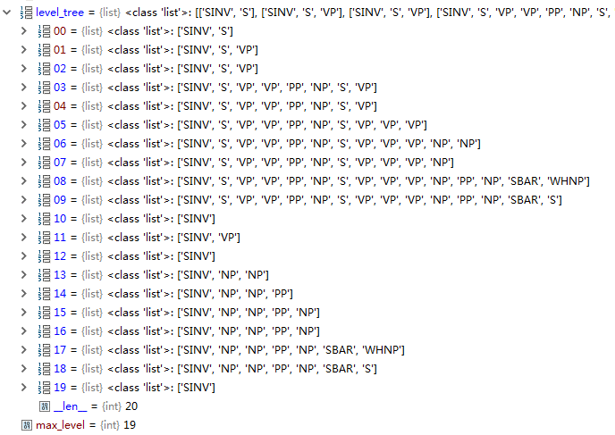
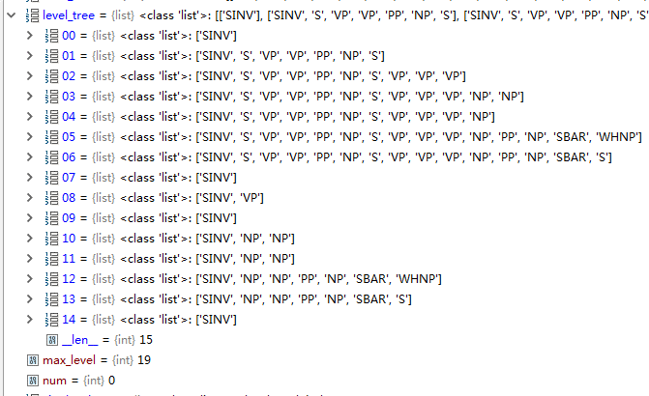
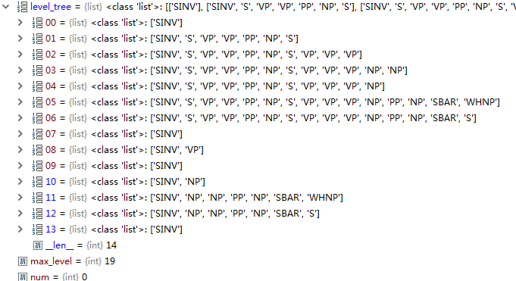
 |  |  |  |  |  |  |  |  |  |  | 1 |  |  |  |  |  |  |  |  |  |  |  |  |  |  |  |  |  |  |  |  |  |  |  |  |  |  |  |  | 0
 |  |  |  |  |  |  |  |  |  |  | 0 |  |  |  |  |  |  |  |  |  |  | 0 |  |  |  |  |  |  |  |  |  |  | 0 |  |  |  |  |  |  | 0 |  |  |  | 0
 |  |  |  |  |  |  |  |  |  |  | 0 |  |  |  |  |  |  |  |  |  |  | 0 |  |  |  |  |  |  |  |  |  |  | 1 |  |  |  |  |  |  | 0 |  |  |  | 0
 |  |  |  |  |  |  |  |  |  |  | 0 |  |  |  |  |  |  |  |  |  |  | 0 |  |  |  |  |  |  |  |  |  |  | 0 |  |  |  |  |  |  | 0 |  |  |  | 0
 |  |  |  |  |  |  |  |  |  |  | 0 |  |  |  |  |  |  |  |  |  |  | 1 |  |  |  |  |  |  |  |  |  |  | 1 |  |  |  |  |  |  | 0 |  |  |  | 0
 |  |  |  |  |  |  |  |  |  |  | 1 |  |  |  |  |  |  |  |  |  |  | 0 |  |  |  |  |  |  |  |  |  |  | 0 |  |  |  |  |  |  | 0 |  |  |  | 0
 |  |  |  |  |  |  |  |  |  |  | 0 |  |  |  |  |  |  |  |  |  |  |  |  |  |  |  |  |  |  |  |  |  | 0 |  |  |  |  |  |  | 0 |  |  |  | 1
 |  |  |  |  |  |  |  |  |  |  | 0 |  |  |  |  |  |  |  |  |  |  | 0 |  |  |  |  |  |  |  |  |  |  | 0 |  |  |  |  |  |  | 0 |  |  |  | 0
 |  |  |  |  |  |  |  |  |  |  | 0 |  |  |  |  |  |  |  |  |  |  | 1 |  |  |  |  |  |  |  |  |  |  | 0 |  |  |  |  |  |  | 0 |  |  |  | 0
 |  |  |  |  |  |  |  |  |  |  | 1 |  |  |  |  |  |  |  |  |  |  | 0 |  |  |  |  |  |  |  |  |  |  | 0 |  |  |  |  |  |  | 0 |  |  |  | 0
 |  |  |  |  |  |  |  |  |  |  | 0 |  |  |  |  |  |  |  |  |  |  | 0 |  |  |  |  |  |  |  |  |  |  | 0 |  |  |  |  |  |  | 0 |  |  |  | 0
 |  |  |  |  |  |  |  |  |  |  | 0 |  |  |  |  |  |  |  |  |  |  | 0 |  |  |  |  |  |  |  |  |  |  | 0 |  |  |  |  |  |  | 1 |  |  |  | 0
 |  |  |  |  |  |  |  |  |  |  | 0 |  |  |  |  |  |  |  |  |  |  |  |  |  |  |  |  |  |  |  |  |  | 0 |  |  |  |  |  |  | 0 |  |  |  | 0
 |  |  |  |  |  |  |  |  |  |  | 0 |  |  |  |  |  |  |  |  |  |  | 0 |  |  |  |  |  |  |  |  |  |  | 0 |  |  |  |  |  |  | 0 |  |  |  | 0
 |  |  |  |  |  |  |  |  |  |  | 0 |  |  |  |  |  |  |  |  |  |  | 0 |  |  |  |  |  |  |  |  |  |  | 0 |  |  |  |  |  |  | 0
 |  |  |  |  |  |  |  |  |  |  | 1 |  |  |  |  |  |  |  |  |  |  | 1 |  |  |  |  |  |  |  |  |  |  | 0 |  |  |  |  |  |  | 0
 |  |  |  |  |  |  |  |  |  |  | 0 |  |  |  |  |  |  |  |  |  |  | 0 |  |  |  |  |  |  |  |  |  |  | 1
 |  |  |  |  |  |  |  |  |  |  | 0 |  |  |  |  |  |  |  |  |  |  | 0 |  |  |  |  |  |  |  |  |  |  | 0
 |  |  |  |  |  |  |  |  |  |  | 0 |  |  |  |  |  |  |  |  |  |  |  |  |  |  |  |  |  |  |  |  |  | 0
 |  |  |  |  |  |  |  |  |  |  | 0 |  |  |  |  |  |  |  |  |  |  | 0 |  |  |  |  |  |  |  |  |  |  | 0
 |  |  |  |  |  |  |  |  |  |  | 0 |  |  |  |  |  |  |  |  |  |  | 0 |  |  |  |  |  |  |  |  |  |  | 0
 |  |  |  |  |  |  |  |  |  |  | 0 |  |  |  |  |  |  |  |  |  |  | 1
 |  |  |  |  |  |  |  |  |  |  | 1 |  |  |  |  |  |  |  |  |  |  | 0
 |  |  |  |  |  |  |  |  |  |  | 0 |  |  |  |  |  |  |  |  |  |  | 0
 |  |  |  |  |  |  |  |  |  |  | 1
 |  |  |  |  |  |  |  |  |  |  | 0 |  |  |  |  |  |  |  |  |  |  | 0
 |  |  |  |  |  |  |  |  |  |  | 0 |  |  |  |  |  |  |  |  |  |  | 1
 |  |  |  |  |  |  |  |  |  |  | 1 |  |  |  |  |  |  |  |  |  |  | 0
 |  |  |  |  |  |  |  |  |  |  | 0 |  |  |  |  |  |  |  |  |  |  | 0
 |  |  |  |  |  |  |  |  |  |  | 0 |  |  |  |  |  |  |  |  |  |  | 0
 |  |  |  |  |  |  |  |  |  |  | 1
 |  |  |  |  |  |  |  |  |  |  | 0 |  |  |  |  |  |  |  |  |  |  | 1
 |  |  |  |  |  |  |  |  |  |  | 0 |  |  |  |  |  |  |  |  |  |  | 0
 |  |  |  |  |  |  |  |  |  |  | 1 |  |  |  |  |  |  |  |  |  |  | 1
 |  |  |  |  |  |  |  |  |  |  | 1 |  |  |  |  |  |  |  |  |  |  | 0
 |  |  |  |  |  |  |  |  |  |  | 0 |  |  |  |  |  |  |  |  |  |  | 0
 |  |  |  |  |  |  |  |  |  |  | 0
 |  |  |  |  |  |  |  |  |  |  | 0 |  |  |  |  |  |  |  |  |  |  | 0
 |  |  |  |  |  |  |  |  |  |  | 1 |  |  |  |  |  |  |  |  |  |  | 1
 |  |  |  |  |  |  |  |  |  |  | 0 |  |  |  |  |  |  |  |  |  |  | 0
 |  |  |  |  |  |  |  |  |  |  | 0 |  |  |  |  |  |  |  |  |  |  | 0
 |  |  |  |  |  |  |  |  |  |  | 0
 |  |  |  |  |  |  |  |  |  |  | 0
 |  |  |  |  |  |  |  |  |  |  | 1
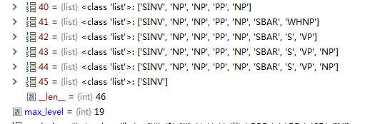
 |  |  |  |  |  |  |  |  |  |  | 0
 |  |  |  |  |  |  |  |  |  |  | 0

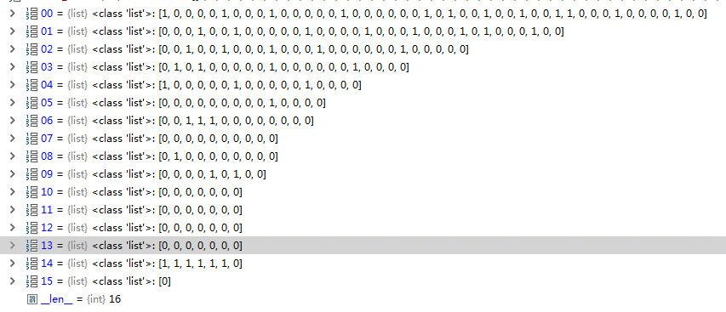
 |  |  |  |  |  |  |  |  |  |  |  | The changes were porposed in an effort to streamline federal bureaucracy and boost compliance by the executives '' who are really calling the shots, '' said Brian Lane, special counsel at the SEC POS's office of disclosure policy, which proposed the changes.

 |  |  |  |  |  |  |  |  |  |  |  |  | s

Inventors | are | apealing | to | the | Securities | and | Exchange | Commission | not | to | limit | their | access | to | information | about | stock | purchases | and | sales | by | corporate | insiders | .
NP | VP | VP | PP | NP | NP | NP | NP | NP | S | VP | VP | NP | NP | PP | NP | PP | NP | NP | NP | NP | PP | NP | NP | S
0 | 0 | 0 | 0 | 1 | 1 | 1 | 1 | 0 | 0 | 0 | 0 | 1 | 0 | 0 | 0 | 0 | 1 | 1 | 1 | 0 | 0 | 1 | 0 | 0

NP | VP | VP | PP | NP |  |  |  |  | S | VP | VP | NP |  | PP | NP | PP | NP |  |  |  | PP | NP |  | S
0 | 0 | 0 | 0 | 0 |  |  |  |  | 0 | 0 | 0 | 0 |  | 0 | 0 | 0 | 0 |  |  |  | 1 | 0 |  | 0

NP | VP | VP | PP | NP |  |  |  |  | S | VP | VP | NP |  | PP | NP | PP | NP |  |  |  | PP |  |  | S
0 | 0 | 0 | 0 | 0 |  |  |  |  | 0 | 0 | 0 | 0 |  | 0 | 0 | 0 | 1 |  |  |  | 0 |  |  | 0

NP | VP | VP | PP | NP |  |  |  |  | S | VP | VP | NP |  | PP | NP | PP | NP |  |  |  |  |  |  | S
0 | 0 | 0 | 0 | 0 |  |  |  |  | 0 | 0 | 0 | 0 |  | 0 | 0 | 1 | 0 |  |  |  |  |  |  | 0

NP | VP | VP | PP | NP |  |  |  |  | S | VP | VP | NP |  | PP | NP | PP |  |  |  |  |  |  |  | S
0 | 0 | 0 | 0 | 0 |  |  |  |  | 0 | 0 | 0 | 0 |  | 0 | 1 | 0 |  |  |  |  |  |  |  | 0

NP | VP | VP | PP | NP |  |  |  |  | S | VP | VP | NP |  | PP | NP |  |  |  |  |  |  |  |  | S
0 | 0 | 0 | 0 | 0 |  |  |  |  | 0 | 0 | 0 | 0 |  | 1 | 0 |  |  |  |  |  |  |  |  | 0

NP | VP | VP | PP | NP |  |  |  |  | S | VP | VP | NP |  | PP |  |  |  |  |  |  |  |  |  | S
0 | 0 | 0 | 0 | 0 |  |  |  |  | 0 | 0 | 0 | 1 |  | 0 |  |  |  |  |  |  |  |  |  | 0

NP | VP | VP | PP | NP |  |  |  |  | S | VP | VP | NP |  |  |  |  |  |  |  |  |  |  |  | S
0 | 0 | 0 | 0 | 0 |  |  |  |  | 0 | 0 | 1 | 0

NP | VP | VP | PP | NP |  |  |  |  | S | VP | VP |  |  |  |  |  |  |  |  |  |  |  |  | S
0 | 0 | 0 | 0 | 0 |  |  |  |  | 0 | 1 | 0 |  |  |  |  |  |  |  |  |  |  |  |  | 0

NP | VP | VP | PP | NP |  |  |  |  | S | VP |  |  |  |  |  |  |  |  |  |  |  |  |  | S
0 | 0 | 0 | 1 | 0 |  |  |  |  | 1 | 0 |  |  |  |  |  |  |  |  |  |  |  |  |  | 0

NP | VP | VP | PP |  |  |  |  |  | S |  |  |  |  |  |  |  |  |  |  |  |  |  |  | S
0 | 0 | 1 | 1 |  |  |  |  |  | 0

NP | VP | VP |  |  |  |  |  |  |  |  |  |  |  |  |  |  |  |  |  |  |  |  |  | S
0 | 1 | 0 |  |  |  |  |  |  |  |  |  |  |  |  |  |  |  |  |  |  |  |  |  | 0

NP | VP |  |  |  |  |  |  |  |  |  |  |  |  |  |  |  |  |  |  |  |  |  |  | S
1 | 1 |  |  |  |  |  |  |  |  |  |  |  |  |  |  |  |  |  |  |  |  |  |  | 0

S

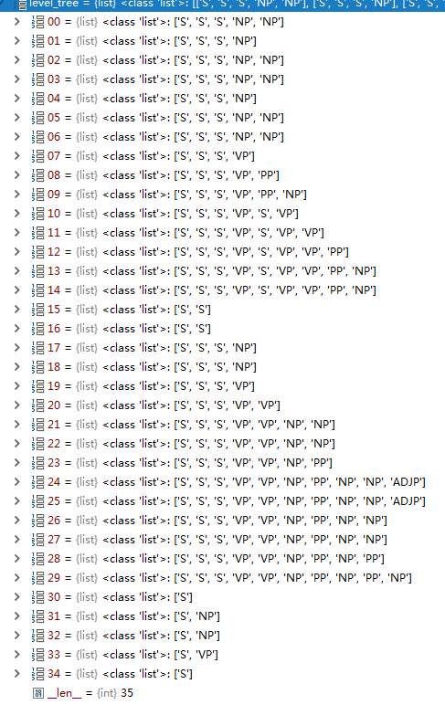
 |  |  |  |  |  |  | 0
 |  |  |  |  |  |  | 0
 |  |  |  |  |  |  | 1
 |  |  |  |  |  |  | 0
 |  |  |  |  |  |  | 0
 |  |  |  |  |  |  | 1
 |  |  |  |  |  |  | 0
 |  |  |  |  |  |  | 0
 |  |  |  |  |  |  | 0
 |  |  |  |  |  |  | 0
 |  |  |  |  |  |  | 0
 |  |  |  |  |  |  | 0
 |  |  |  |  |  |  | 0
 |  |  |  |  |  |  | 1
 |  |  |  |  |  |  | 0
 |  |  |  |  |  |  | 1
 |  |  |  |  |  |  | 0
 |  |  |  |  |  |  | 1
 |  |  |  |  |  |  | 0
 |  |  |  |  |  |  | 0
 |  |  |  |  |  |  | 0
 |  |  |  |  |  |  | 1
 |  |  |  |  |  |  | 0
 |  |  |  |  |  |  | 0
 |  |  |  |  |  |  | 1
 |  |  |  |  |  |  | 0
 |  |  |  |  |  |  | 1
 |  |  |  |  |  |  | 0
 |  |  |  |  |  |  | 0
 |  |  |  |  |  |  | 0
 |  |  |  |  |  |  | 0
 |  |  |  |  |  |  | 1
 |  |  |  |  |  |  | 0
 |  |  |  |  |  |  | 0
 |  |  |  |  |  |  | 0

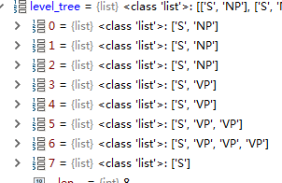
 |  |  |  |  | 1 | 1
 |  |  |  |  | 1 | 0
 |  |  |  |  | 0 | 0
 |  |  |  |  | 1 | 0
 |  |  |  |  | 0 | 0
 |  |  |  |  | 0
 |  |  |  |  | 0
 |  |  |  |  | 0

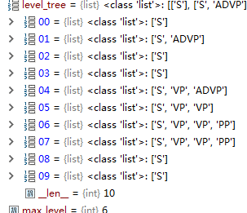
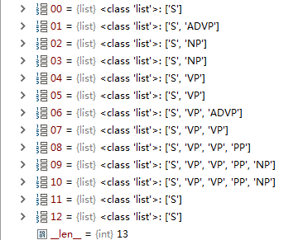
 |  |  |  |  |  | 0 |  |  |  |  |  | 0
 |  |  |  |  |  | 0 |  |  |  |  |  | 0
 |  |  |  |  |  | 1 |  |  |  |  |  | 1
 |  |  |  |  |  | 0 |  |  |  |  |  | 0
 |  |  |  |  |  | 1 |  |  |  |  |  | 0
 |  |  |  |  |  | 0 |  |  |  |  |  | 0
 |  |  |  |  |  | 0 |  |  |  |  |  | 1
 |  |  |  |  |  | 0 |  |  |  |  |  | 0
 |  |  |  |  |  | 0 |  |  |  |  |  | 1
 |  |  |  |  |  | 1 |  |  |  |  |  | 0
 |  |  |  |  |  | 0
 |  |  |  |  |  | 1
 |  |  |  |  |  | 0

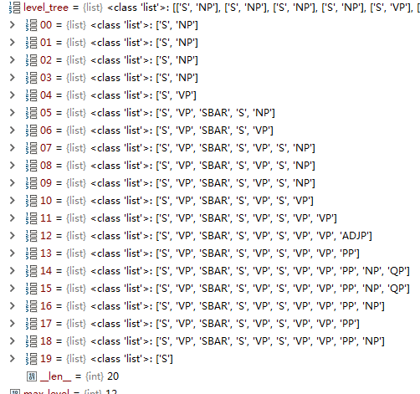
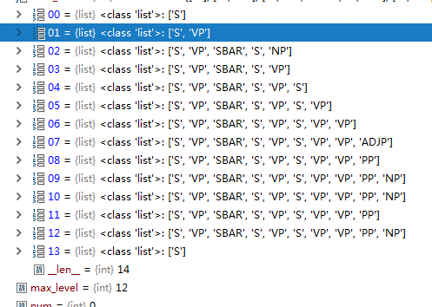
 |  |  |  |  |  |  | 1 |  |  |  |  |  |  |  | 0
 |  |  |  |  |  |  | 1 |  |  |  |  |  |  |  | 0
 |  |  |  |  |  |  | 1 |  |  |  |  |  |  |  | 0
 |  |  |  |  |  |  | 0 |  |  |  |  |  |  |  | 0
 |  |  |  |  |  |  | 0 |  |  |  |  |  |  |  | 0
 |  |  |  |  |  |  | 0 |  |  |  |  |  |  |  | 0
 |  |  |  |  |  |  | 0 |  |  |  |  |  |  |  | 0
 |  |  |  |  |  |  | 1 |  |  |  |  |  |  |  | 0
 |  |  |  |  |  |  | 1 |  |  |  |  |  |  |  | 0
 |  |  |  |  |  |  | 0 |  |  |  |  |  |  |  | 1
 |  |  |  |  |  |  | 0 |  |  |  |  |  |  |  | 0
 |  |  |  |  |  |  | 0 |  |  |  |  |  |  |  | 0
 |  |  |  |  |  |  | 0 |  |  |  |  |  |  |  | 1
 |  |  |  |  |  |  | 0 |  |  |  |  |  |  |  | 0
 |  |  |  |  |  |  | 1
 |  |  |  |  |  |  | 0
 |  |  |  |  |  |  | 0
 |  |  |  |  |  |  | 0
 |  |  |  |  |  |  | 0
 |  |  |  |  |  |  | 0

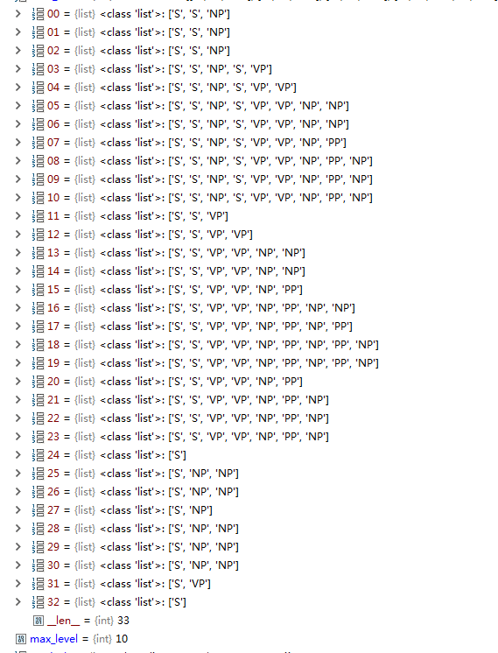
 |  |  |  |  |  |  |  | 1
 |  |  |  |  |  |  |  | 1
 |  |  |  |  |  |  |  | 0
 |  |  |  |  |  |  |  | 0
 |  |  |  |  |  |  |  | 0
 |  |  |  |  |  |  |  | 1
 |  |  |  |  |  |  |  | 0
 |  |  |  |  |  |  |  | 0
 |  |  |  |  |  |  |  | 1
 |  |  |  |  |  |  |  | 1
 |  |  |  |  |  |  |  | 0
 |  |  |  |  |  |  |  | 0
 |  |  |  |  |  |  |  | 0
 |  |  |  |  |  |  |  | 1
 |  |  |  |  |  |  |  | 0
 |  |  |  |  |  |  |  | 0
 |  |  |  |  |  |  |  | 0
 |  |  |  |  |  |  |  | 0
 |  |  |  |  |  |  |  | 1
 |  |  |  |  |  |  |  | 0
 |  |  |  |  |  |  |  | 0
 |  |  |  |  |  |  |  | 1
 |  |  |  |  |  |  |  | 1
 |  |  |  |  |  |  |  | 0
 |  |  |  |  |  |  |  | 0
 |  |  |  |  |  |  |  | 1
 |  |  |  |  |  |  |  | 0
 |  |  |  |  |  |  |  | 0
 |  |  |  |  |  |  |  | 1
 |  |  |  |  |  |  |  | 1
 |  |  |  |  |  |  |  | 0
 |  |  |  |  |  |  |  | 0
 |  |  |  |  |  |  |  | 0

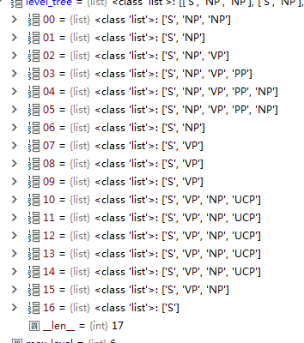
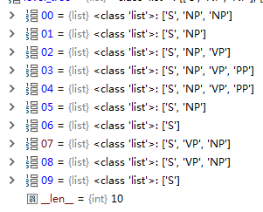
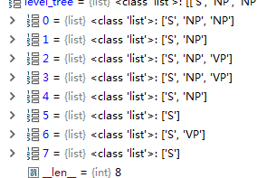
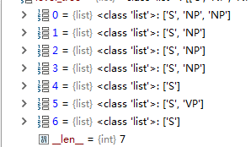
 |  |  |  |  |  |  |  |  |  |  | 0 |  |  |  |  | 0 |  |  |  |  | 0
 |  |  |  |  | 0 |  |  |  |  |  | 0 |  |  |  |  | 0 |  |  |  |  | 1
 |  |  |  |  | 0 |  |  |  |  |  | 0 |  |  |  |  | 1 |  |  |  |  | 1
 |  |  |  |  | 0 |  |  |  |  |  | 1 |  |  |  |  | 0 |  |  |  |  | 0
 |  |  |  |  | 0 |  |  |  |  |  | 0 |  |  |  |  | 0 |  |  |  |  | 0
 |  |  |  |  | 1 |  |  |  |  |  | 0 |  |  |  |  | 0 |  |  |  |  | 0
 |  |  |  |  | 0 |  |  |  |  |  | 0 |  |  |  |  | 0 |  |  |  |  | 0
 |  |  |  |  | 0 |  |  |  |  |  | 1 |  |  |  |  | 0
 |  |  |  |  | 1 |  |  |  |  |  | 0
 |  |  |  |  | 1 |  |  |  |  |  | 0
 |  |  |  |  | 0
 |  |  |  |  | 1
 |  |  |  |  | 1
 |  |  |  |  | 1
 |  |  |  |  | 1
 |  |  |  |  | 0
 |  |  |  |  | 0
 |  |  |  |  | 0

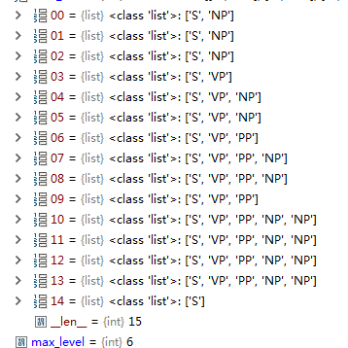
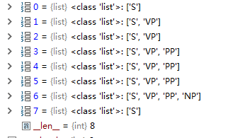
 |  |  |  |  | 1 |  |  |  |  |  | 0
 |  |  |  |  | 1 |  |  |  |  |  | 0
 |  |  |  |  | 0 |  |  |  |  |  | 0
 |  |  |  |  | 0 |  |  |  |  |  | 1
 |  |  |  |  | 1 |  |  |  |  |  | 1
 |  |  |  |  | 0 |  |  |  |  |  | 1
 |  |  |  |  | 0 |  |  |  |  |  | 0
 |  |  |  |  | 1 |  |  |  |  |  | 0
 |  |  |  |  | 0
 |  |  |  |  | 0
 |  |  |  |  | 1
 |  |  |  |  | 1
 |  |  |  |  | 1
 |  |  |  |  | 0
 |  |  |  |  | 0

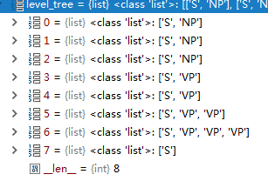
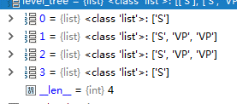
 |  |  |  |  | 1 |  |  |  |  | 0
 |  |  |  |  | 1 |  |  |  |  | 1
 |  |  |  |  | 0 |  |  |  |  | 0
 |  |  |  |  | 1 |  |  |  |  | 0
 |  |  |  |  | 0
 |  |  |  |  | 0
 |  |  |  |  | 0
 |  |  |  |  | 0

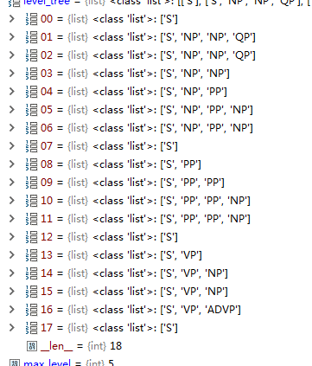
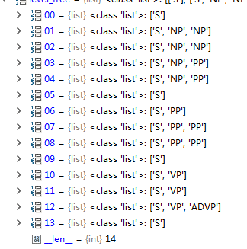
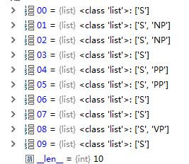
 |  |  |  |  | 0 |  |  |  |  |  | 0 |  |  |  |  | 0
 |  |  |  |  | 1 |  |  |  |  |  | 1 |  |  |  |  | 1
 |  |  |  |  | 0 |  |  |  |  |  | 0 |  |  |  |  | 0
 |  |  |  |  | 0 |  |  |  |  |  | 1 |  |  |  |  | 0
 |  |  |  |  | 0 |  |  |  |  |  | 0 |  |  |  |  | 1
 |  |  |  |  | 1 |  |  |  |  |  | 0 |  |  |  |  | 0
 |  |  |  |  | 0 |  |  |  |  |  | 0 |  |  |  |  | 1
 |  |  |  |  | 0 |  |  |  |  |  | 1 |  |  |  |  | 0
 |  |  |  |  | 0 |  |  |  |  |  | 0 |  |  |  |  | 0
 |  |  |  |  | 0 |  |  |  |  |  | 0 |  |  |  |  | 0
 |  |  |  |  | 1 |  |  |  |  |  | 1
 |  |  |  |  | 0 |  |  |  |  |  | 0
 |  |  |  |  | 0 |  |  |  |  |  | 0
 |  |  |  |  | 0 |  |  |  |  |  | 0
 |  |  |  |  | 1
 |  |  |  |  | 0
 |  |  |  |  | 0
 |  |  |  |  | 0

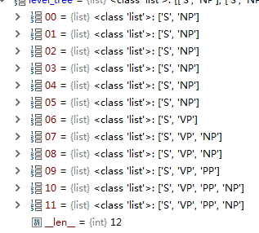
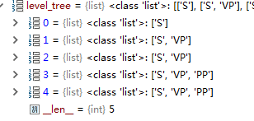
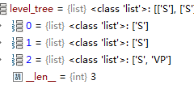
 |  |  |  |  |  |  |  |  |  |  | 0 |  |  |  |  | 1
 |  |  |  |  | 1 |  |  |  |  |  | 1 |  |  |  |  | 1
 |  |  |  |  | 1 |  |  |  |  |  | 0 |  |  |  |  | 0
 |  |  |  |  | 1 |  |  |  |  |  | 1
 |  |  |  |  | 1 |  |  |  |  |  | 0
 |  |  |  |  | 1
 |  |  |  |  | 0
 |  |  |  |  | 0
 |  |  |  |  | 1
 |  |  |  |  | 0
 |  |  |  |  | 0
 |  |  |  |  | 1
 |  |  |  |  | 0

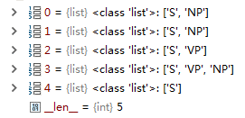
 |  |  |  | 1
 |  |  |  | 0
 |  |  |  | 0
 |  |  |  | 0
 |  |  |  | 0

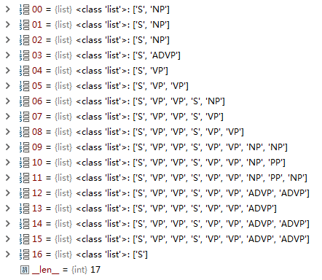
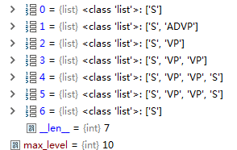
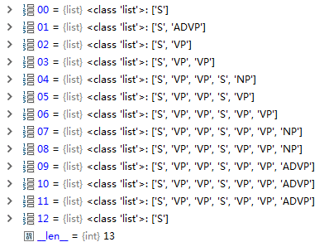
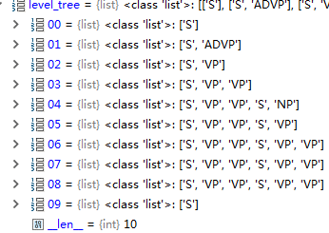
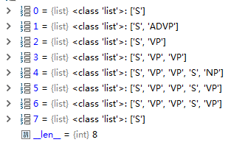
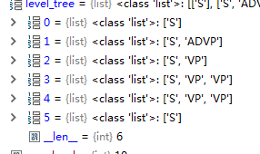
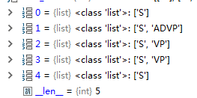
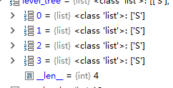
 |  |  |  |  |  |  |  |  |  |  |  |  |  |  |  |  |  |  | 0
 |  |  |  |  |  |  | 1 |  |  |  |  |  | 0 |  |  |  |  |  | 0 |  |  |  |  |  | 0 |  |  |  |  | 0 |  |  |  |  |  |  |  | 0 |  |  | 1
 |  |  |  |  |  |  | 1 |  |  |  |  |  | 0 |  |  |  |  |  | 0 |  |  |  |  |  | 0 |  |  |  |  | 0 |  |  |  | 0 |  |  |  | 0 |  |  | 1
 |  |  |  |  |  |  | 0 |  |  |  |  |  | 0 |  |  |  |  |  | 0 |  |  |  |  |  | 0 |  |  |  |  | 0 |  |  |  | 0 |  |  |  | 1 |  |  | 1
 |  |  |  |  |  |  | 0 |  |  |  |  |  | 0 |  |  |  |  |  | 0 |  |  |  |  |  | 0 |  |  |  |  | 0 |  |  |  | 0 |  |  |  | 0 |  |  | 0
 |  |  |  |  |  |  | 0 |  |  |  |  |  | 0 |  |  |  |  |  | 0 |  |  |  |  |  | 0 |  |  |  |  | 1 |  |  |  | 1 |  |  |  | 0
 |  |  |  |  |  |  | 0 |  |  |  |  |  | 0 |  |  |  |  |  | 1 |  |  |  |  |  | 1 |  |  |  |  | 0 |  |  |  | 0
 |  |  |  |  |  |  | 0 |  |  |  |  |  | 0 |  |  |  |  |  | 1 |  |  |  |  |  | 0 |  |  |  |  | 0 |  |  |  | 0
 |  |  |  |  |  |  | 0 |  |  |  |  |  | 1 |  |  |  |  |  | 0 |  |  |  |  |  | 0
 |  |  |  |  |  |  | 0 |  |  |  |  |  | 0 |  |  |  |  |  | 0
 |  |  |  |  |  |  | 0 |  |  |  |  |  | 1
 |  |  |  |  |  |  | 1 |  |  |  |  |  | 1
 |  |  |  |  |  |  | 0 |  |  |  |  |  | 0
 |  |  |  |  |  |  | 0 |  |  |  |  |  | 0
 |  |  |  |  |  |  | 0
 |  |  |  |  |  |  | 1
 |  |  |  |  |  |  | 0
 |  |  |  |  |  |  | 0

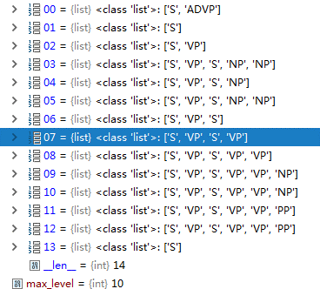
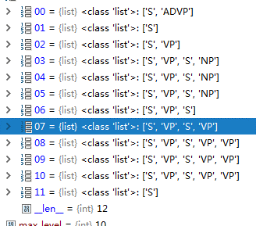
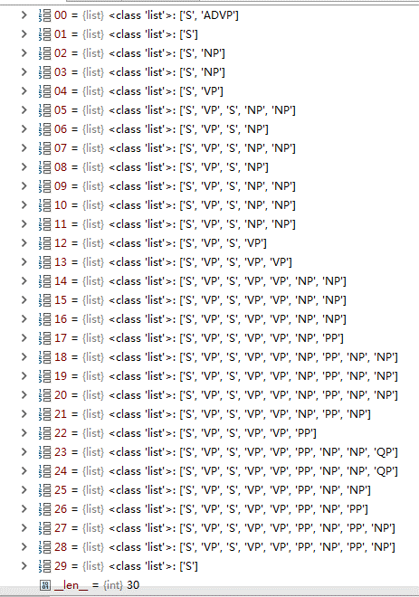
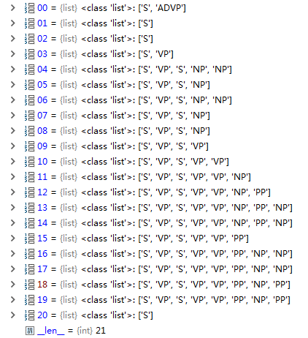
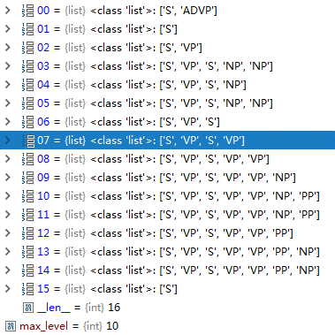
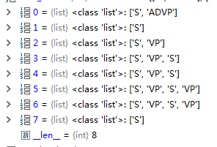
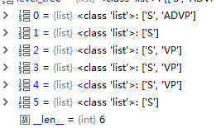
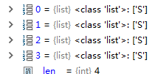
 |  |  |  |  |  |  | 0 |  |  |  |  |  |  | 0 |  |  |  |  |  | 0 |  |  |  |  |  | 0 |  |  |  |  |  | 0 |  |  | 0 |  |  |  | 1 |  |  | 1 | 0
 |  |  |  |  |  |  | 0 |  |  |  |  |  |  | 1 |  |  |  |  |  | 0 |  |  |  |  |  | 0 |  |  |  |  |  | 0 |  |  | 0 |  |  |  | 0 |  |  | 1
 |  |  |  |  |  |  | 1 |  |  |  |  |  |  | 0 |  |  |  |  |  | 0 |  |  |  |  |  | 0 |  |  |  |  |  | 0 |  |  | 0 |  |  |  | 1 |  |  | 1
 |  |  |  |  |  |  | 0 |  |  |  |  |  |  | 0 |  |  |  |  |  | 0 |  |  |  |  |  | 0 |  |  |  |  |  | 1 |  |  | 1 |  |  |  | 1 |  |  | 0
 |  |  |  |  |  |  | 0 |  |  |  |  |  |  | 0 |  |  |  |  |  | 0 |  |  |  |  |  | 0 |  |  |  |  |  | 1 |  |  | 0 |  |  |  | 0
 |  |  |  |  |  |  | 0 |  |  |  |  |  |  | 0 |  |  |  |  |  | 0 |  |  |  |  |  | 0 |  |  |  |  |  | 0 |  |  | 1 |  |  |  | 0
 |  |  |  |  |  |  | 0 |  |  |  |  |  |  | 0 |  |  |  |  |  | 0 |  |  |  |  |  | 0 |  |  |  |  |  | 0 |  |  | 0
 |  |  |  |  |  |  | 0 |  |  |  |  |  |  | 1 |  |  |  |  |  | 0 |  |  |  |  |  | 0 |  |  |  |  |  | 0 |  |  | 0
 |  |  |  |  |  |  | 0 |  |  |  |  |  |  | 0 |  |  |  |  |  | 0 |  |  |  |  |  | 0 |  |  |  |  |  | 1
 |  |  |  |  |  |  | 1 |  |  |  |  |  |  | 0 |  |  |  |  |  | 0 |  |  |  |  |  | 1 |  |  |  |  |  | 1
 |  |  |  |  |  |  | 1 |  |  |  |  |  |  | 0 |  |  |  |  |  | 1 |  |  |  |  |  | 0 |  |  |  |  |  | 0
 |  |  |  |  |  |  | 0 |  |  |  |  |  |  | 0 |  |  |  |  |  | 0 |  |  |  |  |  | 1 |  |  |  |  |  | 0
 |  |  |  |  |  |  | 0 |  |  |  |  |  |  | 0 |  |  |  |  |  | 0 |  |  |  |  |  | 0
 |  |  |  |  |  |  | 0 |  |  |  |  |  |  | 1 |  |  |  |  |  | 1 |  |  |  |  |  | 0
 |  |  |  |  |  |  | 1 |  |  |  |  |  |  | 0 |  |  |  |  |  | 0
 |  |  |  |  |  |  | 1 |  |  |  |  |  |  | 0 |  |  |  |  |  | 0
 |  |  |  |  |  |  | 0 |  |  |  |  |  |  | 1
 |  |  |  |  |  |  | 0 |  |  |  |  |  |  | 0
 |  |  |  |  |  |  | 1 |  |  |  |  |  |  | 1
 |  |  |  |  |  |  | 1 |  |  |  |  |  |  | 0
 |  |  |  |  |  |  | 0 |  |  |  |  |  |  | 0
 |  |  |  |  |  |  | 0
 |  |  |  |  |  |  | 0
 |  |  |  |  |  |  | 1
 |  |  |  |  |  |  | 0
 |  |  |  |  |  |  | 0
 |  |  |  |  |  |  | 0
 |  |  |  |  |  |  | 1
 |  |  |  |  |  |  | 0
 |  |  |  |  |  |  | 0


 |  |  |  |  | 1 | s | 1 | s
 |  |  |  |  | 1 | s | 1
 |  |  |  |  | 0 | s,vp | 1
 |  |  |  |  | 1 | s | 0
 |  |  |  |  | 0
 |  |  |  |  | 1
 |  |  |  |  | 0
 |  |  |  |  | 0









 |  |  |  |  |  |  | 0 |  |  |  |  |  |  |  |  |  |  |  |  |  |  |  |  |  |  |  |  |  |  |  |  |  |  |  |  | 0 | S
 |  |  |  |  |  |  | 1 |  |  |  |  |  |  | 0 |  |  |  |  |  |  | 0 |  |  |  |  |  | 0 |  |  |  |  |  | 1 |  |  | 1 | S
 |  |  |  |  |  |  | 1 |  |  |  |  |  |  | 0 |  |  |  |  |  |  | 0 |  |  |  |  |  | 1 |  |  |  |  |  | 0 |  |  | 0 | S
 |  |  |  |  |  |  | 1 |  |  |  |  |  |  | 0 |  |  |  |  |  |  | 1 |  |  |  |  |  | 0 |  |  |  |  |  | 1 |  |  | 0 | S,NP
 |  |  |  |  |  |  | 0 |  |  |  |  |  |  | 1 |  |  |  |  |  |  | 0 |  |  |  |  |  | 0 |  |  |  |  |  | 1 |  |  | 0 | S
 |  |  |  |  |  |  | 0 |  |  |  |  |  |  | 1 |  |  |  |  |  |  | 0 |  |  |  |  |  | 0 |  |  |  |  |  | 0 |  |  | 0 | S
 |  |  |  |  |  |  | 0 |  |  |  |  |  |  | 0 |  |  |  |  |  |  | 0 |  |  |  |  |  | 0 |  |  |  |  |  | 0 |  |  | 1 | S
 |  |  |  |  |  |  | 1 |  |  |  |  |  |  | 1 |  |  |  |  |  |  | 1 |  |  |  |  |  | 0 |  |  |  |  |  | 0 |  |  | 1
 |  |  |  |  |  |  | 0 |  |  |  |  |  |  | 1 |  |  |  |  |  |  | 1 |  |  |  |  |  | 0 |  |  |  |  |  | 1 |  |  | 0
 |  |  |  |  |  |  | 0 |  |  |  |  |  |  | 0 |  |  |  |  |  |  | 0 |  |  |  |  |  | 0 |  |  |  |  |  | 0 |  |  | 0
 |  |  |  |  |  |  | 0 |  |  |  |  |  |  | 0 |  |  |  |  |  |  | 1 |  |  |  |  |  | 1 |  |  |  |  |  | 0
 |  |  |  |  |  |  | 1 |  |  |  |  |  |  | 0 |  |  |  |  |  |  | 0 |  |  |  |  |  | 0 |  |  |  |  |  | 0
 |  |  |  |  |  |  | 0 |  |  |  |  |  |  | 1 |  |  |  |  |  |  | 0 |  |  |  |  |  | 1 |  |  |  |  |  | 0
 |  |  |  |  |  |  | 1 |  |  |  |  |  |  | 0 |  |  |  |  |  |  | 0 |  |  |  |  |  | 1 |  |  |  |  |  | 0
 |  |  |  |  |  |  | 0 |  |  |  |  |  |  | 1 |  |  |  |  |  |  | 0 |  |  |  |  |  | 0 |  |  |  |  |  | 0
 |  |  |  |  |  |  | 1 |  |  |  |  |  |  | 0 |  |  |  |  |  |  | 0 |  |  |  |  |  | 0
 |  |  |  |  |  |  | 0 |  |  |  |  |  |  | 0 |  |  |  |  |  |  | 0 |  |  |  |  |  | 0
 |  |  |  |  |  |  | 1 |  |  |  |  |  |  | 1 |  |  |  |  |  |  | 1 |  |  |  |  |  | 0
 |  |  |  |  |  |  | 0 |  |  |  |  |  |  | 0 |  |  |  |  |  |  | 0 |  |  |  |  |  | 0
 |  |  |  |  |  |  | 0 |  |  |  |  |  |  | 0 |  |  |  |  |  |  | 0
 |  |  |  |  |  |  | 1 |  |  |  |  |  |  | 0 |  |  |  |  |  |  | 0
 |  |  |  |  |  |  | 0 |  |  |  |  |  |  | 0 |  |  |  |  |  |  | 0
 |  |  |  |  |  |  | 0 |  |  |  |  |  |  | 0 |  |  |  |  |  |  | 1
 |  |  |  |  |  |  | 1 |  |  |  |  |  |  | 0 |  |  |  |  |  |  | 0
 |  |  |  |  |  |  | 0 |  |  |  |  |  |  | 0 |  |  |  |  |  |  | 0
 |  |  |  |  |  |  | 1 |  |  |  |  |  |  | 1
 |  |  |  |  |  |  | 0 |  |  |  |  |  |  | 0
 |  |  |  |  |  |  | 1 |  |  |  |  |  |  | 0
 |  |  |  |  |  |  | 1 |  |  |  |  |  |  | 0
 |  |  |  |  |  |  | 0 |  |  |  |  |  |  | 0
 |  |  |  |  |  |  | 0 |  |  |  |  |  |  | 0
 |  |  |  |  |  |  | 0 |  |  |  |  |  |  | 1
 |  |  |  |  |  |  | 1 |  |  |  |  |  |  | 0
 |  |  |  |  |  |  | 0 |  |  |  |  |  |  | 0
 |  |  |  |  |  |  | 0
 |  |  |  |  |  |  | 0
 |  |  |  |  |  |  | 0
 |  |  |  |  |  |  | 0
 |  |  |  |  |  |  | 0
 |  |  |  |  |  |  | 1
 |  |  |  |  |  |  | 0

 |  |  |  |  |  |  | 0
 |  |  |  |  |  |  | 0
 |  |  |  |  |  |  | 0
 |  |  |  |  |  |  | 0
 |  |  |  |  |  |  | 0
 |  |  |  |  |  |  | 1
 |  |  |  |  |  |  | 0
 |  |  |  |  |  |  | 0



 |  |  |  |  | 1 |  |  |  |  | 0 |  |  |  |  |  | 0 |  |  |  |  | 1 | s
 |  |  |  |  | 1 |  |  |  |  | 0 |  |  |  |  |  | 1 |  |  |  |  | 1
 |  |  |  |  | 0 |  |  |  |  | 1 |  |  |  |  |  | 0 |  |  |  |  | 0
 |  |  |  |  | 0 |  |  |  |  | 0 |  |  |  |  |  | 0
 |  |  |  |  | 0 |  |  |  |  | 0
 |  |  |  |  | 0
 |  |  |  |  | 1
 |  |  |  |  | 0
 |  |  |  |  | 0

