错误
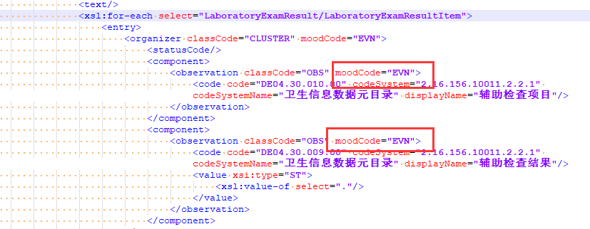
过敏史详细描述 | AllergiesDesc | DE02.10.022.00

下面moodCode = "EVN" 和 字段描述不一致 pdf 描述为 moodCode = "DEF"

