Figures
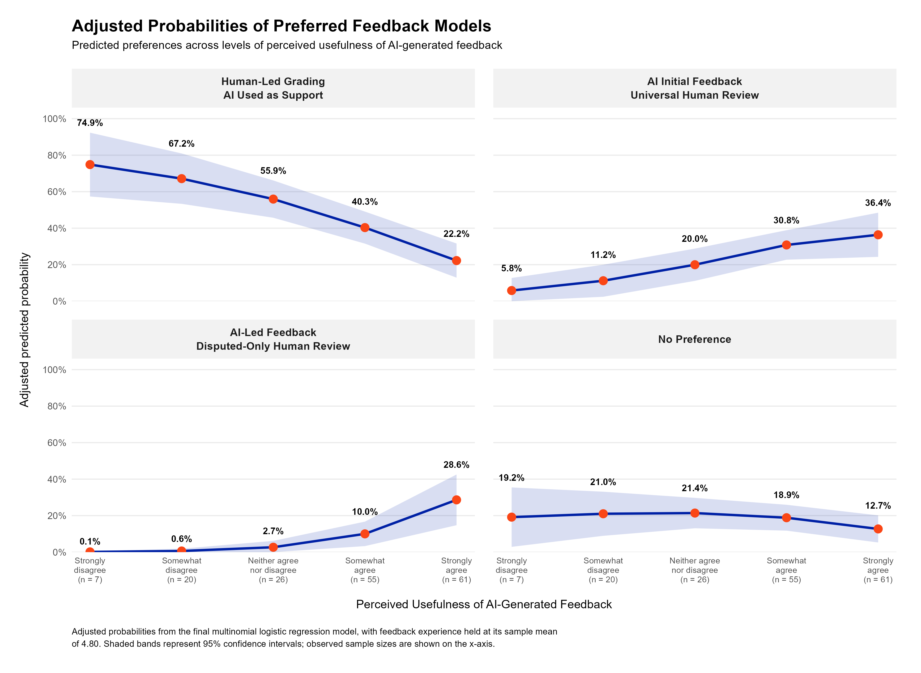
Report-Ready Figures from Phases 4A-4D
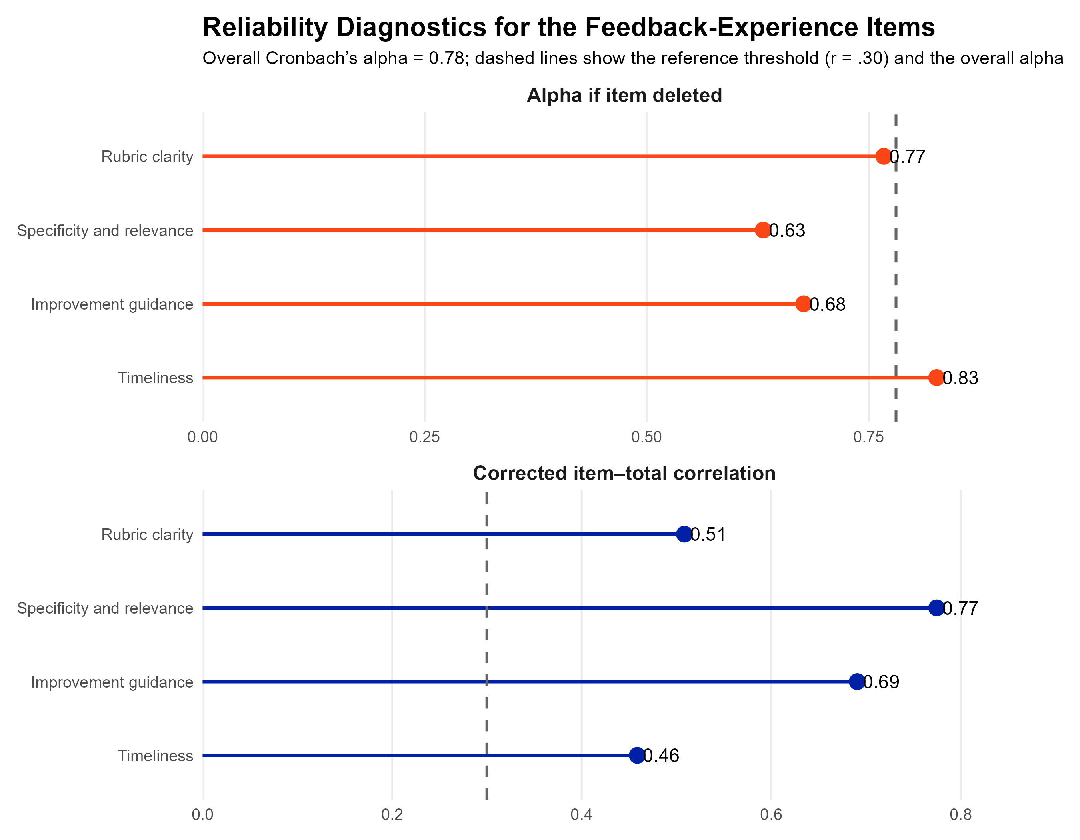
Phase 4A: Feedback-Experience Reliability Diagnostics

Phase 4B: Adjusted AI-Comfort Probability by AI Awareness

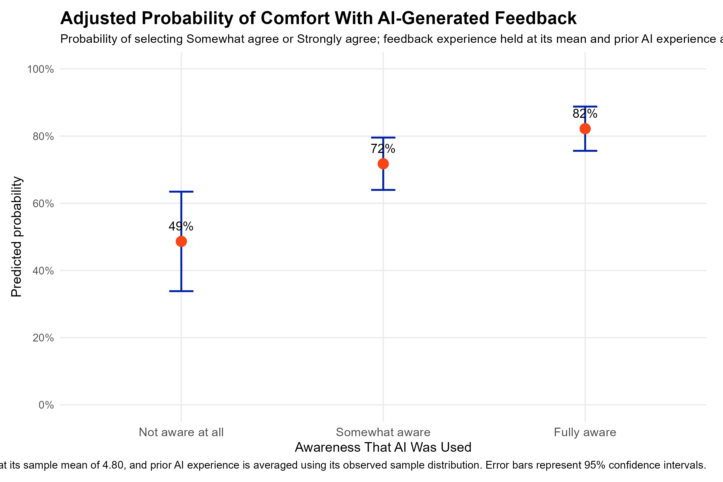

Phase 4C: Adjusted Perceived-Usefulness Probability by AI Comfort

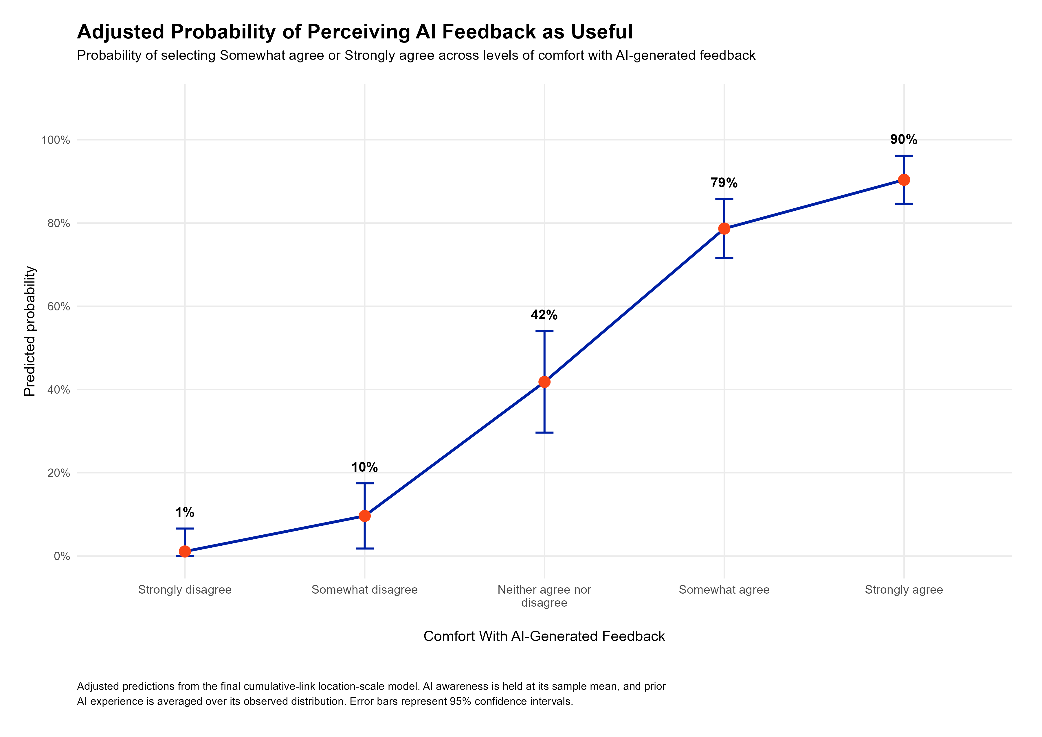

Phase 4D: Adjusted Probabilities of Preferred Feedback Models

