Sheet1
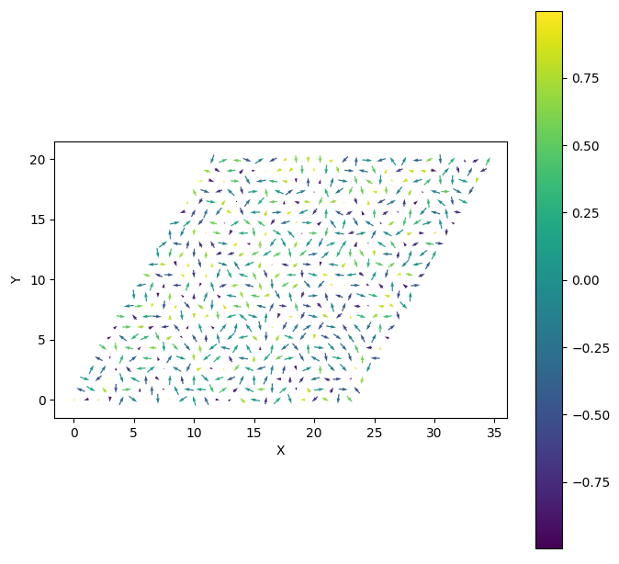
alpha=0.05pi |  | alpha=0.15pi |  | alpha=0.25pi |  | alpha=0.35 |  | alpha=0.45
theta的取值范围 | 对应相图 | theta的取值范围 | 对应相图 | theta的取值范围 | 对应相图 | theta的取值范围 | 对应相图 | theta的取值范围 | 对应相图
0.275pi至0.515pi | 120neel | 0.275pi-0.524pi | 120neel | 0.275pi-0.535pi | 120neel | 0.275pi-0.560pi | 120neel | 0.275pi-0.600pi | 120neel
0.515pi至0.960pi | Stripe-B | 0.524pi-0.958pi | Stripe-B | 0.535pi-0.966pi | Stripe-B | 0.560pi-0.975pi | Stripe-B | 0.600pi-0.990pi | Stripe-B
0.960pi至1.853pi | FM-A | 0.958pi-1.853pi | FM-A | 0.966pi-1.853pi | FM-A | 0.975pi-1.853pi | FM-A | 0.990pi-1.853pi | FM-A
1.853pi至0.275pi | stripe-C | 1.853pi-0.275pi | stripe-C | 1.853pi-0.275pi | stripe-C | 1.853pi-0.275pi | stripe-C | 1.853pi-0.275pi | stripe-C

alpha=0.1pi |  | alpha=0.2pi |  | alpha=0.3pi |  | alpha=0.4 |  | alpha=0.5pi
0.275pi至0.519pi | 120neel | 0.275pi-0.529pi | 120neel | 0.275pi-0.540pi | 120neel | 0.275pi-0.580pi | 120neel | 0.080pi-0.609pi | vortex
0.519pi至0.955pi | Stripe-B | 0.529pi-0.962pi | Stripe-B | 0.540pi-0.970pi | Stripe-B | 0.580pi-0.980pi | Stripe-B | 0.609pi-1.000pi | Stripe-A
0.955pi至1.853pi | FM-A | 0.962pi-1.853pi | FM-A | 0.970pi-1.853pi | FM-A | 0.980pi-1.853pi | FM-A | 1.000pi-1.842pi | FM-B
1.853pi至0.275pi | stripe-C | 1.853pi-0.275pi | stripe-C | 1.853pi-0.275pi | stripe-C | 1.853pi-0.275pi | stripe-C | 1.842pi-1.917pi | dul-vortex
 |  |  |  |  |  |  |  | 1.917pi-0.080pi | Stripe-D

alpha=0.55 |  | alpha=0.65pi |  | alpha=0.75pi |  | alpha=0.85pi |  | alpha=0.95pi
0.275pi至0.628pi | 120neel | 0.943pi-1.875pi | FM-C | 0.922pi-1.883pi | FM-C | 0.915pi-1.889pi | FM-C | 0.900pi-1.920pi | FM-C
0.628pi至0.977pi | Stripe-B | 1.875pi-0.963pi | Stripe-B | 1.883pi-0.922pi | Stripe-B | 1.889pi-0.915pi | Stripe-B | 1.920pi-0.900pi | Stripe-B
0.977pi至1.862pi | FM-C
1.862pi至0.275pi | stripe-B

alpha=0.60 |  | alpha=0.70pi |  | alpha=0.80pi |  | alpha=0.90pi
0.359pi至0.550pi | 120neel | 0.930pi-1.879pi | FM-C | 0.915pi-1.886pi | FM-C | 0.900pi-1.895pi | FM-C
0.550pi至0.977pi | Stripe-B | 1.879pi-0.930pi | Stripe-B | 1.886pi-0.915pi | Stripe-B | 1.895pi-0.900pi | Stripe-B
0.977pi至1.869pi | FM-C
1.869pi至0.359pi | stripe-B

极点位置时
alpha=1.0pi | FM-C
alpha=0.0pi | 为一个乱序态如图

