Sheet1
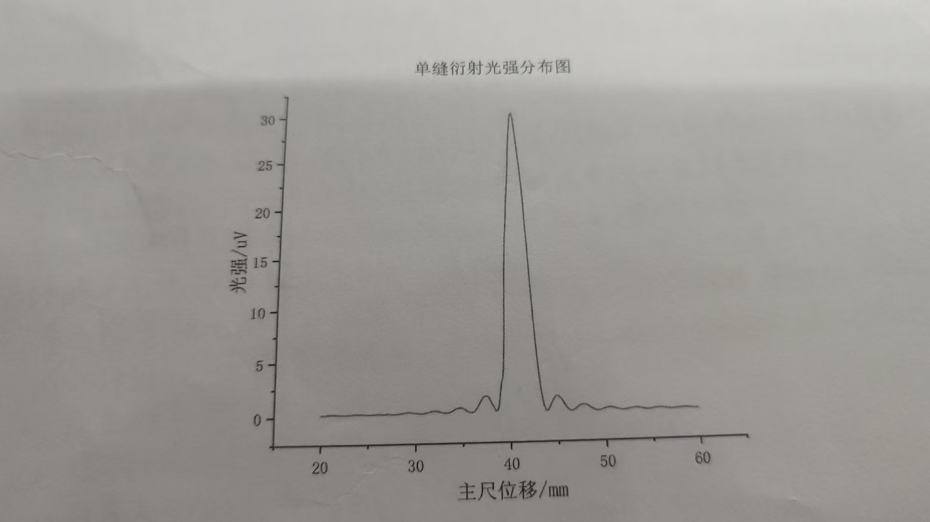
 | 0 | 0.1 | 0.2 | 0.3 | 0.4 | 0.5 | 0.6 | 0.7 | 0.8 | 0.9
20 | 0.17 | 0.17 | 0.17 | 0.17 | 0.17 | 0.18 | 0.18 | 0.19 | 0.19 | 0.2
21 | 0.2 | 0.2 | 0.2 | 0.2 | 0.2 | 0.2 | 0.19 | 0.19 | 0.18 | 0.18
22 | 0.17 | 0.17 | 0.16 | 0.16 | 0.16 | 0.16 | 0.16 | 0.16 | 0.17 | 0.17
23 | 0.18 | 0.18 | 0.19 | 0.2 | 0.2 | 0.21 | 0.21 | 0.21 | 0.21 | 0.21
24 | 0.21 | 0.21 | 0.2 | 0.2 | 0.19 | 0.19 | 0.18 | 0.18 | 0.17 | 0.17
25 | 0.16 | 0.16 | 0.16 | 0.16 | 0.16 | 0.17 | 0.17 | 0.18 | 0.19 | 0.2
26 | 0.2 | 0.21 | 0.22 | 0.22 | 0.23 | 0.23 | 0.23 | 0.23 | 0.23 | 0.22
27 | 0.22 | 0.21 | 0.2 | 0.19 | 0.18 | 0.17 | 0.17 | 0.16 | 0.16 | 0.16
28 | 0.17 | 0.17 | 0.18 | 0.2 | 0.21 | 0.22 | 0.24 | 0.25 | 0.26 | 0.28
29 | 0.29 | 0.3 | 0.3 | 0.31 | 0.3 | 0.3 | 0.29 | 0.27 | 0.26 | 0.25
30 | 0.23 | 0.21 | 0.2 | 0.19 | 0.17 | 0.17 | 0.17 | 0.17 | 0.17 | 0.18
31 | 0.2 | 0.22 | 0.24 | 0.26 | 0.29 | 0.31 | 0.33 | 0.35 | 0.36 | 0.38
32 | 0.39 | 0.38 | 0.37 | 0.36 | 0.34 | 0.32 | 0.1 | 0.27 | 0.24 | 0.22
33 | 0.2 | 0.19 | 0.18 | 0.18 | 0.18 | 0.2 | 0.22 | 0.26 | 0.3 | 0.34
34 | 0.39 | 0.49 | 0.5 | 0.54 | 0.58 | 0.61 | 0.63 | 0.63 | 0.63 | 0.61
35 | 0.59 | 0.55 | 0.49 | 0.43 | 0.37 | 0.31 | 0.26 | 0.22 | 0.19 | 0.18
36 | 0.19 | 0.22 | 0.27 | 0.35 | 0.46 | 0.59 | 0.74 | 0.89 | 1.03 | 1.17
37 | 1.32 | 1.47 | 1.58 | 1.63 | 1.64 | 1.64 | 1.65 | 1.62 | 1.47 | 1.26
38 | 1.06 | 0.91 | 0.8 | 0.64 | 0.46 | 0.32 | 0.29 | 0.36 | 0.65 | 1.09
39 | 1.84 | 2.58 | 3.02 | 3.37 | 4.12 | 5.69 | 7.89 | 10.45 | 13.01 | 15.06
40 | 16.82 | 18.05 | 19.06 | 20.7 | 21.8 | 23 | 24.4 | 26 | 27.2 | 28.3
41 | 29.2 | 29.9 | 30.1 | 30 | 29.5 | 28.7 | 27.7 | 26.5 | 25.5 | 24.5
42 | 23.4 | 22.2 | 20.8 | 18.42 | 16.52 | 14.49 | 12.31 | 10.3 | 8.49 | 6.89
43 | 5.44 | 4.18 | 3.13 | 2.28 | 1.6 | 1.07 | 0.7 | 0.42 | 0.28 | 0.24
44 | 0.29 | 0.41 | 0.57 | 0.77 | 0.92 | 1.09 | 1.25 | 1.38 | 1.48 | 1.54
45 | 1.57 | 1.55 | 1.49 | 1.4 | 1.29 | 1.17 | 1.03 | 0.88 | 0.74 | 0.61
46 | 0.48 | 0.38 | 0.29 | 0.24 | 0.2 | 0.19 | 0.2 | 0.23 | 0.28 | 0.33
47 | 0.4 | 0.48 | 0.55 | 0.61 | 0.66 | 0.7 | 0.73 | 0.75 | 0.75 | 0.74
48 | 0.71 | 0.68 | 0.62 | 0.57 | 0.51 | 0.45 | 0.4 | 0.34 | 0.29 | 0.24
49 | 0.21 | 0.18 | 0.17 | 0.17 | 0.18 | 0.19 | 0.21 | 0.24 | 0.27 | 0.3
50 | 0.33 | 0.36 | 0.38 | 0.4 | 0.41 | 0.42 | 0.42 | 0.41 | 0.4 | 0.38
51 | 0.35 | 0.33 | 0.3 | 0.27 | 0.24 | 0.22 | 0.21 | 0.18 | 0.17 | 0.16
52 | 0.16 | 0.17 | 0.18 | 0.19 | 0.21 | 0.23 | 0.25 | 0.27 | 0.29 | 0.3
53 | 0.32 | 0.32 | 0.33 | 0.33 | 0.32 | 0.31 | 0.3 | 0.28 | 0.27 | 0.25
54 | 0.23 | 0.22 | 0.2 | 0.19 | 0.17 | 0.17 | 0.16 | 0.17 | 0.17 | 0.18
55 | 0.19 | 0.21 | 0.22 | 0.24 | 0.27 | 0.27 | 0.28 | 0.29 | 0.29 | 0.29
56 | 0.29 | 0.28 | 0.27 | 0.26 | 0.25 | 0.23 | 0.22 | 0.2 | 0.19 | 0.18
57 | 0.17 | 0.16 | 0.16 | 0.16 | 0.17 | 0.18 | 0.18 | 0.2 | 0.21 | 0.22
58 | 0.23 | 0.24 | 0.24 | 0.25 | 0.25 | 0.25 | 0.25 | 0.25 | 0.24 | 0.23
59 | 0.22 | 0.21 | 0.2 | 0.19 | 0.18 | 0.17 | 0.16 | 0.16 | 0.16 | 0.16
60 | 0.16

