Sheet1
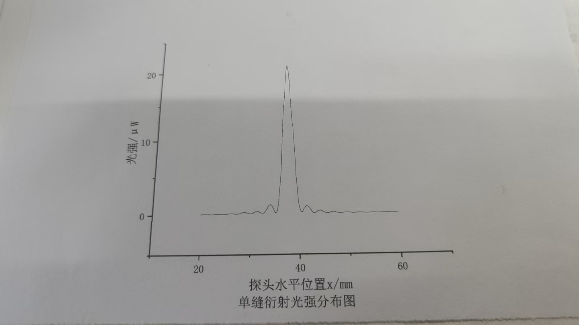
 | 0 | 0.1 | 0.2 | 0.3 | 0.4 | 0.5 | 0.6 | 0.7 | 0.8 | 0.9
20 | 0.09 | 0.1 | 0.1 | 0.1 | 0.1 | 0.11 | 0.11 | 0.11 | 0.11 | 0.11
21 | 0.12 | 0.12 | 0.11 | 0.11 | 0.1 | 0.1 | 0.08 | 0.08 | 0.07 | 0.07
22 | 0.07 | 0.07 | 0.07 | 0.07 | 0.08 | 0.08 | 0.09 | 0.1 | 0.11 | 0.11
23 | 0.12 | 0.13 | 0.13 | 0.14 | 0.14 | 0.13 | 0.13 | 0.13 | 0.13 | 0.12
24 | 0.11 | 0.11 | 0.1 | 0.09 | 0.09 | 0.08 | 0.08 | 0.08 | 0.09 | 0.09
25 | 0.1 | 0.11 | 0.12 | 0.13 | 0.13 | 0.15 | 0.17 | 0.18 | 0.18 | 0.19
26 | 0.19 | 0.19 | 0.19 | 0.18 | 0.18 | 0.17 | 0.15 | 0.14 | 0.13 | 0.11
27 | 0.1 | 0.09 | 0.09 | 0.09 | 0.09 | 0.1 | 0.11 | 0.13 | 0.15 | 0.17
28 | 0.2 | 0.21 | 0.22 | 0.25 | 0.26 | 0.28 | 0.29 | 0.3 | 0.29 | 0.29
29 | 0.28 | 0.26 | 0.24 | 0.23 | 0.2 | 0.18 | 0.15 | 0.13 | 0.12 | 0.1
30 | 0.1 | 0.11 | 0.12 | 0.13 | 0.15 | 0.18 | 0.22 | 0.25 | 0.28 | 0.32
31 | 0.35 | 0.37 | 0.39 | 0.4 | 0.4 | 0.4 | 0.38 | 0.35 | 0.33 | 0.29
32 | 0.25 | 0.22 | 0.2 | 0.18 | 0.15 | 0.15 | 0.16 | 0.18 | 0.22 | 0.29
33 | 0.36 | 0.45 | 0.51 | 0.61 | 0.72 | 0.85 | 0.98 | 1.08 | 1.16 | 1.21
34 | 1.24 | 1.24 | 1.23 | 1.19 | 1.12 | 0.99 | 0.85 | 0.71 | 0.56 | 0.41
35 | 0.3 | 0.25 | 0.23 | 0.24 | 0.32 | 0.52 | 0.83 | 1.21 | 1.72 | 2.62
36 | 3.3 | 3.94 | 4.59 | 5.42 | 6.73 | 8.58 | 10.37 | 11.64 | 12.7 | 13.77
37 | 14.75 | 15.5 | 16.28 | 17.23 | 18.06 | 19.5 | 20.3 | 20.8 | 21 | 20.9
38 | 20.6 | 20.1 | 19.41 | 18.54 | 17.31 | 16 | 14.66 | 13.77 | 12.95 | 11.96
39 | 10.96 | 9.76 | 8.73 | 7.1 | 5.64 | 4.46 | 3.72 | 2.99 | 2.1 | 1.41
40 | 1 | 0.76 | 0.56 | 0.41 | 0.26 | 0.22 | 0.28 | 0.36 | 0.45 | 0.58
41 | 0.71 | 0.81 | 0.87 | 0.95 | 1.02 | 1.04 | 1.05 | 1.03 | 0.98 | 0.91
42 | 0.83 | 0.75 | 0.68 | 0.6 | 0.49 | 0.38 | 0.29 | 0.23 | 0.18 | 0.15
43 | 0.13 | 0.14 | 0.15 | 0.16 | 0.19 | 0.24 | 0.28 | 0.32 | 0.36 | 0.4
44 | 0.42 | 0.43 | 0.44 | 0.44 | 0.43 | 0.41 | 0.38 | 0.35 | 0.31 | 0.27
45 | 0.23 | 0.2 | 0.18 | 0.15 | 0.13 | 0.1 | 0.1 | 0.09 | 0.1 | 0.11
46 | 0.13 | 0.14 | 0.15 | 0.17 | 0.2 | 0.22 | 0.24 | 0.25 | 0.26 | 0.26
47 | 0.26 | 0.25 | 0.24 | 0.23 | 0.21 | 0.19 | 0.17 | 0.15 | 0.13 | 0.12
48 | 0.1 | 0.1 | 0.09 | 0.08 | 0.08 | 0.09 | 0.1 | 0.11 | 0.12 | 0.13
49 | 0.15 | 0.16 | 0.17 | 0.18 | 0.18 | 0.19 | 0.19 | 0.19 | 0.18 | 0.18
50 | 0.17 | 0.16 | 0.15 | 0.14 | 0.13 | 0.12 | 0.1 | 0.1 | 0.09 | 0.09
51 | 0.08 | 0.09 | 0.09 | 0.09 | 0.1 | 0.1 | 0.11 | 0.12 | 0.12 | 0.13
52 | 0.13 | 0.14 | 0.14 | 0.14 | 0.14 | 0.14 | 0.13 | 0.12 | 0.12 | 0.11
53 | 0.1 | 0.1 | 0.09 | 0.09 | 0.08 | 0.08 | 0.08 | 0.08 | 0.09 | 0.09
54 | 0.09 | 0.09 | 0.09 | 0.1 | 0.1 | 0.11 | 0.11 | 0.11 | 0.11 | 0.11
55 | 0.11 | 0.11 | 0.1 | 0.1 | 0.1 | 0.09 | 0.09 | 0.09 | 0.08 | 0.08
56 | 0.08 | 0.08 | 0.08 | 0.08 | 0.08 | 0.08 | 0.09 | 0.09 | 0.1 | 0.1
57 | 0.1 | 0.1 | 0.11 | 0.11 | 0.11 | 0.11 | 0.11 | 0.11 | 0.1 | 0.1
58 | 0.1 | 0.1 | 0.09 | 0.09 | 0.09 | 0.08 | 0.08 | 0.08 | 0.08 | 0.08
59 | 0.08 | 0.08 | 0.09 | 0.09 | 0.1 | 0.1 | 0.1 | 0.1 | 0.1 | 0.11
60 | 0.1 |  |  |  |  |  |  | ——— | ———

