Sheet1
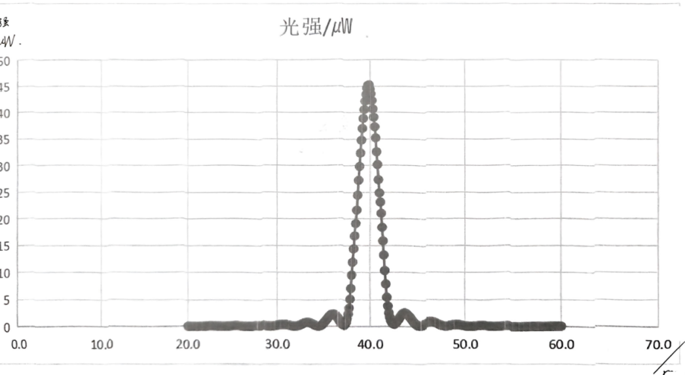
 | 0.00 | 0.10 | 0.20 | 0.30 | 0.40 | 0.50 | 0.60 | 0.70 | 0.80 | 0.90
20.00 | 0.15 | 0.14 | 0.14 | 0.13 | 0.12 | 0.11 | 0.10 | 0.09 | 0.09 | 0.09
21.00 | 0.08 | 0.08 | 0.08 | 0.08 | 0.08 | 0.08 | 0.09 | 0.10 | 0.11 | 0.12
22.00 | 0.14 | 0.15 | 0.16 | 0.17 | 0.19 | 0.20 | 0.20 | 0.19 | 0.19 | 0.19
23.00 | 0.19 | 0.17 | 0.17 | 0.15 | 0.14 | 0.12 | 0.11 | 0.10 | 0.09 | 0.08
24.00 | 0.08 | 0.08 | 0.09 | 0.10 | 0.10 | 0.12 | 0.13 | 0.15 | 0.17 | 0.18
25.00 | 0.19 | 0.21 | 0.22 | 0.23 | 0.24 | 0.23 | 0.22 | 0.21 | 0.20 | 0.18
26.00 | 0.17 | 0.15 | 0.13 | 0.12 | 0.10 | 0.09 | 0.09 | 0.08 | 0.09 | 0.10 | .
27.00 | 0.11 | 0.13 | 0.15 | 0.17 | 0.19 | 0.22 | 0.24 | 0.26 | 0.28 | 0.29
28.00 | 0.29 | 0.29 | 0.29 | 0.28 | 0.26 | 0.24 | 0.22 | 0.19 | 0.16 | 0.14
29.00 | 0.11 | 0.10 | 0.09 | 0.09 | 0.10 | 0.11 | 0.13 | 0.16 | 0.19 | 0.23
30.00 | 0.27 | 0.31 | 0.35 | 0.38 | 0.41 | 0.43 | 0.44 | 0.44 | 0.43 | 0.42
31.00 | 0.39 | 0.36 | 0.32 | 0.28 | 0.24 | 0.20 | 0.16 | 0.13 | 0.11 | 0.11
32.00 | 0.12 | 0.14 | 0.18 | 0.22 | 0.27 | 0.33 | 0.41 | 0.49 | 0.58 | 0.66
33.00 | 0.72 | 0.76 | 0.79 | 0.80 | 0.80 | 0.78 | 0.74 | 0.66 | 0.59 | 0.50
34.00 | 0.41 | 0.33 | 0.25 | 0.19 | 0.15 | 0.13 | 0.14 | 0.22 | 0.28 | 0.40
35.00 | 0.55 | 0.76 | 0.97 | 1.17 | 1.39 | 1.60 | 1.82 | 2.02 | 2.19 | 2.33
36.00 | 2.38 | 2.37 | 2.31 | 2.19 | 2.03 | 1.82 | 1.58 | 1.32 | 0.98 | 0.70
37.00 | 0.48 | 0.32 | 0.29 | 0.37 | 0.60 | 0.96 | 1.51 | 2.40 | 3.52 | 5.17
38.00 | 7.14 | 9.59 | 11.95 | 14.40 | 16.80 | 19.13 | 21.70 | 24.50 | 27.30 | 29.90
39.00 | 32.40 | 34.80 | 37.00 | 38.90 | 40.60 | 42.20 | 43.50 | 44.70 | 45.20 | 45.30
40.00 | 44.50 | 43.60 | 42.30 | 40.70 | 39.10 | 37.30 | 35.20 | 32.60 | 30.20 | 27.40
41.00 | 24.90 | 23.20 | 21.10 | 18.45 | 15.90 | 13.27 | 10.40 | 7.92 | 5.50 | 3.90
42.00 | 2.61 | 1.81 | 1.22 | 0.86 | 0.61 | 0.49 | 0.49 | 0.65 | 0.87 | 1.10
43.00 | 1.34 | 1.60 | 1.87 | 2.14 | 2.36 | 2.51 | 2.59 | 2.60 | 2.53 | 2.38
44.00 | 2.19 | 2.03 | 1.85 | 1.63 | 1.36 | 1.12 | 0.90 | 0.72 | 0.55 | 0.40
45.00 | 0.29 | 0.23 | 0.21 | 0.23 | 0.27 | 0.33 | 0.41 | 0.49 | 0.58 | 0.68
46.00 | 0.76 | 0.84 | 0.90 | 0.94 | 0.94 | 0.93 | 0.89 | 0.85 | 0.79 | 0.73
47.00 | 0.64 | 0.56 | 0.46 | 0.39 | 0.33 | 0.27 | 0.21 | 0.18 | 0.16 | 0.15
48.00 | 0.15 | 0.16 | 0.19 | 0.23 | 0.27 | 0.30 | 0.33 | 0.37 | 0.39 | 0.40
49.00 | 0.42 | 0.42 | 0.41 | 0.39 | 0.37 | 0.34 | 0.31 | 0.27 | 0.23 | 0.18
50.00 | 0.16 | 0.13 | 0.10 | 0.09 | 0.08 | 0.08 | 0.09 | 0.10 | 0.11 | 0.13
51.00 | 0.16 | 0.17 | 0.20 | 0.22 | 0.23 | 0.25 | 0.25 | 0.26 | 0.25 | 0.24
52.00 | 0.22 | 0.21 | 0.19 | 0.17 | 0.16 | 0.14 | 0.12 | 0.10 | 0.09 | 0.08
53.00 | 0.08 | 0.08 | 0.08 | 0.09 | 0.10 | 0.12 | 0.13 | 0.15 | 0.16 | 0.18
54.00 | 0.19 | 0.20 | 0.20 | 0.21 | 0.20 | 0.20 | 0.19 | 0.18 | 0.17 | 0.16
55.00 | 0.14 | 0.13 | 0.11 | 0.09 | 0.09 | 0.08 | 0.07 | 0.07 | 0.07 | 0.08
56.00 | 0.09 | 0.09 | 0.10 | 0.11 | 0.12 | 0.14 | 0.15 | 0.16 | 0.16 | 0.16
57.00 | 0.17 | 0.17 | 0.16 | 0.15 | 0.14 | 0.13 | 0.12 | 0.11 | 0.10 | 0.09
58.00 | 0.08 | 0.07 | 0.07 | 0.07 | 0.07 | 0.08 | 0.08 | 0.09 | 0.09 | 0.11
59.00 | 0.12 | 0.13 | 0.14 | 0.15 | 0.15 | 0.16 | 0.16 | 0.16 | 0.16 | 0.15
60.00 | 0.14 | ———

