Sheet1
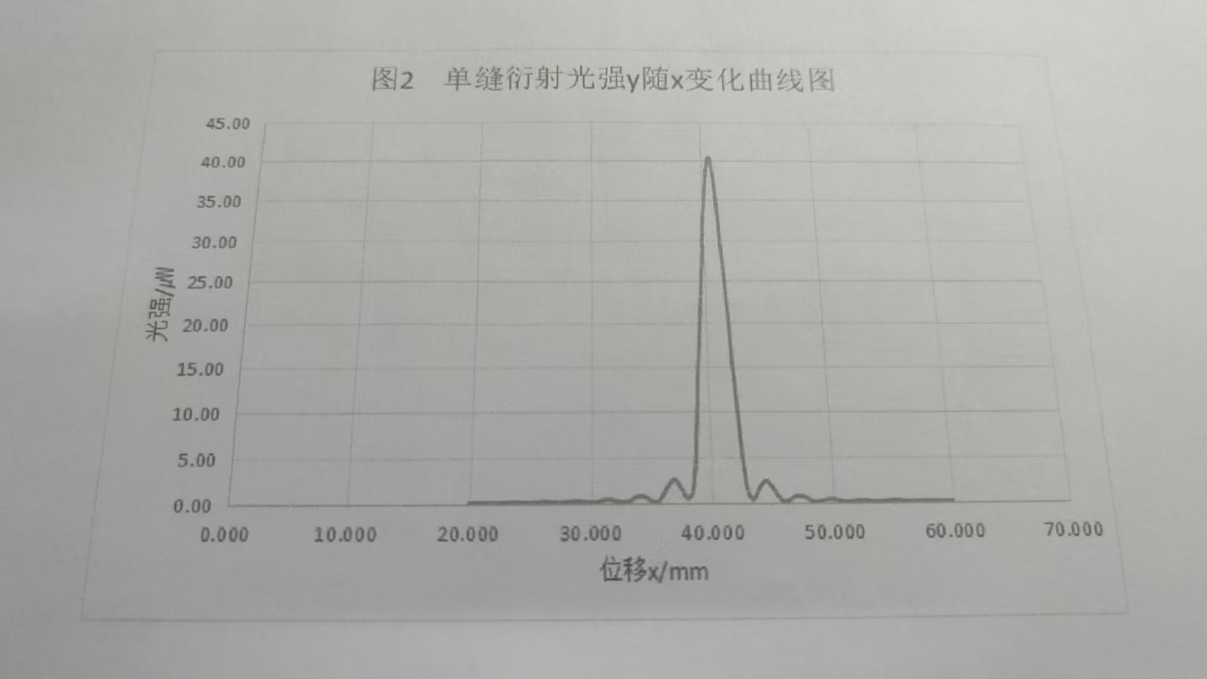
 | 0 | 0.1 | 0.2 | 0.3 | 0.4 | 0.5 | 0.6 | 0.7 | 0.8 | 0.9
20 | 0.16 | 0.16 | 0.17 | 0.17 | 0.18 | 0.18 | 0.18 | 0.19 | 0.19 | 0.19
21 | 0.19 | 0.18 | 0.18 | 0.17 | 0.16 | 0.15 | 0.14 | 0.13 | 0.12 | 0.11
22 | 0.1 | 0.1 | 0.1 | 0.1 | 0.11 | 0.11 | 0.12 | 0.13 | 0.14 | 0.15
23 | 0.17 | 0.18 | 0.19 | 0.2 | 0.2 | 0.21 | 0.21 | 0.21 | 0.2 | 0.19
24 | 0.18 | 0.17 | 0.16 | 0.15 | 0.14 | 0.13 | 0.12 | 0.11 | 0.1 | 0.1
25 | 0.1 | 0.11 | 0.12 | 0.13 | 0.14 | 0.15 | 0.17 | 0.18 | 0.2 | 0.21
26 | 0.22 | 0.23 | 0.23 | 0.22 | 0.22 | 0.21 | 0.2 | 0.19 | 0.17 | 0.16
27 | 0.15 | 0.13 | 0.12 | 0.11 | 0.1 | 0.11 | 0.12 | 0.12 | 0.13 | 0.15
28 | 0.17 | 0.18 | 0.2 | 0.22 | 0.24 | 0.26 | 0.28 | 0.29 | 0.29 | 0.29
29 | 0.28 | 0.27 | 0.26 | 0.24 | 0.23 | 0.2 | 0.17 | 0.15 | 0.13 | 0.12
30 | 0.11 | 0.11 | 0.12 | 0.13 | 0.15 | 0.18 | 0.2 | 0.25 | 0.3 | 0.34
31 | 0.38 | 0.41 | 0.44 | 0.45 | 0.45 | 6.45 | 0.44 | 0.43 | 0.39 | 0.36
32 | 0.33 | 0.29 | 0.25 | 0.2 | 0.18 | 0.15 | 0.13 | 0.12 | 0.13 | 0.15
33 | 0.18 | 0.23 | 0.29 | 0.34 | 0.43 | 0.51 | 0.59 | 0.67 | 0.73 | 0.77
34 | 0.79 | 0.8 | 0.78 | 0.76 | 0.72 | 0.68 | 0.62 | 0.53 | 0.45 | 0.35
35 | 0.28 | 0.22 | 0.18 | 0.16 | 0.17 | 0.21 | 0.29 | 0.4 | 0.57 | 0.75
36 | 0.94 | 1.21 | 1.43 | 1.63 | 1.83 | 2.02 | 2.18 | 2.34 | 2.43 | 2.51
37 | 2.48 | 2.35 | 2.14 | 1.95 | 1.71 | 1.49 | 1.28 | 1.03 | 0.8 | 0.61
38 | 0.52 | 0.55 | 0.68 | 0.85 | 1.2 | 1.83 | 2.81 | 4.37 | 6.42 | 8.65
39 | 10.83 | 13.25 | 15.12 | 17.3 | 19.41 | 21.3 | 23.5 | 25.5 | 27.5 | 30
40 | 32.7 | 34.2 | 35.9 | 37.2 | 38.7 | 39.5 | 40.2 | 40.4 | 40.2 | 39.3
41 | 38 | 36.6 | 35 | 33.2 | 31 | 28.8 | 26.8 | 25 | 22.3 | 20.2
42 | 17.73 | 15.35 | 13.5 | 11.23 | 9.17 | 7.04 | 5.13 | 3.5 | 2.24 | 1.46
43 | 1 | 0.8 | 0.59 | 0.48 | 0.45 | 0.58 | 0.8 | 1.07 | 1.37 | 1.63
44 | 1.85 | 2 | 2.17 | 2.3 | 2.35 | 2.39 | 2.32 | 2.18 | 2.02 | 1.88
45 | 1.61 | 1.45 | 1.22 | 1 | 0.8 | 0.66 | 0.5 | 0.38 | 0.27 | 0.23
46 | 0.21 | 0.23 | 0.26 | 0.31 | 0.41 | 0.48 | 0.56 | 0.64 | 0.72 | 0.77
47 | 0.79 | 0.8 | 0.8 | 0.79 | 0.76 | 0.71 | 0.65 | 0.6 | 0.52 | 0.54
48 | 0.36 | 0.31 | 0.26 | 0.21 | 0.18 | 0.16 | 0.15 | 0.15 | 0.17 | 0.2
49 | 0.25 | 0:28:00 | 0.32 | 0.36 | 0.4 | 0.42 | 0.44 | 0.47 | 0.47 | 0.46
50 | 0.44 | 0.41 | 0.39 | 0.36 | 0.32 | 0.28 | 0.24 | 0.21 | 0.18 | 0.15
51 | 0.13 | 0.12 | 0.12 | 0.12 | 0.13 | 0.14 | 0.15 | 0.17 | 0.2 | 0.23
52 | 0.26 | 0.27 | 0.28 | 0.3 | 0.31 | 0.31 | 0.3 | 0.28 | 0.26 | 0.24
53 | 0.21 | 0.2 | 0.18 | 0.16 | 0.14 | 0.13 | 0.12 | 0.12 | 0.12 | 0.13
54 | 0.14 | 0.14 | 0.16 | 0.17 | 0.19 | 0.21 | 0.23 | 0.25 | 0.27 | 0.28
55 | 0.29 | 0.29 | 0.29 | 0.29 | 0.29 | 0.28 | 0.26 | 0.23 | 0.2 | 0.18
56 | 0.17 | 0.15 | 0.14 | 0.13 | 0.12 | 0.12 | 0.11 | 0.12 | 0.12 | 0.14
57 | 0.15 | 0.16 | 0.17 | 0.18 | 0.19 | 0.2 | 0.21 | 0.21 | 0.22 | 0.21
58 | 0.21 | 0.2 | 0.2 | 0.19 | 0.18 | 0.17 | 0.15 | 0.14 | 0.13 | 0.13
59 | 0.12 | 0.12 | 0.11 | 0.12 | 0.12 | 0.12 | 0.13 | 0.14 | 0.15 | 0.16
60 | 0.17 | ——— |  |  |  |  |  |  | - | ———

