Sheet1
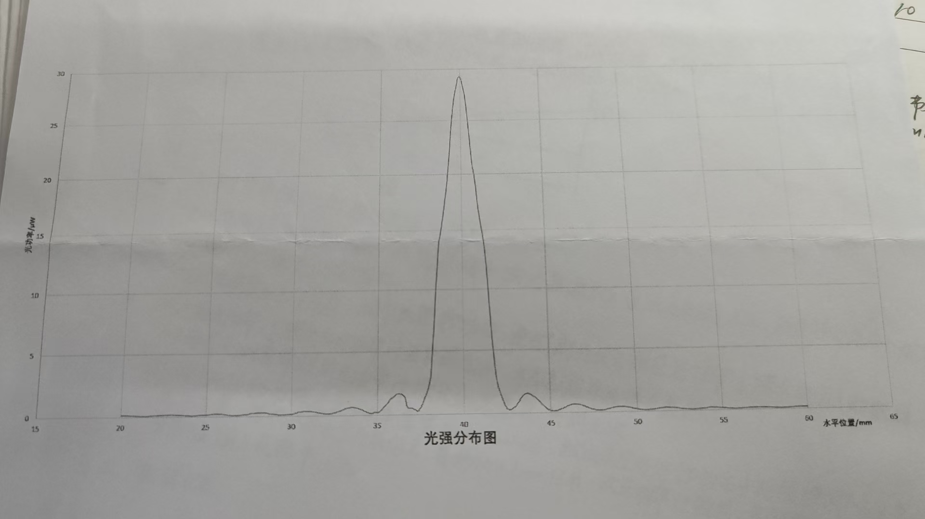
 | 0.00 | 0.10 | 0.20 | 0.30 | 0.40 | 0.50 | 0.60 | 0.70 | 0.80 | 0.90
20.00 | 0.15 | 0.14 | 0.14 | 0.14 | 0.14 | 0.13 | 0.12 | 0.12 | 0.11 | 0.10
21.00 | 0.10 | 0.09 | 0.08 | 0.09 | 0.08 | 0.09 | 0.09 | 0.11 | 0.11 | 0.12
22.00 | 0.12 | 0.12 | 0.13 | 0.14 | 0.15 | 0.16 | 0.17 | 0.17 | 0.28 | 0.18
23.00 | 0.18 | 0.17 | 0.17 | 0.16 | 0.15 | 0.14 | 0.14 | 0.12 | 0.11 | 0.11
24.00 | 0.10 | 0.09 | 0.09 | 0.10 | 0.10 | 0.11 | 0.14 | 0.14 | 0.15 | 0.15
25.00 | 0.16 | 0.17 | 0.18 | 0.19 | 0.20 | 0.21 | 0.21 | 0.21 | 0.20 | 0.20
26.00 | 0.19 | 0.18 | 0.15 | 0.11 | 0.11 | 0.09 | 0.09 | 0.10 | 0.10 | 0.10
27.00 | 0.ll | 0.12 | 0.15 | 0.15 | 0.16 | 0.18 | 0.24 | 0.25 | 0.25 | 0.27
28.00 | 0.28 | 0.28 | 0.28 | 0.29 | 0.28 | 0.27 | 0.25 | 0.19 | 0.19 | 0.18
29.00 | 0.17 | 0.15 | 0.11 | 0.10 | 0.11 | 0.11 | 0.11 | 0.12 | 0.13 | 0.14
30.00 | 0.50 | 0.18 | 0.22 | 0.25 | 0.33 | 0.33 | 0.34 | 0.37 | 0.37 | 0.36
31.00 | 0.36 | 0.36 | 0.34 | 0.32 | 0.30 | 0.27 | 0.23 | 0.21 | 0.19 | 0.17
32.00 | 0.16 | 0.15 | 0.16 | 0.17 | 0.19 | 0.22 | 0.26 | 0.31 | 0.35 | 0.40
33.00 | 0.46 | 0.50 | 0.58 | 0.60 | 0.61 | 0.64 | 0.63 | 0.61 | 0.58 | 0.54
34.00 | 0.47 | 0.44 | 0.37 | 0.30 | 0.23 | 0.19 | 0.14 | 0.13 | 0.21 | 0.21
35.00 | 0.21 | 6.23 | 0.34 | 0.48 | 0.67 | 0.77 | 0.92 | 1.15 | 1.28 | 1.38
36.00 | 1.48 | 1.60 | 1.65 | 1.63 | 1.61 | 1.51 | 1.35 | 0.69 | 0.51 | 0.51
37.00 | 0.51 | 0.45 | 0.37 | 0.28 | 0.30 | 0.53 | 0.76 | 1.12 | 1.45 | 1.81
38.00 | 2.34 | 3.03 | 5.07 | 7.00 | 9.72 | 11.67 | 13.83 | 14.59 | 15.56 | 16.54
39.00 | 17.67 | 18.76 | 20.30 | 21.80 | 23.80 | 25.40 | 26.70 | 27.60 | 28.30 | 29.10
40.00 | 29.20 | 28.90 | 28.20 | 27.50 | 26.20 | 24.60 | 22.80 | 21.00 | 20.10 | 18.21
41.00 | 17.25 | 16.15 | 15.18 | 14.28 | 12.87 | 10.99 | 8.54 | 6.83 | 4.58 | 3.06
42.00 | 2.22 | 1.74 | 1.32 | 0.95 | 0.60 | 0.38 | 0.27 | 0.28 | 0.34 | 0.43
43.00 | 0.54 | 0.70 | 0.90 | 1.11 | 1.33 | 1.46 | 1.52 | 1.54 | 1.50 | 1.43
44.00 | 1.33 | 1.25 | 1.13 | 0.99 | 0.85 | 0.69 | 0.56 | 0.45 | 0.33 | 0.24
45.00 | 0.18 | 0.15 | 0.13 | 0.14 | 0.17 | 0.22 | 0.27 | 0.32 | 0.38 | 0.45
46.00 | 0.52 | 0.56 | 0.62 | 0.64 | 0.65 | 0.64 | 0.62 | 0.61 | 0.57 | 0.51
47.00 | 0.47 | 0.37 | 0.35 | 0.29 | 0.24 | 0.21 | 0.17 | 0.15 | 0.14 | 0.15
48.00 | 0.16 | 0.17 | 0.19 | 0.23 | 0.26 | 0.30 | 0.33 | 0.36 | 0.38 | 0.40
49.00 | 0.41 | 0.41 | 0.40 | 0.39 | 0.37 | 0.35 | 0.32 | 0.28 | 0.25 | 0.22
50.00 | 0.20 | 0.17 | 0.14 | 0.13 | 0.11 | 0.11 | 0.11 | 0.12 | 0.13 | 0.14
51.00 | 0.16 | 0.18 | 0.20 | 0.22 | 0.24 | 0.25 | 0.27 | 0.28 | 0.27 | 0.27
52.00 | 0.26 | 0.25 | 0.24 | 0.22 | 0.20 | 0.18 | 0.16 | 0.14 | 0.13 | 0.12
53.00 | 0.ll | 0.10 | 0.09 | 0.10 | 0.10 | 0.11 | 0.12 | 0.13 | 0.15 | 0.16
54.00 | 0.17 | 0.18 | 0.20 | 0.21 | 0.21 | 0.20 | 0.20 | 0.20 | 0.18 | 0.18
55.00 | 0.17 | 0.16 | 0.14 | 0.12 | 0.11 | 0.11 | 0.10 | 0.09 | 0.09 | 0.10
56.00 | 0.10 | 0.10 | 0.11 | 0.12 | 0.12 | 0.13 | 0.14 | 0.15 | 0.15 | 0.16
57.00 | 0.16 | 0.17 | 0.17 | 0.16 | 0.15 | 0.15 | 0.14 | 0.13 | 0.13 | 0.12
58.00 | 0.11 | 0.10 | 0.10 | 0.09 | 0.09 | 0.09 | 0.09 | 0.10 | 0.10 | 0.10
59.00 | 0.11 | 0.11 | 0.12 | 0.13 | 0.13 | 0.14 | 0.14 | 0.14 | 0.14 | 0.15
60.00 | 0.15 | . |  |  |  |  |  |  |  | .

