Sheet1
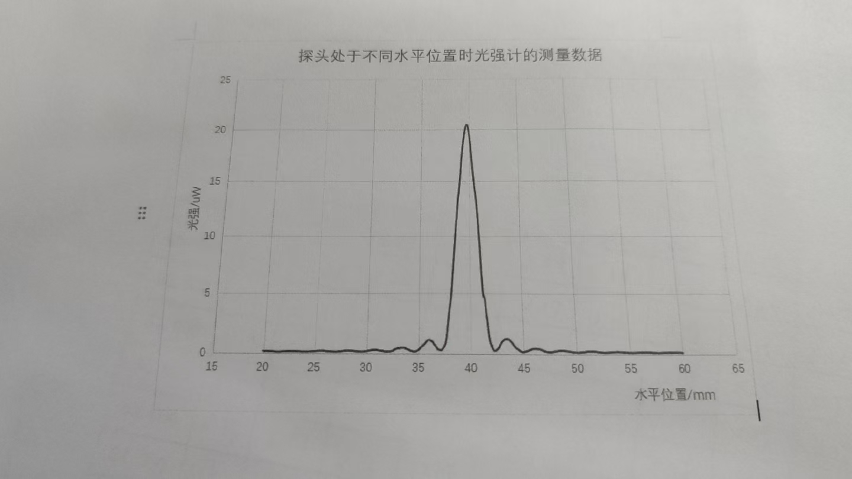
 | 0 | 0.1 | 0.2 | 0.3 | 0.4 | 0.5 | 0.6 | 0.7 | 0.8 | 0.9
20 | 0.13 | 0.13 | 0.13 | 0.13 | 0.13 | 0.13 | 0.13 | 0.13 | 0.13 | 0.12
21 | 0.11 | 0.1 | 0.09 | 0.09 | 0.1 | 0.1 | 0.09 | 0.1 | 0.1 | 0.11
22 | 0.11 | 0.11 | 0.12 | 0.12 | 0.13 | 0.13 | 0.13 | 0.14 | 0.14 | 0.13
23 | 0.13 | 0.13 | 0.13 | 0.12 | 0.11 | 0.11 | 0.11 | 0.1 | 0.1 | 0.1
24 | 0.1 | 0.1 | 0.2 | 0.1 | 0.1 | 0.11 | 0.11 | 0.12 | 0.13 | 0.14
25 | 0.14 | 0.15 | 0.16 | 0.16 | 0.17 | 0.17 | 0.17 | 0.17 | 0.17 | 0.17
26 | 0.16 | 0.15 | 0.14 | 0.14 | 0.13 | 0.12 | 0.11 | 0.11 | 0.1 | 0.1
27 | 0.1 | 0.1 | 0.11 | 0.12 | 0.12 | 0.13 | 0.14 | 0.16 | 0.17 | 0.18
28 | 0.18 | 0.19 | 0.19 | 0.19 | 0.19 | 0.19 | 0.16 | 0.17 | 0.16 | 0.15
29 | 0.14 | 0.13 | 0.12 | 0.11 | 0.11 | 0.11 | 0.11 | 0.11 | 0.12 | 0.14
30 | 0.15 | 0.18 | 0.19 | 0.21 | 0.23 | 0.24 | 0.25 | 0.26 | 0.26 | 0.26
31 | 0.26 | 0.24 | 0.23 | 0.21 | 0.2 | 0.18 | 0.17 | 0.14 | 0.13 | 0.12
32 | 0.11 | 0.12 | 0.13 | 0.15 | 0.16 | 0.18 | 0.21 | 0.3 | 0.33 | 0.36
33 | 0.39 | 0.41 | 0.4 | 0.42 | 0.42 | 0.43 | 0.42 | 2.4 | 0.36 | 0.33
34 | 0.3 | 0.25 | 0.21 | 0.18 | 0.16 | 0.14 | 0.13 | 0.14 | 0.17 | 0.22
35 | 0.28 | 0.36 | 0.45 | 0.53 | 0.6 | 0.69 | 0.77 | 0.89 | 0.98 | 1.04
36 | 1.07 | 1.05 | 1 | 0.95 | 0.67 | 0.27 | 0.64 | 0.51 | 0.37 | 0.3
37 | 0.29 | 0.25 | 0.26 | 0.35 | 0.47 | 0.63 | 0.86 | 1.36 | 2.2 | 3.04
38 | 3.78 | 4.42 | 5.3 | 6.7 | 7.9 | 9.21 | 10.53 | 11.7 | 13.02 | 13.87
39 | 14.75 | 16.03 | 17.35 | 18.24 | 19 | 19.62 | 20.1 | 20.4 | 20.4 | 20
40 | 19.47 | 18.52 | 17.32 | 16.26 | 15.37 | 14.45 | 13.7 | 12.79 | 11.73 | 10.39
41 | 9.03 | 7.1 | 5.63 | 4.67 | 4.06 | 3.56 | 2.86 | 1.96 | 1.2 | 0.61
42 | 0.6 | 0.36 | 0.24 | 0.22 | 0.25 | 0.3 | 0.4 | 0.53 | 0.7 | 0.84
43 | 0.97 | 1.05 | 1.13 | 1.17 | 1.18 | 1.18 | 1.15 | 1.19 | 0.99 | 0.89
44 | 0.79 | 0.66 | 0.57 | 0.46 | 0.39 | 0.33 | 0.27 | 0.2 | 0.16 | 0.14
45 | 0.14 | 0.15 | 0.18 | 0.2 | 0.23 | 0.25 | 0.29 | 0.33 | 0.37 | 0.39
46 | 0.4 | 0.41 | 0.4 | 0.39 | 0.38 | 0.36 | 0.34 | 0.31 | 0.27 | 0.23
47 | 0.2 | 0.17 | 0.15 | 0.13 | 0.13 | 0.12 | 0.13 | 0.14 | 0.16 | 0.18
48 | 0.2 | 0.21 | 0.23 | 0.24 | 0.24 | 0.25 | 0.26 | 0.25 | 0.24 | 0.23
49 | 0.23 | 0.22 | 0.2 | 0.19 | 0.17 | 0.16 | 0.14 | 0.13 | 0.12 | 0.11
50 | 0.11 | 0.1 | 0.11 | 0.11 | 0.12 | 0.13 | 0.14 | 0.15 | 0.17 | 0.18
51 | 0.19 | 0.2 | 0.2 | 0.2 | 0.2 | 0.2 | 0.19 | 0.19 | 0.18 | 0.16
52 | 0.15 | 0.14 | 0.13 | 0.12 | 0.11 | 0.11 | 0.1 | 0.1 | 0.1 | 0.11
53 | 0.11 | 0.12 | 0.13 | 0.14 | 0.15 | 0.15 | 0.15 | 0.16 | 0.16 | 0.16
54 | 0.16 | 0.15 | 0.15 | 0.14 | 0.13 | 0.13 | 0.12 | 0.11 | 0.1 | 0.1
55 | 0.1 | 0.09 | 0.1 | 0.1 | 0.1 | 0.1 | 0.11 | 0.11 | 0.12 | 0.13
56 | 0.13 | 0.13 | 0.14 | 0.14 | 0.14 | 0.14 | 0.13 | 0.13 | 0.12 | 0.12
57 | 0.12 | 0.11 | 0.11 | 0.1 | 0.1 | 0.1 | 0.1 | 0.09 | 0.09 | 0.09
58 | 0.1 | 0.1 | 0.11 | 0.11 | 0.11 | 0.11 | 0.12 | 0.12 | 0.12 | 0.12
59 | 0.13 | 0.12 | 0.12 | 0.12 | 0.12 | 0.11 | 0.11 | 0.11 | 0.1 | 0.1
60 | 0.1 | ——— | ———

