Sheet1
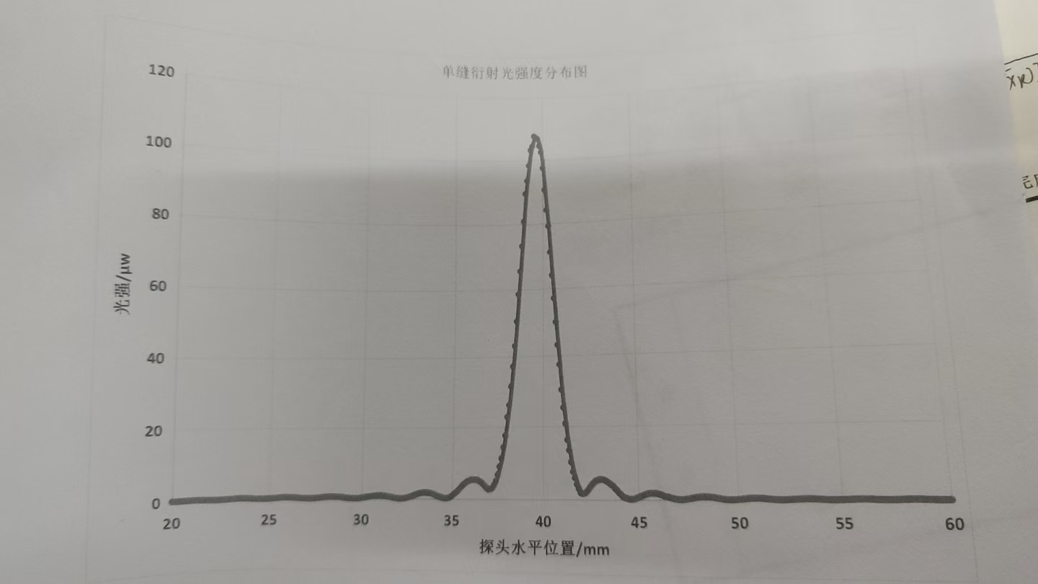
 | 0 | 0.1 | 0.2 | 0.3 | 0.4 | 0.5 | 0.6 | 0.7 | 0.8 | 0.9
20 | 0.15 | 0.15 | 0.13 | 0.13 | 0.16 | 0.17 | 0.19 | 0.21 | 0.23 | 0.25
21 | 0.26 | 0.27 | 0.25 | 0.24 | 0.23 | 0.2 | 0.18 | 0.16 | 0.13 | 0.11
22 | 0.08 | 0.07 | 0.06 | 0.06 | 0.07 | 0.09 | 0.11 | 0.14 | 0.17 | 0.21
23 | 0.25 | 0.27 | 0.29 | 0.32 | 0.35 | 0.33 | 0.32 | 0.31 | 0.29 | 0.27
24 | 0.25 | 0.19 | 0.16 | 0.12 | 0.1 | 0.08 | 0.07 | 0.06 | 0.09 | 0.1
25 | 0.13 | 0.16 | 0.2 | 0.24 | 0.27 | 0.32 | 0.36 | 0.38 | 0.41 | 0.4
26 | 0.4 | 0.38 | 0.36 | 0.32 | 0.28 | 0.25 | 0.21 | 0.17 | 0.14 | 0.1
27 | 0.08 | 0.07 | 0.09 | 0.11 | 0.13 | 0.18 | 0.22 | 0.27 | 0.34 | 0.39
28 | 0.46 | 0.5 | 0.52 | 0.55 | 0.55 | 0.53 | 0.52 | 0.49 | 0.46 | 0.41
29 | 0.33 | 0.27 | 0.22 | 0.17 | 0.12 | 0.11 | 0.09 | 0.1 | 0.13 | 0.19
30 | 0.27 | 0.35 | 0.42 | 0.51 | 0.62 | 0.7 | 0.77 | 0.84 | 0.89 | 0.92
31 | 0.93 | 0.9 | 0.87 | 0.8 | 0.73 | 0.62 | 0.51 | 0.41 | 0.29 | 0.24
32 | 0.15 | 0.12 | 0.13 | 0.18 | 0.25 | 0.38 | 0.52 | 0.67 | 0.86 | 1.05
33 | 1.3 | 1.45 | 1.59 | 1.72 | 1.78 | 1.82 | 1.8 | 1.73 | 1.63 | 1.46
34 | 1.22 | 1.01 | 0.8 | 0.63 | 0.47 | 0.33 | 0.26 | 0.29 | 0.38 | 0.59
35 | 1 | 1.45 | 1.9 | 2.36 | 2.9 | 3.49 | 4.04 | 4.43 | 4.83 | 5.12
36 | 5.35 | 5.42 | 5.41 | 5.4 | 5.24 | 4.99 | 4.64 | 4.19 | 3.61 | 3.09
37 | 2.74 | 2.8 | 3.11 | 3.92 | 5.04 | 6.81 | 9.03 | 11.26 | 14.4 | 17.6
38 | 22.8 | 26.2 | 31.5 | 37.2 | 43.2 | 50.5 | 58.6 | 65.6 | 73.3 | 80.9
39 | 89.5 | 93.6 | 98.4 | 103.2 | 104.4 | 107.6 | 107.1 | 106.8 | 104.5 | 102.5
40 | 97.5 | 90.6 | 84.3 | 79.3 | 71.2 | 64.1 | 57.1 | 50 | 43.2 | 37.5
41 | 30.3 | 25.2 | 20.8 | 16.3 | 13.4 | 10.2 | 7.57 | 5.91 | 4.14 | 2.98
42 | 1.85 | 1.66 | 1.74 | 2.08 | 2.66 | 3.44 | 4.06 | 4.64 | 5.06 | 5.25
43 | 5.47 | 5.46 | 5.37 | 5.18 | 4.85 | 4.5 | 4.02 | 3.74 | 3.06 | 2.58
44 | 1.92 | 1.49 | 0.86 | 0.65 | 0.45 | 0.3 | 0.12 | 0.2 | 0.28 | 0.52
45 | 0.67 | 0.92 | 1.12 | 1.36 | 1.56 | 1.69 | 1.78 | 1.77 | 1.74 | 1.73
46 | 1.61 | 1.5 | 1.3 | 1.05 | 0.93 | 0.83 | 0.68 | 0.5 | 0.37 | 0.27
47 | 0.18 | 0.11 | 0.1 | 0.15 | 0.22 | 0.29 | 0.37 | 0.47 | 0.58 | 0.67
48 | 0.75 | 0.82 | 0.87 | 0.9 | 0.88 | 0.86 | 0.82 | 0.75 | 0.69 | 0.6
49 | 0.49 | 0.4 | 0.29 | 0.22 | 0.15 | 0.1 | 0.08 | 0.09 | 0.09 | 0.13
50 | 0.17 | 0.23 | 0.28 | 0.33 | 0.39 | 0.44 | 0.47 | 0.49 | 0.51 | 0.52
51 | 0.5 | 0.47 | 0.44 | 0.39 | 0.34 | 0.28 | 0.24 | 0.2 | 0.16 | 0.12
52 | 0.09 | 0.07 | 0.08 | 0.09 | 0.1 | 1.16 | 0.17 | 0.2 | 0.23 | 0.26
53 | 0.3 | 0.31 | 0.35 | 0.36 | 0.35 | 0.34 | 0.33 | 0.31 | 0.28 | 0.26
54 | 0.22 | 0.16 | 0.17 | 0.14 | 0.11 | 0.08 | 0.07 | 0.06 | 0.08 | 0.09
55 | 0.1 | 0.12 | 0.14 | 0.17 | 0.18 | 0.22 | 0.24 | 0.27 | 0.25 | 0.26
56 | 0.26 | 0.26 | 0.25 | 0.24 | 0.22 | 0.17 | 0.12 | 0.13 | 0.09 | 0.09
57 | 0.06 | 0.07 | 0.08 | 0.08 | 0.08 | 0.09 | 0.11 | 0.14 | 0.15 | 0.17
58 | 0.2 | 0.21 | 0.22 | 0.23 | 0.24 | 0.24 | 0.21 | 0.2 | 0.19 | 0.17
59 | 0.15 | 0.13 | 0.12 | 0.09 | 0.1 | 0.07 | 0.06 | 0.07 | 0.08 | 0.09
60 | 0.1

