Sheet1
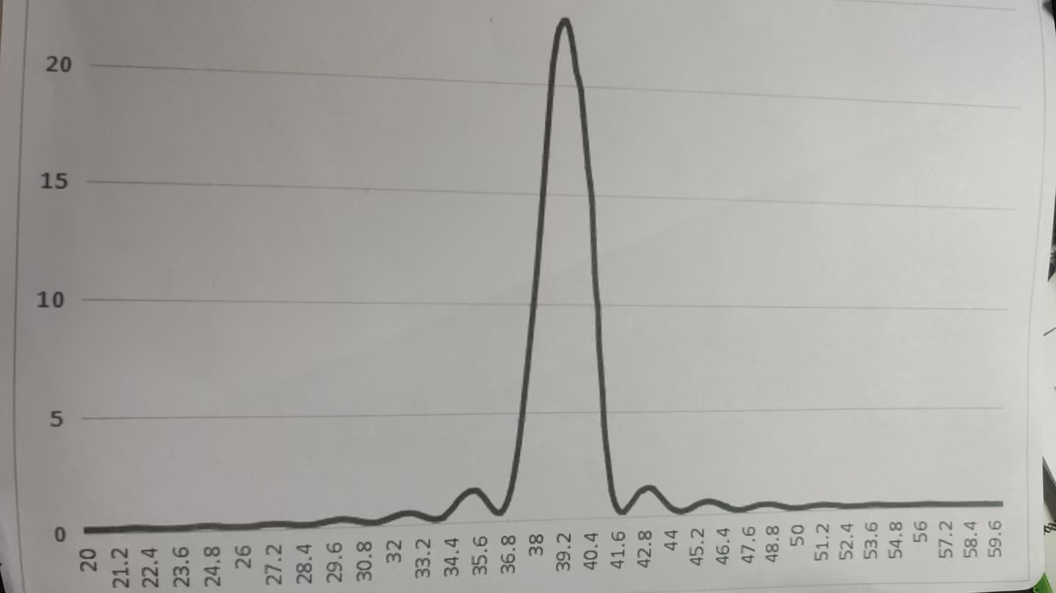
 | 0 | 0.1 | 0.2 | 0.3 | 0.4 | 0.5 | 0.6 | 0.7 | 0.8 | 0.9
20 | 0.14 | 0.14 | 0.13 | 0.13 | 0.13 | 0.13 | 0.13 | 0.13 | 0.13 | 0.14
21 | 0.14 | 0.15 | 0.15 | 0.16 | 0.17 | 0.18 | 0.18 | 0.19 | 0.19 | 0.19
22 | 0.19 | 0.18 | 0.18 | 0.18 | 0.16 | 0.16 | 0.15 | 0.14 | 0.13 | 0.13
23 | 0.13 | 0.13 | 0.13 | 0.13 | 0.13 | 0.14 | 0.15 | 0.16 | 0.16 | 0.17
24 | 0.18 | 0.18 | 0.2 | 0.2 | 0.21 | 0.21 | 0.21 | 0.21 | 0.2 | 0.2
25 | 0.19 | 0.18 | 0.17 | 0.16 | 0.16 | 0.15 | 0.14 | 0.13 | 0.13 | 0.13
26 | 0.14 | 0.14 | 0.15 | 0.16 | 1.17 | 0.18 | 0.19 | 0.21 | 0.22 | 0.23
27 | 0.23 | 0.24 | 0.24 | 0.24 | 0.23 | 0.22 | 0.22 | 0.21 | 0.19 | 0.18
28 | 0.16 | 0.15 | 0.15 | 0.14 | 0.14 | 0.14 | 0.15 | 0.16 | 0.17 | 0.19
29 | 0.21 | 0.23 | 0.25 | 0.28 | 0.3 | 0.31 | 0.33 | 0.34 | 0.35 | 0.35
30 | 0.34 | 0.33 | 0.32 | 0.3 | 0.28 | 0.25 | 0.22 | 0.2 | 0.18 | 0.17
31 | 0.16 | 0.15 | 0.15 | 0.16 | 0.18 | 0.21 | 0.25 | 0.28 | 0.32 | 0.36
32 | 0.4 | 0.44 | 0.47 | 0.5 | 0.52 | 0.53 | 0.53 | 0.52 | 0.5 | 0.47
33 | 0.43 | 0.39 | 0.34 | 0.29 | 0.25 | 0.22 | 0.19 | 0.18 | 0.19 | 0.22
34 | 0.25 | 0.32 | 0.41 | 0.51 | 0.62 | 0.74 | 0.9 | 1.04 | 1.14 | 1.25
35 | 1.33 | 1.41 | 1.45 | 1.47 | 1.45 | 1.4 | 1.3 | 1.2 | 1.06 | 0.92
36 | 0.75 | 0.62 | 0.49 | 0.4 | 0.37 | 0.4 | 0.51 | 0.73 | 1.01 | 1.43
37 | 2.02 | 2.74 | 3.61 | 4.65 | 5.81 | 7.03 | 8.43 | 9.92 | 11.42 | 13.23
38 | 15.03 | 16.69 | 18.19 | 19.56 | 20.9 | 21.6 | 22.3 | 22.7 | 22.9 | 23.1
39 | 23.1 | 22.8 | 22.3 | 21.6 | 20.7 | 20.3 | 20.6 | 21.8 | 23.7 | 24
40 | 19.52 | 14.68 | 12.98 | 13.5 | 12.5 | 9.86 | 8 | 7.08 | 5.91 | 4.38
41 | 3.4 | 2.71 | 1.94 | 1.28 | 0.85 | 1.57 | 0.37 | 0.25 | 0.22 | 0.26
42 | 0.37 | 0.51 | 0.65 | 0.8 | 0.96 | 1.12 | 1.22 | 1.29 | 1.35 | 1.37
43 | 1.36 | 1.31 | 1.24 | 1.15 | 1.04 | 0.92 | 0.81 | 0.68 | 1.57 | 0.45
44 | 0.36 | 0.28 | 0.22 | 0.19 | 0.17 | 0.18 | 0.21 | 0.24 | 0.28 | 0.33
45 | 0.39 | 0.46 | 1.5 | 0.54 | 0.58 | 0.61 | 0.62 | 0.62 | 0.61 | 0.58
46 | 0.55 | 0.52 | 0.47 | 0.42 | 0.36 | 0.31 | 0.27 | 0.23 | 0.2 | 0.18
47 | 0.16 | 0.14 | 0.15 | 0.16 | 0.18 | 0.2 | 0.23 | 0.25 | 0.28 | 0.31
48 | 0.34 | 0.36 | 0.37 | 0.38 | 0.38 | 0.39 | 0.37 | 0.36 | 0.35 | 0.32
49 | 0.29 | 0.27 | 0.24 | 0.22 | 0.19 | 0.17 | 0.16 | 0.15 | 0.14 | 0.14
50 | 0.14 | 0.15 | 0.16 | 0.17 | 0.19 | 0.2 | 0.22 | 0.23 | 0.24 | 0.25
51 | 0.26 | 0.26 | 0.26 | 0.26 | 0.25 | 0.24 | 0.23 | 0.22 | 0.21 | 0.2
52 | 0.19 | 0.17 | 0.16 | 0.15 | 0.15 | 0.15 | 0.14 | 0.15 | 0.15 | 0.15
53 | 0.16 | 0.16 | 0.17 | 0.18 | 0.18 | 0.19 | 0.19 | 0.19 | 0.19 | 0.19
54 | 0.18 | 0.18 | 0.17 | 0.17 | 0.16 | 0.16 | 0.15 | 0.14 | 0.14 | 0.14
55 | 0.13 | 0.13 | 0.13 | 0.13 | 0.14 | 0.14 | 0.15 | 0.15 | 0.16 | 0.17
56 | 0.17 | 0.18 | 0.17 | 0.18 | 118 | 0.18 | 0.18 | 0.17 | 0.17 | 0.17
57 | 0.16 | 0.15 | 0.15 | 0.15 | 0.14 | 0.13 | 0.13 | 0.13 | 0.13 | 0.13
58 | 0.13 | 0.14 | 0.14 | 0.14 | 0.15 | 0.15 | 0.16 | 0.16 | 0.16 | 0.16
59 | 0.16 | 0.17 | 0.17 | 0.16 | 0.16 | 0.16 | 0.15 | 0.15 | 0.15 | 0.14
60 | 0.14 | ———

