Sheet1
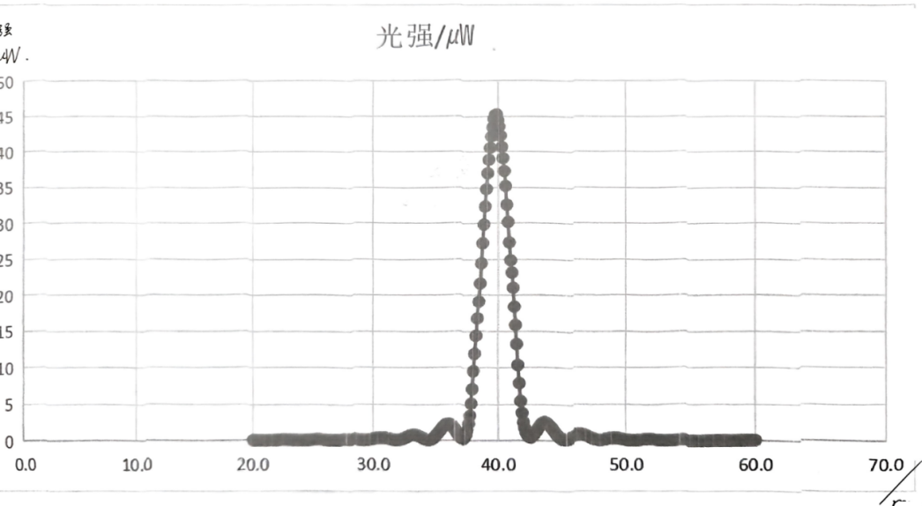
 | 0 | 0.1 | 0.2 | 0.3 | 0.4 | 0.5 | 0.6 | 0.7 | 0.8 | 0.9
20 | 0.15 | 0.14 | 0.14 | 0.13 | 0.12 | 0.11 | 0.1 | 0.09 | 0.09 | 0.09
21 | 0.08 | 0.08 | 0.08 | 0.08 | 0.08 | 0.08 | 0.09 | 0.1 | 0.11 | 0.12
22 | 0.14 | 0.15 | 0.16 | 0.17 | 0.19 | 0.2 | 0.2 | 0.19 | 0.19 | 0.19
23 | 0.19 | 0.17 | 0.17 | 0.15 | 0.14 | 0.12 | 0.11 | 0.1 | 0.09 | 0.08
24 | 0.08 | 0.08 | 0.09 | 0.1 | 0.1 | 0.12 | 0.13 | 0.15 | 0.17 | 0.18
25 | 0.19 | 0.21 | 0.22 | 0.23 | 0.24 | 0.23 | 0.22 | 0.21 | 0.2 | 0.18
26 | 0.17 | 0.15 | 0.13 | 0.12 | 0.1 | 0.09 | 0.09 | 0.08 | 0.09 | 0.1 | .
27 | 0.11 | 0.13 | 0.15 | 0.17 | 0.19 | 0.22 | 0.24 | 0.26 | 0.28 | 0.29
28 | 0.29 | 0.29 | 0.29 | 0.28 | 0.26 | 0.24 | 0.22 | 0.19 | 0.16 | 0.14
29 | 0.11 | 0.1 | 0.09 | 0.09 | 0.1 | 0.11 | 0.13 | 0.16 | 0.19 | 0.23
30 | 0.27 | 0.31 | 0.35 | 0.38 | 0.41 | 0.43 | 0.44 | 0.44 | 0.43 | 0.42
31 | 0.39 | 0.36 | 0.32 | 0.28 | 0.24 | 0.2 | 0.16 | 0.13 | 0.11 | 0.11
32 | 0.12 | 0.14 | 0.18 | 0.22 | 0.27 | 0.33 | 0.41 | 0.49 | 0.58 | 0.66
33 | 0.72 | 0.76 | 0.79 | 0.8 | 0.8 | 0.78 | 0.74 | 0.66 | 0.59 | 0.5
34 | 0.41 | 0.33 | 0.25 | 0.19 | 0.15 | 0.13 | 0.14 | 0.22 | 0.28 | 0.4
35 | 0.55 | 0.76 | 0.97 | 1.17 | 1.39 | 1.6 | 1.82 | 2.02 | 2.19 | 2.33
36 | 2.38 | 2.37 | 2.31 | 2.19 | 2.03 | 1.82 | 1.58 | 1.32 | 0.98 | 0.7
37 | 0.48 | 0.32 | 0.29 | 0.37 | 0.6 | 0.96 | 1.51 | 2.4 | 3.52 | 5.17
38 | 7.14 | 9.59 | 11.95 | 14.4 | 16.8 | 19.13 | 21.7 | 24.5 | 27.3 | 29.9
39 | 32.4 | 34.8 | 37 | 38.9 | 40.6 | 42.2 | 43.5 | 44.7 | 45.2 | 45.3
40 | 44.5 | 43.6 | 42.3 | 40.7 | 39.1 | 37.3 | 35.2 | 32.6 | 30.2 | 27.4
41 | 24.9 | 23.2 | 21.1 | 18.45 | 15.9 | 13.27 | 10.4 | 7.92 | 5.5 | 3.9
42 | 2.61 | 1.81 | 1.22 | 0.86 | 0.61 | 0.49 | 0.49 | 0.65 | 0.87 | 1.1
43 | 1.34 | 1.6 | 1.87 | 2.14 | 2.36 | 2.51 | 2.59 | 2.6 | 2.53 | 2.38
44 | 2.19 | 2.03 | 1.85 | 1.63 | 1.36 | 1.12 | 0.9 | 0.72 | 0.55 | 0.4
45 | 0.29 | 0.23 | 0.21 | 0.23 | 0.27 | 0.33 | 0.41 | 0.49 | 0.58 | 0.68
46 | 0.76 | 0.84 | 0.9 | 0.94 | 0.94 | 0.93 | 0.89 | 0.85 | 0.79 | 0.73
47 | 0.64 | 0.56 | 0.46 | 0.39 | 0.33 | 0.27 | 0.21 | 0.18 | 0.16 | 0.15
48 | 0.15 | 0.16 | 0.19 | 0.23 | 0.27 | 0.3 | 0.33 | 0.37 | 0.39 | 0.4
49 | 0.42 | 0.42 | 0.41 | 0.39 | 0.37 | 0.34 | 0.31 | 0.27 | 0.23 | 0.18
50 | 0.16 | 0.13 | 0.1 | 0.09 | 0.08 | 0.08 | 0.09 | 0.1 | 0.11 | 0.13
51 | 0.16 | 0.17 | 0.2 | 0.22 | 0.23 | 0.25 | 0.25 | 0.26 | 0.25 | 0.24
52 | 0.22 | 0.21 | 0.19 | 0.17 | 0.16 | 0.14 | 0.12 | 0.1 | 0.09 | 0.08
53 | 0.08 | 0.08 | 0.08 | 0.09 | 0.1 | 0.12 | 0.13 | 0.15 | 0.16 | 0.18
54 | 0.19 | 0.2 | 0.2 | 0.21 | 0.2 | 0.2 | 0.19 | 0.18 | 0.17 | 0.16
55 | 0.14 | 0.13 | 0.11 | 0.09 | 0.09 | 0.08 | 0.07 | 0.07 | 0.07 | 0.08
56 | 0.09 | 0.09 | 0.1 | 0.11 | 0.12 | 0.14 | 0.15 | 0.16 | 0.16 | 0.16
57 | 0.17 | 0.17 | 0.16 | 0.15 | 0.14 | 0.13 | 0.12 | 0.11 | 0.1 | 0.09
58 | 0.08 | 0.07 | 0.07 | 0.07 | 0.07 | 0.08 | 0.08 | 0.09 | 0.09 | 0.11
59 | 0.12 | 0.13 | 0.14 | 0.15 | 0.15 | 0.16 | 0.16 | 0.16 | 0.16 | 0.15
60 | 0.14 | ———

