Heatmap Plot
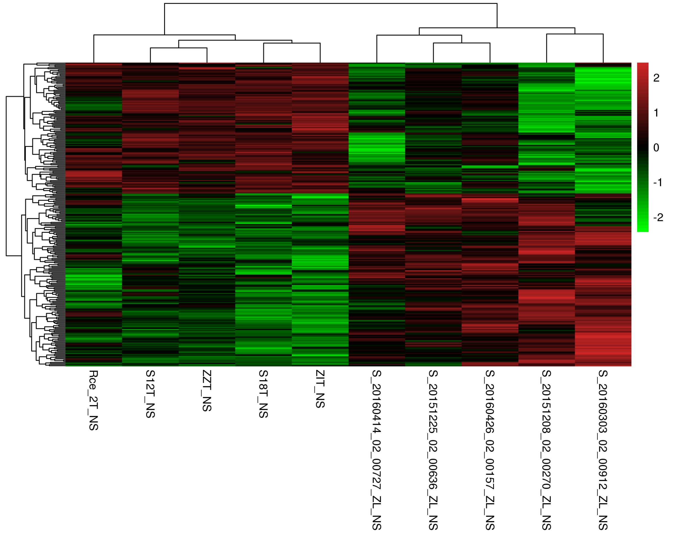
Heatmap:
Heatmap is a visualization used to comparatively illustrate gene expression levels across a number of different samples.

Heatmap plot of g2_VS_g1

Scatter Plot
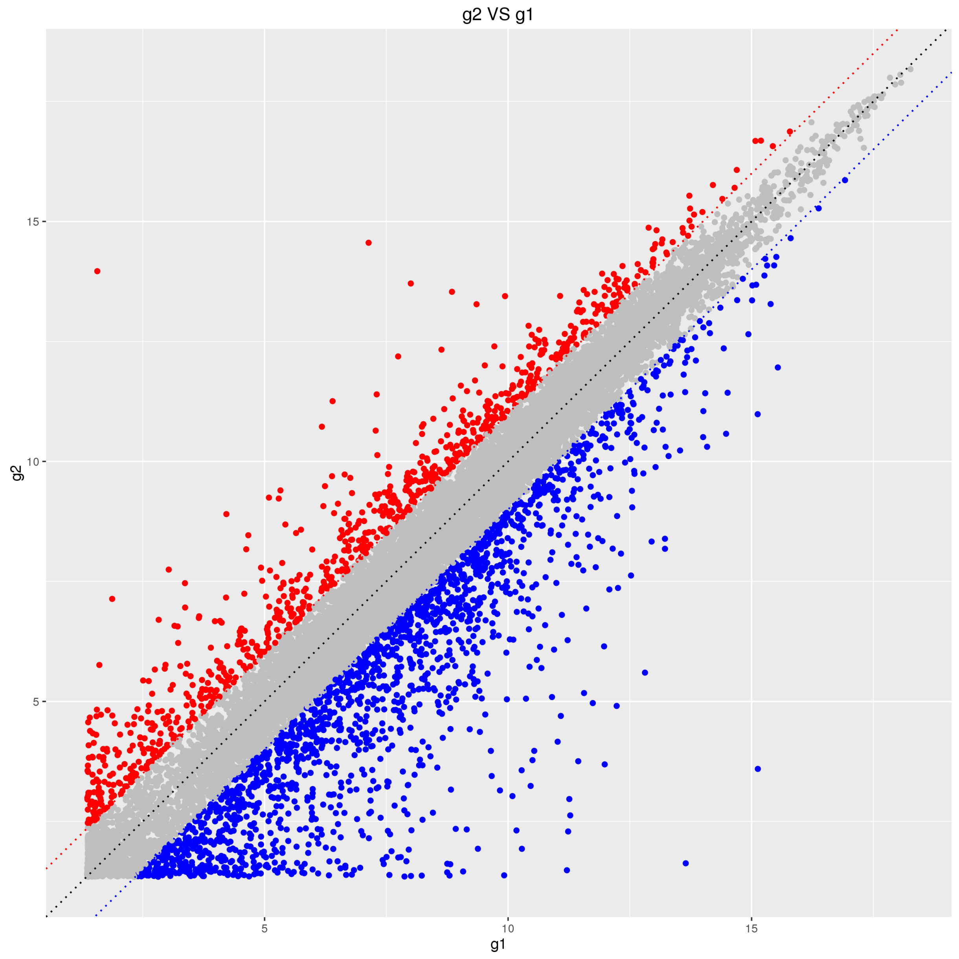
Scatter Plot:
Scatter plot is a visualization reveals relationships or association between two datasets.

Scatter plot of g2_VS_g1

Volcano Plot
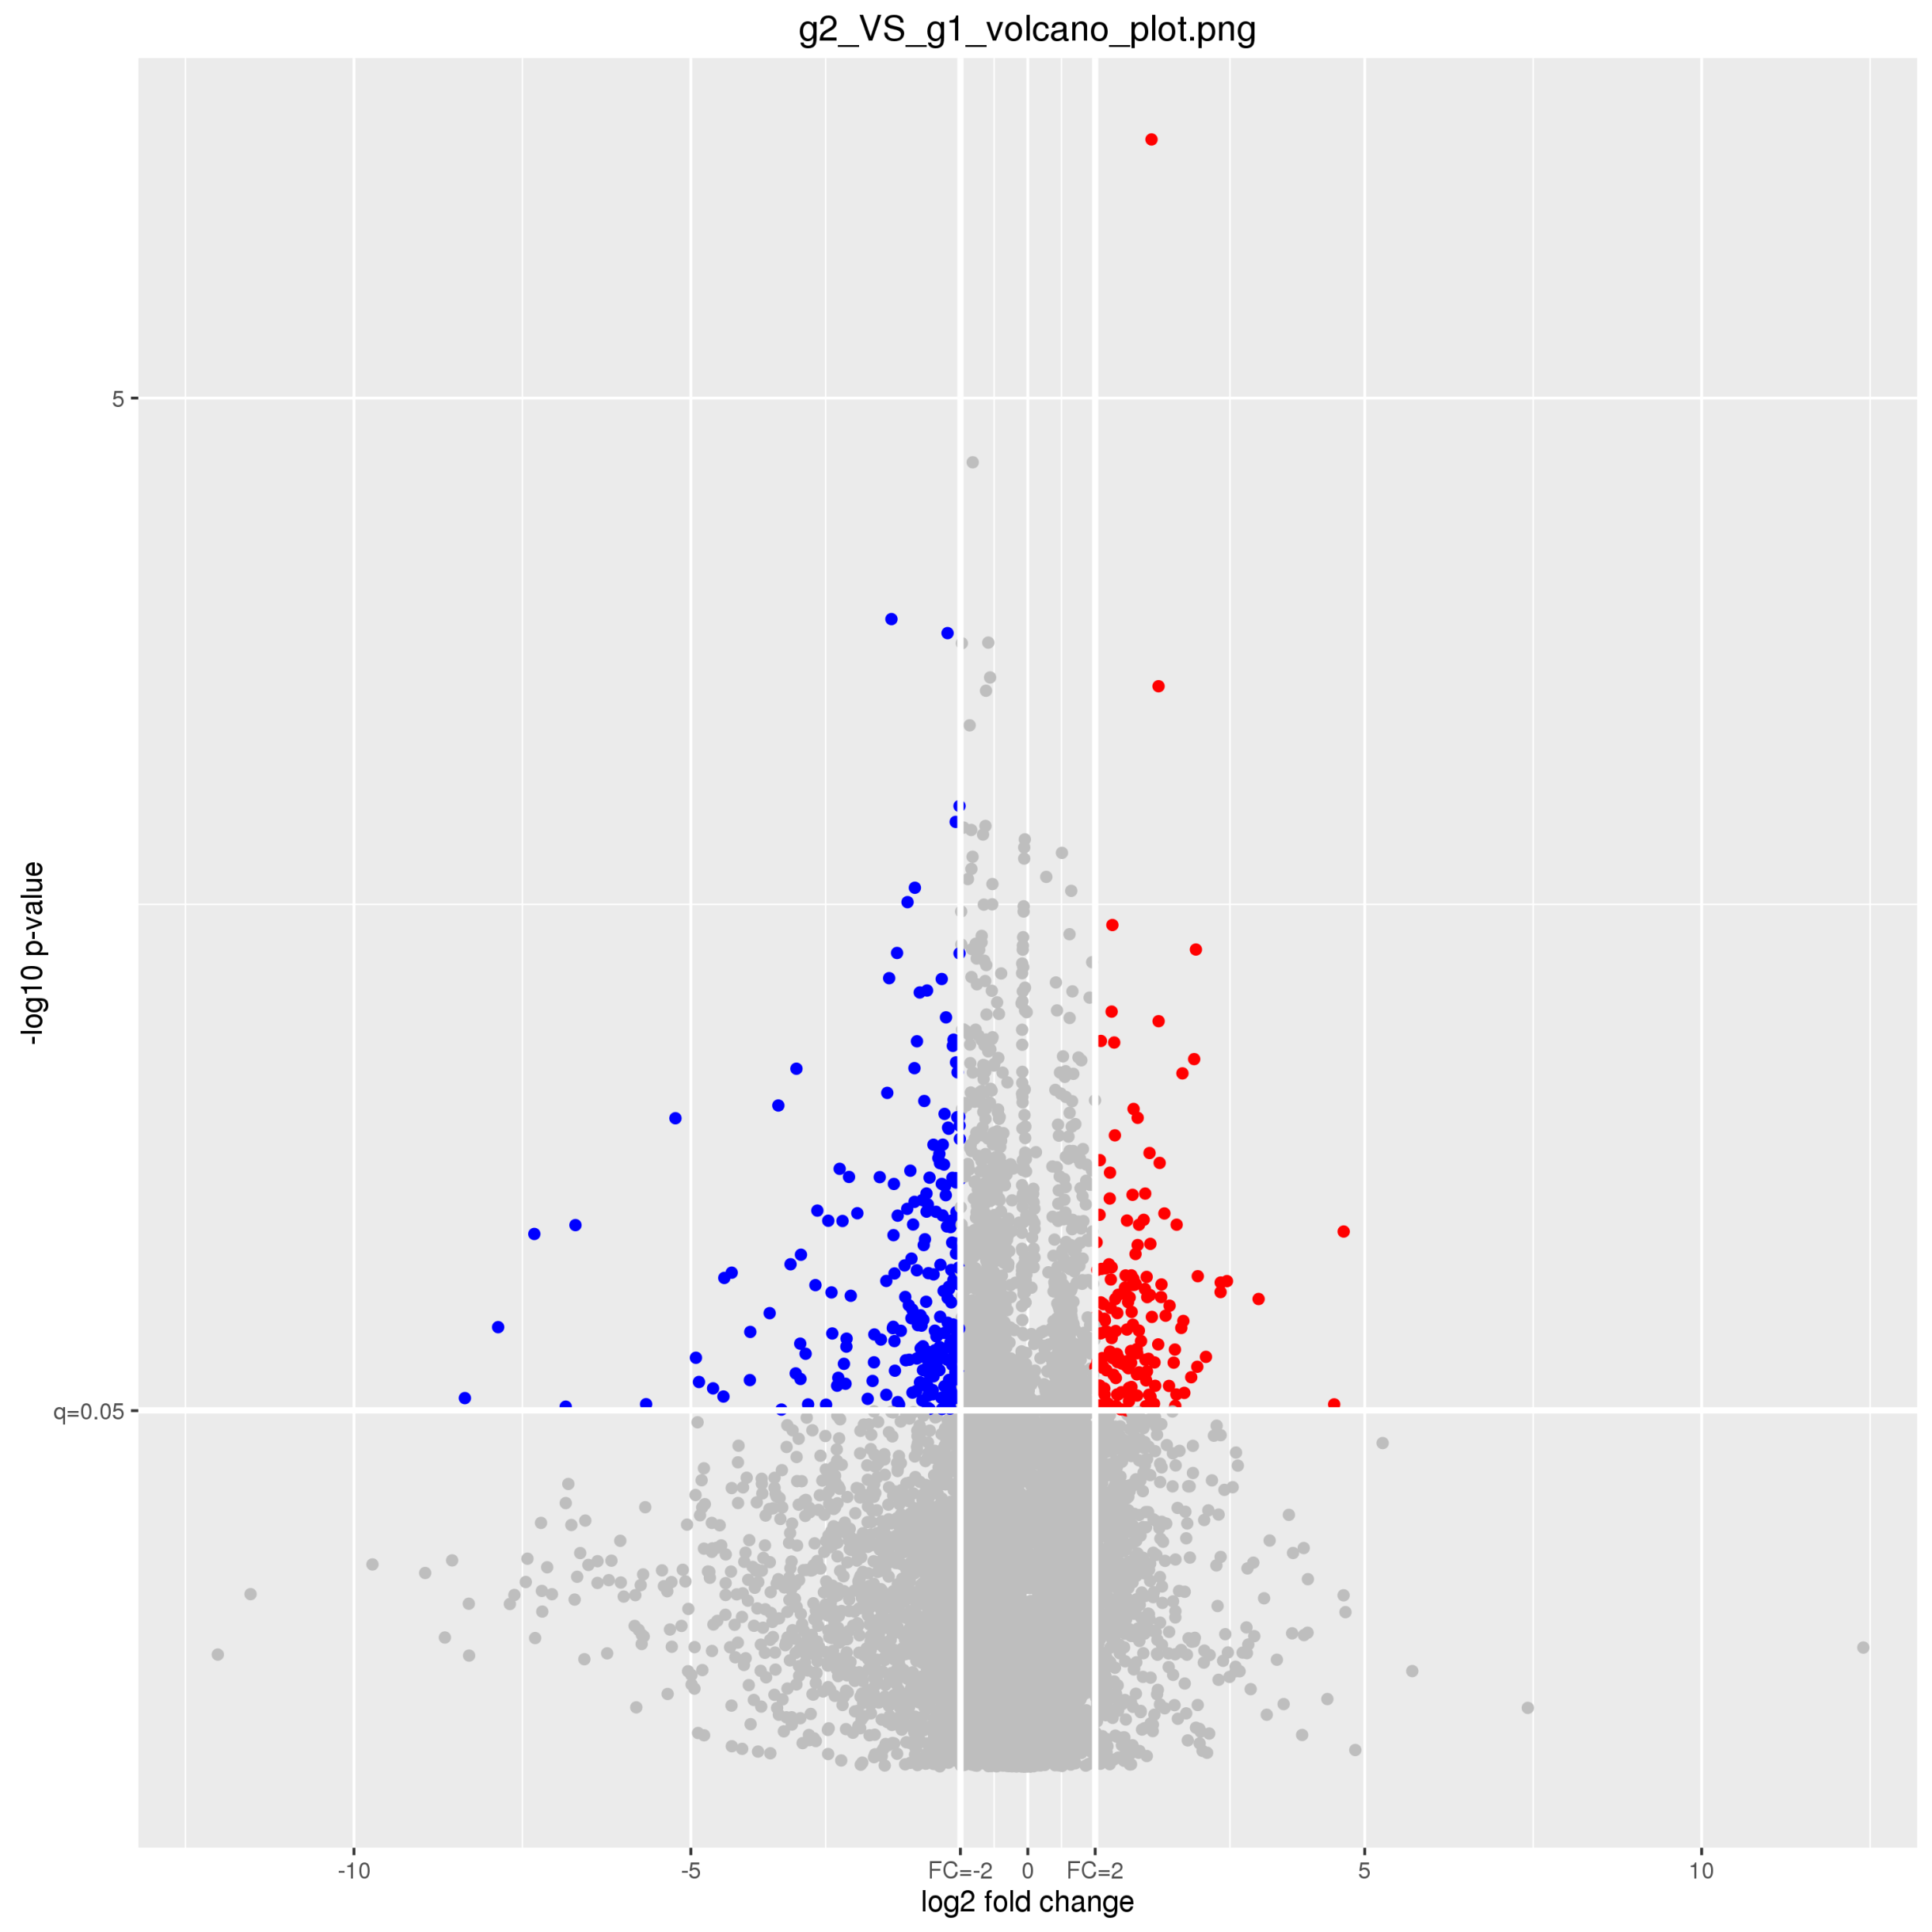
Volcano Plot:
Volcano plot is a type of scatter-plot that is used to quickly identify changes in large datasets composed of replicate data.The log fold change is plotted on the x-axis and the negative log10 p-value is plotted on the y-axis.

Volcano plot of g2_VS_g1

