Qt控制台程序
纯console控制台程序 |  |  |  | 调用过程：

#include <QtCore/QCoreApplication>
 |  |  |  | OEP入口点
void func()
{ |  |  |  | 009A11E0： mainCRTStartup | 009A1200： __tmainCRTStartup |  |  | 009A1030: int main(int argc, char* argv[])

}
int main(int argc, char *argv[])
{
 | QCoreApplication a(argc, argv);
 | func();

 | return a.exec();
}

疑问一：入口函数就不对！！

 |  |  |  | 009A11E0： mainCRTStartup |  |  | 009A1200： __tmainCRTStartup
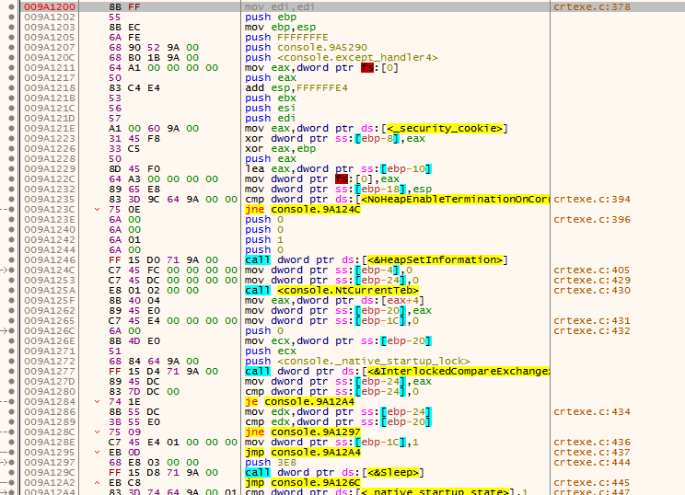

 |  | 009A1030: int main(int argc, char* argv[])

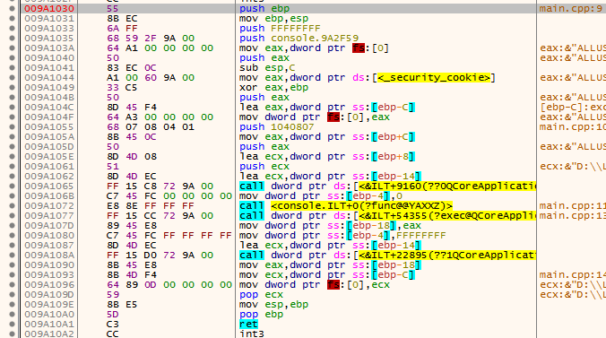
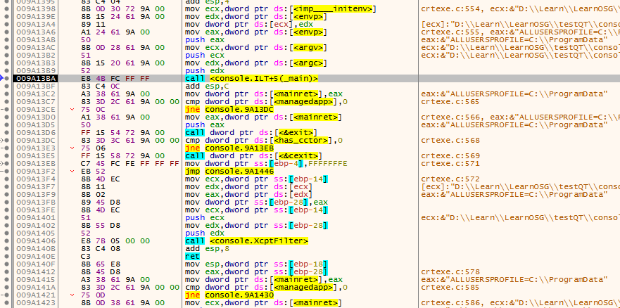

调用过程：

OEP入口点

009A11E0： mainCRTStartup |  |  | 009A1200： __tmainCRTStartup |  |  | 009A1030: int main(int argc, char* argv[])

mov edi,edi |  |  | mov edi,edi |  |  | push ebp
push ebp |  |  | push ebp |  |  | mov ebp,esp
mov ebp,esp |  |  | mov ebp,esp |  |  | push FFFFFFFF
call <console._security_init_cookie> |  |  | push FFFFFFFE |  |  | push console.9A2F59
call <console._tmainCRTStartup> |  |  | push console.9A5290 |  |  | mov eax,dword ptr fs:[0]
pop ebp |  |  | push <console.except_handler4> |  |  | push eax
ret |  |  | mov eax,dword ptr fs:[0] |  |  | sub esp,C
 |  |  | push eax |  |  | mov eax,dword ptr ds:[<_security_cookie>]
 |  |  | add esp,FFFFFFE4 |  |  | xor eax,ebp
 |  |  | push ebx |  |  | push eax
 |  |  | push esi |  |  | lea eax,dword ptr ss:[ebp-C]
 |  |  | push edi |  |  | mov dword ptr fs:[0],eax
 |  |  | mov eax,dword ptr ds:[<_security_cookie>] |  |  | push 1040807
 |  |  | xor dword ptr ss:[ebp-8],eax |  |  | mov eax,dword ptr ss:[ebp+C]
 |  |  | xor eax,ebp |  |  | push eax
 |  |  | push eax |  |  | lea ecx,dword ptr ss:[ebp+8]
 |  |  | lea eax,dword ptr ss:[ebp-10] |  |  | push ecx
 |  |  | mov dword ptr fs:[0],eax |  |  | lea ecx,dword ptr ss:[ebp-14]
 |  |  | mov dword ptr ss:[ebp-18],esp |  |  | call dword ptr ds:[<&ILT+9160(??0QCoreApplication@@QAE@AAHPAPADH@Z)>]
 |  |  | cmp dword ptr ds:[<NoHeapEnableTerminationOnCorruption>],0 |  |  | mov dword ptr ss:[ebp-4],0
 |  |  | jne console.9A124C |  |  | call <console.ILT+0(?func@@YAXXZ)>
 |  |  | push 0 |  |  | call dword ptr ds:[<&ILT+54355(?exec@QCoreApplication@@SAHXZ)>]
 |  |  | push 0 |  |  | mov dword ptr ss:[ebp-18],eax
 |  |  | push 1 |  |  | mov dword ptr ss:[ebp-4],FFFFFFFF
 |  |  | push 0 |  |  | lea ecx,dword ptr ss:[ebp-14]
 |  |  | call dword ptr ds:[<&HeapSetInformation>] |  |  | call dword ptr ds:[<&ILT+22895(??1QCoreApplication@@UAE@XZ)>]
 |  |  | mov dword ptr ss:[ebp-4],0 |  |  | mov eax,dword ptr ss:[ebp-18]
 |  |  | mov dword ptr ss:[ebp-24],0 |  |  | mov ecx,dword ptr ss:[ebp-C]
 |  |  | call <console.NtCurrentTeb> |  |  | mov dword ptr fs:[0],ecx
 |  |  | mov eax,dword ptr ds:[eax+4] |  |  | pop ecx
 |  |  | mov dword ptr ss:[ebp-20],eax |  |  | mov esp,ebp
 |  |  | mov dword ptr ss:[ebp-1C],0 |  |  | pop ebp
 |  |  | push 0 |  |  | ret
 |  |  | mov ecx,dword ptr ss:[ebp-20]
 |  |  | push ecx
 |  |  | push <console._native_startup_lock>
 |  |  | call dword ptr ds:[<&InterlockedCompareExchange>]
 |  |  | mov dword ptr ss:[ebp-24],eax
 |  |  | cmp dword ptr ss:[ebp-24],0
 |  |  | je console.9A12A4
 |  |  | mov edx,dword ptr ss:[ebp-24]
 |  |  | cmp edx,dword ptr ss:[ebp-20]
 |  |  | jne console.9A1297
 |  |  | mov dword ptr ss:[ebp-1C],1
 |  |  | jmp console.9A12A4
 |  |  | push 3E8
 |  |  | call dword ptr ds:[<&Sleep>]
 |  |  | jmp console.9A126C
 |  |  | cmp dword ptr ds:[<_native_startup_state>],1
 |  |  | jne console.9A12B9
 |  |  | push 1F
 |  |  | call <console.amsg_exit>
 |  |  | add esp,4
 |  |  | jmp console.9A1304
 |  |  | cmp dword ptr ds:[<_native_startup_state>],0
 |  |  | jne console.9A12FA
 |  |  | mov dword ptr ds:[<_native_startup_state>],1
 |  |  | push <console._xi_z>
 |  |  | push <console._xi_a>
 |  |  | call <console.initterm_e>
 |  |  | add esp,8
 |  |  | test eax,eax
 |  |  | je console.9A12F8
 |  |  | mov dword ptr ss:[ebp-2C],FF
 |  |  | mov dword ptr ss:[ebp-4],FFFFFFFE
 |  |  | mov eax,dword ptr ss:[ebp-2C]
 |  |  | jmp console.9A144B
 |  |  | jmp console.9A1304
 |  |  | mov dword ptr ds:[<has_cctor>],1
 |  |  | cmp dword ptr ds:[<_native_startup_state>],1
 |  |  | jne console.9A1329
 |  |  | push <console._xc_z>
 |  |  | push <console._xc_a>
 |  |  | call <console.initterm>
 |  |  | add esp,8
 |  |  | mov dword ptr ds:[<_native_startup_state>],2
 |  |  | cmp dword ptr ds:[<_native_startup_state>],2
 |  |  | je console.9A1354
 |  |  | push <console. ?? ::t:: ?? >
 |  |  | push 0
 |  |  | push 1DC
 |  |  | push <console. ?? ::c:: ?? >
 |  |  | push 2
 |  |  | call dword ptr ds:[<&CrtDbgReportW>]
 |  |  | add esp,14
 |  |  | cmp eax,1
 |  |  | jne console.9A1354
 |  |  | int3
 |  |  | cmp dword ptr ss:[ebp-1C],0
 |  |  | jne console.9A1367
 |  |  | push 0
 |  |  | push <console._native_startup_lock>
 |  |  | call dword ptr ds:[<&InterlockedExchange>]
 |  |  | cmp dword ptr ds:[<_dyn_tls_init_callback>],0
 |  |  | je console.9A138D
 |  |  | push <console._dyn_tls_init_callback>
 |  |  | call <console.IsNonwritableInCurrentImage>
 |  |  | add esp,4
 |  |  | test eax,eax
 |  |  | je console.9A138D
 |  |  | push 0
 |  |  | push 2
 |  |  | push 0
 |  |  | call dword ptr ds:[<_dyn_tls_init_callback>]
 |  |  | push 1
 |  |  | call dword ptr ds:[<&CrtSetCheckCount>]
 |  |  | add esp,4
 |  |  | mov ecx,dword ptr ds:[<imp____initenv>]
 |  |  | mov edx,dword ptr ds:[<envp>]
 |  |  | mov dword ptr ds:[ecx],edx
 |  |  | mov eax,dword ptr ds:[<envp>]
 |  |  | push eax
 |  |  | mov ecx,dword ptr ds:[<argv>]
 |  |  | push ecx
 |  |  | mov edx,dword ptr ds:[<argc>]
 |  |  | push edx
 |  |  | call <console.ILT+5(_main)>
 |  |  | add esp,C
 |  |  | mov dword ptr ds:[<mainret>],eax
 |  |  | cmp dword ptr ds:[<managedapp>],0
 |  |  | jne console.9A13DC
 |  |  | mov eax,dword ptr ds:[<mainret>]
 |  |  | push eax
 |  |  | call dword ptr ds:[<&exit>]
 |  |  | cmp dword ptr ds:[<has_cctor>],0
 |  |  | jne console.9A13EB
 |  |  | call dword ptr ds:[<&cexit>]
 |  |  | mov dword ptr ss:[ebp-4],FFFFFFFE
 |  |  | jmp console.9A1446
 |  |  | mov ecx,dword ptr ss:[ebp-14]
 |  |  | mov edx,dword ptr ds:[ecx]
 |  |  | mov eax,dword ptr ds:[edx]
 |  |  | mov dword ptr ss:[ebp-28],eax
 |  |  | mov ecx,dword ptr ss:[ebp-14]
 |  |  | push ecx
 |  |  | mov edx,dword ptr ss:[ebp-28]
 |  |  | push edx
 |  |  | call <console.XcptFilter>
 |  |  | add esp,8
 |  |  | ret
 |  |  | mov esp,dword ptr ss:[ebp-18]
 |  |  | mov eax,dword ptr ss:[ebp-28]
 |  |  | mov dword ptr ds:[<mainret>],eax
 |  |  | cmp dword ptr ds:[<managedapp>],0
 |  |  | jne console.9A1430
 |  |  | mov ecx,dword ptr ds:[<mainret>]
 |  |  | push ecx
 |  |  | call dword ptr ds:[<&exit>]
 |  |  | cmp dword ptr ds:[<has_cctor>],0
 |  |  | jne console.9A143F
 |  |  | call dword ptr ds:[<&cexit>]
 |  |  | mov dword ptr ss:[ebp-4],FFFFFFFE
 |  |  | mov eax,dword ptr ds:[<mainret>]
 |  |  | mov ecx,dword ptr ss:[ebp-10]
 |  |  | mov dword ptr fs:[0],ecx
 |  |  | pop ecx
 |  |  | pop edi
 |  |  | pop esi
 |  |  | pop ebx
 |  |  | mov esp,ebp
 |  |  | pop ebp
 |  |  | ret

Qt对话框程序
对话框程序 |  |  | 调用过程：

#include "dialog.h"
#include <QtGui/QApplication> |  |  | OEP入口点

void func() |  |  | 008D1B70： WinMainCRTStartup |  |  |  | 008D1B90： __tmainCRTStartup |  | 008D26B0: WinMain | 008D15F0: main()
{

}
int main(int argc, char *argv[])
{
 | QApplication a(argc, argv);
 | func();
 | dialog w;
 | w.show();
 | return a.exec();
}

OptionalHeader.AddressOfEntryPoint

008D1B70： WinMainCRTStartup |  |  |  | 008D1B90： __tmainCRTStartup

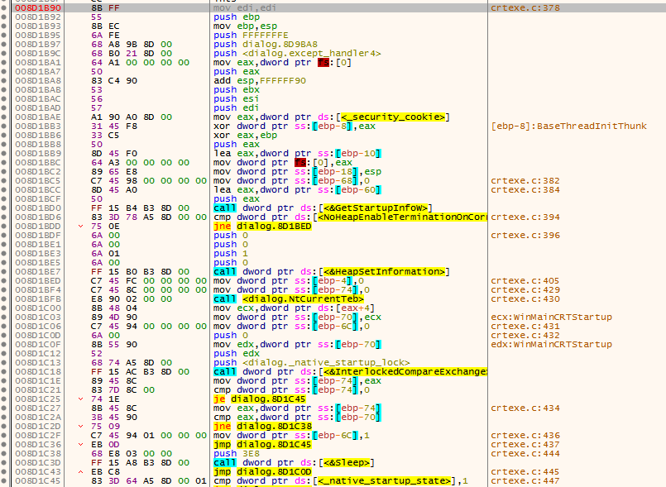

 |  |  |  |  |  |  |  |  |  |  |  | 008D26B0: WinMain

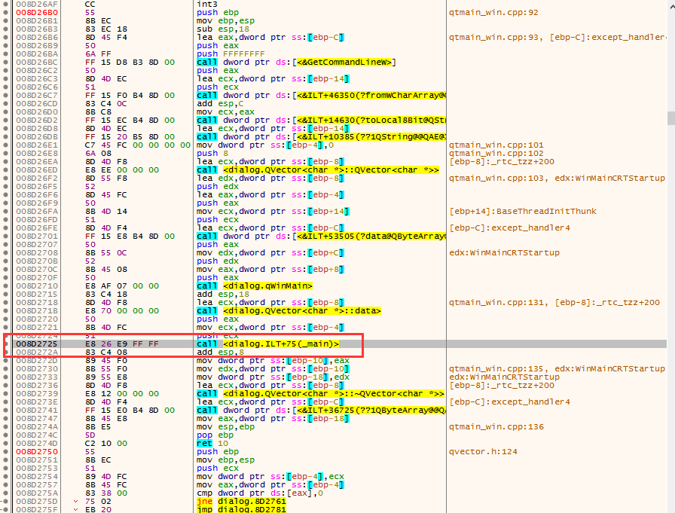
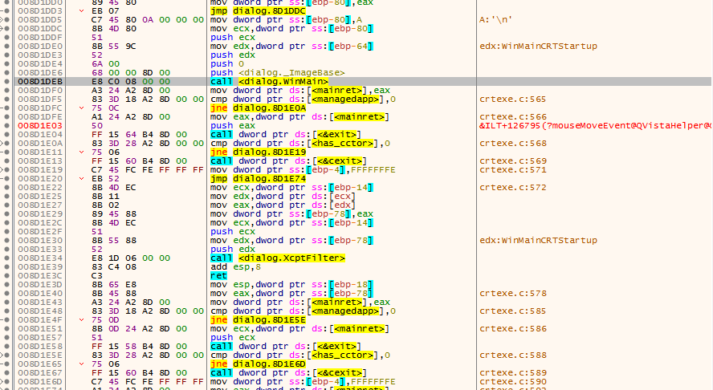

 |  |  |  |  | 008D15F0: main()
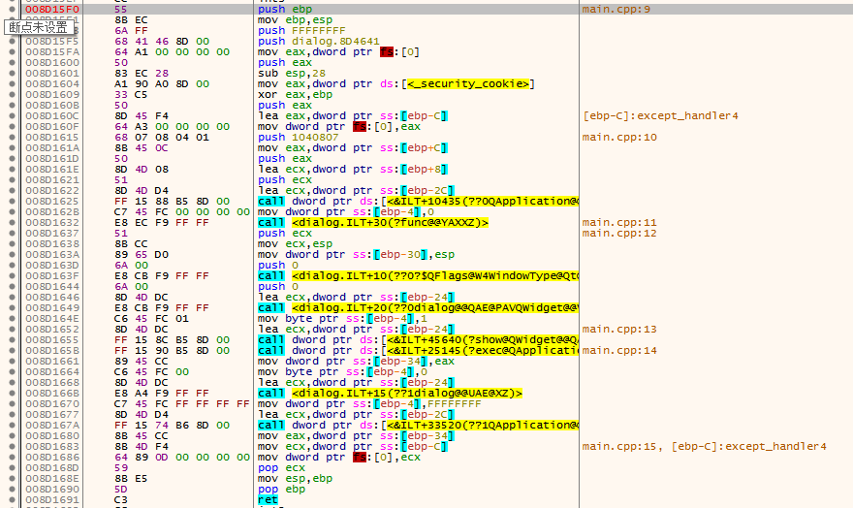

 |  | __tmainCRTStartup函数调用过程
 |  | call dword ptr ds:[<&GetStartupInfoW>]
 |  | call dword ptr ds:[<&HeapSetInformation>]
 |  | call <dialog.NtCurrentTeb>
 |  | call dword ptr ds:[<&InterlockedCompareExchange>]
 |  | call <dialog.initterm_e>
 |  | call <dialog.initterm>
 |  | call dword ptr ds:[<&InterlockedExchange>]
调用过程： |  | call dword ptr ds:[<&CrtSetCheckCount>]
 |  | call dword ptr ds:[<&ismbblead>]
 |  | call <dialog.WinMain> |  |  |  | QDialog对话框启动
OEP入口点 |  | call dword ptr ds:[<&exit>] |  |  |  | 程序退出

008D1B70： WinMainCRTStartup |  | 008D1B90： __tmainCRTStartup |  |  |  |  |  | 008D26B0: WinMain |  |  | 008D15F0: main()

 |  |  |  |  |  |  |  | qtmain_win.cpp:92
mov edi,edi |  | mov edi,edi |  |  |  |  |  | push ebp |  |  | push ebp
push ebp |  | push ebp |  |  |  |  |  | mov ebp,esp |  |  | mov ebp,esp
mov ebp,esp |  | mov ebp,esp |  |  |  |  |  | sub esp,18 |  |  | push FFFFFFFF
call <dialog._security_init_cookie> |  | push FFFFFFFE |  |  |  |  |  | lea eax,dword ptr ss:[ebp-C] |  |  | push dialog.8D4641
call <dialog._tmainCRTStartup> |  | push dialog.8D9BA8 |  |  |  |  |  | push eax |  |  | mov eax,dword ptr fs:[0]
pop ebp |  | push <dialog.except_handler4> |  |  |  |  |  | push FFFFFFFF |  |  | push eax
ret |  | mov eax,dword ptr fs:[0] |  |  |  |  |  | call dword ptr ds:[<&GetCommandLineW>] |  |  | sub esp,28
 |  | push eax |  |  |  |  |  | push eax |  |  | mov eax,dword ptr ds:[<_security_cookie>]
 |  | add esp,FFFFFF90 |  |  |  |  |  | lea ecx,dword ptr ss:[ebp-14] |  |  | xor eax,ebp
 |  | push ebx |  |  |  |  |  | push ecx |  |  | push eax
 |  | push esi |  |  |  |  |  | call dword ptr ds:[<&ILT+46350(?fromWCharArray@QString@@SA?AV1@PBGH@Z)>] |  |  | lea eax,dword ptr ss:[ebp-C]
 |  | push edi |  |  |  |  |  | add esp,C |  |  | mov dword ptr fs:[0],eax
 |  | mov eax,dword ptr ds:[<_security_cookie>] |  |  |  |  |  | mov ecx,eax |  |  | push 1040807
 |  | xor dword ptr ss:[ebp-8],eax |  |  |  |  |  | call dword ptr ds:[<&ILT+14630(?toLocal8Bit@QString@@QBE?AVQByteArray@@XZ)>] |  |  | mov eax,dword ptr ss:[ebp+C]
 |  | xor eax,ebp |  |  |  |  |  | lea ecx,dword ptr ss:[ebp-14] |  |  | push eax
 |  | push eax |  |  |  |  |  | call dword ptr ds:[<&ILT+10385(??1QString@@QAE@XZ)>] |  |  | lea ecx,dword ptr ss:[ebp+8]
 |  | lea eax,dword ptr ss:[ebp-10] |  |  |  |  |  | mov dword ptr ss:[ebp-4],0 |  |  | push ecx
 |  | mov dword ptr fs:[0],eax |  |  |  |  |  | push 8 |  |  | lea ecx,dword ptr ss:[ebp-2C]
 |  | mov dword ptr ss:[ebp-18],esp |  |  |  |  |  | lea ecx,dword ptr ss:[ebp-8] |  |  | call dword ptr ds:[<&ILT+10435(??0QApplication@@QAE@AAHPAPADH@Z)>]
 |  | mov dword ptr ss:[ebp-68],0 |  |  |  |  |  | call <dialog.QVector<char *>::QVector<char *>> |  |  | mov dword ptr ss:[ebp-4],0
 |  | lea eax,dword ptr ss:[ebp-60] |  |  |  |  |  | lea edx,dword ptr ss:[ebp-8] |  |  | call <dialog.ILT+30(?func@@YAXXZ)>
 |  | push eax |  |  |  |  |  | push edx |  |  | push ecx
 |  | call dword ptr ds:[<&GetStartupInfoW>] |  |  |  |  |  | lea eax,dword ptr ss:[ebp-4] |  |  | mov ecx,esp
 |  | cmp dword ptr ds:[<NoHeapEnableTerminationOnCorruption>],0 |  |  |  |  |  | push eax |  |  | mov dword ptr ss:[ebp-30],esp
 |  | jne dialog.8D1BED |  |  |  |  |  | mov ecx,dword ptr ss:[ebp+14] |  |  | push 0
 |  | push 0 |  |  |  |  |  | push ecx |  |  | call <dialog.ILT+10(??0?$QFlags@W4WindowType@Qt@@@@QAE@PAPAX@Z)>
 |  | push 0 |  |  |  |  |  | lea ecx,dword ptr ss:[ebp-C] |  |  | push 0
 |  | push 1 |  |  |  |  |  | call dword ptr ds:[<&ILT+53505(?data@QByteArray@@QAEPADXZ)>] |  |  | lea ecx,dword ptr ss:[ebp-24]
 |  | push 0 |  |  |  |  |  | push eax |  |  | call <dialog.ILT+20(??0dialog@@QAE@PAVQWidget@@V?$QFlags@W4WindowType@Qt@@@@@Z)>
 |  | call dword ptr ds:[<&HeapSetInformation>] |  |  |  |  |  | mov edx,dword ptr ss:[ebp+C] |  |  | mov byte ptr ss:[ebp-4],1
 |  | mov dword ptr ss:[ebp-4],0 |  |  |  |  |  | push edx |  |  | lea ecx,dword ptr ss:[ebp-24]
 |  | mov dword ptr ss:[ebp-74],0 |  |  |  |  |  | mov eax,dword ptr ss:[ebp+8] |  |  | call dword ptr ds:[<&ILT+45640(?show@QWidget@@QAEXXZ)>]
 |  | call <dialog.NtCurrentTeb> |  |  |  |  |  | push eax |  |  | call dword ptr ds:[<&ILT+25145(?exec@QApplication@@SAHXZ)>]
 |  | mov ecx,dword ptr ds:[eax+4] |  |  |  |  |  | call <dialog.qWinMain> 疑问：在qcoreapplication_win.cpp:line 169 |  |  | mov dword ptr ss:[ebp-34],eax
 |  | mov dword ptr ss:[ebp-70],ecx |  |  |  |  |  | add esp,18 |  |  | mov byte ptr ss:[ebp-4],0
 |  | mov dword ptr ss:[ebp-6C],0 |  |  |  |  |  | lea ecx,dword ptr ss:[ebp-8] |  |  | lea ecx,dword ptr ss:[ebp-24]
 |  | push 0 |  |  |  |  |  | call <dialog.QVector<char *>::data> |  |  | call <dialog.ILT+15(??1dialog@@UAE@XZ)>
 |  | mov edx,dword ptr ss:[ebp-70] |  |  |  |  |  | push eax |  |  | mov dword ptr ss:[ebp-4],FFFFFFFF
 |  | push edx |  |  |  |  |  | mov ecx,dword ptr ss:[ebp-4] |  |  | lea ecx,dword ptr ss:[ebp-2C]
 |  | push <dialog._native_startup_lock> |  |  |  |  |  | push ecx |  |  | call dword ptr ds:[<&ILT+33520(??1QApplication@@UAE@XZ)>]
 |  | call dword ptr ds:[<&InterlockedCompareExchange>] |  |  |  |  |  | call <dialog.ILT+75(_main)> |  |  | mov eax,dword ptr ss:[ebp-34]
 |  | mov dword ptr ss:[ebp-74],eax |  |  |  |  |  | add esp,8 |  |  | mov ecx,dword ptr ss:[ebp-C]
 |  | cmp dword ptr ss:[ebp-74],0 |  |  |  |  |  | mov dword ptr ss:[ebp-10],eax |  |  | mov dword ptr fs:[0],ecx
 |  | je dialog.8D1C45 |  |  |  |  |  | mov edx,dword ptr ss:[ebp-10] |  |  | pop ecx
 |  | mov eax,dword ptr ss:[ebp-74] |  |  |  |  |  | mov dword ptr ss:[ebp-18],edx |  |  | mov esp,ebp
 |  | cmp eax,dword ptr ss:[ebp-70] |  |  |  |  |  | lea ecx,dword ptr ss:[ebp-8] |  |  | pop ebp
 |  | jne dialog.8D1C38 |  |  |  |  |  | call <dialog.QVector<char *>::~QVector<char *>> |  |  | ret
 |  | mov dword ptr ss:[ebp-6C],1 |  |  |  |  |  | lea ecx,dword ptr ss:[ebp-C]
 |  | jmp dialog.8D1C45 |  |  |  |  |  | call dword ptr ds:[<&ILT+36725(??1QByteArray@@QAE@XZ)>]
 |  | push 3E8 |  |  |  |  |  | mov eax,dword ptr ss:[ebp-18]
 |  | call dword ptr ds:[<&Sleep>] |  |  |  |  |  | mov esp,ebp
 |  | jmp dialog.8D1C0D |  |  |  |  |  | pop ebp
 |  | cmp dword ptr ds:[<_native_startup_state>],1 |  |  |  |  |  | ret 10
 |  | jne dialog.8D1C5A
 |  | push 1F
 |  | call <dialog.amsg_exit>
 |  | add esp,4
 |  | jmp dialog.8D1CA5
 |  | cmp dword ptr ds:[<_native_startup_state>],0
 |  | jne dialog.8D1C9B
 |  | mov dword ptr ds:[<_native_startup_state>],1
 |  | push <dialog._xi_z>
 |  | push <dialog._xi_a>
 |  | call <dialog.initterm_e>
 |  | add esp,8
 |  | test eax,eax
 |  | je dialog.8D1C99
 |  | mov dword ptr ss:[ebp-7C],FF
 |  | mov dword ptr ss:[ebp-4],FFFFFFFE
 |  | mov eax,dword ptr ss:[ebp-7C]
 |  | jmp dialog.8D1E79
 |  | jmp dialog.8D1CA5
 |  | mov dword ptr ds:[<has_cctor>],1
 |  | cmp dword ptr ds:[<_native_startup_state>],1
 |  | jne dialog.8D1CCA
 |  | push <dialog._xc_z>
 |  | push <dialog._xc_a>
 |  | call <dialog.initterm>
 |  | add esp,8
 |  | mov dword ptr ds:[<_native_startup_state>],2
 |  | cmp dword ptr ds:[<_native_startup_state>],2
 |  | je dialog.8D1CF5
 |  | push <dialog. ?? ::t:: ?? >
 |  | push 0
 |  | push 1DC
 |  | push <dialog. ?? ::c:: ?? >
 |  | push 2
 |  | call dword ptr ds:[<&CrtDbgReportW>]
 |  | add esp,14
 |  | cmp eax,1
 |  | jne dialog.8D1CF5
 |  | int3
 |  | cmp dword ptr ss:[ebp-6C],0
 |  | jne dialog.8D1D08
 |  | push 0
 |  | push <dialog._native_startup_lock>
 |  | call dword ptr ds:[<&InterlockedExchange>]
 |  | cmp dword ptr ds:[<_dyn_tls_init_callback>],0
 |  | je dialog.8D1D2E
 |  | push <dialog._dyn_tls_init_callback>
 |  | call <dialog.IsNonwritableInCurrentImage>
 |  | add esp,4
 |  | test eax,eax
 |  | je dialog.8D1D2E
 |  | push 0
 |  | push 2
 |  | push 0
 |  | call dword ptr ds:[<_dyn_tls_init_callback>]
 |  | push 1
 |  | call dword ptr ds:[<&CrtSetCheckCount>]
 |  | add esp,4
 |  | mov edx,dword ptr ds:[<imp___acmdln>]
 |  | mov eax,dword ptr ds:[edx]
 |  | mov dword ptr ss:[ebp-64],eax
 |  | mov ecx,dword ptr ss:[ebp-64]
 |  | movzx edx,byte ptr ds:[ecx]
 |  | cmp edx,20
 |  | jg dialog.8D1D5F
 |  | mov eax,dword ptr ss:[ebp-64]
 |  | movzx ecx,byte ptr ds:[eax]
 |  | test ecx,ecx
 |  | je dialog.8D1DA4
 |  | cmp dword ptr ss:[ebp-68],0
 |  | je dialog.8D1DA4
 |  | mov edx,dword ptr ss:[ebp-64]
 |  | movzx eax,byte ptr ds:[edx]
 |  | cmp eax,22
 |  | jne dialog.8D1D76
 |  | xor ecx,ecx
 |  | cmp dword ptr ss:[ebp-68],0
 |  | sete cl
 |  | mov dword ptr ss:[ebp-68],ecx
 |  | mov edx,dword ptr ss:[ebp-64]
 |  | movzx eax,byte ptr ds:[edx]
 |  | push eax
 |  | call dword ptr ds:[<&ismbblead>]
 |  | add esp,4
 |  | test eax,eax
 |  | je dialog.8D1D99
 |  | cmp dword ptr ss:[ebp-64],0
 |  | je dialog.8D1D99
 |  | mov ecx,dword ptr ss:[ebp-64]
 |  | add ecx,1
 |  | mov dword ptr ss:[ebp-64],ecx
 |  | mov edx,dword ptr ss:[ebp-64]
 |  | add edx,1
 |  | mov dword ptr ss:[ebp-64],edx
 |  | jmp dialog.8D1D44
 |  | mov eax,dword ptr ss:[ebp-64]
 |  | movzx ecx,byte ptr ds:[eax]
 |  | test ecx,ecx
 |  | je dialog.8D1DC4
 |  | mov edx,dword ptr ss:[ebp-64]
 |  | movzx eax,byte ptr ds:[edx]
 |  | cmp eax,20
 |  | jg dialog.8D1DC4
 |  | mov ecx,dword ptr ss:[ebp-64]
 |  | add ecx,1
 |  | mov dword ptr ss:[ebp-64],ecx
 |  | jmp dialog.8D1DA4
 |  | mov edx,dword ptr ss:[ebp-34]
 |  | and edx,1
 |  | je dialog.8D1DD5
 |  | movzx eax,word ptr ss:[ebp-30]
 |  | mov dword ptr ss:[ebp-80],eax
 |  | jmp dialog.8D1DDC
 |  | mov dword ptr ss:[ebp-80],A
 |  | mov ecx,dword ptr ss:[ebp-80]
 |  | push ecx
 |  | mov edx,dword ptr ss:[ebp-64]
 |  | push edx
 |  | push 0
 |  | push <dialog._ImageBase>
 |  | call <dialog.WinMain>
 |  | mov dword ptr ds:[<mainret>],eax
 |  | cmp dword ptr ds:[<managedapp>],0
 |  | jne dialog.8D1E0A
 |  | mov eax,dword ptr ds:[<mainret>]
 |  | push eax
 |  | call dword ptr ds:[<&exit>]
 |  | cmp dword ptr ds:[<has_cctor>],0
 |  | jne dialog.8D1E19
 |  | call dword ptr ds:[<&cexit>]
 |  | mov dword ptr ss:[ebp-4],FFFFFFFE
 |  | jmp dialog.8D1E74
 |  | mov ecx,dword ptr ss:[ebp-14]
 |  | mov edx,dword ptr ds:[ecx]
 |  | mov eax,dword ptr ds:[edx]
 |  | mov dword ptr ss:[ebp-78],eax
 |  | mov ecx,dword ptr ss:[ebp-14]
 |  | push ecx
 |  | mov edx,dword ptr ss:[ebp-78]
 |  | push edx
 |  | call <dialog.XcptFilter>
 |  | add esp,8
 |  | ret
 |  | mov esp,dword ptr ss:[ebp-18]
 |  | mov eax,dword ptr ss:[ebp-78]
 |  | mov dword ptr ds:[<mainret>],eax
 |  | cmp dword ptr ds:[<managedapp>],0
 |  | jne dialog.8D1E5E
 |  | mov ecx,dword ptr ds:[<mainret>]
 |  | push ecx
 |  | call dword ptr ds:[<&exit>]
 |  | cmp dword ptr ds:[<has_cctor>],0
 |  | jne dialog.8D1E6D
 |  | call dword ptr ds:[<&cexit>]
 |  | mov dword ptr ss:[ebp-4],FFFFFFFE
 |  | mov eax,dword ptr ds:[<mainret>]
 |  | mov ecx,dword ptr ss:[ebp-10]
 |  | mov dword ptr fs:[0],ecx
 |  | pop ecx
 |  | pop edi
 |  | pop esi
 |  | pop ebx
 |  | mov esp,ebp
 |  | pop ebp
 |  | ret

Win32控制台程序
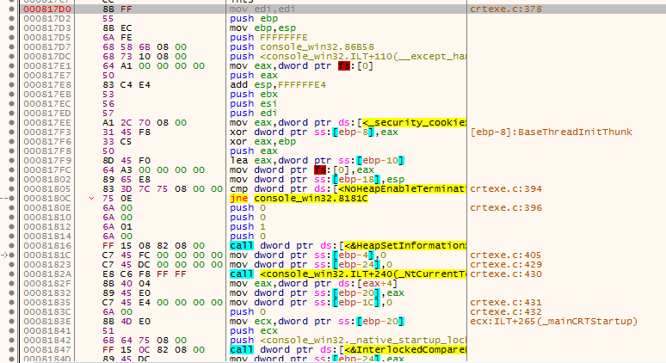
Win32 控制台程序

#include <stdio.h>

void func()
{
 | ;
}
int main(int argc, char* argv[])
{
 | func();
 | return 0;
}

入口函数
0008110E： _mainCRTStartup |  | 000817B0： mainCRTStartup

 |  | 000817D0： __tmainCRTStartup

