Qt控制台程序
纯console控制台程序 |  |  |  | 调用过程：

#include <QtCore/QCoreApplication>
 |  |  |  | OEP入口点
void func()
{ |  |  |  | 009A11E0： mainCRTStartup | 009A1200： __tmainCRTStartup |  |  | 009A1030: int main(int argc, char* argv[])

}
int main(int argc, char *argv[])
{
 | QCoreApplication a(argc, argv);
 | func();

 | return a.exec();
}

疑问一：入口函数就不对！！

 |  |  |  | 009A11E0： mainCRTStartup |  |  | 009A1200： __tmainCRTStartup
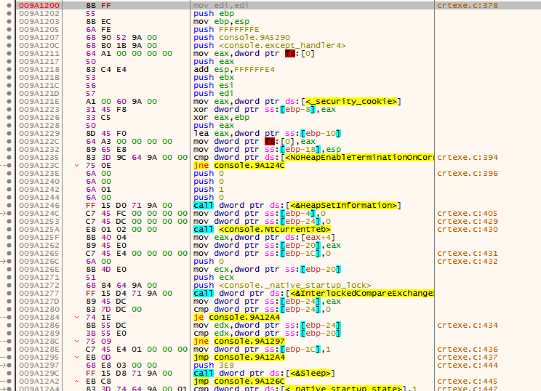

 |  | 009A1030: int main(int argc, char* argv[])
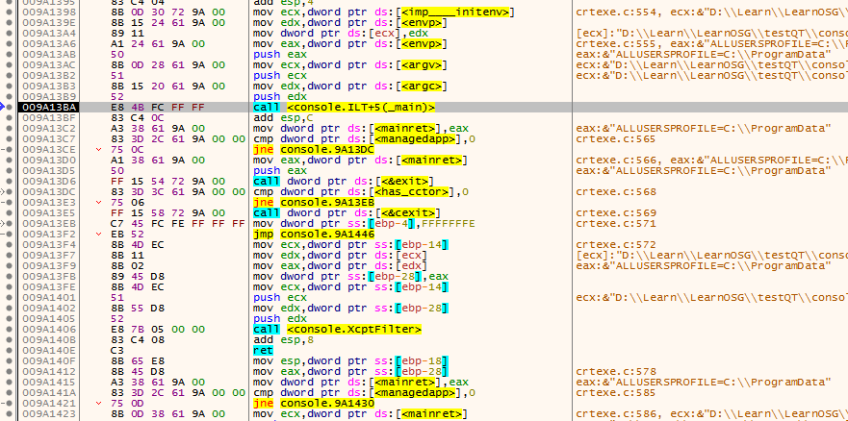
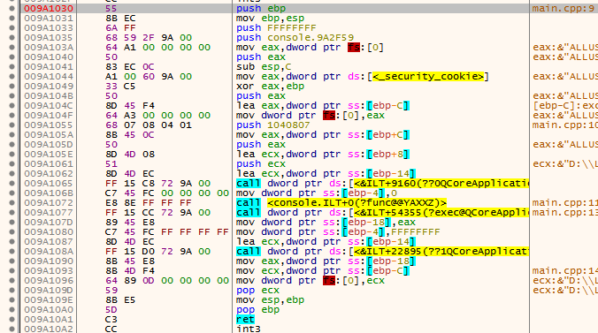

调用过程：

OEP入口点

009A11E0： mainCRTStartup |  |  | 009A1200： __tmainCRTStartup |  |  | 009A1030: int main(int argc, char* argv[])

mov edi,edi |  |  | mov edi,edi |  |  | push ebp
push ebp |  |  | push ebp |  |  | mov ebp,esp
mov ebp,esp |  |  | mov ebp,esp |  |  | push FFFFFFFF
call <console._security_init_cookie> |  |  | push FFFFFFFE |  |  | push console.9A2F59
call <console._tmainCRTStartup> |  |  | push console.9A5290 |  |  | mov eax,dword ptr fs:[0]
pop ebp |  |  | push <console.except_handler4> |  |  | push eax
ret |  |  | mov eax,dword ptr fs:[0] |  |  | sub esp,C
 |  |  | push eax |  |  | mov eax,dword ptr ds:[<_security_cookie>]
 |  |  | add esp,FFFFFFE4 |  |  | xor eax,ebp
 |  |  | push ebx |  |  | push eax
 |  |  | push esi |  |  | lea eax,dword ptr ss:[ebp-C]
 |  |  | push edi |  |  | mov dword ptr fs:[0],eax
 |  |  | mov eax,dword ptr ds:[<_security_cookie>] |  |  | push 1040807
 |  |  | xor dword ptr ss:[ebp-8],eax |  |  | mov eax,dword ptr ss:[ebp+C]
 |  |  | xor eax,ebp |  |  | push eax
 |  |  | push eax |  |  | lea ecx,dword ptr ss:[ebp+8]
 |  |  | lea eax,dword ptr ss:[ebp-10] |  |  | push ecx
 |  |  | mov dword ptr fs:[0],eax |  |  | lea ecx,dword ptr ss:[ebp-14]
 |  |  | mov dword ptr ss:[ebp-18],esp |  |  | call dword ptr ds:[<&ILT+9160(??0QCoreApplication@@QAE@AAHPAPADH@Z)>]
 |  |  | cmp dword ptr ds:[<NoHeapEnableTerminationOnCorruption>],0 |  |  | mov dword ptr ss:[ebp-4],0
 |  |  | jne console.9A124C |  |  | call <console.ILT+0(?func@@YAXXZ)>
 |  |  | push 0 |  |  | call dword ptr ds:[<&ILT+54355(?exec@QCoreApplication@@SAHXZ)>]
 |  |  | push 0 |  |  | mov dword ptr ss:[ebp-18],eax
 |  |  | push 1 |  |  | mov dword ptr ss:[ebp-4],FFFFFFFF
 |  |  | push 0 |  |  | lea ecx,dword ptr ss:[ebp-14]
 |  |  | call dword ptr ds:[<&HeapSetInformation>] |  |  | call dword ptr ds:[<&ILT+22895(??1QCoreApplication@@UAE@XZ)>]
 |  |  | mov dword ptr ss:[ebp-4],0 |  |  | mov eax,dword ptr ss:[ebp-18]
 |  |  | mov dword ptr ss:[ebp-24],0 |  |  | mov ecx,dword ptr ss:[ebp-C]
 |  |  | call <console.NtCurrentTeb> |  |  | mov dword ptr fs:[0],ecx
 |  |  | mov eax,dword ptr ds:[eax+4] |  |  | pop ecx
 |  |  | mov dword ptr ss:[ebp-20],eax |  |  | mov esp,ebp
 |  |  | mov dword ptr ss:[ebp-1C],0 |  |  | pop ebp
 |  |  | push 0 |  |  | ret
 |  |  | mov ecx,dword ptr ss:[ebp-20]
 |  |  | push ecx
 |  |  | push <console._native_startup_lock>
 |  |  | call dword ptr ds:[<&InterlockedCompareExchange>]
 |  |  | mov dword ptr ss:[ebp-24],eax
 |  |  | cmp dword ptr ss:[ebp-24],0
 |  |  | je console.9A12A4
 |  |  | mov edx,dword ptr ss:[ebp-24]
 |  |  | cmp edx,dword ptr ss:[ebp-20]
 |  |  | jne console.9A1297
 |  |  | mov dword ptr ss:[ebp-1C],1
 |  |  | jmp console.9A12A4
 |  |  | push 3E8
 |  |  | call dword ptr ds:[<&Sleep>]
 |  |  | jmp console.9A126C
 |  |  | cmp dword ptr ds:[<_native_startup_state>],1
 |  |  | jne console.9A12B9
 |  |  | push 1F
 |  |  | call <console.amsg_exit>
 |  |  | add esp,4
 |  |  | jmp console.9A1304
 |  |  | cmp dword ptr ds:[<_native_startup_state>],0
 |  |  | jne console.9A12FA
 |  |  | mov dword ptr ds:[<_native_startup_state>],1
 |  |  | push <console._xi_z>
 |  |  | push <console._xi_a>
 |  |  | call <console.initterm_e>
 |  |  | add esp,8
 |  |  | test eax,eax
 |  |  | je console.9A12F8
 |  |  | mov dword ptr ss:[ebp-2C],FF
 |  |  | mov dword ptr ss:[ebp-4],FFFFFFFE
 |  |  | mov eax,dword ptr ss:[ebp-2C]
 |  |  | jmp console.9A144B
 |  |  | jmp console.9A1304
 |  |  | mov dword ptr ds:[<has_cctor>],1
 |  |  | cmp dword ptr ds:[<_native_startup_state>],1
 |  |  | jne console.9A1329
 |  |  | push <console._xc_z>
 |  |  | push <console._xc_a>
 |  |  | call <console.initterm>
 |  |  | add esp,8
 |  |  | mov dword ptr ds:[<_native_startup_state>],2
 |  |  | cmp dword ptr ds:[<_native_startup_state>],2
 |  |  | je console.9A1354
 |  |  | push <console. ?? ::t:: ?? >
 |  |  | push 0
 |  |  | push 1DC
 |  |  | push <console. ?? ::c:: ?? >
 |  |  | push 2
 |  |  | call dword ptr ds:[<&CrtDbgReportW>]
 |  |  | add esp,14
 |  |  | cmp eax,1
 |  |  | jne console.9A1354
 |  |  | int3
 |  |  | cmp dword ptr ss:[ebp-1C],0
 |  |  | jne console.9A1367
 |  |  | push 0
 |  |  | push <console._native_startup_lock>
 |  |  | call dword ptr ds:[<&InterlockedExchange>]
 |  |  | cmp dword ptr ds:[<_dyn_tls_init_callback>],0
 |  |  | je console.9A138D
 |  |  | push <console._dyn_tls_init_callback>
 |  |  | call <console.IsNonwritableInCurrentImage>
 |  |  | add esp,4
 |  |  | test eax,eax
 |  |  | je console.9A138D
 |  |  | push 0
 |  |  | push 2
 |  |  | push 0
 |  |  | call dword ptr ds:[<_dyn_tls_init_callback>]
 |  |  | push 1
 |  |  | call dword ptr ds:[<&CrtSetCheckCount>]
 |  |  | add esp,4
 |  |  | mov ecx,dword ptr ds:[<imp____initenv>]
 |  |  | mov edx,dword ptr ds:[<envp>]
 |  |  | mov dword ptr ds:[ecx],edx
 |  |  | mov eax,dword ptr ds:[<envp>]
 |  |  | push eax
 |  |  | mov ecx,dword ptr ds:[<argv>]
 |  |  | push ecx
 |  |  | mov edx,dword ptr ds:[<argc>]
 |  |  | push edx
 |  |  | call <console.ILT+5(_main)>
 |  |  | add esp,C
 |  |  | mov dword ptr ds:[<mainret>],eax
 |  |  | cmp dword ptr ds:[<managedapp>],0
 |  |  | jne console.9A13DC
 |  |  | mov eax,dword ptr ds:[<mainret>]
 |  |  | push eax
 |  |  | call dword ptr ds:[<&exit>]
 |  |  | cmp dword ptr ds:[<has_cctor>],0
 |  |  | jne console.9A13EB
 |  |  | call dword ptr ds:[<&cexit>]
 |  |  | mov dword ptr ss:[ebp-4],FFFFFFFE
 |  |  | jmp console.9A1446
 |  |  | mov ecx,dword ptr ss:[ebp-14]
 |  |  | mov edx,dword ptr ds:[ecx]
 |  |  | mov eax,dword ptr ds:[edx]
 |  |  | mov dword ptr ss:[ebp-28],eax
 |  |  | mov ecx,dword ptr ss:[ebp-14]
 |  |  | push ecx
 |  |  | mov edx,dword ptr ss:[ebp-28]
 |  |  | push edx
 |  |  | call <console.XcptFilter>
 |  |  | add esp,8
 |  |  | ret
 |  |  | mov esp,dword ptr ss:[ebp-18]
 |  |  | mov eax,dword ptr ss:[ebp-28]
 |  |  | mov dword ptr ds:[<mainret>],eax
 |  |  | cmp dword ptr ds:[<managedapp>],0
 |  |  | jne console.9A1430
 |  |  | mov ecx,dword ptr ds:[<mainret>]
 |  |  | push ecx
 |  |  | call dword ptr ds:[<&exit>]
 |  |  | cmp dword ptr ds:[<has_cctor>],0
 |  |  | jne console.9A143F
 |  |  | call dword ptr ds:[<&cexit>]
 |  |  | mov dword ptr ss:[ebp-4],FFFFFFFE
 |  |  | mov eax,dword ptr ds:[<mainret>]
 |  |  | mov ecx,dword ptr ss:[ebp-10]
 |  |  | mov dword ptr fs:[0],ecx
 |  |  | pop ecx
 |  |  | pop edi
 |  |  | pop esi
 |  |  | pop ebx
 |  |  | mov esp,ebp
 |  |  | pop ebp
 |  |  | ret

Qt对话框程序
对话框程序 |  |  | 调用过程：

#include "dialog.h"
#include <QtGui/QApplication> |  |  | OEP入口点

void func() |  |  | 008D1B70： WinMainCRTStartup |  |  |  | 008D1B90： __tmainCRTStartup |  | 008D26B0: WinMain | 008D15F0: main()
{

}
int main(int argc, char *argv[])
{
 | QApplication a(argc, argv);
 | func();
 | dialog w;
 | w.show();
 | return a.exec();
}

OptionalHeader.AddressOfEntryPoint

008D1B70： WinMainCRTStartup |  |  |  | 008D1B90： __tmainCRTStartup

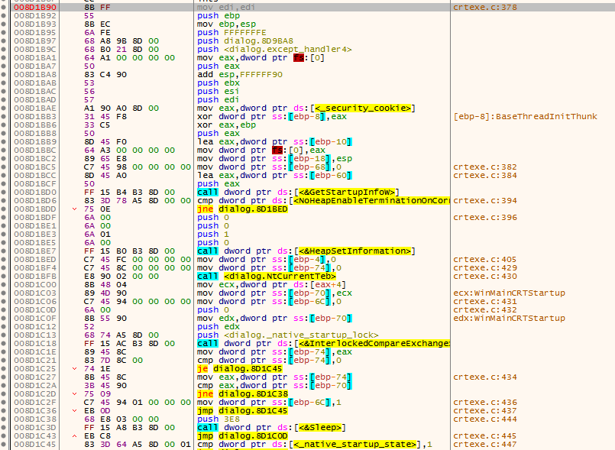

 |  |  |  |  |  |  |  |  |  |  |  | 008D26B0: WinMain

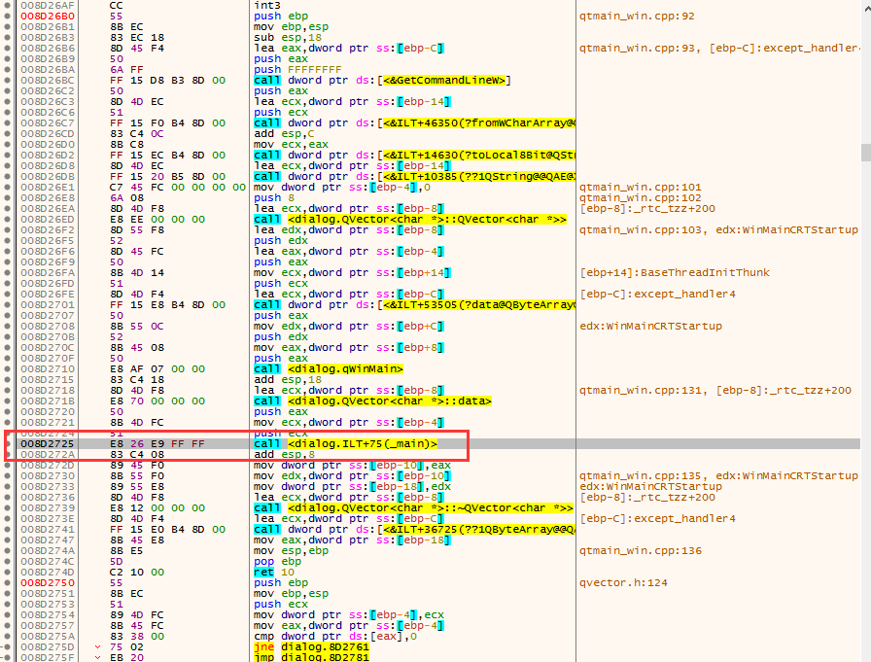
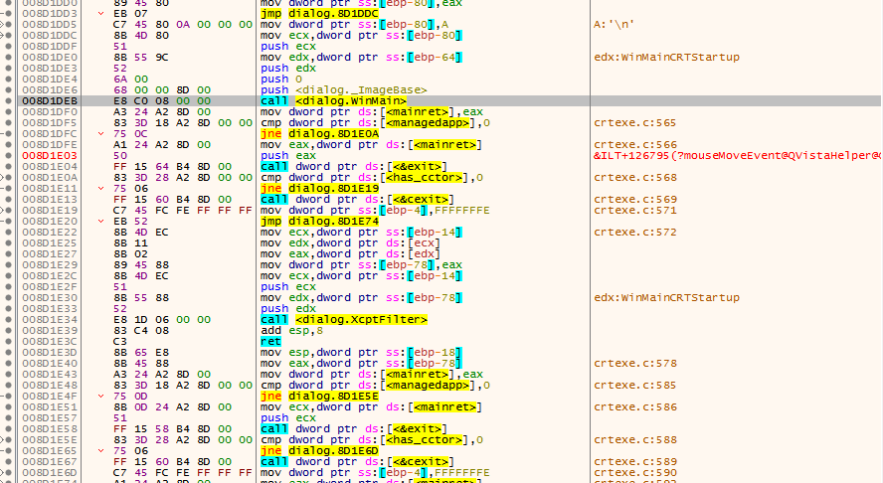

 |  |  |  |  | 008D15F0: main()
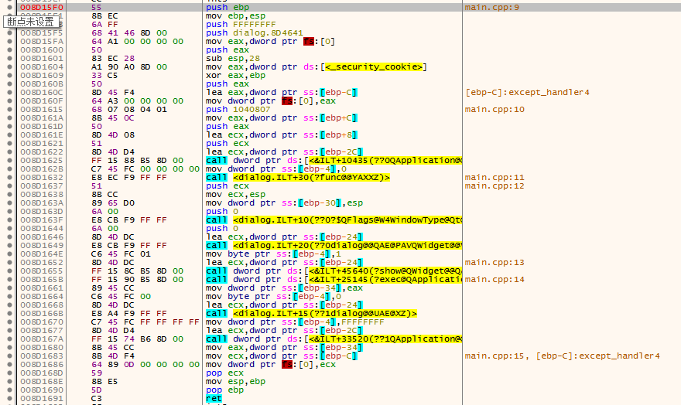

 |  | __tmainCRTStartup函数调用过程
 |  | call dword ptr ds:[<&GetStartupInfoW>]
 |  | call dword ptr ds:[<&HeapSetInformation>]
 |  | call <dialog.NtCurrentTeb>
 |  | call dword ptr ds:[<&InterlockedCompareExchange>]
 |  | call <dialog.initterm_e>
 |  | call <dialog.initterm>
 |  | call dword ptr ds:[<&InterlockedExchange>]
调用过程： |  | call dword ptr ds:[<&CrtSetCheckCount>]
 |  | call dword ptr ds:[<&ismbblead>]
 |  | call <dialog.WinMain> |  |  |  | QDialog对话框启动
OEP入口点 |  | call dword ptr ds:[<&exit>] |  |  |  | 程序退出

008D1B70： WinMainCRTStartup |  | 008D1B90： __tmainCRTStartup |  |  |  |  |  | 008D26B0: WinMain |  |  | 008D15F0: main()

 |  |  |  |  |  |  |  | qtmain_win.cpp:92
mov edi,edi |  | mov edi,edi |  |  |  |  |  | push ebp |  |  | push ebp
push ebp |  | push ebp |  |  |  |  |  | mov ebp,esp |  |  | mov ebp,esp
mov ebp,esp |  | mov ebp,esp |  |  |  |  |  | sub esp,18 |  |  | push FFFFFFFF
call <dialog._security_init_cookie> |  | push FFFFFFFE |  |  |  |  |  | lea eax,dword ptr ss:[ebp-C] |  |  | push dialog.8D4641
call <dialog._tmainCRTStartup> |  | push dialog.8D9BA8 |  |  |  |  |  | push eax |  |  | mov eax,dword ptr fs:[0]
pop ebp |  | push <dialog.except_handler4> |  |  |  |  |  | push FFFFFFFF |  |  | push eax
ret |  | mov eax,dword ptr fs:[0] |  |  |  |  |  | call dword ptr ds:[<&GetCommandLineW>] |  |  | sub esp,28
 |  | push eax |  |  |  |  |  | push eax |  |  | mov eax,dword ptr ds:[<_security_cookie>]
 |  | add esp,FFFFFF90 |  |  |  |  |  | lea ecx,dword ptr ss:[ebp-14] |  |  | xor eax,ebp
 |  | push ebx |  |  |  |  |  | push ecx |  |  | push eax
 |  | push esi |  |  |  |  |  | call dword ptr ds:[<&ILT+46350(?fromWCharArray@QString@@SA?AV1@PBGH@Z)>] |  |  | lea eax,dword ptr ss:[ebp-C]
 |  | push edi |  |  |  |  |  | add esp,C |  |  | mov dword ptr fs:[0],eax
 |  | mov eax,dword ptr ds:[<_security_cookie>] |  |  |  |  |  | mov ecx,eax |  |  | push 1040807
 |  | xor dword ptr ss:[ebp-8],eax |  |  |  |  |  | call dword ptr ds:[<&ILT+14630(?toLocal8Bit@QString@@QBE?AVQByteArray@@XZ)>] |  |  | mov eax,dword ptr ss:[ebp+C]
 |  | xor eax,ebp |  |  |  |  |  | lea ecx,dword ptr ss:[ebp-14] |  |  | push eax
 |  | push eax |  |  |  |  |  | call dword ptr ds:[<&ILT+10385(??1QString@@QAE@XZ)>] |  |  | lea ecx,dword ptr ss:[ebp+8]
 |  | lea eax,dword ptr ss:[ebp-10] |  |  |  |  |  | mov dword ptr ss:[ebp-4],0 |  |  | push ecx
 |  | mov dword ptr fs:[0],eax |  |  |  |  |  | push 8 |  |  | lea ecx,dword ptr ss:[ebp-2C]
 |  | mov dword ptr ss:[ebp-18],esp |  |  |  |  |  | lea ecx,dword ptr ss:[ebp-8] |  |  | call dword ptr ds:[<&ILT+10435(??0QApplication@@QAE@AAHPAPADH@Z)>]
 |  | mov dword ptr ss:[ebp-68],0 |  |  |  |  |  | call <dialog.QVector<char *>::QVector<char *>> |  |  | mov dword ptr ss:[ebp-4],0
 |  | lea eax,dword ptr ss:[ebp-60] |  |  |  |  |  | lea edx,dword ptr ss:[ebp-8] |  |  | call <dialog.ILT+30(?func@@YAXXZ)>
 |  | push eax |  |  |  |  |  | push edx |  |  | push ecx
 |  | call dword ptr ds:[<&GetStartupInfoW>] |  |  |  |  |  | lea eax,dword ptr ss:[ebp-4] |  |  | mov ecx,esp
 |  | cmp dword ptr ds:[<NoHeapEnableTerminationOnCorruption>],0 |  |  |  |  |  | push eax |  |  | mov dword ptr ss:[ebp-30],esp
 |  | jne dialog.8D1BED |  |  |  |  |  | mov ecx,dword ptr ss:[ebp+14] |  |  | push 0
 |  | push 0 |  |  |  |  |  | push ecx |  |  | call <dialog.ILT+10(??0?$QFlags@W4WindowType@Qt@@@@QAE@PAPAX@Z)>
 |  | push 0 |  |  |  |  |  | lea ecx,dword ptr ss:[ebp-C] |  |  | push 0
 |  | push 1 |  |  |  |  |  | call dword ptr ds:[<&ILT+53505(?data@QByteArray@@QAEPADXZ)>] |  |  | lea ecx,dword ptr ss:[ebp-24]
 |  | push 0 |  |  |  |  |  | push eax |  |  | call <dialog.ILT+20(??0dialog@@QAE@PAVQWidget@@V?$QFlags@W4WindowType@Qt@@@@@Z)>
 |  | call dword ptr ds:[<&HeapSetInformation>] |  |  |  |  |  | mov edx,dword ptr ss:[ebp+C] |  |  | mov byte ptr ss:[ebp-4],1
 |  | mov dword ptr ss:[ebp-4],0 |  |  |  |  |  | push edx |  |  | lea ecx,dword ptr ss:[ebp-24]
 |  | mov dword ptr ss:[ebp-74],0 |  |  |  |  |  | mov eax,dword ptr ss:[ebp+8] |  |  | call dword ptr ds:[<&ILT+45640(?show@QWidget@@QAEXXZ)>]
 |  | call <dialog.NtCurrentTeb> |  |  |  |  |  | push eax |  |  | call dword ptr ds:[<&ILT+25145(?exec@QApplication@@SAHXZ)>]
 |  | mov ecx,dword ptr ds:[eax+4] |  |  |  |  |  | call <dialog.qWinMain> 疑问：在qcoreapplication_win.cpp:line 169 |  |  | mov dword ptr ss:[ebp-34],eax
 |  | mov dword ptr ss:[ebp-70],ecx |  |  |  |  |  | add esp,18 |  |  | mov byte ptr ss:[ebp-4],0
 |  | mov dword ptr ss:[ebp-6C],0 |  |  |  |  |  | lea ecx,dword ptr ss:[ebp-8] |  |  | lea ecx,dword ptr ss:[ebp-24]
 |  | push 0 |  |  |  |  |  | call <dialog.QVector<char *>::data> |  |  | call <dialog.ILT+15(??1dialog@@UAE@XZ)>
 |  | mov edx,dword ptr ss:[ebp-70] |  |  |  |  |  | push eax |  |  | mov dword ptr ss:[ebp-4],FFFFFFFF
 |  | push edx |  |  |  |  |  | mov ecx,dword ptr ss:[ebp-4] |  |  | lea ecx,dword ptr ss:[ebp-2C]
 |  | push <dialog._native_startup_lock> |  |  |  |  |  | push ecx |  |  | call dword ptr ds:[<&ILT+33520(??1QApplication@@UAE@XZ)>]
 |  | call dword ptr ds:[<&InterlockedCompareExchange>] |  |  |  |  |  | call <dialog.ILT+75(_main)> |  |  | mov eax,dword ptr ss:[ebp-34]
 |  | mov dword ptr ss:[ebp-74],eax |  |  |  |  |  | add esp,8 |  |  | mov ecx,dword ptr ss:[ebp-C]
 |  | cmp dword ptr ss:[ebp-74],0 |  |  |  |  |  | mov dword ptr ss:[ebp-10],eax |  |  | mov dword ptr fs:[0],ecx
 |  | je dialog.8D1C45 |  |  |  |  |  | mov edx,dword ptr ss:[ebp-10] |  |  | pop ecx
 |  | mov eax,dword ptr ss:[ebp-74] |  |  |  |  |  | mov dword ptr ss:[ebp-18],edx |  |  | mov esp,ebp
 |  | cmp eax,dword ptr ss:[ebp-70] |  |  |  |  |  | lea ecx,dword ptr ss:[ebp-8] |  |  | pop ebp
 |  | jne dialog.8D1C38 |  |  |  |  |  | call <dialog.QVector<char *>::~QVector<char *>> |  |  | ret
 |  | mov dword ptr ss:[ebp-6C],1 |  |  |  |  |  | lea ecx,dword ptr ss:[ebp-C]
 |  | jmp dialog.8D1C45 |  |  |  |  |  | call dword ptr ds:[<&ILT+36725(??1QByteArray@@QAE@XZ)>]
 |  | push 3E8 |  |  |  |  |  | mov eax,dword ptr ss:[ebp-18]
 |  | call dword ptr ds:[<&Sleep>] |  |  |  |  |  | mov esp,ebp
 |  | jmp dialog.8D1C0D |  |  |  |  |  | pop ebp
 |  | cmp dword ptr ds:[<_native_startup_state>],1 |  |  |  |  |  | ret 10
 |  | jne dialog.8D1C5A
 |  | push 1F
 |  | call <dialog.amsg_exit>
 |  | add esp,4
 |  | jmp dialog.8D1CA5
 |  | cmp dword ptr ds:[<_native_startup_state>],0
 |  | jne dialog.8D1C9B
 |  | mov dword ptr ds:[<_native_startup_state>],1
 |  | push <dialog._xi_z>
 |  | push <dialog._xi_a>
 |  | call <dialog.initterm_e>
 |  | add esp,8
 |  | test eax,eax
 |  | je dialog.8D1C99
 |  | mov dword ptr ss:[ebp-7C],FF
 |  | mov dword ptr ss:[ebp-4],FFFFFFFE
 |  | mov eax,dword ptr ss:[ebp-7C]
 |  | jmp dialog.8D1E79
 |  | jmp dialog.8D1CA5
 |  | mov dword ptr ds:[<has_cctor>],1
 |  | cmp dword ptr ds:[<_native_startup_state>],1
 |  | jne dialog.8D1CCA
 |  | push <dialog._xc_z>
 |  | push <dialog._xc_a>
 |  | call <dialog.initterm>
 |  | add esp,8
 |  | mov dword ptr ds:[<_native_startup_state>],2
 |  | cmp dword ptr ds:[<_native_startup_state>],2
 |  | je dialog.8D1CF5
 |  | push <dialog. ?? ::t:: ?? >
 |  | push 0
 |  | push 1DC
 |  | push <dialog. ?? ::c:: ?? >
 |  | push 2
 |  | call dword ptr ds:[<&CrtDbgReportW>]
 |  | add esp,14
 |  | cmp eax,1
 |  | jne dialog.8D1CF5
 |  | int3
 |  | cmp dword ptr ss:[ebp-6C],0
 |  | jne dialog.8D1D08
 |  | push 0
 |  | push <dialog._native_startup_lock>
 |  | call dword ptr ds:[<&InterlockedExchange>]
 |  | cmp dword ptr ds:[<_dyn_tls_init_callback>],0
 |  | je dialog.8D1D2E
 |  | push <dialog._dyn_tls_init_callback>
 |  | call <dialog.IsNonwritableInCurrentImage>
 |  | add esp,4
 |  | test eax,eax
 |  | je dialog.8D1D2E
 |  | push 0
 |  | push 2
 |  | push 0
 |  | call dword ptr ds:[<_dyn_tls_init_callback>]
 |  | push 1
 |  | call dword ptr ds:[<&CrtSetCheckCount>]
 |  | add esp,4
 |  | mov edx,dword ptr ds:[<imp___acmdln>]
 |  | mov eax,dword ptr ds:[edx]
 |  | mov dword ptr ss:[ebp-64],eax
 |  | mov ecx,dword ptr ss:[ebp-64]
 |  | movzx edx,byte ptr ds:[ecx]
 |  | cmp edx,20
 |  | jg dialog.8D1D5F
 |  | mov eax,dword ptr ss:[ebp-64]
 |  | movzx ecx,byte ptr ds:[eax]
 |  | test ecx,ecx
 |  | je dialog.8D1DA4
 |  | cmp dword ptr ss:[ebp-68],0
 |  | je dialog.8D1DA4
 |  | mov edx,dword ptr ss:[ebp-64]
 |  | movzx eax,byte ptr ds:[edx]
 |  | cmp eax,22
 |  | jne dialog.8D1D76
 |  | xor ecx,ecx
 |  | cmp dword ptr ss:[ebp-68],0
 |  | sete cl
 |  | mov dword ptr ss:[ebp-68],ecx
 |  | mov edx,dword ptr ss:[ebp-64]
 |  | movzx eax,byte ptr ds:[edx]
 |  | push eax
 |  | call dword ptr ds:[<&ismbblead>]
 |  | add esp,4
 |  | test eax,eax
 |  | je dialog.8D1D99
 |  | cmp dword ptr ss:[ebp-64],0
 |  | je dialog.8D1D99
 |  | mov ecx,dword ptr ss:[ebp-64]
 |  | add ecx,1
 |  | mov dword ptr ss:[ebp-64],ecx
 |  | mov edx,dword ptr ss:[ebp-64]
 |  | add edx,1
 |  | mov dword ptr ss:[ebp-64],edx
 |  | jmp dialog.8D1D44
 |  | mov eax,dword ptr ss:[ebp-64]
 |  | movzx ecx,byte ptr ds:[eax]
 |  | test ecx,ecx
 |  | je dialog.8D1DC4
 |  | mov edx,dword ptr ss:[ebp-64]
 |  | movzx eax,byte ptr ds:[edx]
 |  | cmp eax,20
 |  | jg dialog.8D1DC4
 |  | mov ecx,dword ptr ss:[ebp-64]
 |  | add ecx,1
 |  | mov dword ptr ss:[ebp-64],ecx
 |  | jmp dialog.8D1DA4
 |  | mov edx,dword ptr ss:[ebp-34]
 |  | and edx,1
 |  | je dialog.8D1DD5
 |  | movzx eax,word ptr ss:[ebp-30]
 |  | mov dword ptr ss:[ebp-80],eax
 |  | jmp dialog.8D1DDC
 |  | mov dword ptr ss:[ebp-80],A
 |  | mov ecx,dword ptr ss:[ebp-80]
 |  | push ecx
 |  | mov edx,dword ptr ss:[ebp-64]
 |  | push edx
 |  | push 0
 |  | push <dialog._ImageBase>
 |  | call <dialog.WinMain>
 |  | mov dword ptr ds:[<mainret>],eax
 |  | cmp dword ptr ds:[<managedapp>],0
 |  | jne dialog.8D1E0A
 |  | mov eax,dword ptr ds:[<mainret>]
 |  | push eax
 |  | call dword ptr ds:[<&exit>]
 |  | cmp dword ptr ds:[<has_cctor>],0
 |  | jne dialog.8D1E19
 |  | call dword ptr ds:[<&cexit>]
 |  | mov dword ptr ss:[ebp-4],FFFFFFFE
 |  | jmp dialog.8D1E74
 |  | mov ecx,dword ptr ss:[ebp-14]
 |  | mov edx,dword ptr ds:[ecx]
 |  | mov eax,dword ptr ds:[edx]
 |  | mov dword ptr ss:[ebp-78],eax
 |  | mov ecx,dword ptr ss:[ebp-14]
 |  | push ecx
 |  | mov edx,dword ptr ss:[ebp-78]
 |  | push edx
 |  | call <dialog.XcptFilter>
 |  | add esp,8
 |  | ret
 |  | mov esp,dword ptr ss:[ebp-18]
 |  | mov eax,dword ptr ss:[ebp-78]
 |  | mov dword ptr ds:[<mainret>],eax
 |  | cmp dword ptr ds:[<managedapp>],0
 |  | jne dialog.8D1E5E
 |  | mov ecx,dword ptr ds:[<mainret>]
 |  | push ecx
 |  | call dword ptr ds:[<&exit>]
 |  | cmp dword ptr ds:[<has_cctor>],0
 |  | jne dialog.8D1E6D
 |  | call dword ptr ds:[<&cexit>]
 |  | mov dword ptr ss:[ebp-4],FFFFFFFE
 |  | mov eax,dword ptr ds:[<mainret>]
 |  | mov ecx,dword ptr ss:[ebp-10]
 |  | mov dword ptr fs:[0],ecx
 |  | pop ecx
 |  | pop edi
 |  | pop esi
 |  | pop ebx
 |  | mov esp,ebp
 |  | pop ebp
 |  | ret

Win32控制台程序
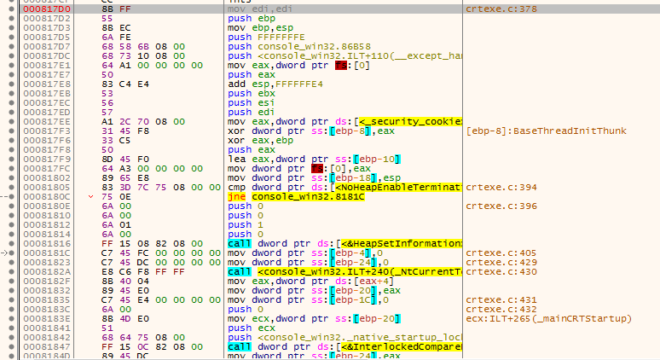
Win32 控制台程序

#include <stdio.h>

void func()
{
 | ;
}
int main(int argc, char* argv[])
{
 | func();
 | return 0;
}

入口函数
0008110E： _mainCRTStartup |  | 000817B0： mainCRTStartup

 |  | 000817D0： __tmainCRTStartup

QPushButton消息机制
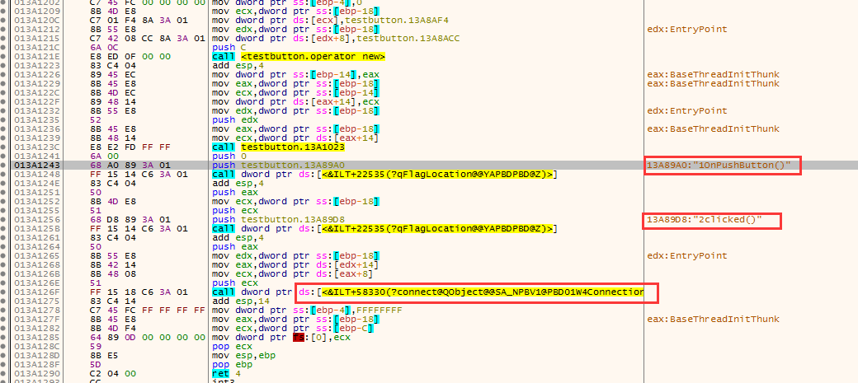
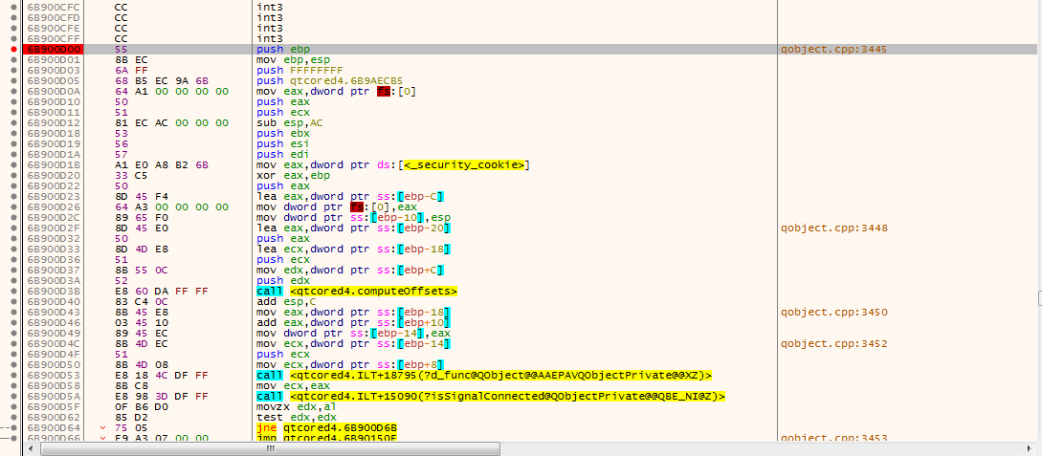
qapplication_win.cpp

extern "C" LRESULT QT_WIN_CALLBACK QtWndProc(HWND hwnd, UINT message, WPARAM wParam, LPARAM lParam)

x32dbg调试状态下： | vs2010调试状态下：

0015C5B4 0x01001A15 返回到 testbutton.01001A15 自 testbutton.01001041 | testButton.exe!Dialog::OnPushButton()

 | testButton.exe!Dialog::qt_static_metacall(QObject * _o, QMetaObject::Call _c, int _id, void * * _a)

0015C5C8 0x54121141 返回到 qtcored4.QMetaObject::activate+441 | QtCored4.dll!QMetaObject::activate(QObject * sender, const QMetaObject * m, int local_signal_index, void * * argv)

0015C6AC 0x54D003FB 返回到 qtguid4.QAbstractButton::clicked+2B | QtGuid4.dll!QAbstractButton::clicked(bool _t1)

0015C6D0 0x5490C2DD 返回到 qtguid4.QAbstractButtonPrivate::emitClicked+5D | QtGuid4.dll!QAbstractButtonPrivate::emitClicked()

0015C6F8 0x5490C258 返回到 qtguid4.QAbstractButtonPrivate::click+158 | QtGuid4.dll!QAbstractButtonPrivate::click()

0015C724 0x5490D414 返回到 qtguid4.QAbstractButton::mouseReleaseEvent+94 | QtGuid4.dll!QAbstractButton::mouseReleaseEvent(QMouseEvent * e)

0015C734 0x544691B4 返回到 qtguid4.QWidget::event+124 | QtGuid4.dll!QWidget::event(QEvent * event)

 | QtGuid4.dll!QAbstractButton::event(QEvent * e)

 | QtGuid4.dll!QPushButton::event(QEvent * e)

 | QtGuid4.dll!QApplicationPrivate::notify_helper(QObject * receiver, QEvent * e)

 | QtGuid4.dll!QApplication::notify(QObject * receiver, QEvent * e)

 | QtCored4.dll!QCoreApplication::notifyInternal(QObject * receiver, QEvent * event)

 | QtCored4.dll!QCoreApplication::sendSpontaneousEvent(QObject * receiver, QEvent * event)

 | QtGuid4.dll!QApplicationPrivate::sendMouseEvent(QWidget * receiver, QMouseEvent * event, QWidget * alienWidget, QWidget * nativeWidget, QWidget * * buttonDown, QPointer<QWidget> & lastMouseReceiver, bool spontaneous)

 | QtGuid4.dll!QETWidget::translateMouseEvent(const tagMSG & msg)

 | QtGuid4.dll!QtWndProc(HWND__ * hwnd, unsigned int message, unsigned int wParam, long lParam)

信号与槽connect过程
main.cpp

int main(int argc, char *argv[]) |  | qobject.cpp : line 2522
{
printf("hello\n"); |  | bool QObject::connect(const QObject *sender, const char *signal,
qDebug() << "world" ; |  | const QObject *receiver, const char *method,
QCoreApplication app(argc, argv); |  | Qt::ConnectionType type)
 |  | {
Counter a, b; |  | {
QObject::connect(&a, SIGNAL(valueChanged1()), &b, SLOT(setValue1())); |  | const void *cbdata[] = { sender, signal, receiver, method, &type };
QObject::connect(&a, SIGNAL(valueChanged2(int)), &b, SLOT(setValue2(int))); |  | if (QInternal::activateCallbacks(QInternal::ConnectCallback, (void **) cbdata))
 |  | return true;
return app.exec(); |  | }
}
 |  | … …

 |  | #ifndef QT_NO_DEBUG
 |  | if (warnCompat) {
 |  | QMetaMethod smethod = smeta->method(signal_absolute_index);
 |  | QMetaMethod rmethod = rmeta->method(method_index_relative + rmeta->methodOffset());
 |  | check_and_warn_compat(smeta, smethod, rmeta, rmethod);
 |  | }
 |  | #endif
 | line:2649 | if (!QMetaObjectPrivate::connect(sender, signal_index, receiver, method_index_relative, rmeta ,type, types))
 |  | return false;
 |  | const_cast<QObject*>(sender)->connectNotify(signal - 1);
 |  | return true;
 |  | }

 |  | qobject.cpp : line 3148

 |  | bool QMetaObjectPrivate::connect(const QObject *sender, int signal_index,
 |  | const QObject *receiver, int method_index,
 |  | const QMetaObject *rmeta, int type, int *types)
 |  | {
 |  | QObject *s = const_cast<QObject *>(sender);
 |  | QObject *r = const_cast<QObject *>(receiver);

 |  | … …

 | line:3180 | QObjectPrivate::Connection *c = new QObjectPrivate::Connection;
 |  | c->sender = s;
 |  | c->receiver = r;
 |  | c->method_relative = method_index;
 |  | c->method_offset = method_offset;
 |  | c->connectionType = type;
 |  | c->argumentTypes = types;
 |  | c->nextConnectionList = 0;
 |  | c->callFunction = callFunction;

 |  | QT_TRY { |  | qobject_p.h | qobject_p.h
 | line:3191 | QObjectPrivate::get(s)->addConnection(signal_index, c);
 |  | } QT_CATCH(...) { | line:98 | class Q_CORE_EXPORT QObjectPrivate : public QObjectData
 |  | delete c; |  | {
 |  | QT_RETHROW; |  | … …
 |  | }
 |  |  | line:177 | static QObjectPrivate *get(QObject *o) { |  | … …
 |  | c->prev = &(QObjectPrivate::get(r)->senders); |  | return o->d_func();
 |  | c->next = *c->prev; |  | }
 |  | *c->prev = c;
 |  | if (c->next) |  | … …
 |  | c->next->prev = &c->next; |  | };

 |  | QObjectPrivate *const sender_d = QObjectPrivate::get(s);
 |  | if (signal_index < 0) {
 |  | sender_d->connectedSignals[0] = sender_d->connectedSignals[1] = ~0;
 |  | } else if (signal_index < (int)sizeof(sender_d->connectedSignals) * 8) {
 |  | sender_d->connectedSignals[signal_index >> 5] |= (1 << (signal_index & 0x1f)); |  | qobject.cpp
 |  | }
 |  |  | line:330 | void QObjectPrivate::addConnection(int signal, Connection *c)
 |  | return true; |  | {
 |  | } |  | if (!connectionLists)
 |  |  |  | connectionLists = new QObjectConnectionListVector();
 |  |  |  | if (signal >= connectionLists->count())
 |  |  |  | connectionLists->resize(signal + 1);

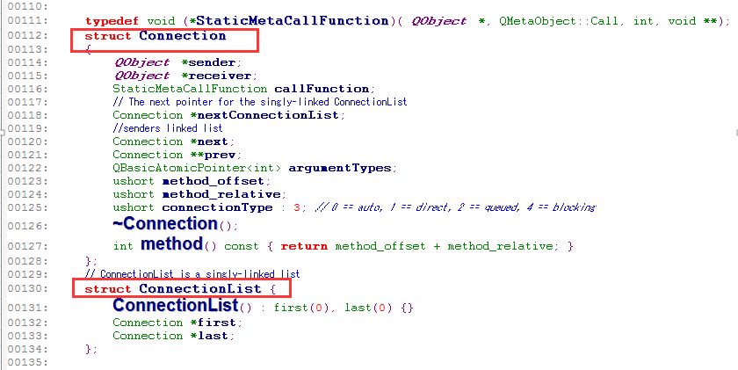
 |  |  |  | ConnectionList &connectionList = (*connectionLists)[signal];
 |  |  |  | if (connectionList.last) {
 |  |  |  | connectionList.last->nextConnectionList = c;
 |  |  |  | } else {
 |  |  |  | connectionList.first = c;
 |  |  |  | }
 |  |  |  | connectionList.last = c;

 |  |  |  | cleanConnectionLists();
 |  |  |  | }

 |  | qobject_p.h

 | line:98 | class Q_CORE_EXPORT QObjectPrivate : public QObjectData
 |  | {
 |  | Q_DECLARE_PUBLIC(QObject)

 |  | public:
 |  | struct ExtraData
 |  | {
 |  | ExtraData() {}
 |  | #ifndef QT_NO_USERDATA
 |  | QVector<QObjectUserData *> userData;
 |  | #endif
 |  | QList<QByteArray> propertyNames;
 |  | QList<QVariant> propertyValues;
 |  | };

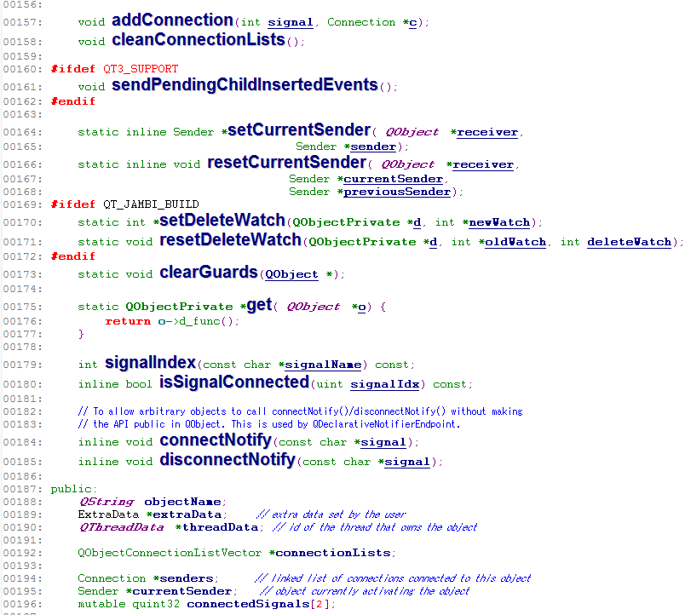
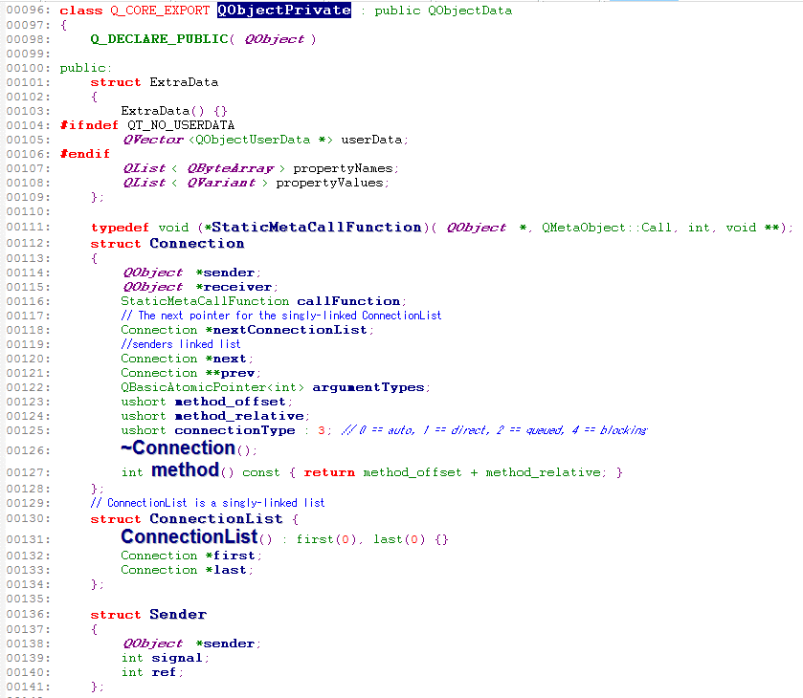
 |  | typedef void (*StaticMetaCallFunction)(QObject *, QMetaObject::Call, int, void **);
 |  | struct Connection
 |  | {
 |  | QObject *sender;
 |  | QObject *receiver;
 |  | StaticMetaCallFunction callFunction;
 |  | // The next pointer for the singly-linked ConnectionList
 |  | Connection *nextConnectionList;
 |  | //senders linked list
 |  | Connection *next;
 |  | Connection **prev;
 |  | QBasicAtomicPointer<int> argumentTypes;
 |  | ushort method_offset;
 |  | ushort method_relative;
 |  | ushort connectionType : 3; // 0 == auto, 1 == direct, 2 == queued, 4 == blocking
 |  | ~Connection();
 |  | int method() const { return method_offset + method_relative; }
 |  | };
 |  | // ConnectionList is a singly-linked list
 |  | struct ConnectionList {
 |  | ConnectionList() : first(0), last(0) {}
 |  | Connection *first;
 |  | Connection *last;
 |  | };

 |  | struct Sender
 |  | {
 |  | QObject *sender;
 |  | int signal;
 |  | int ref;
 |  | };

 |  | QObjectPrivate(int version = QObjectPrivateVersion);
 |  | virtual ~QObjectPrivate();
 |  | void deleteChildren();

 |  | void setParent_helper(QObject *);
 |  | void moveToThread_helper();
 |  | void setThreadData_helper(QThreadData *currentData, QThreadData *targetData);
 |  | void _q_reregisterTimers(void *pointer);

 |  | bool isSender(const QObject *receiver, const char *signal) const;
 |  | QObjectList receiverList(const char *signal) const;
 |  | QObjectList senderList() const;

 |  | void addConnection(int signal, Connection *c);
 |  | void cleanConnectionLists();

 |  | #ifdef QT3_SUPPORT
 |  | void sendPendingChildInsertedEvents();
 |  | #endif

 |  | static inline Sender *setCurrentSender(QObject *receiver,
 |  | Sender *sender);
 |  | static inline void resetCurrentSender(QObject *receiver,
 |  | Sender *currentSender,
 |  | Sender *previousSender);
 |  | #ifdef QT_JAMBI_BUILD
 |  | static int *setDeleteWatch(QObjectPrivate *d, int *newWatch);
 |  | static void resetDeleteWatch(QObjectPrivate *d, int *oldWatch, int deleteWatch);
 |  | #endif
 |  | static void clearGuards(QObject *);

 |  | static QObjectPrivate *get(QObject *o) {
 |  | return o->d_func();
 |  | }

 |  | int signalIndex(const char *signalName) const;
 |  | inline bool isSignalConnected(uint signalIdx) const;

 |  | // To allow arbitrary objects to call connectNotify()/disconnectNotify() without making
 |  | // the API public in QObject. This is used by QDeclarativeNotifierEndpoint.
 |  | inline void connectNotify(const char *signal);
 |  | inline void disconnectNotify(const char *signal);

 |  | static inline void signalSignature(const QMetaMethod &signal,
 |  | QVarLengthArray<char> *result);

 |  | public:
 |  | QString objectName;
 |  | ExtraData *extraData; // extra data set by the user
 |  | QThreadData *threadData; // id of the thread that owns the object

 |  | QObjectConnectionListVector *connectionLists;

 |  | Connection *senders; // linked list of connections connected to this object
 |  | Sender *currentSender; // object currently activating the object
 |  | mutable quint32 connectedSignals[2];

 |  | #ifdef QT3_SUPPORT
 |  | QVector< QWeakPointer<QObject> > pendingChildInsertedEvents;
 |  | #else
 |  | // preserve binary compatibility with code compiled without Qt 3 support
 |  | // keeping the binary layout stable helps the Qt Creator debugger
 |  | void *unused;
 |  | #endif

 |  | QList<QPointer<QObject> > eventFilters;
 |  | union {
 |  | QObject *currentChildBeingDeleted;
 |  | QAbstractDeclarativeData *declarativeData; //extra data used by the declarative module
 |  | };

 |  | // these objects are all used to indicate that a QObject was deleted
 |  | // plus QPointer, which keeps a separate list
 |  | QAtomicPointer<QtSharedPointer::ExternalRefCountData> sharedRefcount;
 |  | #ifdef QT_JAMBI_BUILD
 |  | int *deleteWatch;
 |  | #endif
 |  | };

隐式共享d_pointer技术
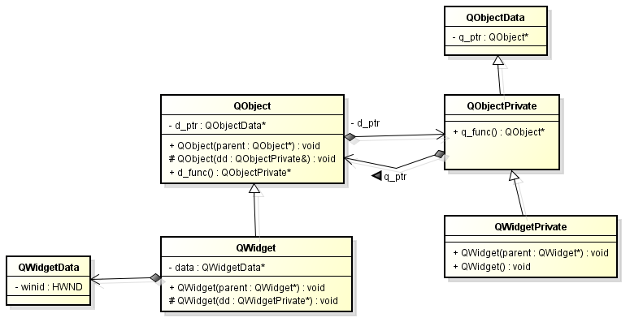
 |  | qobject.cpp

qobject.h |  | qobject.h

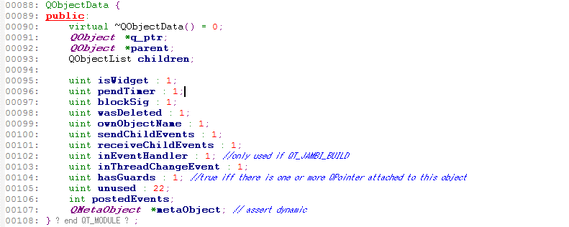

 | … …
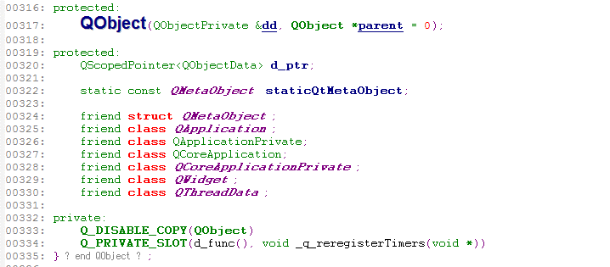

 |  | qobject_p.h

qwidget.h

 | … …

