AP Lead Sheet YEAR
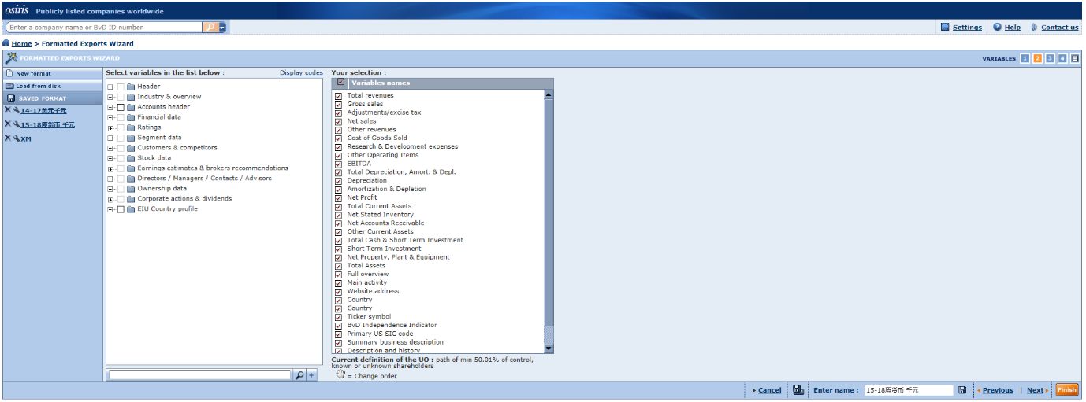
Project Information
Platform details
Database Used | TP Catalyst
Release/Version info
Client Details
Client Name | Pytes
Analysis Period | 2023
Project Type | TP Documentation
Tested Party |  |  | 红字需基于实际情况调整
Location | Asia Pacific
Countries or territories | Far East and Central Asia,Australia,New Zealand

Potential Standard Industrial Classification Codes (“SIC codes”)
SIC Code | Description | No. of Companies
3691 | Storage Batteries | 120
3692 | Primary Batteries, Dry and Wet | 25
3699 | Electrical Machinery, Equipment, and Supplies, Not Elsewhere | 362
 | Total | 507

Screening of Comparable Compaines |  |  | €369.00
Search Step | Search Criteria | Number of Comps Eliminated
1 | Independence(A+, A, A-, B+, B, B-,U) | 138
2 | Insufficient financial data | 11
3 | Consecutive loss | 55
4 | Lev SDA/SDP | 259
5 | Significantly different activities | 6 | €291.00
6 | Significantly different products/services | 26
 | Total | 495
 | Include | 12

