AP Lead Sheet YEAR
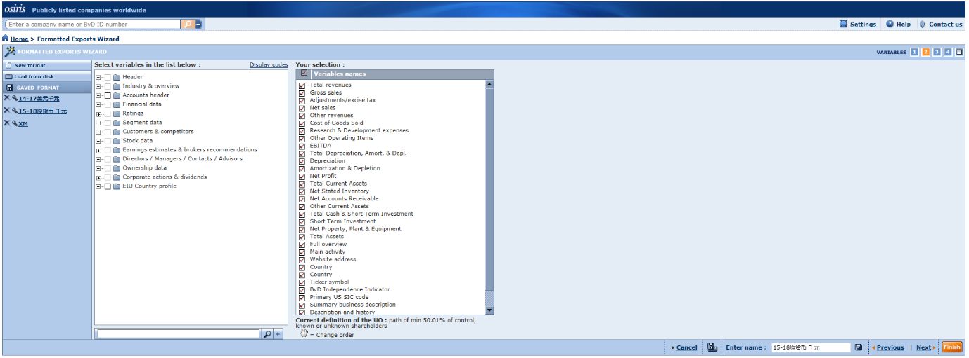
Project Information
Platform details
Database Used | TP Catalyst
Release/Version info
Client Details
Client Name
Analysis Period | 2024
Project Type | TP Documentation
Tested Party | Manufacturing
Location
Countries or territories | Far East and Central Asia

Potential Standard Industrial Classification Codes (“SIC codes”)
SIC Code | Description | No. of Companies
4212 | 本地货车运输，不提供仓储 | 32
4213 | 除本地货车以外的货车运输 | 20
4214 | 本地货车运输，提供仓储 | 24
4731 | 货运安排 | 163
4783 | 包装和装箱服务 | 16
4785 | 汽车运输的固定设备，检查设备和称重服务 | 5
4789 | 其他运输服务 | 172
 | Total | 432

Screening of Comparable Compaines
Search Step | Search Criteria | Number of Comps Eliminated
1 | Independence(A+, A, A-, U) | 301 | 131.00
2 | Insufficient financial data | 16
3 | Consecutive loss | 14
4 | Lev SDA/SDP | 0
5 | Significantly different activities | 32
6 | Significantly different products/services | 59
 | Total | 422
 | Include | 10

