AP Lead Sheet YEAR
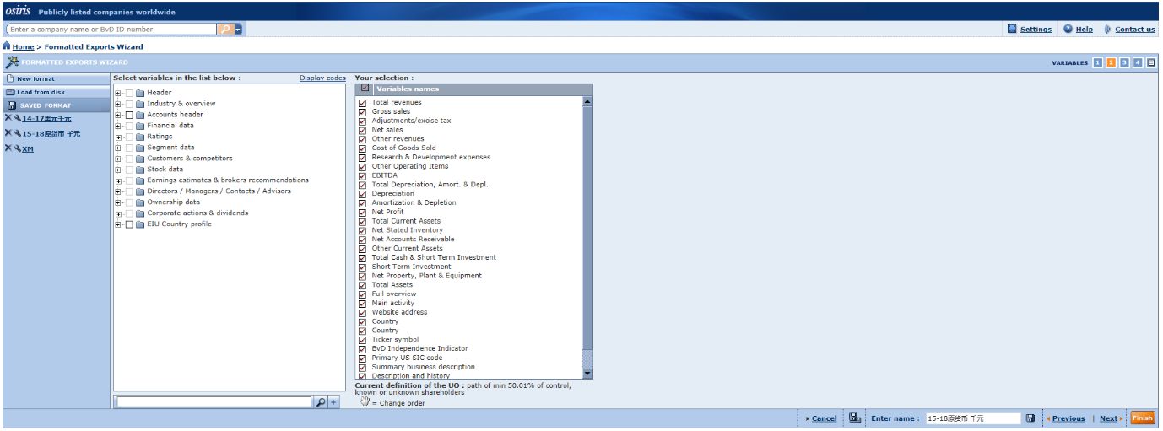
Project Information
Platform details
Database Used | TP Catalyst
Release/Version info
Client Details
Client Name
Analysis Period | 2022
Project Type | TP Documentation
Tested Party | Wholesales/Manufacturing/Services
Location | Asia Pacific
Countries or territories | Far East and Central Asia,Australia,New Zealand

Potential Standard Industrial Classification Codes (“SIC codes”)
SIC Code | Description | No. of Companies
2841 | Soap and Other Detergents, Except Specialty Cleaners | 30
2842 | Specialty Cleaning, Polishing, and Sanitation Preparations | 6
2843 | Surface Active Agents, Finishing Agents, Sulfonated Oils, and Assistants | 5
2844 | Perfumes, Cosmetics, and Other Toilet Preparations | 96
 | Total | 137

Screening of Comparable Compaines
Search Step | Search Criteria | Number of Comps Eliminated
1 | Independence(A+, A, A-, U) | 91 | 46.00
2 | Insufficient financial data | 5
3 | Consecutive loss | 6
4 | Lev SDA/SDP | 23
5 | Significantly different activities | 2
6 | Significantly different products/services | 1
 | Total | 128
 | Include | 9

