AP Lead Sheet YEAR
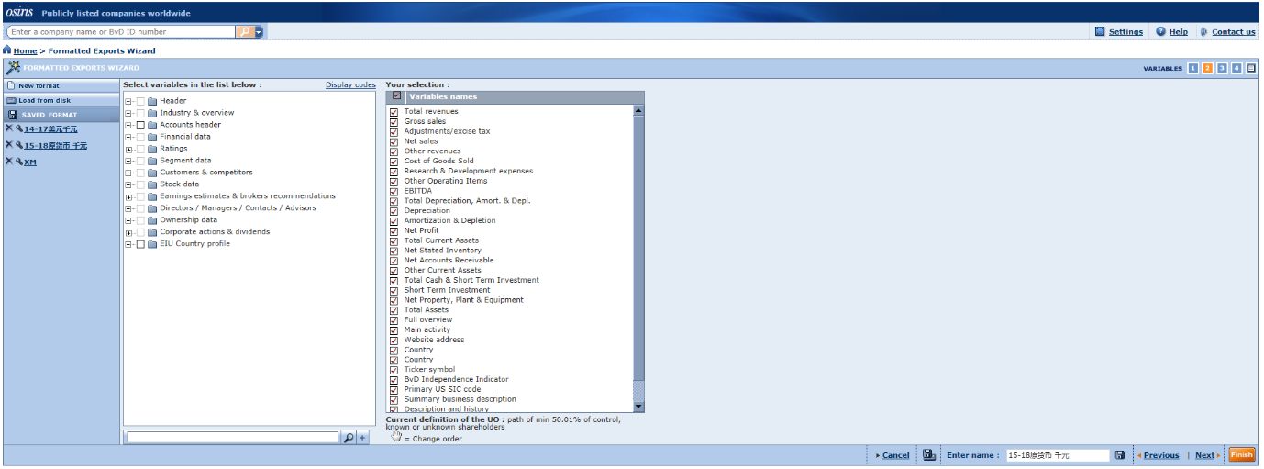
Project Information
Platform details
Database Used
Release/Version info
Client Details
Client Name
Analysis Period
Project Type
Tested Party
Location
Countries or territories

Potential Standard Industrial Classification Codes (“SIC codes”)
SIC Code | Description | No. of Companies

 | Total | 0

Screening of Comparable Compaines
Search Step | Search Criteria | Number of Comps Eliminated
1 |  |  | -
2
3
4
5
6
 | Total | 0
 | Include | 0

