高频手术系统 _淘宝
序号 | 名称 |  | 型号 | 单价 | 数量 | 合计 | 链接
1 | 单排插座 | 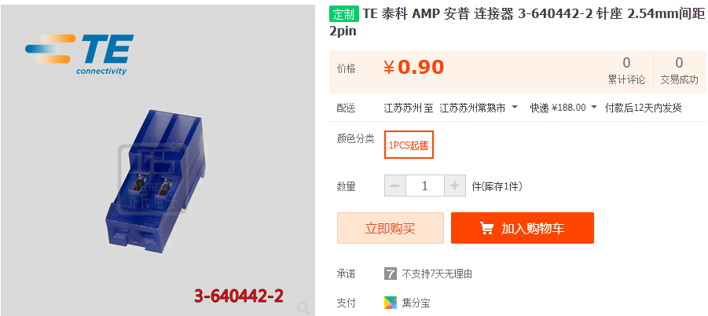 | 单排插座 | ￥0.90 | 40 | ￥36.00 | https://item.taobao.com/item.htm?spm=a230r.1.14.1.472a3cb6CPGgPy&id=521367676901&ns=1&abbucket=3
2 | 插座 | 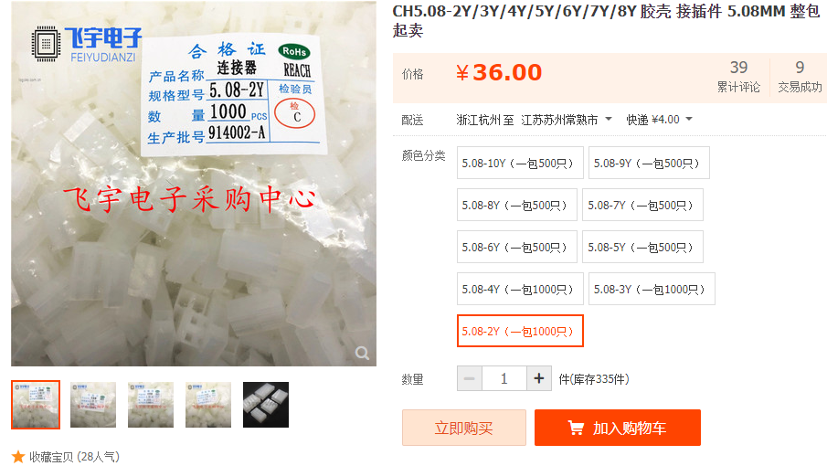 | CH5.08*2PIN | ￥36.00 | 1 | ￥36.00 | https://item.taobao.com/item.htm?spm=a1z0d.7625083.1998302264.5.5c5f4e69fG8Bgg&id=528509004475
3 | SM03B-SRSS-TB(LF)(SN) | 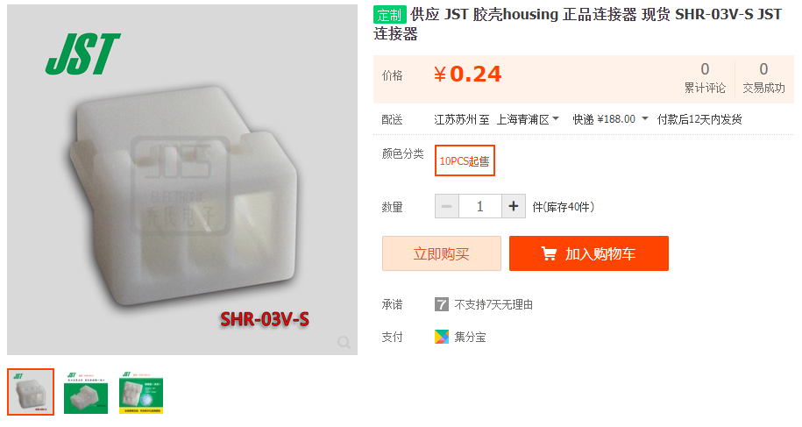 | CONN HEADER SH 3POS SIDE | ￥0.24 | 100 | ￥24.00 | https://item.taobao.com/item.htm?spm=a230r.1.14.3.7c2119cayCt63f&id=562288764670&ns=1&abbucket=3#detail
4 | SSH端子 |  | SSH-003T-P0.2-H |  | 200 |  | https://item.szlcsc.com/254752.html
5 | 14AWG | 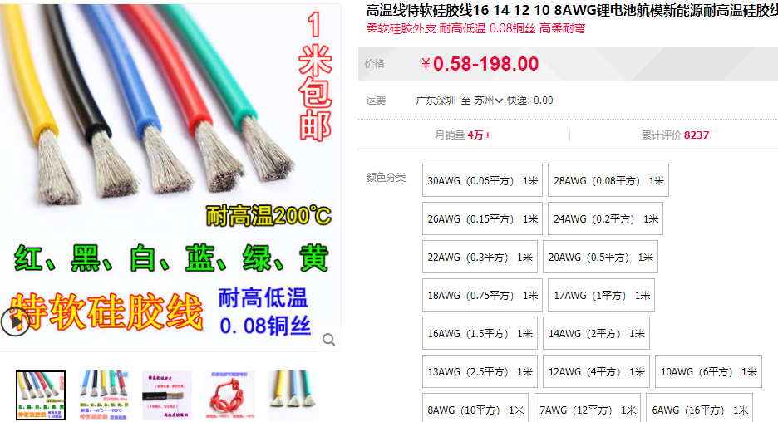 | 四种颜色各10M | ￥3.00 | 40 | ￥120.00 | https://detail.tmall.com/item.htm?id=601167338741&spm=2015.23436601.0.0&skuId=4371828122104
6 | 16AWG |  | 四种颜色各10M | ￥2.20 | 40 | ￥88.00
7 | 18AWG |  | 四种颜色各10M | ￥1.70 | 40 | ￥68.00
8 | 20AWG |  | 四种颜色各10M | ￥1.20 | 40 | ￥48.00
9 | 22AWG |  | 四种颜色各10M | ￥1.00 | 40 | ￥40.00
10 | 24AWG |  | 四种颜色各10M | ￥0.80 | 40 | ￥32.00
11 | 26AWG |  | 四种颜色各10M | ￥0.75 | 40 | ￥30.00
12 | 28AWG |  | 四种颜色各10M | ￥0.67 | 40 | ￥26.80
13 | 压线钳 | 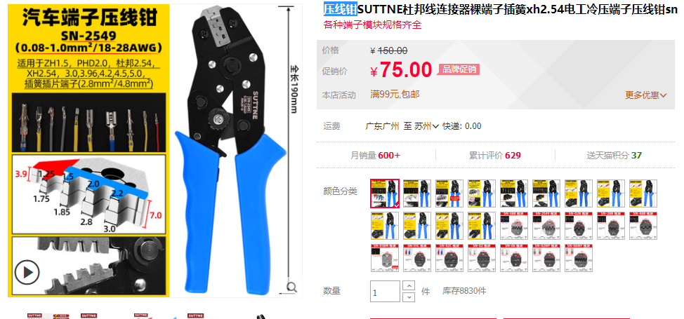 | sn-b | ￥75.00 | 1 | ￥75.00 | https://detail.tmall.com/item.htm?spm=a230r.1.14.6.d364744bdyhNai&id=625285574999&ns=1&abbucket=4&skuId=4706792802381
14 | PH-4Y 4P 胶壳 脚距2.0mm |  | PH-4Y | ￥0.03 | 100 | ￥2.73 | https://item.szlcsc.com/10953.html
15 | PH端子 |  | SPH-002T-P0.5S,PH-T | ￥0.08 | 200 | ￥15.24 | https://item.szlcsc.com/112742.html
16 | 排母 1*6p |  | 2.54-1*6P母 | ￥0.28 | 100 | ￥28.18 | https://item.szlcsc.com/41861.html
17 | XH-3Y |  | 25000-03Y-0B2 | ￥0.03 | 50 | ￥1.44 | https://item.szlcsc.com/532835.html
18 | XH-2Y |  | 25000-02Y-0B2 | ￥0.02 | 100 | ￥2.06 | https://item.szlcsc.com/532830.html
19 | XH-T 端子 |  | XH-T | ￥0.03 | 500 | ￥16.64 | https://item.szlcsc.com/6125.html
20 | A2501H-10P |  | A2501H-10P | ￥0.13 | 100 | ￥12.75 | https://item.szlcsc.com/316717.html
21 | A2501H-4P |  | A2501H-4P | ￥0.05 | 100 | ￥5.24 | https://item.szlcsc.com/316711.html
22 | A2501-TP |  | A2501-TP | ￥0.02 | 1000 | ￥22.01 | https://item.szlcsc.com/316724.html
23 | A3961H-8P |  | A3961H-8P | ￥0.22 | 100 | ￥21.96 | https://item.szlcsc.com/317030.html
24 | A3961H-6P |  | A3961H-6P | ￥0.16 | 100 | ￥16.47 | https://item.szlcsc.com/317028.html
25 | A3961H-4P |  | A3961H-4P | ￥0.15 | 100 | ￥14.98 | https://item.szlcsc.com/317026.html
26 | A3961端子 |  | A3961-TB | ￥0.07 | 1000 | ￥72.55 | https://item.szlcsc.com/317043.html
27 | CH5.08-3Y |  | CH5.08-3Y | ￥0.14 | 200 | ￥28.98 | https://item.szlcsc.com/46333.html
28 | CH3.96-6Y |  | CH3.96-6Y | ￥0.20 | 60 | ￥11.94 | https://item.szlcsc.com/17498.html
29 | CH3.96 端子 |  | CH3.96 端子 | ￥0.06 | 100 | ￥5.84 | https://item.szlcsc.com/17676.html
30 | 2 针位 矩形外壳连接器 插座 间距5.08mm |  | 10013026 | ￥1.00 | 100 | ￥100.00 | https://item.taobao.com/item.htm?id=561251917093
31 | 压接端子 |  | 08701031 | 0.209453 | 100 | ￥20.95 | https://item.szlcsc.com/242004.html

 |  |  |  |  | 4572 | ￥902.82

