Sheet1
序号 | 名称 |  | 型号 | 单价 | 数量 | 合计 | 链接
1 | 彩排线 | 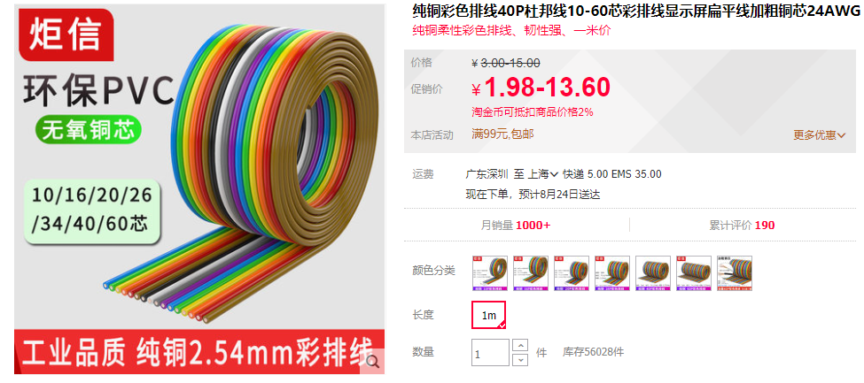 | 16P | ￥3.18 | 5 | ￥15.90 | https://item.taobao.com/item.htm?id=44329095183
2 | 彩排线 | 同上 | 40P | ￥4.80 | 5 | ￥24.00 | https://item.taobao.com/item.htm?id=44329095183
3 | FPC排线 | 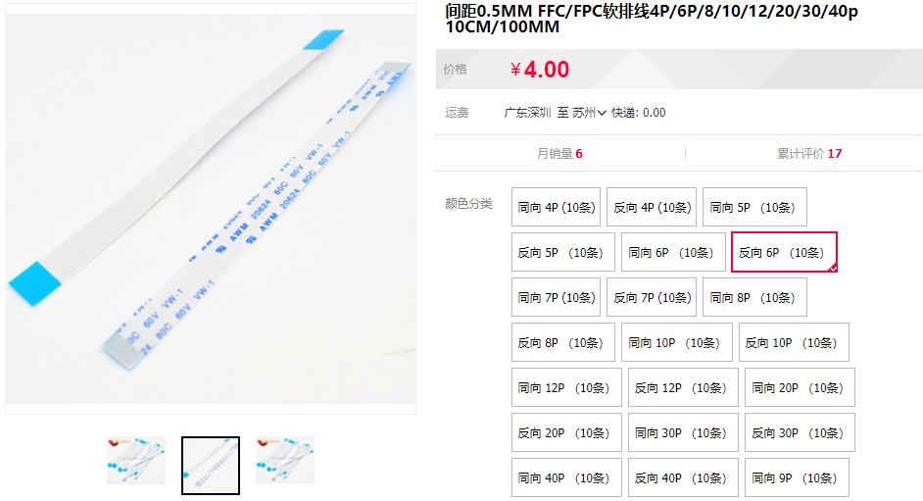 | 反向6P | ￥4.00 | 1 | ￥4.00 | https://item.taobao.com/item.htm?id=524587375047
4 | 扎带 | 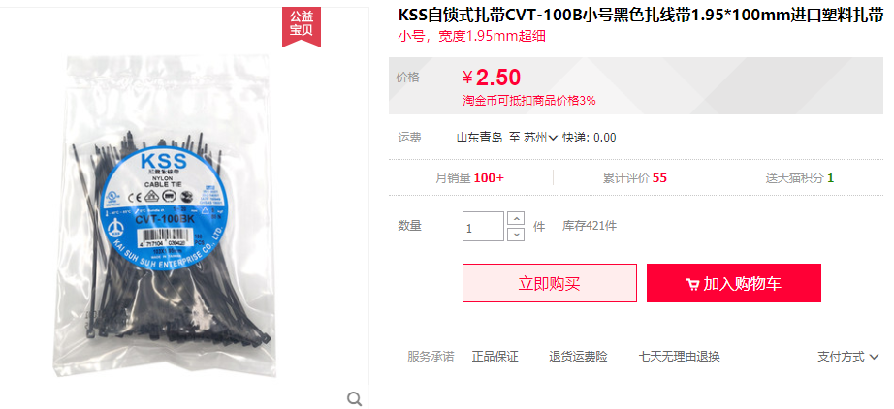 | 1.95 | ￥2.50 | 4 | ￥10.00 | https://item.taobao.com/item.htm?id=622313538988
5 | 纽扣电池 | 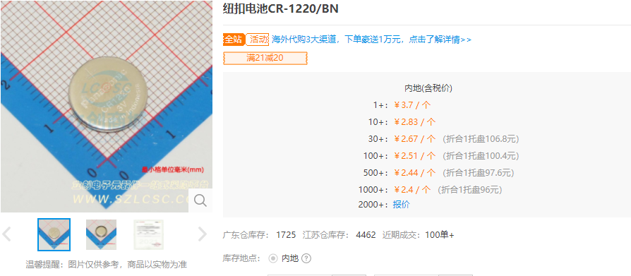 | 1220 | ￥2.83 | 10 | ￥28.30 | https://item.szlcsc.com/48032.html
6 | 1.25 母座 | 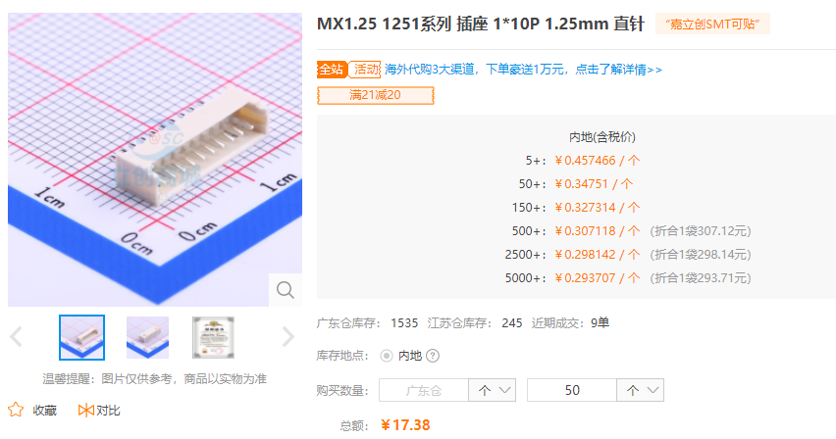 | 1*10P | ￥0.35 | 50 | ￥17.38 | https://item.szlcsc.com/220675.html
7 | 端子 | 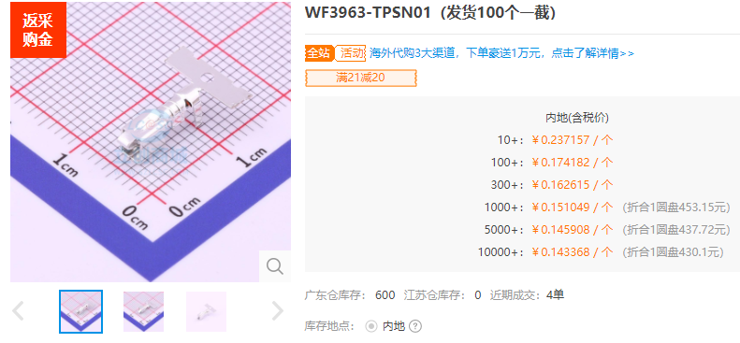 | WF3963-TPSN01 | ￥0.17 | 100 | ￥17.42 | https://item.szlcsc.com/765839.html
8 | 胶壳 WF3963-H03W01 | 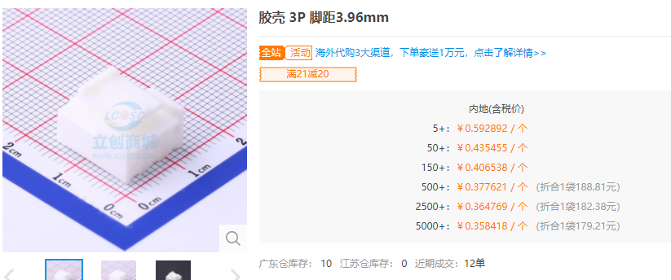 | H03W01 3P-3.96mm | ￥0.44 | 50 | ￥21.77 | https://item.szlcsc.com/765645.html
9 | 胶壳 WF3963-H02W01 | 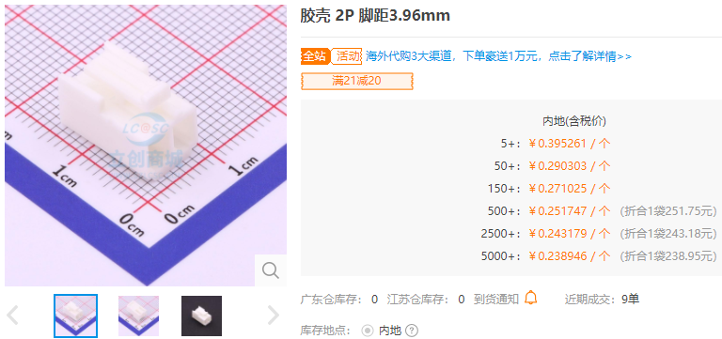 | H02W01 2P-3.96mm | ￥0.29 | 50 | ￥14.52 | https://item.szlcsc.com/765644.html

 |  |  |  |  |  | ￥153.28

