UML
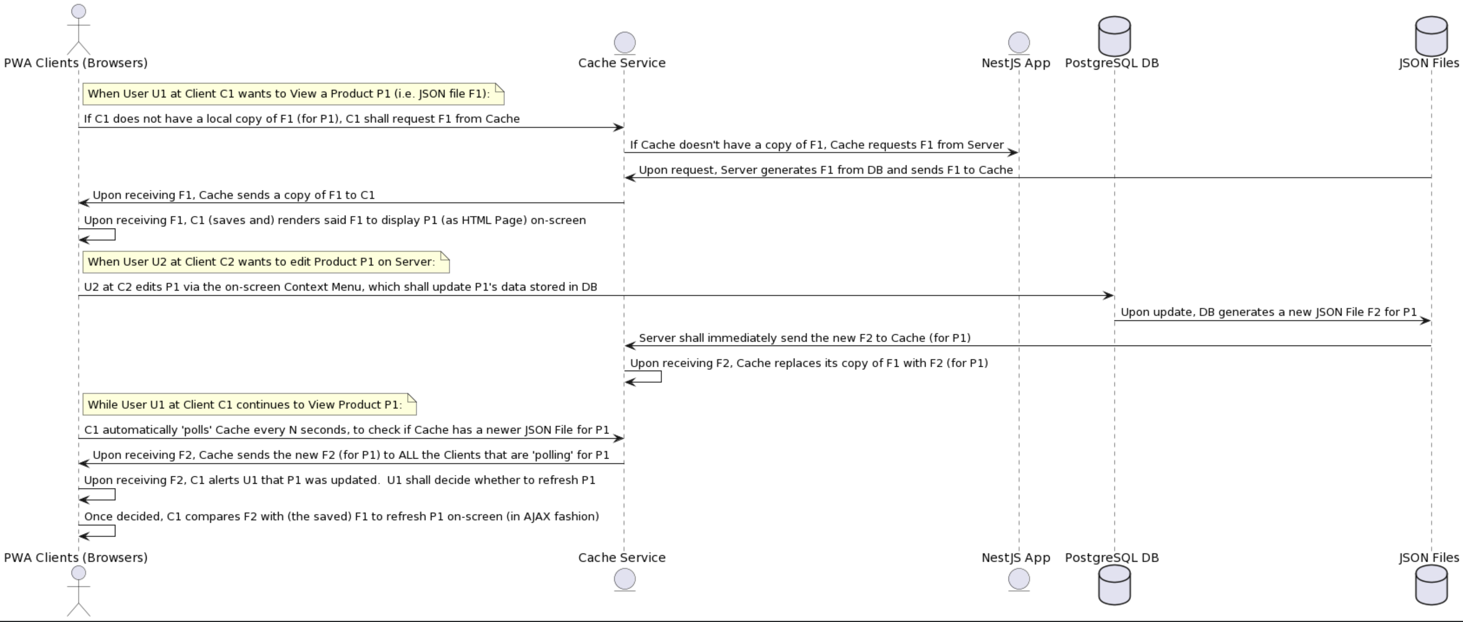
AIC System - UML Diagram
The AIC system was designed to run on a 'Single Linux Server' on AWS, said server shall publish millions of Products, and each said Product (i.e. Product-PG) is published as a JSON file generated from the data stored in PostgreSQL DB.
The above-mentioned single server shall pass the Stress Test of hosting 1M+ Product-PG's while supporting 1M+ concurrent Clients, while each said Client (i.e. PWA session) is viewing 1-or-more Product-PG(s).
Each said Product-PG is displayed on the Client by rendering its corresponding local JSON File which the Client requested and received (the whole file) from the Cache Service on the Server.
Instead of keeping '1M+ open TCP connections' and '1M+ Pub/Sub channels' between the NestJS App and all its Clients, we have designed the following Async architecture for a 'Single server' to handle the workload.
Below is the UML Diagram of the above-mentioned 'Async Client-Server' system architecture: | (the UML source)

DB
Definition of the PostgreSQL DB (SQL-)Tables: |  | Each SQL-Column displayed with a * symbol meaning said Field is Mandatory. (For all the Non-Mandatory fields, their 'Default Value' = Null unless otherwise specified)
 |  | Each below ''BigInt (as Identity)" corrsp to the SQL statement: 'BigInt generated by default as Identity (start with N increment by 1)'
SQL-Table: t-PG | (Primary Key = PG)
SQL-Column | PG*
(Col Data-Type) | Page-ID
SQL-DataType | BigInt (as Identity)
SQL-FKey
DropDown-Source
Note | When adding a PG-Row (i.e. adding a Page) in 'All Pages', the system also adds a unique t-PG.PG which supplies the Page ID-cell of said PG-Row.

SQL-Table: t-Col | (Primary Key = Col)
SQL-Column | Col*
(Col Data-Type) | Col-ID
SQL-DataType | BigInt (as Identity)
SQL-FKey
DropDown-Source
Note | When adding a Col-Row (i.e. adding a Col) in 'All Cols', the system matches 'a new or existing t-Col.Col' which supplies the Col ID-cell of said Col-Row.

SQL-Table: t-Row | (Primary Key = Row)
SQL-Column | Row* | PG | Share | Inherit | Row-Type | Row-Level* | Parent-Row | Sibling-Row
(Col Data-Type) | Row-ID | Page-ID | Row-ID | Row-ID [ ] | Drop-Down | SmallInt | Row | Row
SQL-DataType | BigInt (as Identity) | "PG-ID" | "Row-ID" | "Row-ID" [ ] | "DD" | SmallInt | "Row-ID" | "Row-ID"
SQL-FKey |  | t-PG.PG | t-Row.Row | t-Row.Row [ ] | t-Row.Row |  | t-Row.Row | t-Row.Row
DropDown-Source |  |  |  |  | {Exclude DDS-Head : Row Type}
Note |  | The Page containing said t-Row.Row. If t-Row.PG≠NULL, said Row is a 'Local Row', If t-Row.PG=NULL, said Row is a 'Shared Row'. | If t-Row.PG≠NULL and t-Row.Share≠NULL: System shall display both the content of said 'Local Row (t-Row.Row)' and the content of its corrsp 'Shared Row (t-Row.Share)'. | t-Row.Inherit contains 0-or-more Inherited Row(s) which is calculated from the Parent-Category(s)-Value of said t-Row.Row. |  | Each t-Row.Row-Level is ≥ 0, (Default value = 1). | The 'Parent-Row (of t-Row.Row)' which is contained in the same Page, or =Null if said t-Row.Row has no Parent-Row. | The '(next) Sibling-Row of t-Row.Row', both Rows have the same Parent-Row (or Null), or =NULL if said t-Row.Row is the last Sibling-Row.

SQL-Table: t-User | (Unique Key = User)
SQL-Column | User* | User-Type*
(Col Data-Type) | User-ID | Drop-Down
SQL-DataType | "User-ID" | "DD"
SQL-FKey | t-Row.Row | t-Row.Row
DropDown-Source |  | {Disable DDS-Nodes : User Type)
Note | When a User-Row (i.e. Row with its Row Type = User) in All Profiles is Added/Deleted, a unique t-User.User is also Added/Deleted to match the t-Row.Row of said User-Row)

SQL-Table: t-Cell | (Primary Key = Cell)
SQL-Column | Cell* | Col* | Row* | Data-Type | DropDown-Source | Items
(Col Data-Type) | Cell-ID | Col-ID | Row-ID | Drop-Down | DropDown-Source | Item-ID [ ]
SQL-DataType | BigInt (as Identity) | "Col-ID" | "Row-ID" | "DD" | jsonb | "Item-ID" [ ]
SQL-FKey |  | t-Col.Col | t-Row.Row | t-Row.Row |  | t-Item.Item [ ]
DropDown-Source |  |  |  | {Disable DDS-Nodes : Data Type)
Note | Each t-Cell.Cell (Cell) corrsp to a unique pair of 't-Cell.Col (Col) & t-Cell.Row (Row)'. | Each t-Cell.Cell (Cell) corrsp to an existing t-Col.Col (Col). | If t-Cell.Row is a 'Local Row', said Cell is a 'Local Cell', If t-Cell.Row is a 'Shared Row', said Cell is a 'Shared Cell'. | If t-Cell.Data-Type ≠ NULL then it shall dominate over its corrsp Col's Col Data-Type. | If t-Cell.DropDown-Source ≠ NULL then it shall dominate over its corrsp Col's Col DropDown-Source. | Each Cell contains 0-or-more Items.
 |  |  | If t-Cell.Row = 0, said 't-Cell record' serves as a t-Format.Default. (The DB shall contain one spare 't-Row record' with its t-Row.Row = 0)
SQL-Table: t-Item | (Primary Key = Item)
SQL-Column | Item* | Inherit | Data-Type* | Object | SmallInt | BigInt | Number | Color | DateTime | JSON | Qty | Unit | Std-Qty | Std-Unit | Foreign
(Col Data-Type) | Item-ID | Item-ID [ ] | Drop-Down | Object-ID | SmallInt | BigInt | Number | Color | DateTime | Text / ML-Text / DropDown-Source / Formula / Font-Style / URL /JSON data-types | Number | Unit | Number | Unit | Foreign
SQL-DataType | BigInt (as Identity) | "Item-ID" [ ] | "DD" | BigInt | SmallInt | BigInt | numeric | bytea | timestamp without time zone | jsonb | numeric | "Unit-ID" | numeric | "Unit-ID" | jsonb
SQL-FKey |  | t-Item.Item [ ] | t-Row.Row |  |  |  |  |  |  |  |  | t-Row.Row |  | t-Row.Row
DropDown-Source |  |  | {Disable DDS-Nodes : Data Type)
Note | Each 't-Item.Item (Item)' is contained in an existing 't-Cell.Cell (Cell)'. | t-Item.Inherit contains 0-or-more Inherited Item(s), which was calculated from t-Row.Inherit of the Row (containing said Item). | t-Item.Data-Type shall determine which t-Item.XXX (of the same t-Item record) ≠ Null, while all the rest t-Item.YYY (of the same t-Item record) = Null. | t-Item.Object stores the 'Object-ID' of an existing '(Page/Col/Row/Cell/Item/Format) Object'. | (2-byte integer) | (8-byte integer) |  | RGBA(r,g,b,a) color code in HEX |  | t-Item.JSON stores any data in the JSON-format. | (User-provided Qty) | (Unit of said Qty) | (Std-Qty of said Qty) | (Std-Unit of said Unit) | (Fkey to an external DB or a 3rd-Party data source)

SQL-Table: t-Tx | (Primary Key = Tx)
SQL-Column | Tx* | Tx-Type* | Tx-AuditTrail | Tx-User* | Tx-DateTime* | Tx-XID*
(Col Data-Type) | Tx-ID | Drop-Down | JSON | User-ID | DateTime | BigInt
SQL-DataType | BigInt (as Identity) | "DD" | jsonb | "User-ID" | timestamp | BigInt
SQL-FKey |  | t-Row.Row |  | t-User.User
DropDown-Source |  | {Exclude DDS-Head : Context Menu}
Note | Each 't-Tx record' is called a 'Tx-Record (i.e. Transaction Record)'. | This Tx-Record was generated because a User executed said 'Menu-entry (t-Tx.Tx-Type)'. | Contains 1-or-more pairs of {"(Row-ID of) Action" : "Object-ID" : "Before-data" : "After-data"} as the content of this Tx-Record. Said 'Action' is a 'DDS of Action', said 'Object-ID' is the ID of said Object affected by said Action, and said 'Before/After-data' shall record the 'Before & After data(s)' of said affected Object. | The User who executed a Menu Entry which generated said Tx-Record. | The DateTime said Tx-Record was created. | Said t-Tx.Tx's corrsp 'PostgreSQL Tx-ID' in the 'XID8' data format.

SQL-Table: t-Format | (Primary Key = Format)
Col-Name | Format* | User | Object-Type* | Object* | Container | PG-Nested-Col | PG-Freeze-Col | PG-Expand | PG-Level-Set | PG-Search-Set | PG-Sort | PG-Filter | RowSet-Tick | Col-Order | Col-Min-Width | Item-Order | Owner | Default | Status | Unit | Font-Style | Formula | Comment | Tx-List | Deleted | Deleted-By | Deleted-At
(Col Data-Type) | Format-ID | User-ID | Drop-Down | Object-ID | Object-ID | Col-ID | SmallInt | SmallInt | Level-Set-ID | Search-Set-ID | Formula | Formula | Drop-Down | SmallInt | SmallInt | SmallInt | User-ID | Cell-ID | Drop-Down [ ] | Unit | Font-Style | Formula | ML-Text | Tx-ID | Drop-Down | User-ID | DateTime
SQL-DataType | BigInt (as Identity) | "User-ID" | "DD" | "Object-ID" | "Object-ID" | "Col-ID" | SmallInt | SmallInt | "PG-ID" | "PG-ID" | jsonb | jsonb | "DD" | SmallInt | SmallInt | SmallInt | "User-ID" | "Cell-ID" | "DD" [ ] | "Unit-ID" | jsonb | jsonb | jsonb | "Tx-ID" [ ] | "DD" | "User-ID" | timestamp
SQL-FKey |  | t-User.User | t-Row.Row |  |  | t-Col.Col |  |  | t-PG.PG | t-PG.PG |  |  | t-Row.Row |  |  |  | t-User.User | t-Cell.Cell | t-Row.Row [ ] | t-Row.Row |  |  |  |  | t-Row.Row | t-User.User
DropDown-Source |  |  | {Exclude DDS-Head : Object} |  |  |  |  |  |  |  |  |  | {Exclude DDS-Head : Row-Set Tick} |  |  |  |  |  | {Exclude DDS-Head : Statuses} |  |  |  |  |  | {Exclude DDS-Head : True / False}
Note | Each said 't-Format record' is called a Format-Record. | If said t-Format.User = Null: This Format-Record is (by default) effective (enabled) to all the Guests and Users. If said t-Format.User ≠ Null: This Format-Record is only effective (enabled) when said t-Format.User is the Current-User (which dominates over other Format-Record's with their t-Format.User=Null). | The 'Object Type (i.e. Page/Col/Row/Cell/Item/Format)' of said t-Format.Object. | The '(Page/Col/Row/Cell/Item/Format) t-Format.Object' which is being formatted by said Format-Record. | t-Item.Container is the 'Container-Object' which contains said t-Format.Object. If said t-Format.Container≠Null: This Format-Record applies to a 'Shared (Col/Item) Object' which is currently 'contained' in said '(Page/Row) Container-Object'. Each said 'Shared-Col' is contained in a 'Page', and each said 'Shared-Item (of Shared-Cell)' is contained in a 'Local-Row (with its corrsp t-Row-Share≠Null)'. | (Only enabled when said t-Format.Object-Type = Page) When t-Format.Object-Type = Page, said t-Format.PG-Nested-Col cannot be Null. Meaning: Each Page shall have one mandatory 'Nested-Col'. | (Only enabled when said t-Format.Object-Type = Page) When displaying said 'Page (t-Format.Object)', the system shall Freeze 'all the Cols' with their corrsp 'Col-Order ≤ said t-Format.PG-Freeze-Col (if not NULL)'. | (Only enabled when said t-Format.Object-Type = Page) The current Expand-Level setting active (enabled) on said 'Page (t-Format.Object)'. | (Only enabled when said t-Format.Object-Type = Page) The current Level-Set-PG setting active (enabled) on said 'Page (t-Format.Object)'. | (Only enabled when said t-Format.Object-Type = Page) The current Search-Set-PG setting active (enabled) on said 'Page (t-Format.Object)'. | (Only enabled when said t-Format.Object-Type = Page) The current 'Sort Columns' setting active (enabled) on said 'Page (t-Format.Object)'. | (Only enabled when said t-Format.Object-Type = Page) The current 'Filter Columns' setting active (enabled) on said 'Page (t-Format.Object)'. | (Only enabled when said t-Format.Object-Type = Row) The current 'Row-Set Tick' setting active (enabled) on said 'Row (t-Format.Object)'. | (Only enabled when said t-Format.Object-Type = Col) Said 'Col (t-Format.Object)'s 'display order' in the Page containing it, e.g. 1 is the left-most Col displayed in said Page. | (Only enabled when said t-Format.Object-Type = Col) The '# of pixels' which is the 'Minimum-Col-Width constraint' when Resizing said 'Col (t-Format.Object)' in the Page containing it. | (Only enabled when said t-Format.Object-Type = Item) Said 'Item (t-Format.Object)'s display order among '2-to-more Items' displayed in the Cell containing them. e.g. 1 is the left-most Item in said Cell. | The current 'Owner (i.e. User)' of said t-Format.Object. Said t-Format.Owner is 'Mandatory (cannot be NULL)' when its corrsp (t-Format.Object's) t-Format.Status ∋ Private or Draft. | (Only enabled when said t-Format.Object-Type = Col or Cell) When a new Cell (e.g. Cell-X) is created, the system fills Cell-X with the Default-value (if exists) which is copied from another Cell (e.g. Cell-Y). The 'Cell-ID of Cell-Y' shall refer to one of existing t-Format.Default. | Contains 0-or-more Status(es) of said '(Page/Col/Row/Cell/Item/Format) t-Format.Object'.. | The current default 'Unit (of Qty)' of said '(Page/Col/Row/Cell/Item) t-Format.Object'. (Rule: The most 'relevant' Unit shall dominate) | The current default 'Font-Style' of said '(Page/Col/Row/Cell/Item) t-Format.Object'. (Rule: The most 'relevant' Font-Style shall dominate) | The current 'Formula' of said '(Col/Cell/Item) t-Format.Object'. (Rule: The most 'relevant' Formula shall dominate) | The current 'Comment' of said '(Page/Col/Row/Cell/Item/Format) t-Format.Object'. | Contains a list of 1-or-more t-Tx.Tx, these Tx-ID's form a 'Chronicle chain of events' happened to said '(Page/Col/Row/Cell/Item/Format) t-Format.Object'. | Is said '(Page/Col/Row/Cell/Item/Format) t-Format.Object' currently in the 'Recycle Bin (RB)'? | The 'User (User-ID)' who 'deleted' said 't-Format.Object (currently in RB)'. | When was said 't-Format.Object (currently in RB)' deleted?

In the pgAdmin app: You must create the following PostgreSQL (SQL-)Domains, once they are defined, you may open the 'AIC ERD' doc in pgAdmin (without causing errors):
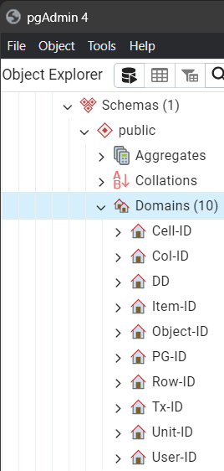

 | Base type: "Object-ID"
 | Base type: "Object-ID"
 | Base type: "Row-ID" ("DD" means the Drop-Down data-type)
 | Base type: "Object-ID"
 | Base type: "BigInt"
 | Base type: "Object-ID"
 | Base type: "Object-ID"
 | Base type: "BigInt"
 | Base type: "Row-ID"
 | Base type: "Row-ID"

Steps to update the PostgreSQL DB:
1. In pgAdmin, define all the necessary Domains (only once) in the DB
2. In pgAdmin, before updating the DB, empty the DB by 'Delete (Cascade)' all the existing Tables
3. In pgAdmin, open the latest 'AIC ERD' .pgerd file and 'Generate SQL (Without DROP Table)'
4. In pgAdmin, 'Execute script' the newly generated SQL code to (re)create all the Tables
5. Upon completing the steps mentioned above, you shall have the latest DB (with empty Tables).
6. Next, you shall (write a Script to) import several 'AIC Design' worksheets (in Yellow tabs) into the DB.

UI
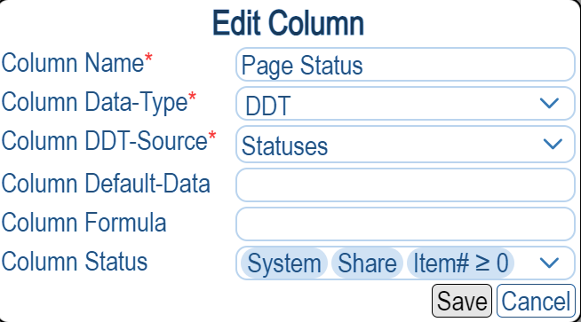
The UI design of 'Add/Edit-ML-Text-dialog'
 |  |  | Figure 1: In the Add/Edit-ML-Text-dialog, the system shows the NULL/Existing ML-Text Item (Row 5 in the diagram).
Language(s) | Language-specific Rich-Text(s) |  | When the 'Language' field (Cell B5) is NULL, the 'Rich-Text' field (Cell C5) is dimmed (cannot input).
_________⯆ |  |  | If the user leaves both B5 & C5 cells NULL, meaning, said 'ML-Text' Item is NULL.
 |  |  | When either B5 or C5 is Null, the current dialog cannot be "Saved" (button is dimmed).
(DDS of All Languages)
Language(s) | Language-specific Rich-Text(s) |  | Figure 2: When the user starts editing Row 9 (the system enables 'Typeahead (i.e. Autocomplete)' in both B & C columns):
_English__⯆ | [… Font, Style, Color Settings …] This is the English rich-text - Line 1 This is the English rich-text - Line 2 | X | The system enables 'Font, Style, Color Settings' in said Rich-Text field - 'Only' when it is 'currently being Edited' by the user. When both B9 and C9 are Not NULL, the system adds a Delete symbol "X", also, adds the new Row 10.
_________⯆ |  |  | The Row 10 behaves the same as the previous Row 5, it remains NULL until the user edits it.
 |  |  | Note: The rows 9/10/11/… are "Sorted" by their corresponding Languages, according to the following sorting order: In the All Languages page, all (language) Rows are listed in a particular order, this exact sorting order shall be followed here.
The UI design of 'Add/Edit-Text-dialog'

 | Language-neutral Rich-Text |  | Figure 3: In the Add/Edit-Text-dialog, the system shows the NULL/Existing Text Item (Row 15 in diagram).
 |  |  | When the 'Rich-Text' field (Cell C15) is NULL, the current dialog cannot be "Saved" (button is dimmed).
 |  |  | If the user leaves C15 cells NULL, meaning, said 'Text Item' is NULL.
 | Language-neutral Rich-Text |  | Figure 4: When user starts editing said Text Item (the system enables 'Typeahead (i.e. Autocomplete)' in C column):
 | [… Font, Style, Color Settings …] This is the rich-text - Line 1 This is the rich-text - Line 2 | X | The system enables 'Font, Style, Color Settings' in said Rich-Text field - 'Only' when it is 'currently being Edited' by the user. When C18 is not NULL, the system adds a Delete symbol "X".

The UI design of 'Add/Edit-Formula-dialog'
 |  |  | Figure 5: In the Add/Edit-Formula-dialog, the system shows the NULL/Existing Formula Item (Row 23 in diagram).
Formula-Type(s) | Formula-String(s) |  | When the 'Formula-Type' field (Cell B23) is NULL, the 'Formula-String' field (Cell C23) is dimmed (cannot input).
______________⯆ |  |  | If the user leaves both B23 & C23 cells NULL, meaning, said 'Formula Item' is NULL.
 |  |  | When either B23 or C23 is NULL, the current dialog cannot be "Saved" (button is dimmed).
(DDS of Formula-Type) | (:text)
Formula-Type(s) | Formula-String(s) |  | Figure 6: When user starts editing the Row 27 (the system enables 'Typeahead (i.e. Autocomplete)' in C column):
Calcuate Data _⯆ | This is the Formula-String to calculate data | X | When both B27 and C27 are not NULL, the system adds a Delete symbol "X", also, adds the new Row 28.
______________⯆ |  |  | The Row 28 behaves the same as the previous Row 23, it remains NULL until the user edits it.
 |  |  | Note: The rows 27/28/29/… are "Sorted" by their corresponding Formula-Types, according to the following sorting order: In All Tokens, all children Rows of Formula-Type are listed in a particular order, this exact sorting order shall be followed here.

The UI design of 'Add/Edit-DDS-dialog'
 |  |  | Figure 7: In the Add/Edit-DDS-dialog, the system shows NULL or an existing 'DDS Item' (Row 34 in diagram).
DDS-Type(s) | DDS-Head(s) |  | When the 'DDS-Type' field (Cell B34) is NULL, the 'DDS-Head' field (Cell C34) is dimmed (cannot input).
______________⯆ |  |  | If the user leaves both B34 & C34 cells NULL, meaning, said 'DDS Item' is NULL.
 |  |  | When either B34 or C34 is NULL, the current dialog cannot be "Saved" (button is dimmed).
(DDS of DDS-Type) | (DDS of all Rows in all the 'DDS Pages')
DDS-Type(s) | DDS-Head(s) |  | Figure 8: When user starts editing the Row 38 (the system enables 'Typeahead (i.e. Autocomplete)' in C column):
Exclude DDS-Head ⯆ | All Tokens ⯆ | X | When both B38 and C38 are not NULL, the system adds a Delete symbol "X", also, adds the new Row 39.
_________________⯆ |  |  | The Row 39 behaves the same as the previous Row 34, it remains NULL until the user edits it.

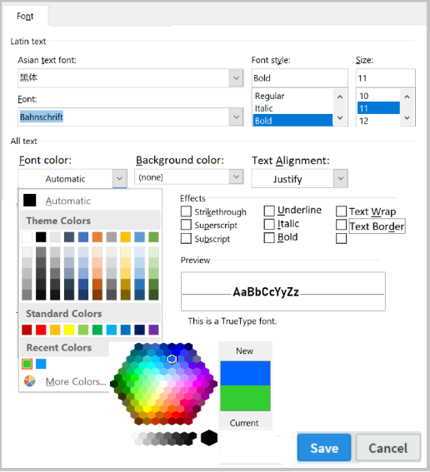
The UI design of 'Edit-Font-Style-dialog' |  |  | The UI design of 'Edit-Color-dialog'
 |  |  | NOTE: Please refer to the sample Color-picker code at | URL
 |  |  | But the system shall display '140 Preset Named-colors' in this dialog, with the 'Named colors' from | URL
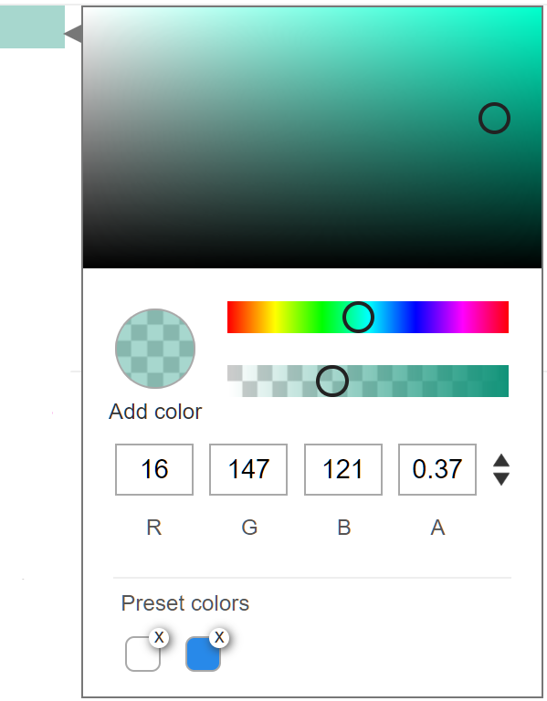

The UI design of 'Chip' - which is applied to (all) Buttons and (some) Items in the system.
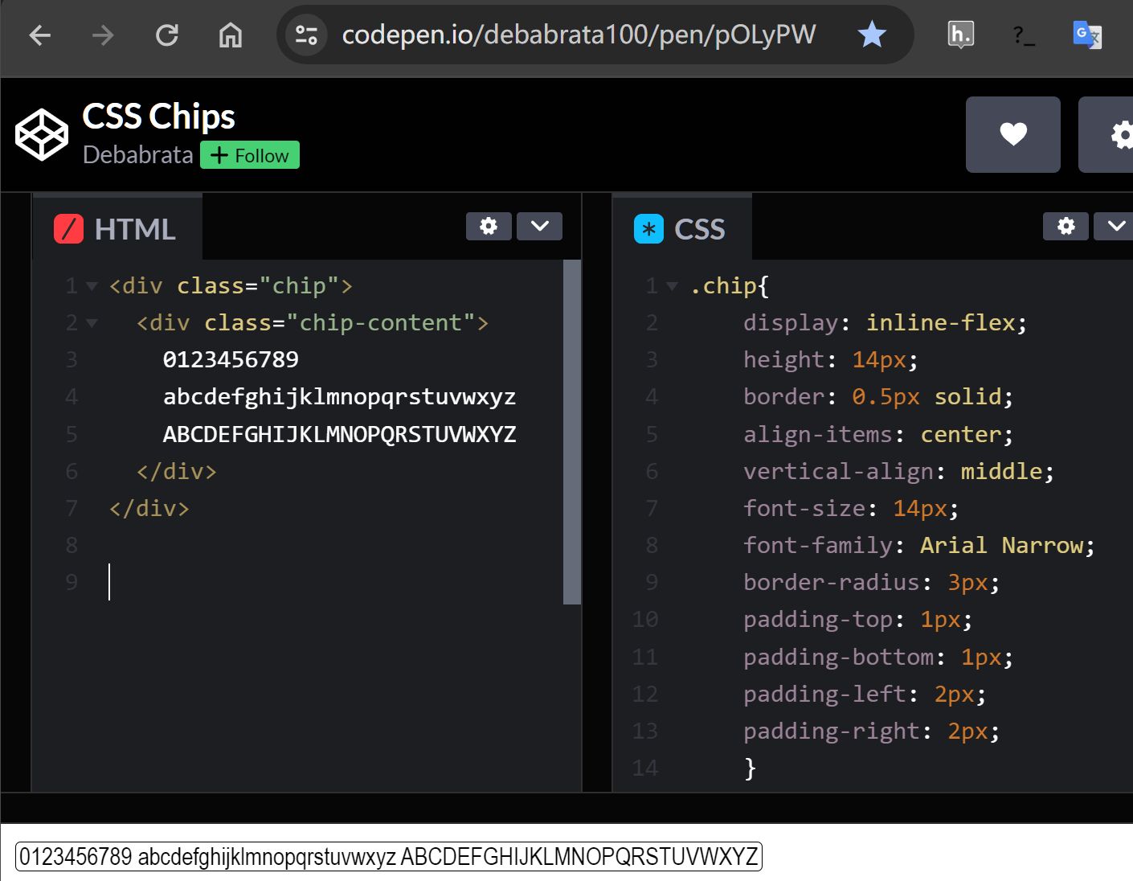

The sample UI of a user's screen (on PC), which shows the PG-Bar, Menu-Bar, and Current-PG.

The sample UI of a pop-up Dialog with 2 buttons.

