241219 (3)
CNEPEARLS INC
Tel : 0086-20-34698340 / Fax : 0086-20-34698050
info@cnepearls.com
CNEPEARLS INC
Tel : 0086-20-34698340 / Fax : 0086-20-34698050
info@cnepearls.com

PROFORMA INVOICE
PROFORMA INVOICE
PROFORMA INVOICE
PROFORMA INVOICE

Customer
Customer
Customer
Customer

Company Name |  | International Pearl |  |  | Date | 2024-12-19
 | Address | 9 N. Warner Drive,Suite #34-D |  |  | Invoice No. | cne241219
 |  | Jensen Beach, Florida 34957, United States |  |  | Terms | po250
 | Contact | John L. Ritzman | Phone | 772-334-2312/772-285-0014 | Currency | USDOLLARS

Qty (pcs) |  |  |  |  | Unit price | Amount
1,000 |  | 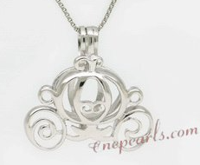 Swpm008_P Wholesale Carriage Design Cage Pendant in Sterling Silver -Remark( cab fit 7-9mm PEARL) |  |  | US$14.30 | US$14,300.00
500 |  | Swpm001 Sterling silver Wish pearl pendants (cages) wholesale - Item NO:3 |  |  | US$8.23 | US$4,115.00
200 |  | Swpm032 925 Sterling Silver Anchor Style Cage Pendant |  |  | US$6.50 | US$1,300.00
200 |  | Swpm005_Big Sterling Silver Designer wish pearl pendant&cages wholesale - Item: NO3 -Metal: sterling silver -Remark(enlarged, cab fit 7-9mm PEARL) |  |  | US$8.60 | US$1,720.00
300 |  | Swpm060 Sterling silver Wish pearl pendants (cages) wholesale - Item NO:2 Castle |  |  | US$6.80 | US$2,040.00
100 |  | Swpm009 Wholesale 925Sterling Silver Crown Cage Pendant |  |  | US$6.80 | US$680.00
200 |  | 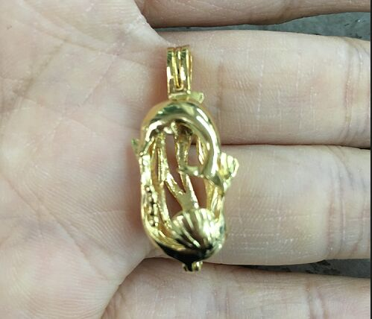 cage1601 sterling silver dolphin& shell cage Pendant(New design) -can fit 6-7.5mm Round pearl |  |  | US$8.63 | US$1,726.00
500 |  | Swpm003 Sterling Silver Wish Pearl Cage Pendants in Flower Design - Item NO:2 Twisted Cage |  |  | US$7.01 | US$3,505.00
200 |  | Swpm034 925 Sterling Silver Bear Design Cage Pendant |  |  | US$6.80 | US$1,360.00
200 |  | 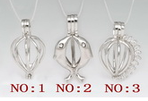 Swpm001 Sterling silver Wish pearl pendants (cages) wholesale - Item NO:1 |  |  | US$4.60 | US$920.00
300 |  | 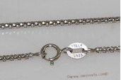 sc060 16inch 925 Sterling silver pendant necklace chain - Length 16" |  |  | US$7.70 | US$2,310.00
300 |  | sc060 16inch 925 Sterling silver pendant necklace chain - Length 18" |  |  | US$8.47 | US$2,541.00
- |  | spp068 Sterling silver pendant dangling with multicolor rice pearl |  |  |  | US$0.00
4,000 |  |  |  |  | Sub-Total: | US$36,517.00
3% discount of the cage |  |  |  |  |  | -US$1,063.60
 |  | Ship By DHL |  |  | Shipping to United States:22600gram(s) | US$286.60
 |  |  |  |  | TOTAL: | US$35,740.00
Total amount: Say in US dollar thirty five thousand seven hundred and forty only

My paypal(http://www.paypal.com) account: info@cnepearls.com
Bank Details
Bank Details
Bank Details
Bank Details
Bank Details
Bank Details
Bank Details
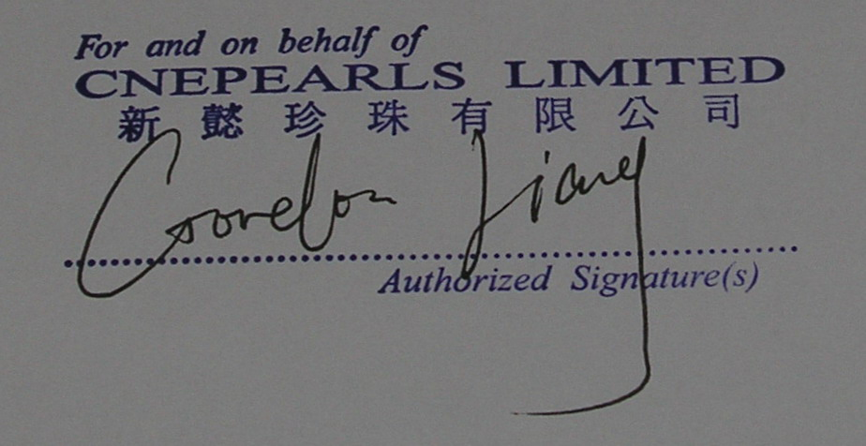
 | Please Kindly T/T the payment to : |  |  |  | The Seller:
 | Beneficiary | Liang Ying(first name: Ying, family name: Liang )

 | Bank | ZHEJIANG CHOUZHOU COMMERCIAL BANK
 |  | YIWULEYUAN EAST,JIANGBIN RD,YIWU,ZHEJIANG,CHINA
 | A/C No. | 15630142110300003103
 | Swift No. | CZCBCN2X
 | Intermediary bank: BANK OF AMERICA N.A.NEW YORK BRANCH (SWIFT BIC: BOFAUS3N) |  |  |  | The Buyer:
 |  |  |  |  | Please sign and chop

