Dashboard
https://blog.udemy.com/excel-dashboard/
http://chandoo.org/wp/excel-dashboards/ | Select data: | Exports-Imports | Export Goods
http://chandoo.org/wp/tag/dashboards/ |  |  | Export Services
https://www.youtube.com/watch?v=BAByXLquTeY |  |  | Import Goods
 |  |  | Import Services
US Imports and Exports
 | ExportGoods | ExportServices | ImportGoods | ImportServices
1960 | 19650 | 6290 | 14758 | 7674
1961 | 20108 | 6295 | 14537 | 7671
1962 | 20781 | 6941 | 16260 | 8092
1963 | 22272 | 7348 | 17048 | 8362
1964 | 25501 | 7840 | 18700 | 8619
1965 | 26461 | 8824 | 21510 | 9111
1966 | 29310 | 9616 | 25493 | 10494
1967 | 30666 | 10667 | 26866 | 11863
1968 | 33626 | 11917 | 32991 | 12302
1969 | 36414 | 12806 | 35807 | 13322
1970 | 42469 | 14171 | 39866 | 14520
1971 | 43319 | 16358 | 45579 | 15400
1972 | 49381 | 17841 | 55797 | 16868
1973 | 71410 | 19832 | 70499 | 18843
1974 | 98306 | 22591 | 103811 | 21379
1975 | 107088 | 25497 | 98185 | 21996
1976 | 114745 | 27971 | 124228 | 24570
1977 | 120816 | 31485 | 151907 | 27640
1978 | 142075 | 36353 | 176002 | 32189
1979 | 184439 | 39692 | 212007 | 36689
1980 | 224250 | 47584 | 249750 | 41491
1981 | 237044 | 57354 | 265067 | 45503
1982 | 211157 | 64079 | 247642 | 51749
1983 | 201799 | 64307 | 268901 | 54973
1984 | 219926 | 71168 | 332418 | 67748
1985 | 215915 | 73155 | 338088 | 72862
1986 | 223344 | 86689 | 368425 | 80147
1987 | 250208 | 98661 | 409765 | 90787
1988 | 320230 | 110919 | 447189 | 98526
1989 | 359916 | 127087 | 477665 | 102479
1990 | 387401 | 147832 | 498438 | 117659
1991 | 414083 | 164261 | 491020 | 118459
1992 | 439631 | 177251 | 536528 | 119566
1993 | 456943 | 185920 | 589394 | 123780
1994 | 502859 | 200395 | 668690 | 133057
1995 | 575204 | 219183 | 749374 | 141397
1996 | 612113 | 239489 | 803113 | 152554
1997 | 678366 | 256087 | 876794 | 165932
1998 | 670416 | 262758 | 918637 | 180677
1999 | 698524 | 271343 | 1035592 | 192893
2000 | 784940 | 290381 | 1231722 | 216115
2001 | 731331 | 274323 | 1153701 | 213465
2002 | 698036 | 280670 | 1173281 | 224379
2003 | 730446 | 289972 | 1272089 | 242219
2004 | 823584 | 337966 | 1488349 | 283083
2005 | 913016 | 373006 | 1695820 | 304448
2006 | 1040905 | 416738 | 1878194 | 341165
2007 | 1165151 | 488396 | 1986347 | 372575
2008 | 1308795 | 532817 | 2141287 | 409052
2009 | 1070331 | 512722 | 1580025 | 386801
...
 |  |  | Export-Import G
 |  |  | Export-Import S

Power View1
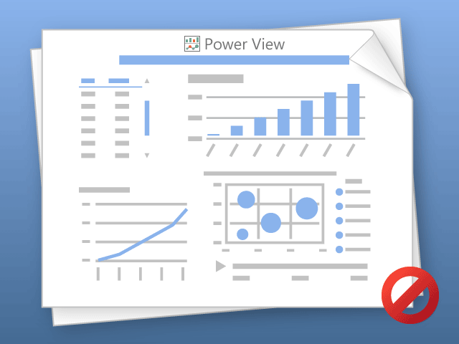

Power View can only print one sheet at a time.
Please switch to the desired sheet and try again.

