Sheet1
Model name | Type | functional form | Exists on LAAMPS? | N-Body |  | Charge type | Simulated structure of? | Results of sims
Born-Mayer-Huggins (BMH) | Rigid ionic model |  | https://docs.lammps.org/pair_buck.html | 2 | Coulomb pair potential | formal charge | Pure silica: Woodcock et al. [1] | vitreous transition
 |  |  |  |  |  |  |  |  | Use different shades of blue to distinguish between author's in that following model
 |  |  |  |  |  |  | soda-lime glass: Soules [3–5] | covalent nature of Si-O bond too strong to neglect
$$U\left(r_{ij}\right)= \frac{q_{i}q_{j}e^{2}}{r}+\left(1+ \frac{q_{i}}{n_{i}}+\frac{q_{j}}{n_{j}}\right)b_{ij}e^{[(σ_{i}+σ_{j}−r)/ρ_{ij}}$$
 |  |  |  |  |  |  |  | over-coordinated silicon ions
 |  |  |  |  |  |  | sodium borosilicate | no boroxol rings
 |  |  |  |  |  |  | sodium-potassium
 |  |  |  |  |  |  | aluminosilicate glasses | aluminum was always found to prefer four-fold coordination
 |  |  |  |  |  |  | vitreous glass: Garofalini et al. [8,9] | the bulk and surface structure
 |  |  |  |  | repulsion between electron charge clouds (short) |  | alkali sillicate
TTAM Tsuneyuki et al.[4]/BKS | Rigid ionic model |  | Not found | 2 | Coulomb pair potential | Partial charge | unary and binary oxide glasses | TBD

$$U\left(r_{ij}\right)= \frac{q_{i}q_{j}e^{2}}{r}+A_{ij}e^{−r/ρ_{ij}}−\frac{C_{ij}}{r^{6}}$$
 |  |  |  |  |  |  | alkali silicate glasses[59–61]
 |  |  |  |  | Buckingham potential |  | lithium ions in silicate glasses[62–64]
 |  |  |  |  |  |  | dynamics of sodium silicate glasses[65–67]
$$U\left(r_{ij}\right)= \frac{q_{i}q_{j}e^{2}}{r}+D_{ij}[{\left(1−e^{−a_{ij}\left(r_{ij}−{r_{ij}}^{0}\right)}\right)}^{2}−1] −\frac{B_{ij}}{{r_{ij}}^{12}}$$
Pedone Potential (PMMCS) | Rigid ionic model |  | https://sites.google.com/site/compmaterchem/downloads | 2 | Coulomb pair potential | Partial charge | Vanadium [84] and Gallium [85] containing glasses
 |  |  |  |  | Morse potential |  | hydroxyl groups on silica surfaces [86]
 |  |  |  |  | Repulsive contribution (Bij/r): prevent collapse at high temp |  | multi-component oxide glasses and crystalline materials and oxide nanoparticles. [88–96] | available of parameters for a large number of cations-oxygen paris, predict the mechanical properties accurately
$$U\left(r_{ij}\right)= \frac{q_{i}q_{j}e^{2}}{r}+D_{ij}[{\left(1−e^{−a_{ij}\left(r_{ij}−{r_{ij}}^{0}\right)}\right)}^{2}−1] −\frac{B_{ij}}{{r_{ij}}^{12}}$$
$$U\left(θ_{ijk}\right)= \frac{k_{ijk}}{r_{ij}}{(θ_{ijk}−θ_{ijk,0})}^{2}e^{−(\frac{r_{ij}}{ρ}+\frac{r_{jk}}{ρ})}$$
BMP-FF(Bertani-Menziani-Pedone) | Polarizable interatomic models |  | https://sites.google.com/site/compmaterchem/downloads | 3 | Pedone | Partial charge |  | reproduce density, structure, and properties better than the original model
$$U\left(r_{ij}\right)= A_{ij}e^{−r_{ij}/ρ_{ij}}$$
 |  |  |  |  | screed harmonic potential(eq.11) |  | borate and borosilicate glasses | B-O-B angle distribution is narrower r than the pair-wise potentials. only a negligible amount of boroxol rings are observed
$$V^{total}= V^{charge}+ V^{dispersion}+ V^{repulsion}+ V^{polarization}$$
$$V^{charge}= \sum_{i<j}{\frac{q^{i}q^{j}}{r^{ij}}}$$
Polarizable Ionic Model(PIM) | Polarizable interatomic models | 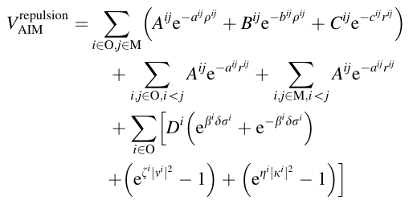 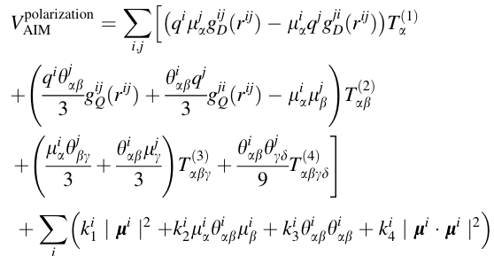 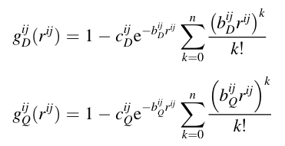 https://link.springer.com/article/10.1007/s00214-012-1143-9 | Not found | 2 | eletrostatic(charge-charge) | Formal charge |  | not widely applied due to complexity, lacking of transferability
$$V^{dispersion}=−\sum_{i<j}{({f_{6}}^{ij}\left(r^{ij}\right)\frac{{C_{6}}^{ij}}{{\left(r^{ij}\right)}^{6}}+{f_{8}}^{ij}\left(r^{ij}\right)\frac{{C_{8}}^{ij}}{{\left(r^{ij}\right)}^{8}}}$$
$${f_{n}}^{ij}\left(r^{ij}\right)=1−e^{−{b_{n}}^{ij}r^{ij}}\sum_{k=0}^{n}{\frac{{{{(b}_{n}}^{ij}r^{ij})}^{2}}{k!}}$$
 |  |  |  | 2 | overlap repulsion
 |  |  |  | 2 | dispersion
 |  |  |  | 3 | polarization(dipole-dipole and dipole-quadrupole interactions
ReaxFF model | Reactive force-fields | https://pubs.acs.org/doi/10.1021/jp004368u?src=getftr | https://docs.lammps.org/pair_reaxff.html | Various, depending on the term | 13 terms with explicit charges in Coulomb term | Partial charge, using EEM method to dynamically calculate | TBD | TBD
 |  |  |  |  | Nonbonded vdW Interactions: Morse potential |  | TBD | TBD
$$U_{c−s}\left(r\right)=\frac{k_{c−s}}{2}{\left(r_{c−s}\right)}^{2}$$
$$U\left(r_{ij}\right)= \frac{q_{i}q_{j}e^{2}}{r}+A_{ij}e^{−r/ρ_{ij}}−\frac{C_{ij}}{r^{6}}$$
core-shell model | Polarizable interatomic models |  | https://docs.lammps.org/Howto_coreshell.html | 2 | short-range interactions between shells(Buckingham potential) | partial charge
$$U\left(θ_{ijk}\right)=\frac{k_{b}}{2}{\left(θ_{ijk}−θ_{ijk}^{0}\right)}^{2}\exp\left(−\frac{r_{ij}}{ρ_{b}}\right.−\frac{r_{ik}}{ρ_{b}})$$
 |  |  |  | 2 | long-range core-core, core-shell, shell-shell electrostatic interactions(Coulomb potential)
 |  |  |  | 3 | three body terms descrip intra-tetrahedeal angles

