test1
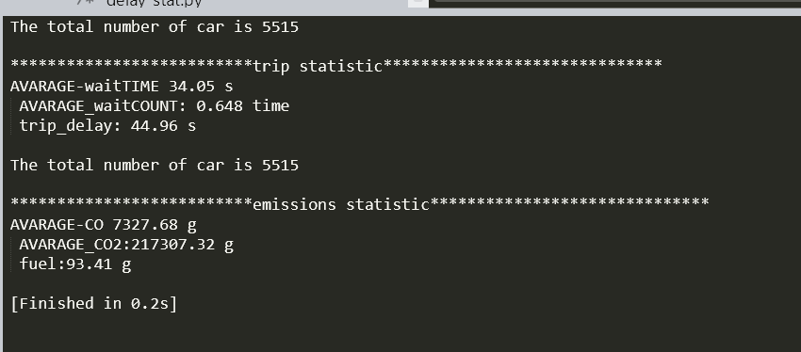
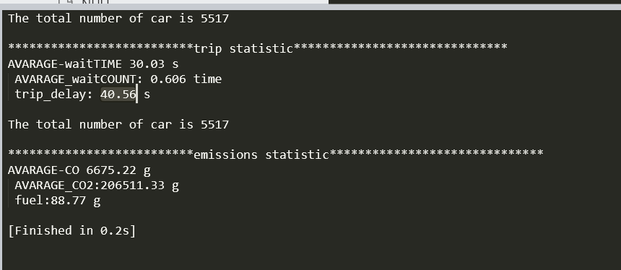
9 | 3 | 0 | 14 | 10 | 16 | 11 | 0 | 9 | 2 | 8 | 1 | 0 | 7 | 11 | 14 | 9 | 0 | 13 | 5
22 | 21 | 14 | 14 | 11 | 17 | 16 | 0 | 12 | 10 | 12 | 9 | 8 | 20 | 8 | 15 | 15 | 0 | 20 | 15
25 | 16 | 15 | 11 | 11 | 15 | 14 | 0 | 13 | 7 | 16 | 12 | 11 | 24 | 10 | 21 | 19 | 0 | 13 | 14
24 | 24 | 18 | 17 | 10 | 18 | 17 | 0 | 15 | 11 | 22 | 15 | 13 | 12 | 12 | 19 | 18 | 0 | 19 | 12
25 | 24 | 22 | 11 | 16 | 19 | 17 | 0 | 12 | 12 | 20 | 16 | 15 | 8 | 15 | 17 | 17 | 0 | 26 | 19
26 | 22 | 21 | 11 | 14 | 14 | 11 | 0 | 13 | 6 | 22 | 13 | 11 | 11 | 16 | 17 | 15 | 0 | 11 | 17
23 | 16 | 16 | 12 | 10 | 15 | 10 | 0 | 18 | 8 | 22 | 16 | 13 | 16 | 10 | 18 | 16 | 0 | 13 | 14
26 | 25 | 18 | 12 | 14 | 13 | 10 | 0 | 16 | 10 | 21 | 14 | 12 | 12 | 9 | 23 | 19 | 0 | 15 | 14
26 | 18 | 15 | 18 | 10 | 14 | 11 | 0 | 15 | 8 | 21 | 9 | 7 | 12 | 10 | 22 | 20 | 0 | 16 | 15
24 | 22 | 18 | 19 | 6 | 15 | 15 | 0 | 16 | 6 | 19 | 11 | 10 | 20 | 7 | 15 | 14 | 0 | 14 | 15
20 | 20 | 16 | 11 | 6 | 17 | 14 | 0 | 18 | 5 | 18 | 12 | 10 | 15 | 14 | 17 | 17 | 0 | 11 | 8
21 | 17 | 14 | 14 | 13 | 24 | 25 | 0 | 19 | 11 | 19 | 11 | 9 | 14 | 13 | 11 | 9 | 0 | 17 | 16
26 | 19 | 16 | 12 | 9 | 17 | 17 | 0 | 15 | 9 | 19 | 12 | 10 | 22 | 11 | 16 | 14 | 0 | 14 | 16
24 | 19 | 15 | 11 | 9 | 21 | 17 | 0 | 17 | 12 | 15 | 13 | 10 | 17 | 16 | 17 | 14 | 0 | 12 | 19
25 | 20 | 16 | 29 | 16 | 15 | 12 | 0 | 15 | 11 | 20 | 13 | 10 | 20 | 14 | 22 | 20 | 0 | 22 | 17
25 | 17 | 16 | 18 | 6 | 14 | 14 | 0 | 15 | 6 | 17 | 11 | 10 | 10 | 8 | 16 | 14 | 0 | 13 | 22
24 | 19 | 17 | 12 | 11 | 14 | 9 | 0 | 12 | 9 | 19 | 11 | 8 | 16 | 15 | 19 | 14 | 0 | 13 | 16
26 | 19 | 17 | 11 | 9 | 17 | 15 | 0 | 14 | 12 | 16 | 14 | 13 | 17 | 13 | 20 | 18 | 0 | 20 | 23
25 | 21 | 18 | 14 | 13 | 22 | 19 | 0 | 12 | 11 | 17 | 14 | 14 | 18 | 11 | 14 | 13 | 0 | 14 | 18
23 | 18 | 16 | 7 | 11 | 18 | 16 | 0 | 16 | 10 | 14 | 11 | 7 | 11 | 16 | 15 | 12 | 0 | 18 | 16
25 | 22 | 17 | 16 | 15 | 16 | 15 | 0 | 15 | 6 | 17 | 11 | 11 | 13 | 15 | 19 | 18 | 0 | 15 | 20
23 | 20 | 19 | 20 | 17 | 20 | 20 | 0 | 14 | 9 | 14 | 10 | 6 | 9 | 12 | 15 | 13 | 0 | 14 | 14
22 | 22 | 14 | 20 | 14 | 19 | 18 | 0 | 14 | 13 | 14 | 11 | 9 | 20 | 7 | 17 | 14 | 0 | 15 | 14
24 | 19 | 16 | 14 | 11 | 14 | 13 | 0 | 16 | 8 | 16 | 14 | 11 | 12 | 9 | 17 | 16 | 0 | 8 | 15
18 | 17 | 17 | 2 | 13 | 12 | 13 | 0 | 6 | 0 | 6 | 5 | 6 | 1 | 8 | 11 | 12 | 0 | 2 | 7
0 | 0 | 0 | 0 | 0 | 0 | 0 | 0 | 0 | 0 | 0 | 0 | 0 | 0 | 0 | 0 | 0 | 0 | 0 | 0

 |  |  |  |  |  |  |  |  |  |  | 44.96
 |  |  |  |  |  |  |  |  |  |  | 40.56

