test1
10 | 12 | 0 | 14 | 15 | 14 | 0 | 8 | 8 | 12 | 0 | 7 | 13 | 15 | 0 | 13
20 | 33 | 15 | 14 | 17 | 26 | 0 | 12 | 12 | 18 | 7 | 19 | 15 | 31 | 0 | 19
23 | 30 | 15 | 11 | 15 | 21 | 0 | 11 | 18 | 23 | 11 | 25 | 20 | 33 | 0 | 14
21 | 29 | 15 | 17 | 17 | 29 | 0 | 17 | 22 | 24 | 13 | 12 | 21 | 28 | 0 | 19
27 | 34 | 17 | 11 | 19 | 29 | 0 | 11 | 17 | 27 | 15 | 8 | 15 | 31 | 0 | 25
27 | 35 | 18 | 11 | 14 | 17 | 0 | 11 | 23 | 26 | 13 | 11 | 15 | 36 | 0 | 12
23 | 32 | 15 | 12 | 14 | 19 | 0 | 16 | 23 | 28 | 15 | 16 | 17 | 33 | 0 | 13
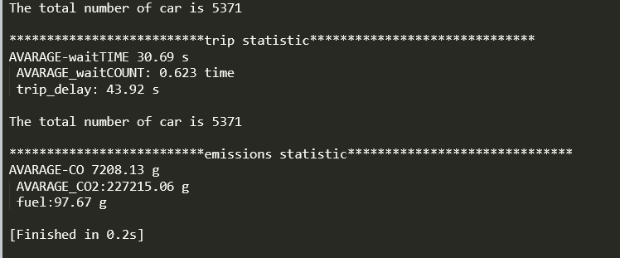
25 | 31 | 16 | 12 | 13 | 20 | 0 | 15 | 19 | 26 | 13 | 12 | 22 | 32 | 0 | 15
21 | 29 | 14 | 18 | 13 | 20 | 0 | 15 | 15 | 21 | 10 | 12 | 22 | 34 | 0 | 16
23 | 22 | 11 | 19 | 15 | 21 | 0 | 16 | 19 | 18 | 12 | 20 | 16 | 28 | 0 | 14
26 | 24 | 16 | 11 | 16 | 18 | 0 | 11 | 18 | 23 | 11 | 14 | 19 | 24 | 0 | 11
21 | 27 | 13 | 14 | 25 | 36 | 0 | 17 | 18 | 23 | 9 | 15 | 10 | 18 | 0 | 17
20 | 24 | 15 | 12 | 19 | 25 | 0 | 16 | 20 | 24 | 11 | 21 | 16 | 30 | 0 | 14
21 | 28 | 15 | 11 | 20 | 31 | 0 | 14 | 17 | 25 | 10 | 18 | 17 | 26 | 0 | 12
22 | 28 | 12 | 29 | 14 | 23 | 0 | 16 | 18 | 25 | 9 | 18 | 23 | 36 | 0 | 21
23 | 25 | 15 | 18 | 14 | 20 | 0 | 12 | 20 | 22 | 12 | 12 | 16 | 29 | 0 | 14
22 | 27 | 13 | 12 | 14 | 19 | 0 | 15 | 15 | 26 | 8 | 16 | 17 | 35 | 0 | 13
23 | 25 | 15 | 11 | 18 | 26 | 0 | 11 | 18 | 26 | 14 | 17 | 19 | 35 | 0 | 20
20 | 30 | 14 | 14 | 20 | 29 | 0 | 12 | 17 | 27 | 14 | 18 | 16 | 32 | 0 | 14
24 | 30 | 17 | 7 | 19 | 26 | 0 | 11 | 13 | 21 | 8 | 11 | 15 | 27 | 0 | 18
24 | 31 | 18 | 16 | 15 | 23 | 0 | 12 | 18 | 25 | 12 | 13 | 20 | 36 | 0 | 16
21 | 26 | 13 | 20 | 22 | 28 | 0 | 13 | 12 | 22 | 8 | 9 | 15 | 28 | 0 | 13
23 | 29 | 14 | 20 | 18 | 27 | 0 | 14 | 14 | 22 | 9 | 20 | 17 | 30 | 0 | 15
25 | 33 | 16 | 14 | 15 | 25 | 0 | 12 | 17 | 23 | 11 | 12 | 15 | 30 | 0 | 8
23 | 29 | 14 | 2 | 11 | 13 | 0 | 14 | 5 | 13 | 6 | 1 | 11 | 23 | 0 | 2
0 | 0 | 0 | 0 | 0 | 0 | 0 | 7 | 0 | 0 | 0 | 0 | 0 | 2 | 0 | 0

