工单良率查询
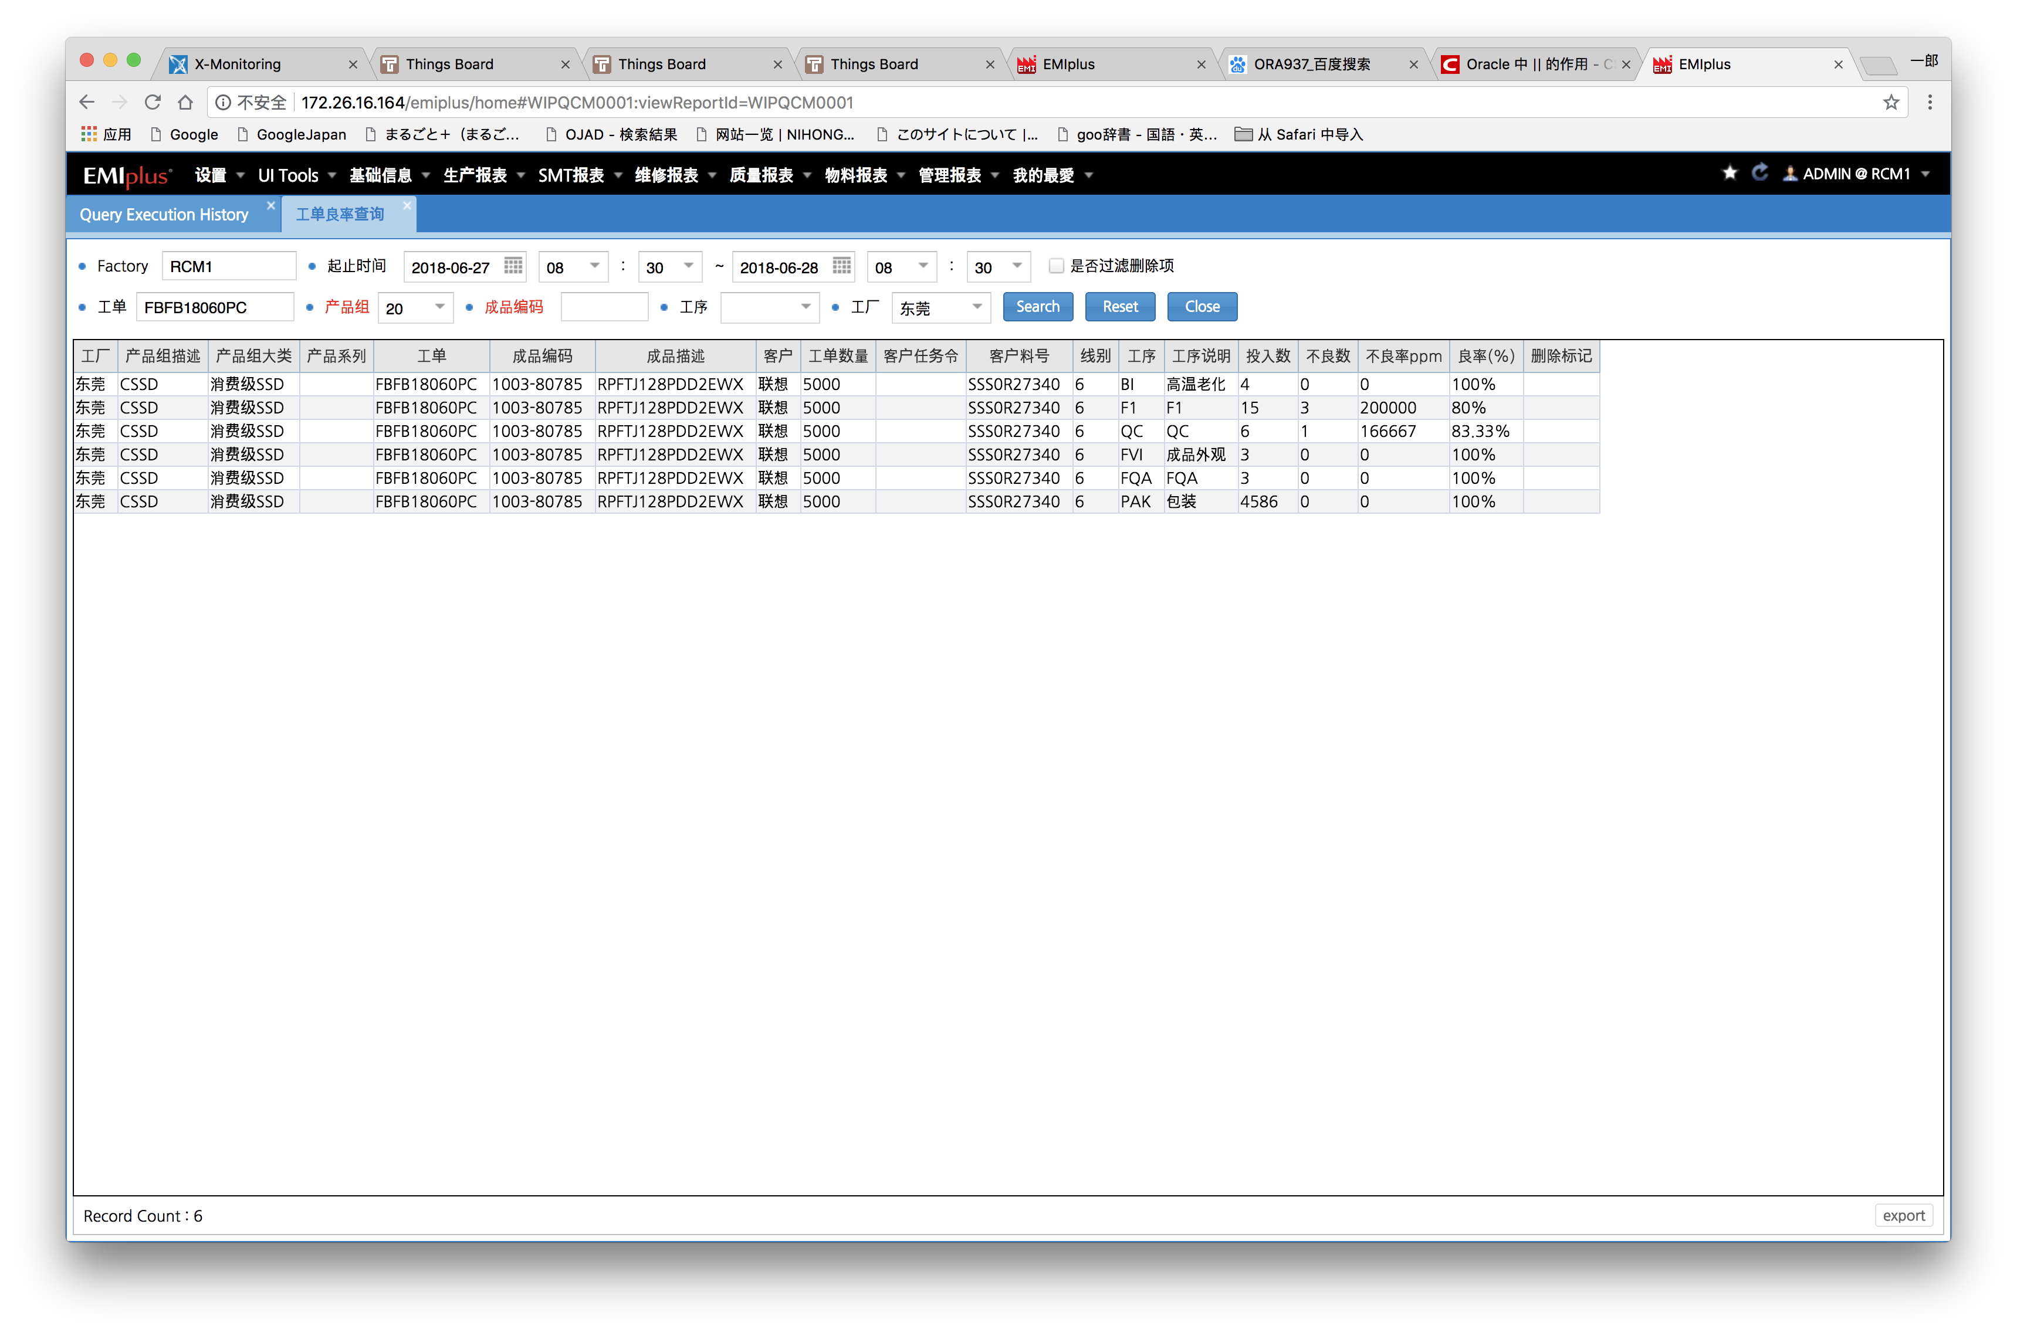

WITH ORDOK AS (
SELECT
A.ORDER_ID,
A.OLD_OPER,
A.LINE_ID,
A.HIST_DEL_FLAG,
COUNT( DISTINCT A.LOT_ID) QTY
FROM CWIPLOTMVH A
WHERE A.TRAN_TIME >= '20180627'||'08'||'30'||'00' AND A.TRAN_TIME < '20180628'||'08'||'30'||'00'
AND A.TRAN_CODE IN( 'END','SKIP','COLLECT_DFT')
AND A.FACTORY = NVL (TRIM ('RCM1'), A.FACTORY)
AND A.ORDER_ID = NVL (TRIM ('FBFB18060PC'), A.ORDER_ID)
AND A.OLD_OPER not in('170010','170020','170030','170040','170050')
GROUP BY
A.ORDER_ID,
A.OLD_OPER,
A.LINE_ID,
A.HIST_DEL_FLAG
) ,
ORDNG AS (
SELECT
A.ORDER_ID,
A.OLD_OPER,
A.LINE_ID,
COUNT( DISTINCT A.LOT_ID) QTY
FROM CWIPLOTMVH A
WHERE A.TRAN_TIME >= '20180627'||'08'||'30'||'00' AND A.TRAN_TIME < '20180628'||'08'||'30'||'00'
AND A.TRAN_CODE='COLLECT_DFT'
AND A.FACTORY = NVL (TRIM ('RCM1'), A.FACTORY)
AND A.STATUS='NG'
AND A.ORDER_ID = NVL (TRIM ('FBFB18060PC'), A.ORDER_ID)
AND A.OLD_OPER not in('170010','170020','170030','170040','170050')
GROUP BY
A.ORDER_ID,
A.OLD_OPER,
A.LINE_ID
)
SELECT
Q5.DATA_8 工厂,
Q6.DATA_1 产品组描述,
Q6.DATA_2 产品组大类,
Q7.MAT_CMF_5 产品系列,
Q1.ORDER_ID 工单,
Q4.PROD_ID 成品编码,
Q4.PROD_DESC 成品描述,
Q4.CUST_SHORT_DESC 客户,
Q4.ORD_QTY 工单数量,
Q4.TASK_ORDER 客户任务令,
Q4.CUSTOMER_MAT_ID 客户料号,
Q5.DATA_4 线别,
Q3.OPER_SHORT_DESC 工序,
Q3.OPER_DESC 工序说明,
Q1.QTY 投入数,
NVL(Q2.QTY,0) 不良数,
DECODE(NVL(Q2.QTY,0),0,0,ROUND(Q2.QTY/Q1.QTY*1000000,0)) AS 不良率PPM,
ROUND((NVL(Q1.QTY,0)-NVL(Q2.QTY,0))/NVL(Q1.QTY,1),4)*100 ||'%' AS "良率(%)",
Q1.HIST_DEL_FLAG AS 删除标记
FROM ORDOK Q1,
ORDNG Q2,
MWIPOPRDEF Q3,
CWIPORDDEF Q4,
MGCMTBLDAT Q5,
MGCMTBLDAT Q6,
MWIPMATDEF Q7
WHERE Q1.OLD_OPER = Q3.OPER
AND Q1.ORDER_ID = Q4.ORDER_ID
AND Q1.LINE_ID = Q5.KEY_1
AND Q5.FACTORY = NVL (TRIM ('RCM1'), Q5.FACTORY)
AND Q5.TABLE_NAME = 'SUB_AREA'
AND Q4.PRODUCT_GRP = Q6.KEY_1
AND Q6.TABLE_NAME = 'PRODUCT_GRP'
AND Q6.FACTORY = NVL (TRIM ('RCM1'), Q6.FACTORY)
AND Q7.MAT_ID=Q4.PROD_ID
AND Q7.FACTORY = NVL (TRIM ('RCM1'), Q7.FACTORY)
AND Q7.MAT_ID = NVL (TRIM (' '), Q7.MAT_ID)
AND Q1.ORDER_ID = Q2.ORDER_ID(+)
AND Q1.OLD_OPER = Q2.OLD_OPER(+)
AND Q1.LINE_ID = Q2.LINE_ID(+)
AND Q4.PRODUCT_GRP = NVL (TRIM ('20'), Q4.PRODUCT_GRP)
AND Q5.DATA_8 = NVL (TRIM ('东莞'), Q5.DATA_8)
ORDER BY Q1.ORDER_ID,Q1.OLD_OPER

故障分析记录
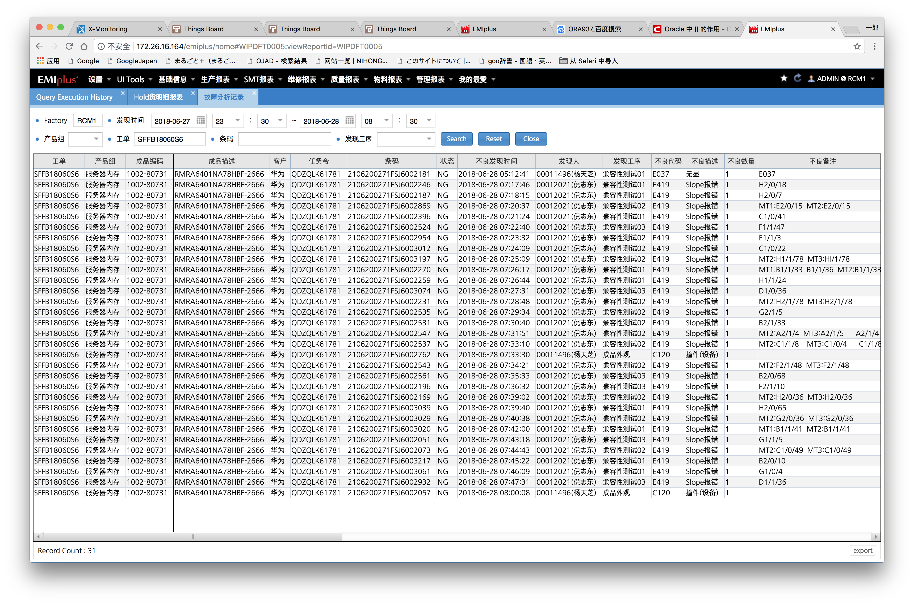

select 工单,
产品组,
成品编码,
成品描述,
客户,
任务令,
条码,
状态,
不良发现时间,
T.FIND_USER ||'('||(select DISTINCT USER_DESC from MSECUSRDEF where USER_ID = T.FIND_USER) ||')' AS 发现人,
发现工序,
不良代码,
不良描述,
不良数量,
不良备注,
测试首次Fail时间,
维修申请时间,
T.REP_APPLICANT ||'('||(select DISTINCT USER_DESC from MSECUSRDEF where USER_ID = T.REP_APPLICANT) ||')' AS 维修申请人,
维修接收时间,
T.REP_RECEIVER ||'('||(select DISTINCT USER_DESC from MSECUSRDEF where USER_ID = T.REP_RECEIVER) ||')' AS 维修接收人,
维修缺陷类型,
维修缺陷代码,
维修缺陷描述,
维修位置,
维修点数,
维修备注,
T.REPAIR_USER_ID ||'('||(select DISTINCT USER_DESC from MSECUSRDEF where USER_ID = T.REPAIR_USER_ID) ||')' AS 维修人,
维修时间,
转生产测试时间,
T.PROD_RECEIVER ||'('||(select DISTINCT USER_DESC from MSECUSRDEF where USER_ID = T.PROD_RECEIVER) ||')' AS 生产接收人,
生产测试结果,
T.FA_USER_ID ||'('||(select DISTINCT USER_DESC from MSECUSRDEF where USER_ID = T.FA_USER_ID) ||')' AS FA处理人,
FA处理时间,
FA处理意见
from(
select
O.ORDER_ID AS 工单,
(select DISTINCT DATA_1
from MGCMTBLDAT
WHERE TABLE_NAME='PRODUCT_GRP'
AND FACTORY = A.FACTORY
AND KEY_1 = O.PRODUCT_GRP) AS 产品组,
O.PROD_ID AS 成品编码,
O.PROD_DESC AS 成品描述,
O.CUST_SHORT_DESC AS 客户,
O.TASK_ORDER AS 任务令,
A.LOT_ID AS 条码,
H.LOT_CMF_2 AS 状态,
A.Tran_Time AS 不良发现时间,
A.TRAN_USER_ID AS FIND_USER,
(SELECT OPER_DESC FROM MWIPOPRDEF
WHERE OPER = A.OPER) AS 发现工序,
A.DEFECT_CODE AS 不良代码,
(SELECT DISTINCT DATA_2
FROM MGCMTBLDAT
WHERE TABLE_NAME='OPER_DEFECT_CODE'
AND FACTORY = 'RCM1'
AND KEY_4 = A.DEFECT_CODE
AND ROWNUM=1) AS 不良描述,
A.Defect_Qty AS 不良数量,
A.DEFECT_COMMENT AS 不良备注,
(select min(date_time)
from cwiptstdat
where TEST_RESULT = 'FAIL'
and lot_id = A.LOT_ID
and oper = A.OPER) AS 测试首次Fail时间,
A.HIST_SEQ,
(SELECT TRAN_TIME FROM MWIPLOTHIS
WHERE HIST_DEL_FLAG = ' '
AND LOT_ID= A.LOT_ID
AND OPER = A.OPER
AND HIST_SEQ = (SELECT MIN(S.HIST_SEQ) FROM MWIPLOTHIS S
WHERE S.TRAN_CODE='HOLD' AND S.HOLD_CODE='REPAIR'
AND S.LOT_ID=A.LOT_ID AND S.OPER =A.OPER AND S.HIST_SEQ>=A.HIST_SEQ)
) AS 维修申请时间,
(SELECT DISTINCT TRAN_USER_ID FROM MWIPLOTHIS
WHERE HIST_DEL_FLAG = ' '
AND LOT_ID= A.LOT_ID
AND OPER = A.OPER
AND HIST_SEQ = (SELECT MIN(S.HIST_SEQ) FROM MWIPLOTHIS S
WHERE S.TRAN_CODE='HOLD' AND S.HOLD_CODE='REPAIR'
AND S.LOT_ID=A.LOT_ID AND S.OPER =A.OPER AND S.HIST_SEQ>=A.HIST_SEQ)
) AS REP_APPLICANT,
(SELECT TRAN_TIME FROM MWIPLOTHIS
WHERE HIST_DEL_FLAG = ' '
AND LOT_ID= A.LOT_ID
AND OPER = A.OPER
AND HIST_SEQ = (SELECT MIN(S.HIST_SEQ) FROM MWIPLOTHIS S
WHERE S.TRAN_CODE='RELEASE' AND S.REP_FLAG='Y'
AND S.LOT_ID=A.LOT_ID AND S.OPER =A.OPER AND S.HIST_SEQ>=A.HIST_SEQ)
) AS 维修接收时间,
(SELECT DISTINCT TRAN_USER_ID FROM MWIPLOTHIS
WHERE HIST_DEL_FLAG = ' '
AND LOT_ID= A.LOT_ID
AND OPER = A.OPER
AND HIST_SEQ = (SELECT MIN(S.HIST_SEQ) FROM MWIPLOTHIS S
WHERE S.TRAN_CODE='RELEASE' AND S.REP_FLAG='Y'
AND S.LOT_ID=A.LOT_ID AND S.OPER =A.OPER AND S.HIST_SEQ>=A.HIST_SEQ)
) AS REP_RECEIVER,
(SELECT DISTINCT DATA_1
FROM MGCMTBLDAT
WHERE TABLE_NAME='REP_DEFECT_TYPE'
AND FACTORY = 'RCM1'
AND KEY_1=L.REPAIR_TYPE
AND ROWNUM=1) AS 维修缺陷类型,
L.REPAIR_CODE AS 维修缺陷代码,
(SELECT DISTINCT DATA_1
FROM MGCMTBLDAT
WHERE TABLE_NAME='REP_DEFECT_CODE'
AND FACTORY = 'RCM1'
AND KEY_1=L.REPAIR_CODE
AND ROWNUM=1) AS 维修缺陷描述,
L.REPAIR_POSITION AS 维修位置,
L.REPAIR_QTY AS 维修点数,
L.REPAIR_COMMENT AS 维修备注,
L.REPAIR_USER_ID,
L.REPAIR_TRAN_TIME AS 维修时间,
(SELECT TRAN_TIME FROM MWIPLOTHIS
WHERE HIST_DEL_FLAG = ' '
AND LOT_ID= A.LOT_ID
AND HIST_SEQ = (SELECT MIN(S.HIST_SEQ) FROM MWIPLOTHIS S
WHERE S.TRAN_CODE='RELEASE' AND S.LOT_CMF_6='APPLY_RETURN'
AND S.LOT_ID=A.LOT_ID AND S.HIST_SEQ>=A.HIST_SEQ)
) AS 转生产测试时间,
(SELECT DISTINCT TRAN_USER_ID FROM MWIPLOTHIS
WHERE HIST_DEL_FLAG = ' '
AND LOT_ID= A.LOT_ID
AND HIST_SEQ = (SELECT MIN(S.HIST_SEQ) FROM MWIPLOTHIS S
WHERE S.TRAN_CODE='RELEASE' AND S.LOT_CMF_6='APPLY_RETURN'
AND S.LOT_ID=A.LOT_ID AND S.HIST_SEQ>=A.HIST_SEQ)
) AS PROD_RECEIVER,
(SELECT LOT_CMF_10 FROM MWIPLOTHIS
WHERE HIST_DEL_FLAG = ' '
AND LOT_ID= A.LOT_ID
AND HIST_SEQ = (SELECT MIN(S.HIST_SEQ) FROM MWIPLOTHIS S
WHERE S.TRAN_CODE='RELEASE' AND S.LOT_CMF_6='APPLY_RETURN'
AND S.LOT_ID=A.LOT_ID AND S.HIST_SEQ>=A.HIST_SEQ)
) AS 生产测试结果,
R.TRAN_USER_ID AS FA_USER_ID,
R.TRAN_TIME AS FA处理时间,
R.FA_REPORT_1|| CHR(13) ||R.FA_REPORT_2|| CHR(13) ||R.FA_REPORT_3 AS FA处理意见
FROM MWIPLOTDFT A
JOIN MWIPLOTHIS H ON A.LOT_ID = H.LOT_ID AND A.HIST_SEQ = H.HIST_SEQ AND H.HIST_DEL_FLAG = ' '
JOIN CWIPORDDEF O ON H.ORDER_ID = O.ORDER_ID
LEFT JOIN CWIPLOTREP L ON A.LOT_ID = L.LOT_ID AND A.OPER = L.CAUSE_OPER AND A.HIST_SEQ = L.CMF_4 AND A.FACTORY = L.FACTORY
LEFT JOIN CWIPREPRPT R ON A.LOT_ID = R.LOT_ID AND A.HIST_SEQ = R.CMF_1 AND R.CMF_1 != ' '
where A.factory = NVL(trim('RCM1'),A.FACTORY)
AND A.tran_time >= '20180627'||'23'||'30'||'00'
AND A.tran_time < '20180628'||'08'||'30'||'00'
AND A.LOT_ID = NVL (TRIM (' '), A.LOT_ID)
AND O.ORDER_ID = NVL (TRIM ('SFFB18060S6'),O.ORDER_ID)
) T
Where ROWNUM <=10000

SPI不良率报表
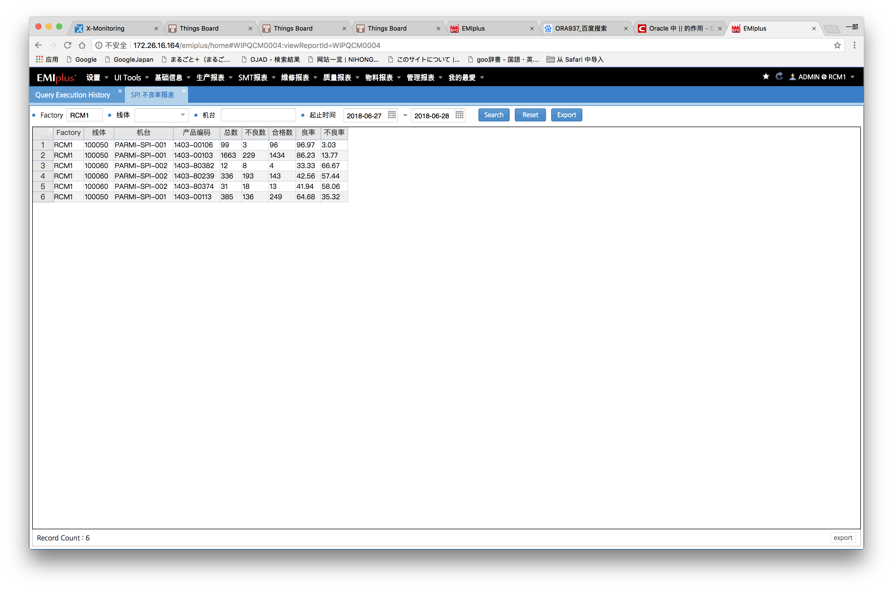

SELECT FACTORY ,LINE_ID ,RES_ID ,SUBSTR(PROGRAM_NAME,0,10) as ProductNo,COUNT(RESULT) AS Total_Cnt, SUM(RESULT) AS NG_CNT, (COUNT(RESULT) - SUM(RESULT)) AS GOOD_CNT,
ROUND(((COUNT(RESULT) - SUM(RESULT))/decode(COUNT(RESULT),0,1,COUNT(RESULT))) * 100,2) AS GOOD_RATE , ROUND((SUM(RESULT)/decode(COUNT(RESULT),0,1,COUNT(RESULT)))*100,2) AS NG_RATE
FROM CRASSPIPRD S
WHERE S.FACTORY = NVL(trim('RCM1'),S.FACTORY)
AND S.RES_ID = NVL(trim(' '),S.RES_ID)
AND S.EQ_TIME >= '20180627'
AND S.EQ_TIME <= '20180628'||'235959'
GROUP BY FACTORY,LINE_ID, RES_ID,SUBSTR(PROGRAM_NAME,0,10)

包装信息
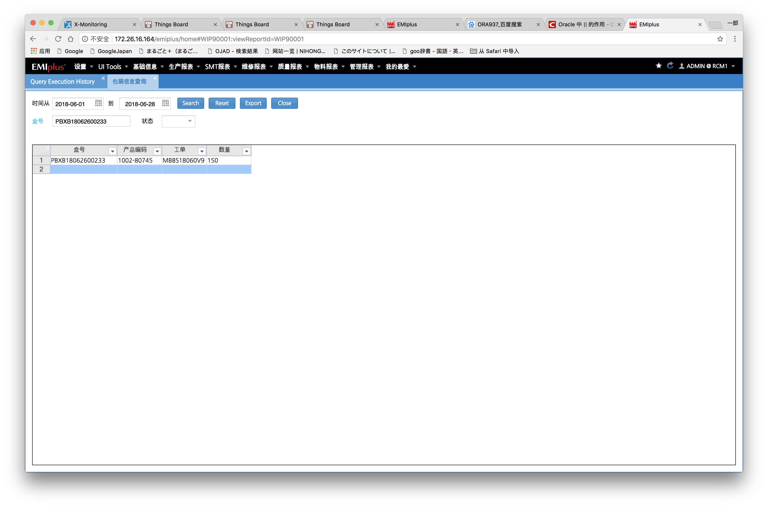

SELECT rownum rn9__, A.* FROM ( SELECT 盒号 AS 盒号 , 箱号 AS 箱号 , 工单 AS 工单 , 产品编码 AS 产品编码 , 数量 AS 数量
FROM (SELECT
A.LOT_CMF_4 AS 盒号
,B.P_BOX_ID AS 箱号
,A.ORDER_ID AS 工单
,A.MAT_ID AS 产品编码
,COUNT(A.LOT_ID) AS 数量
FROM MWIPLOTSTS A
LEFT JOIN CWIPBOXDEF B ON A.LOT_CMF_4=B.BOX_ID
where A.factory = 'RCM1'
AND A.LOT_CMF_4 = NVL (TRIM ( 'PBXB18062600233' ),A.LOT_CMF_4)
group by
A.LOT_CMF_4
,B.P_BOX_ID
,A.ORDER_ID
,A.MAT_ID) A
) A WHERE ROWNUM < 10000

