按条码查询线边仓物料
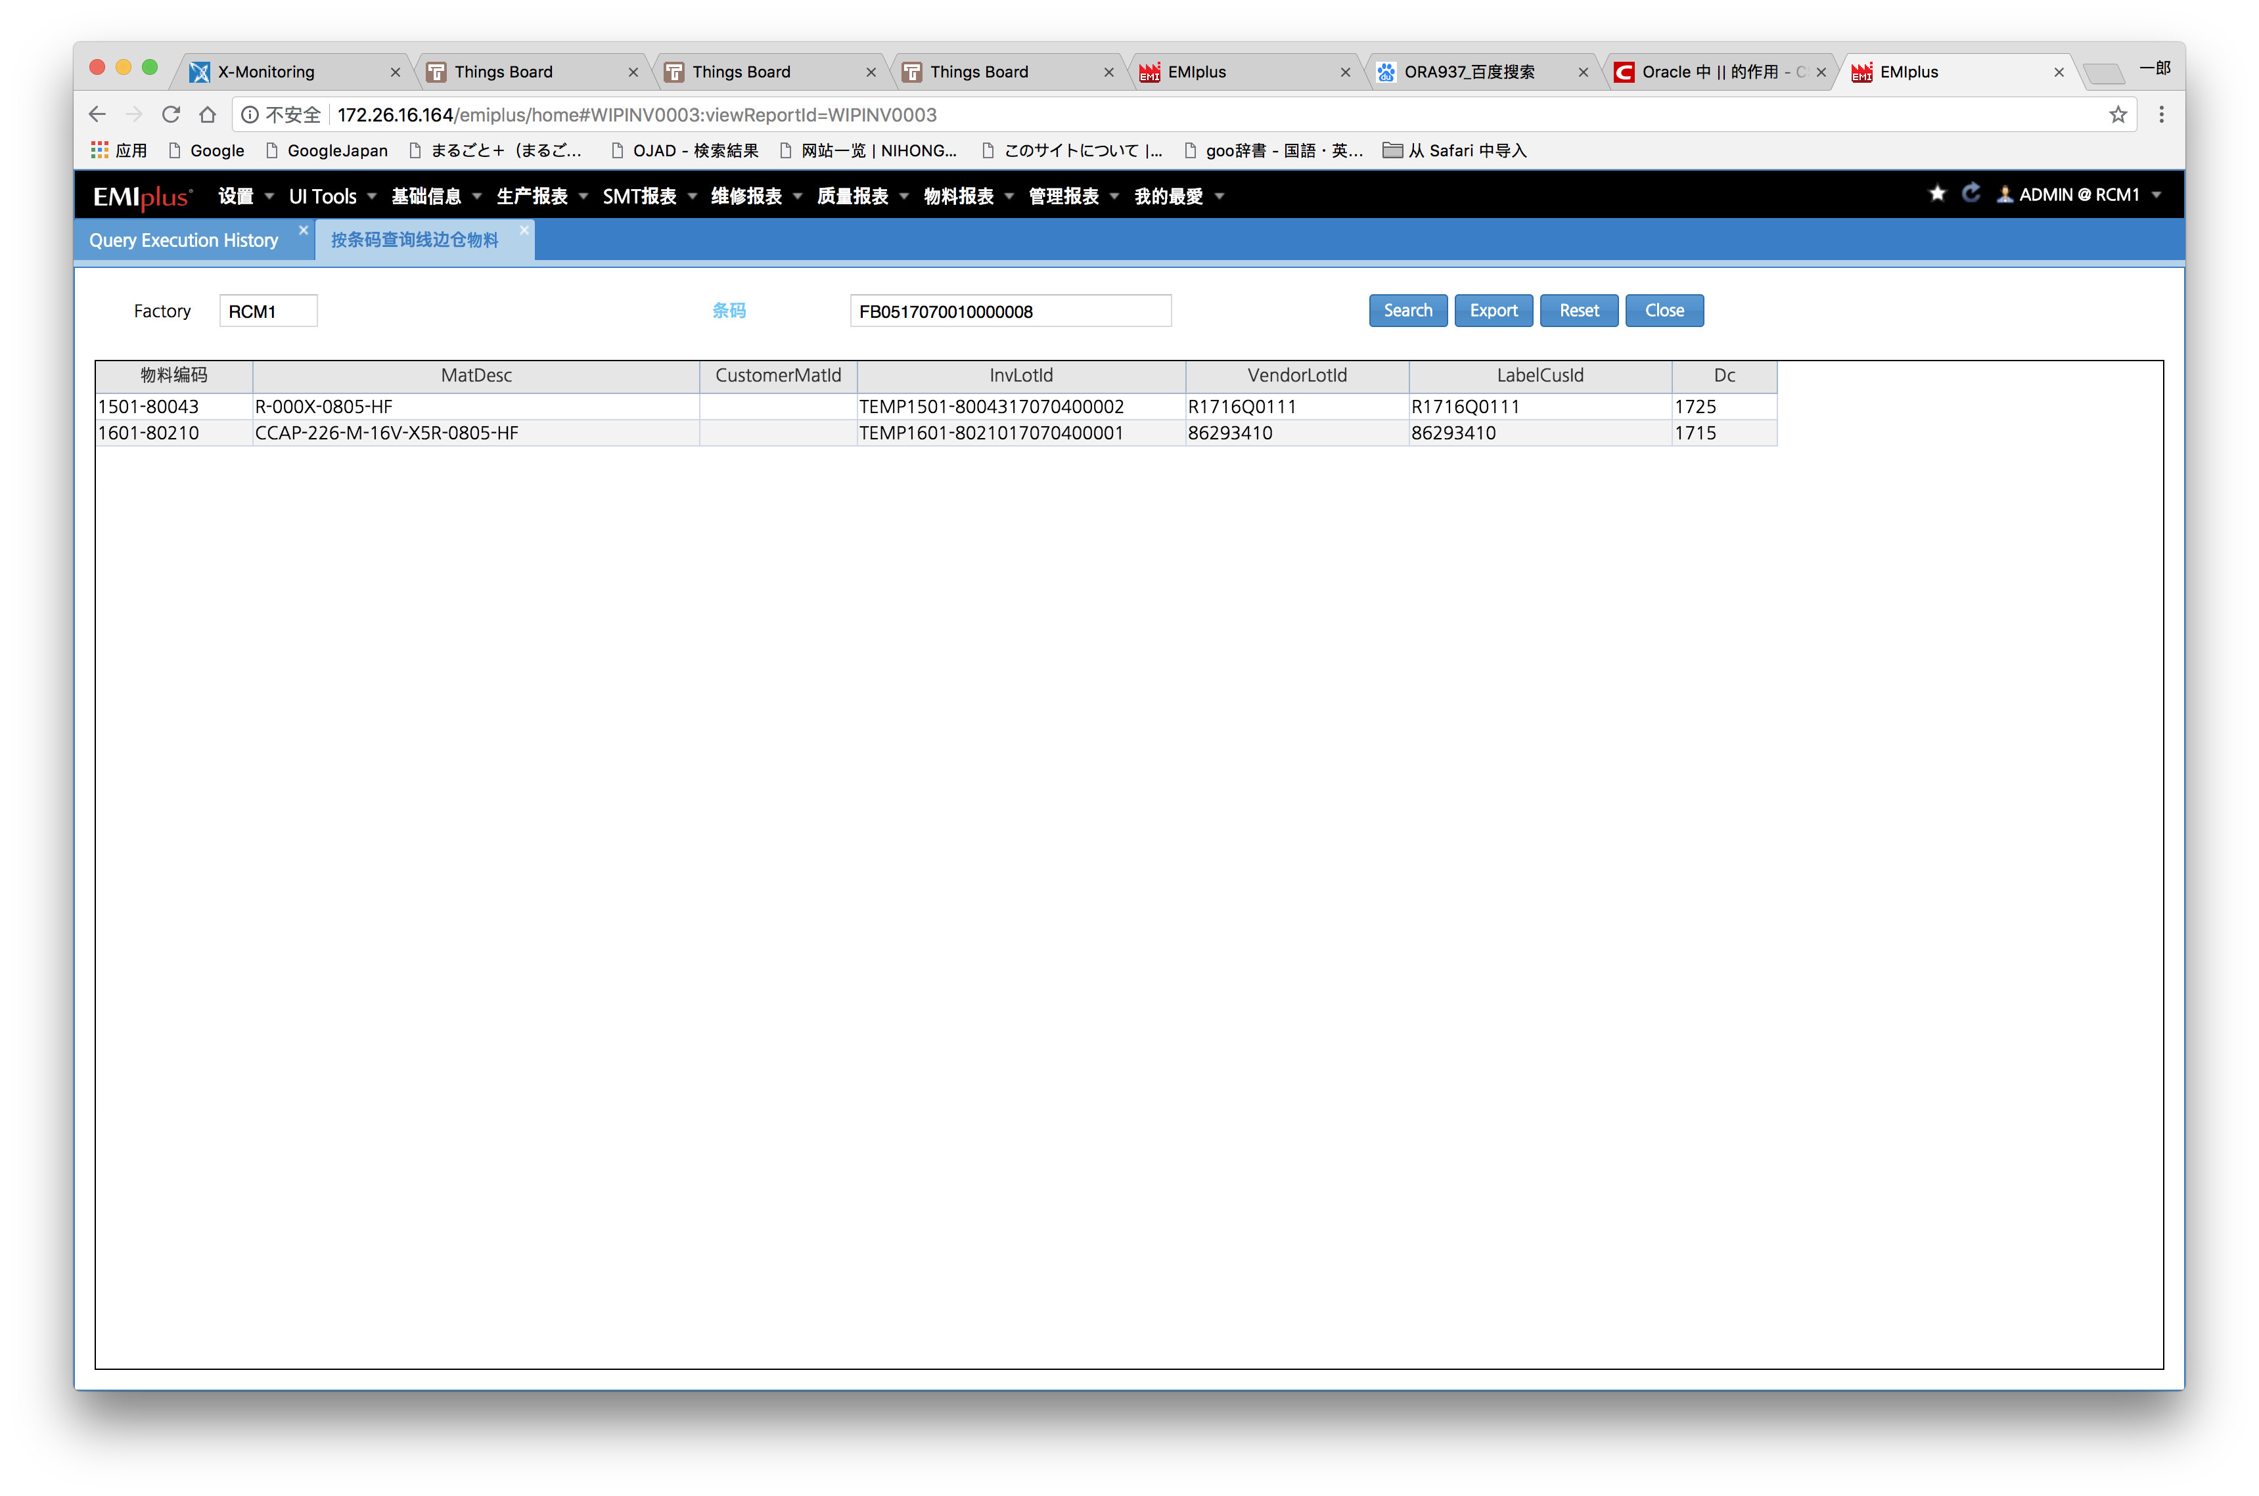

SELECT rownum rn9__, A.* FROM ( SELECT INV_MAT_ID AS INV_MAT_ID , MAT_DESC AS MAT_DESC , CUSTOMER_MAT_ID AS CUSTOMER_MAT_ID , INV_LOT_ID AS INV_LOT_ID , VENDOR_LOT_ID AS VENDOR_LOT_ID , LABEL_CUS_ID AS LABEL_CUS_ID , DC AS DC
FROM (select b.inv_mat_id,
c.mat_desc,
c.customer_mat_id,
b.inv_lot_id,
b.vendor_lot_id,
b.label_cus_id,
b.dc
from mwiplotsts x, minvlotsts b, mwipmatdef c
where x.lot_id = trim( 'FB0517070010000008' )
and x.order_id = b.inv_ord_id
and c.mat_id(+) = b.inv_mat_id
order by b.inv_mat_id) A
) A WHERE ROWNUM < 10000

