Supply Order Form
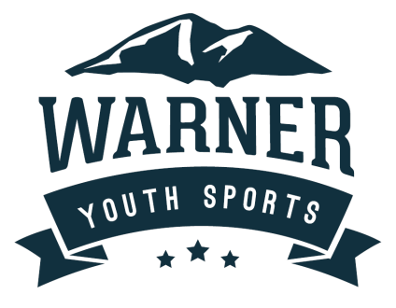
NAME
ADDRESS line 1
ADDRESS line 2
TOWN, STATE
PHONE #
SOLD BY: |  |  | PO Box 20, Warner, NH 03279
PHONE # |  | Order online: https://go.rallyup.com/21ec45

ITEM NO. | DESCRIPTION | QTY | UNIT PRICE | TOTAL
 | White Birch |  | $20.00 | $-
 | Apple Maple Bourbon |  | $20.00 | $-
 | Macintosh Apple |  | $20.00 | $-
 | Apple Harvest |  | $20.00 | $-
 | Cinnamon Stix |  | $20.00 | $-
 | Cinnamon and Vanilla |  | $20.00 | $-
 | Clove |  | $20.00 | $-
 | Creamy Vanilla |  | $20.00 | $-
 | Pumpkin Spice |  | $20.00 | $-
 | Cranberry Woods |  | $20.00 | $-
 | NH Maple Syrup |  | $20.00 | $-
 | Polar Express |  | $20.00 | $-
 | Hansel & Gretel's House |  | $20.00 | $-
 | Pine Forest |  | $20.00 | $-
 | Lavender |  | $20.00 | $-
Checks payable to Warner Youth Sports Association. |  |  | SUBTOTAL | $-

