Supply Order Form
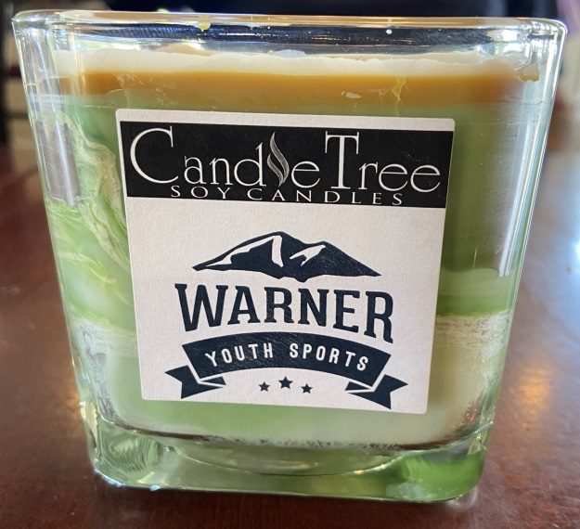
NAME
ADDRESS line 1
ADDRESS line 2
TOWN, STATE
PHONE #
SOLD BY:
PHONE # |  | Fresh earth & grass with a white field line on top!

ITEM NO. | DESCRIPTION | QTY | UNIT PRICE | TOTAL
 | WYSA "GAME DAY" Candle |  | $19.00 | $-
 | Balsam Cedar |  | $17.00 | $-
 | Macintosh Apple |  | $17.00 | $-
 | Farmhouse Cider |  | $17.00 | $-
 | Apple Harvest |  | $17.00 | $-
 | Cinnamon Stix |  | $17.00 | $-
 | Pumpkin Apple Butter |  | $17.00 | $-
 | Pumpkin Pie |  | $17.00 | $-
 | Pumpkin Spice |  | $17.00 | $-
 | Creamy Vanilla |  | $17.00 | $-
 | Cranberry Woods |  | $17.00 | $-
 | Clove |  | $17.00 | $-
 | NH Maple Syrup |  | $17.00 | $-
 | Strudel & Spice |  | $17.00 | $-
 | Hansel & Gretel's House |  | $17.00 | $-
 | Pine Forest |  | $17.00 | $-
Checks payable to Warner Youth Sports Association. |  |  | SUBTOTAL | $-

