PIP Step Process
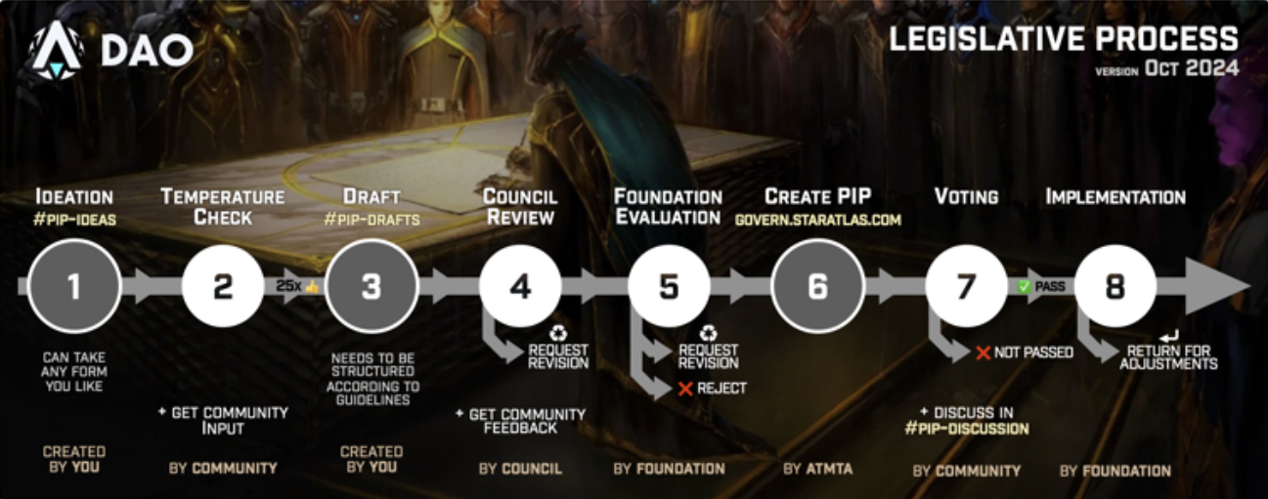
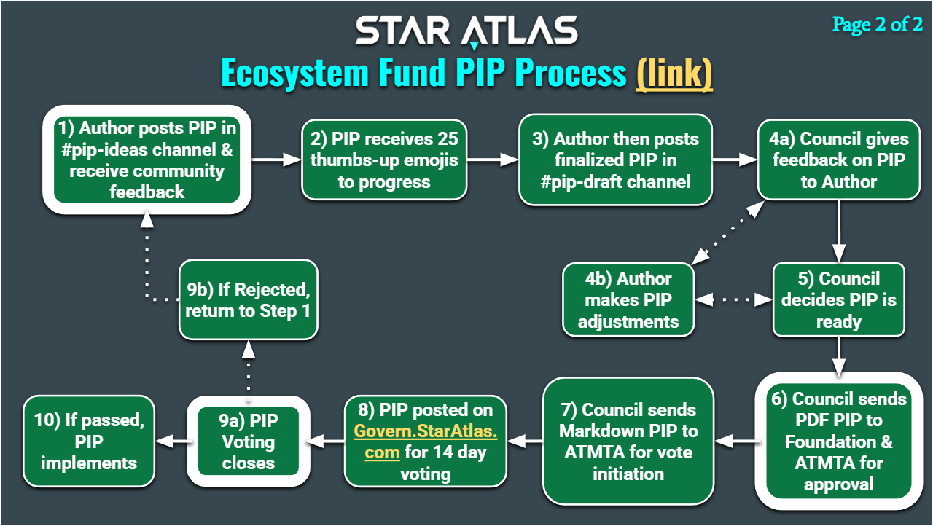

https://star-atlas-dao.gitbook.io/knowledge-base/governance/the-legislative-process

