Accomplishements
Period: | July 21-24, 2026

T.O. No | Purpose of Travel | Places Visited | Activities Undertaken | Accomplishment/What has been done? (kindly attach photo) | Remarks | BSWM/Mgt.
 |  |  |  |  |  | Needed Action
2026-07-11246 | To Conduct Land Suitability Evaluation of the Proposed site in Santa Maria Laguna for High Value Crops | Santa Maria, Laguna, Region IV-A and pts | Conducted land suitability evaluation of the proposed Espiritu Farm site in Santa Maria, Laguna Conducted soil sampling Conducted field verification and assessment Assessed landform and slope conditions | Evaluated the site for potential high-value crop (HVC) production and assessed its physical and terrain characteristics. Collected 16 soil samples covering approximately 80 hectares for assessment of soil properties and fertility status. Validated the site's slope, elevation, and terrain conditions, with elevation reaching approximately 362 masl. Confirmed that a majority of the proposed area is characterized by steep slopes, which may affect land suitability, farm development, and soil and water conservation requirements. | The proposed area is predominantly characterized by steep slopes, limiting mechanized farming and increasing the potential risk of soil erosion. The sloping terrain may require appropriate soil and water conservation measures prior to HVC development. Final land suitability classification is pending the laboratory analysis of the collected soil samples. | Submit the 16 soil samples for laboratory analysis to determine their physical and chemical properties. Conduct a comprehensive land suitability evaluation by integrating laboratory results with slope, elevation, climate, and other relevant biophysical factors. Prepare the final technical report, including the land suitability classification and recommended management interventions for the proposed site.

(Attached Pictures)
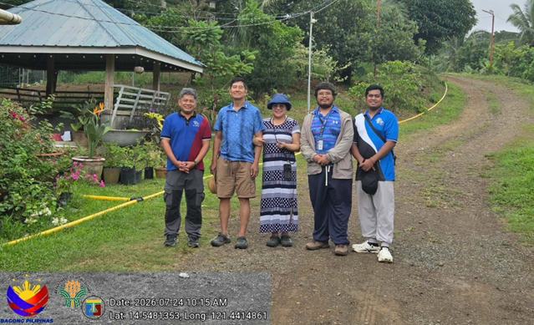 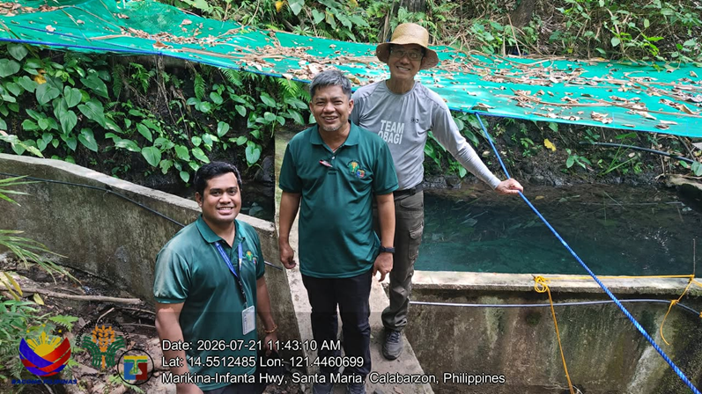 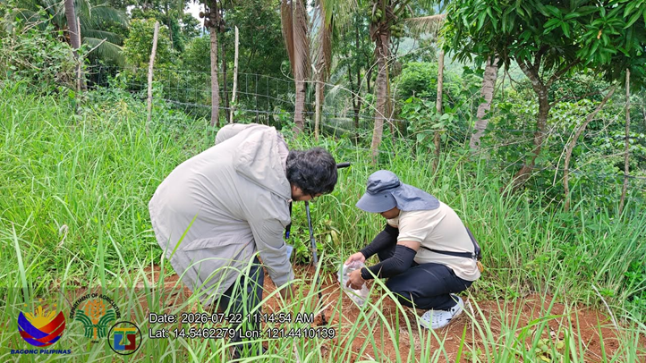 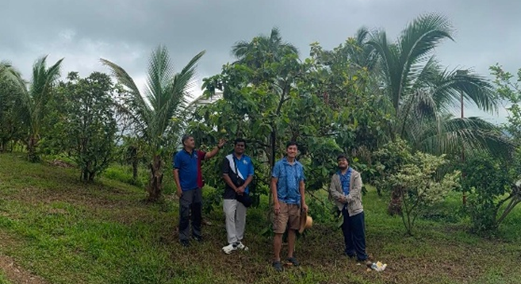

Prepared and Submitted By: |  |  |  | Noted by:

WARREN A. DEL ROSARIO |  |  |  | JOVETTE T. ALMEDA
 | Agriculturist II |  |  | Chief ALMED

