Sheet1
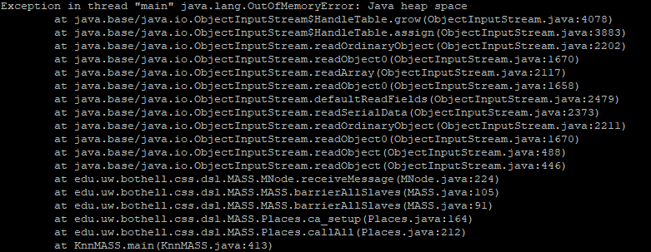
MASS Execution Time In Each Function
Node# | Time Total | Time Compute Distance | Time Collect Node
1 | 50299 | 2124 | 8457
2 | 259746 | 1021 | 204563
3 | 324677 | 755 | 273967
4 | 362600 | 565 | 303827
5 | OOM | OOM | OOM
6 | OOM | OOM | OOM
7 | OOM | OOM | OOM
8 | OOM | OOM | OOM

 |  |  |  | OOM

