26052020
Test case no | Test case | Test case Description | Android | Android Status | IOS | IOS Status | Comments
Spot Praise R1 (User login)
SPRR101 | Installation | User should able to install app faster and smoother | Working Fine | Pass
SPRR102 | Icon Logo and Notation | Spotpraise Icon should display logo and notation should be : Spot Praise | Working Fine | Pass
SPRR103 | Access | A flash screen should appeaer atlease 3 - 5 seconds before going to login/main screen | Working Fine | Pass
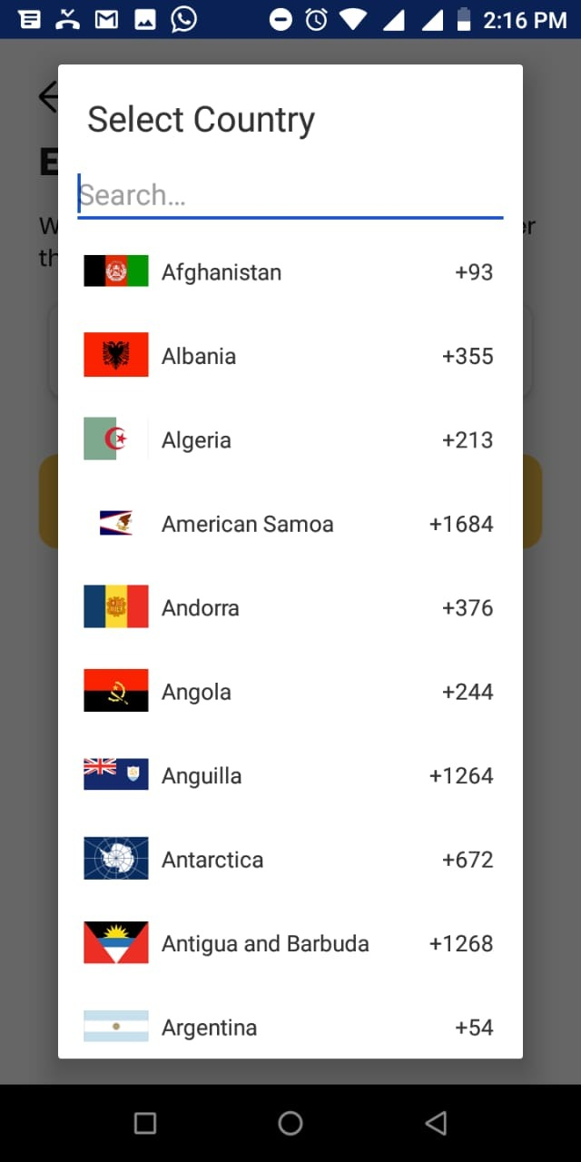
SPRR104 | New User>Create Account | A hyperlink button, navigate to Create account page. User should enter mandatory details like User name, Email, password and phone number. Error should be thrown for inavlid entries or input missing or keying the registered email adress in the text fields. | 1)Unable to register new account with same registered mobile number 2)No validation for phone number,email id, allows un relaistic values. | Failed
SPRR105 | New User>Create Account | If user already have account hyper linke Already have an account?Login should take to login screen | Working Fine | Pass
SPRR106 | New User>Create Account>Verfification Code | User should enter the OTP received on registered mobile number in the Text field. | 1. Failed to receive OTP to registered Mobile number/Email. No proper message. 2.The app doesn't send any OTP. instead gets the OTP from the backend. | Failed
SPRR107 | New User>Create Account>Verfification Code | User should able to resend the OTP to the registered mobile in case of Case 1:. Din't receive any OTP Case 2: OTP expired. | 1. Failed to resend OTP neither to mobile number and email 2. Country extension list displayed when clicking on white screen. 3. Internal server error | Failed
SPRR108 | Login | After access user should able to see Login page as in first instance. 1. This page allow user to input registered email and password(changed/updated) to login. 2. Allert should display when user trying to login using unregistered email id/password. 3. Followed by Forgot password a hyperlink. 4. Bottom of the screen New user? Create Your Account hyper link to take user to create page | Working Fine | Pass
 | Login | Email verification | After successful OTP validation user is requested to verify the email for login. | Failed
SPRR109 | Login>Forgot Password | 1. User should able to enter the registered email Id to receive reset link. 2. For unregistered email Id user should get a allert message to input valid email address. | Instead of taking user to SpotPraise portal to change the password. User are directed to WE SALOON ( http://122.160.233.58/lalit/spot/admin/users/forgotAccount?forgot=MzA3&forgotid=bbcd23259844ce8db55d7067a9c6d8aa ) | Failed |  |  | Able to chane the password successfully
SPRR110 | Login>Forgot Password>Change Password | User should able to open the link for changing password and update with new password. | 1. Unable see the text input in the email input field in specific devices: Found case is Opps Android 2. User able to use the same password to update/change the password. (for eg:current password 1234 new password :1234 ) | Failed
SPRR111 | Main page | Your should be greeted according the time zone | 1. SpotPraise : S should be in capital letter. 2. With respect to timing/time zone app always greets "Good <greetings> <user name Capital> | Failed
SPRR112 | Main page>profile | Profile page list out nagivating buttons as follow 1. Profile pic 2. Personal Information 3. Post History 4. Subscription plan 5. Change password. | Working Fine | Pass
SPRR113 | Profile>Personal information | Allow user to edit /change 1. Profile picture 2. Name | Unable to update profile pic from gallary. | Failed
SPRR114 | Profile>Post History | The page shows the list of all posts user created using application | Under development | Under development
SPRR115 | Profile> Subscription Information | This page should display the current subscription plan and allow user to subscribe more than year | Expiry date formate has to changed to proper date formate | Failed
SPRR116 | Profile>Change Password | User should able to change the password using this page. | 1. No validation check done between Current password and New password. User able to change the password successfully with out any error. (for eg:current password 1234 new password :1234 confirm password:1234 ) 2. Application should log out user and take to login screen once password successfully change done. | Failed
SPRR117 | Log out | 1. User should get allert message once he click on logout button to select yes or no option to proceed with his decission. 2. Application should take the user to login page once he click on logout button | Working Fine | Pass

