177-07-17
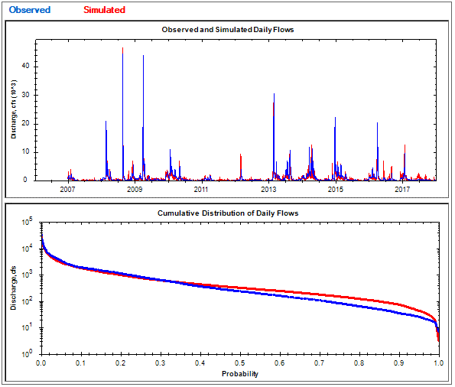
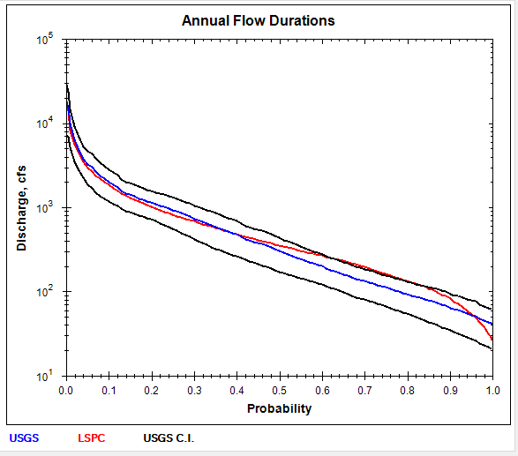
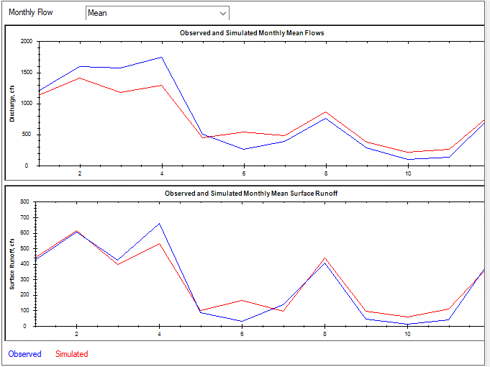
NLDAS RAIN BASE ET FACT=1 RUN2rev |  |  |  | sqmi | 1002.00 | sqkm | 2595.17 | 2.59 |  | RUN 2 DEEPFR RUN1-0.1
 | USGS | LSPC | RAIN | PET | USGS, IN | LSPC, IN | ETACT | ETLSPC | %diff
2007 | 249.214 | 327.917 | 32.61 | 41.12 | 3.38 | 4.44 | 29.23 | 28.17 | 31.6% | Number of series | 4018 | 4018 | 4018
2008 | 1394.505 | 1264.518 | 70.48 | 39.7 | 18.90 | 17.14 | 51.58 | 53.34 | -9.3% | Bias | -49.543 | 5.298 | -54.841
2009 | 1361.151 | 1121.873 | 57.09 | 40.33 | 18.45 | 15.21 | 38.64 | 41.88 | -17.6% | Standard error | 1253.786 | 1092.362 | 468.355
2010 | 984.901 | 732.794 | 48.02 | 40.51 | 13.35 | 9.93 | 34.67 | 38.09 | -25.6% | Relative bias | -5.65% | 1.69% | -9.72%
2011 | 189.259 | 299.013 | 39.01 | 41.5 | 2.57 | 4.05 | 36.44 | 34.96 | 58.0% | Relative standard error | 0.543 | 0.604 | 0.521
2012 | 228.243 | 386.281 | 48.19 | 41.6 | 3.09 | 5.24 | 45.10 | 42.95 | 69.2% | Nash-Sutcliffe coefficient | 0.705 | 0.636 | 0.728
2013 | 1506.255 | 1280.478 | 65.5 | 41.14 | 20.42 | 17.36 | 45.08 | 48.14 | -15.0% | Coefficient of efficiency | 0.485 | 0.455 | 0.525
2014 | 1552.588 | 1299.129 | 66.47 | 41.02 | 21.04 | 17.61 | 45.43 | 48.86 | -16.3% | Index of agreement | 0.726 | 0.724 | 0.733
2015 | 782.212 | 661.852 | 49.22 | 44.74 | 10.60 | 8.97 | 38.62 | 40.25 | -15.4%
2016 | 921.408 | 1069.742 | 59.83 | 43.83 | 12.49 | 14.50 | 47.34 | 45.33 | 16.1%
2017 | 481.997 | 662.272 | 49.61 | 41.96 | 6.53 | 8.98 | 43.08 | 40.63 | 37.4% | Mean, all daily flows | 877.5948 | 828.0129 | -5.6 | 313.01 | 318.3097 | 1.7
 | 877.43 | 827.81 | 53.28 | 41.59 | 11.89 | 11.22 | 41.38 | 42.06 | -5.7% | Median, all daily flows | 234 | 320.689 | 37 | 0 | 0 | NaN
 |  |  |  |  |  |  | 1.00 | 1.01 |  | Mean monthly flow, January | 1186.712 | 986.6975 | -16.9 | 407.8368 | 367.2208 | -10
 |  |  |  |  |  |  |  |  |  | Mean monthly flow, February | 1601.968 | 1394.918 | -12.9 | 631.1454 | 645.3081 | 2.2
 |  |  |  |  |  |  |  |  |  | Mean monthly flow, March | 1657.309 | 1254.033 | -24.3 | 458.8524 | 427.0008 | -6.9
 |  |  |  |  |  |  |  |  |  | Mean monthly flow, April | 1874.014 | 1379.413 | -26.4 | 715.4945 | 573.5904 | -19.8
 |  |  |  |  |  |  |  |  |  | Mean monthly flow, May | 509.4965 | 436.6442 | -14.3 | 80.42626 | 86.78756 | 7.9
 |  |  |  |  |  |  |  |  |  | Mean monthly flow, June | 272.5694 | 554.859 | 103.6 | 32.02648 | 172.924 | 439.9
 |  |  |  |  |  |  |  |  |  | Mean monthly flow, July | 414.2535 | 502.733 | 21.4 | 150.3065 | 100.5823 | -33.1
 |  |  |  |  |  |  |  |  |  | Mean monthly flow, August | 818.5261 | 906.7737 | 10.8 | 435.2448 | 469.0538 | 7.8
 |  |  |  |  |  |  |  |  |  | Mean monthly flow, September | 298.3426 | 392.425 | 31.5 | 42.03361 | 99.61096 | 137
 |  |  |  |  |  |  |  |  |  | Mean monthly flow, October | 106.4184 | 225.1709 | 111.6 | 11.31343 | 59.08775 | 422.3
 |  |  |  |  |  |  |  |  |  | Mean monthly flow, November | 134.3978 | 259.6337 | 93.2 | 41.09351 | 111.0676 | 170.3
 |  |  |  |  |  |  |  |  |  | Mean monthly flow, December | 824.7774 | 854.697 | 3.6 | 453.3553 | 412.2122 | -9.1

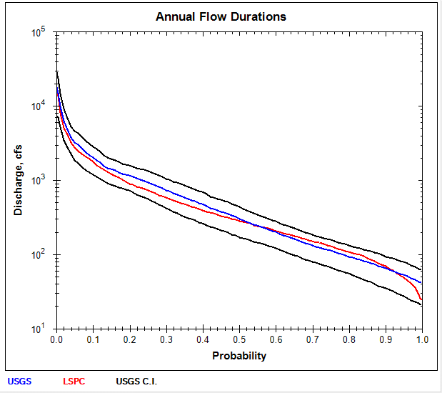
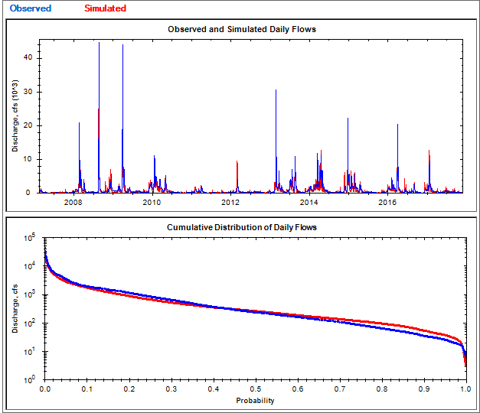
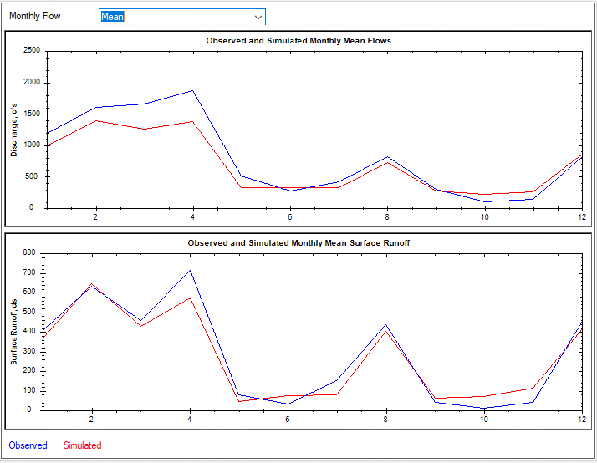
RUN 3 WITHDRWALS |  |  |  |  |  |  |  |  |  | RUN 3 WITHDRWALS
NLDAS RAIN BASE ET FACT=1 RUN2rev |  |  |  | sqmi | 1002.00 | sqkm | 2595.17 | 2.59
 | USGS | LSPC | RAIN | PET | USGS, IN | LSPC, IN | ETACT | ETLSPC | %diff | Number of series | 4018 | 4018 | 4018
2007 | 249.214 | 295.986 | 32.61 | 41.12 | 3.38 | 4.01 | 29.23 | 28.60 | 18.8% | Bias | -123.639 | -17.426 | -106.213
2008 | 1394.505 | 1198.997 | 70.48 | 39.7 | 18.90 | 16.25 | 51.58 | 54.23 | -14.0% | Standard error | 1202.81 | 1043.744 | 452.768
2009 | 1361.151 | 1051.333 | 57.09 | 40.33 | 18.45 | 14.25 | 38.64 | 42.84 | -22.8% | Relative bias | -14.09% | -5.57% | -18.82%
2010 | 984.901 | 652.119 | 48.02 | 40.51 | 13.35 | 8.84 | 34.67 | 39.18 | -33.8% | Relative standard error | 0.521 | 0.577 | 0.504
2011 | 189.259 | 264.693 | 39.01 | 41.5 | 2.57 | 3.59 | 36.44 | 35.42 | 39.9% | Nash-Sutcliffe coefficient | 0.728 | 0.667 | 0.746
2012 | 228.243 | 333.072 | 48.19 | 41.6 | 3.09 | 4.51 | 45.10 | 43.68 | 45.9% | Coefficient of efficiency | 0.54 | 0.498 | 0.59
2013 | 1506.255 | 1171.466 | 65.5 | 41.14 | 20.42 | 15.88 | 45.08 | 49.62 | -22.2% | Index of agreement | 0.757 | 0.743 | 0.773
2014 | 1552.588 | 1247.844 | 66.47 | 41.02 | 21.04 | 16.91 | 45.43 | 49.56 | -19.6%
2015 | 782.212 | 608.956 | 49.22 | 44.74 | 10.60 | 8.25 | 38.62 | 40.97 | -22.1%
2016 | 921.408 | 939.515 | 59.83 | 43.83 | 12.49 | 12.73 | 47.34 | 47.10 | 2.0% | Mean, all daily flows | 877.5948 | 753.8983 | -14.1 | 313.01 | 295.5799 | 1.7
2017 | 481.997 | 526.902 | 49.61 | 41.96 | 6.53 | 7.14 | 43.08 | 42.47 | 9.3% | Median, all daily flows | 234 | 253.6652 | 8.4 | 0 | 0 | NaN
 | 877.43 | 753.72 | 53.28 | 41.59 | 11.89 | 10.22 | 41.38 | 43.06 | -14.1% | Mean monthly flow, January | 1186.712 | 986.6975 | -16.9 | 407.8368 | 367.4333 | -9.9
 |  |  |  |  |  |  | 1.00 | 1.04 |  | Mean monthly flow, February | 1601.968 | 1394.918 | -12.9 | 631.1454 | 645.3414 | 2.2
 |  |  |  |  |  |  |  |  |  | Mean monthly flow, March | 1657.309 | 1254.033 | -24.3 | 458.8524 | 427.0058 | -6.9
 |  |  |  |  |  |  |  |  |  | Mean monthly flow, April | 1874.014 | 1378.479 | -26.4 | 715.4945 | 572.7002 | -20
 |  |  |  |  |  |  |  |  |  | Mean monthly flow, May | 509.4965 | 329.633 | -35.3 | 80.42626 | 43.42634 | -46
 |  |  |  |  |  |  |  |  |  | Mean monthly flow, June | 272.5694 | 332.2997 | 21.9 | 32.02648 | 75.84794 | 136.8
 |  |  |  |  |  |  |  |  |  | Mean monthly flow, July | 414.2535 | 327.4754 | -20.9 | 150.3065 | 80.7459 | -46.3
 |  |  |  |  |  |  |  |  |  | Mean monthly flow, August | 818.5261 | 721.7194 | -11.8 | 435.2448 | 403.5998 | -7.3
 |  |  |  |  |  |  |  |  |  | Mean monthly flow, September | 298.3426 | 274.3203 | -8.1 | 42.03361 | 62.02373 | 47.6
 |  |  |  |  |  |  |  |  |  | Mean monthly flow, October | 106.4184 | 222.7543 | 109.3 | 11.31343 | 69.87909 | 517.7
 |  |  |  |  |  |  |  |  |  | Mean monthly flow, November | 134.3978 | 259.6337 | 93.2 | 41.09351 | 112.9439 | 174.8
 |  |  |  |  |  |  |  |  |  | Mean monthly flow, December | 824.7774 | 854.697 | 3.6 | 453.3553 | 413.7511 | -8.7

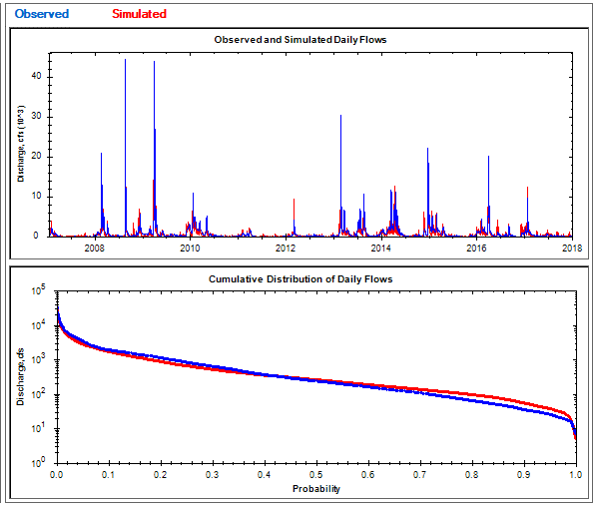
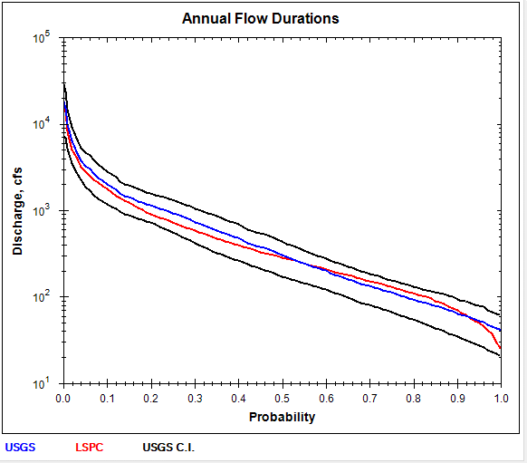
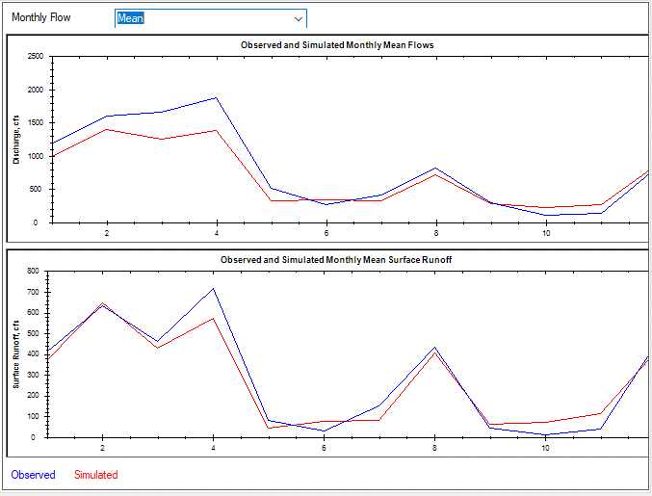
RUN 3 WITHDRWALS with revised PS flow |  |  |  |  |  |  |  |  |  | RUN 3 WITHDRWALS with revised PS flow
NLDAS RAIN BASE ET FACT=1 RUN2rev |  |  |  | sqmi | 1002.00 | sqkm | 2595.17 | 2.59
 | USGS | LSPC | RAIN | PET | USGS, IN | LSPC, IN | ETACT | ETLSPC | %diff | Number of series | 4018 | 4018 | 4018
2007 | 249.214 | 295.986 | 32.61 | 41.12 | 3.38 | 4.01 | 29.23 | 28.60 | 18.8% | Bias | -121.977 | -17.369 | -104.609
2008 | 1394.505 | 1198.997 | 70.48 | 39.7 | 18.90 | 16.25 | 51.58 | 54.23 | -14.0% | Standard error | 1202.442 | 1043.76 | 451.909
2009 | 1361.151 | 1051.333 | 57.09 | 40.33 | 18.45 | 14.25 | 38.64 | 42.84 | -22.8% | Relative bias | -13.90% | -5.55% | -18.53%
2010 | 984.901 | 652.119 | 48.02 | 40.51 | 13.35 | 8.84 | 34.67 | 39.18 | -33.8% | Relative standard error | 0.521 | 0.577 | 0.503
2011 | 189.259 | 264.693 | 39.01 | 41.5 | 2.57 | 3.59 | 36.44 | 35.42 | 39.9% | Nash-Sutcliffe coefficient | 0.728 | 0.667 | 0.747
2012 | 228.243 | 333.234 | 48.19 | 41.6 | 3.09 | 4.52 | 45.10 | 43.67 | 46.0% | Coefficient of efficiency | 0.54 | 0.498 | 0.59
2013 | 1506.255 | 1175.503 | 65.5 | 41.14 | 20.42 | 15.93 | 45.08 | 49.57 | -22.0% | Index of agreement | 0.757 | 0.743 | 0.774
2014 | 1552.588 | 1251.96 | 66.47 | 41.02 | 21.04 | 16.97 | 45.43 | 49.50 | -19.4%
2015 | 782.212 | 612.531 | 49.22 | 44.74 | 10.60 | 8.30 | 38.62 | 40.92 | -21.7%
2016 | 921.408 | 942.969 | 59.83 | 43.83 | 12.49 | 12.78 | 47.34 | 47.05 | 2.3% | Mean, all daily flows | 877.5948 | 755.5599 | -13.9 | 313.01 | 295.6377 | -5.6
2017 | 481.997 | 529.84 | 49.61 | 41.96 | 6.53 | 7.18 | 43.08 | 42.43 | 9.9% | Median, all daily flows | 234 | 255.2331 | 9.1 | 0 | 0 | NaN
 | 877.43 | 755.38 | 53.28 | 41.59 | 11.89 | 10.24 | 41.38 | 43.04 | -13.9% | Mean monthly flow, January | 1186.712 | 988.2684 | -16.7 | 407.8368 | 367.5454 | -9.9
 |  |  |  |  |  |  | 1.00 | 1.03 |  | Mean monthly flow, February | 1601.968 | 1396.817 | -12.8 | 631.1454 | 645.465 | 2.3
 |  |  |  |  |  |  |  |  |  | Mean monthly flow, March | 1657.309 | 1256.09 | -24.2 | 458.8524 | 427.0812 | -6.9
 |  |  |  |  |  |  |  |  |  | Mean monthly flow, April | 1874.014 | 1380.665 | -26.3 | 715.4945 | 572.7356 | -20
 |  |  |  |  |  |  |  |  |  | Mean monthly flow, May | 509.4965 | 331.3881 | -35 | 80.42626 | 43.42664 | -46
 |  |  |  |  |  |  |  |  |  | Mean monthly flow, June | 272.5694 | 333.5719 | 22.4 | 32.02648 | 75.81861 | 136.7
 |  |  |  |  |  |  |  |  |  | Mean monthly flow, July | 414.2535 | 328.8172 | -20.6 | 150.3065 | 80.83806 | -46.2
 |  |  |  |  |  |  |  |  |  | Mean monthly flow, August | 818.5261 | 723.1197 | -11.7 | 435.2448 | 403.6181 | -7.3
 |  |  |  |  |  |  |  |  |  | Mean monthly flow, September | 298.3426 | 275.5462 | -7.6 | 42.03361 | 62.03382 | 47.6
 |  |  |  |  |  |  |  |  |  | Mean monthly flow, October | 106.4184 | 223.8942 | 110.4 | 11.31343 | 69.89656 | 517.8
 |  |  |  |  |  |  |  |  |  | Mean monthly flow, November | 134.3978 | 260.6997 | 94 | 41.09351 | 112.9803 | 174.9
 |  |  |  |  |  |  |  |  |  | Mean monthly flow, December | 824.7774 | 856.088 | 3.8 | 453.3553 | 413.8963 | -8.7

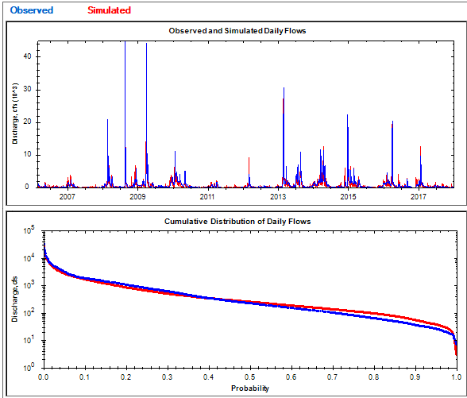
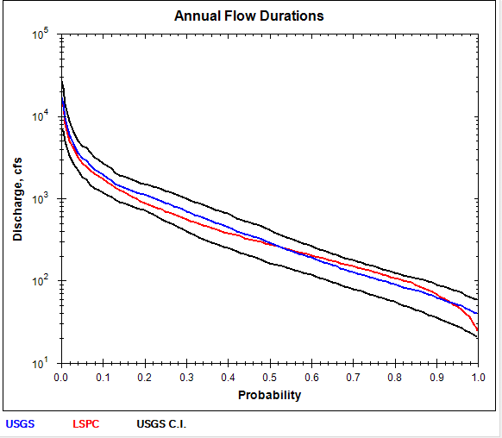
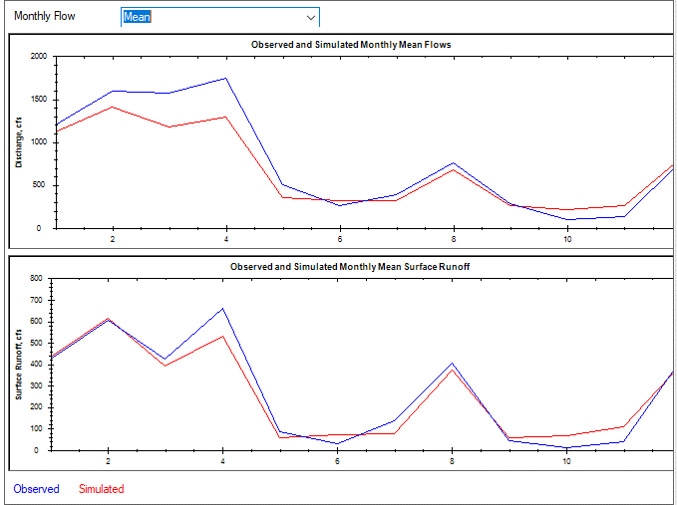
RUN 4 WITHDRWALS with ET fctors |  |  |  |  |  |  |  |  |  | RUN4 WITHDRWALS
NLDAS RAIN BASE ET FACT=1 RUN2rev |  |  |  | sqmi | 1002.00 | sqkm | 2595.17 | 2.59
 | USGS | LSPC | RAIN | PET | USGS, IN | LSPC, IN | ETACT | ETLSPC | %diff | Number of series | 4018 | 4018 | 4018
2007 | 383.239 | 597.782 | 44.18 | 40.4 | 5.19 | 8.10 | 38.99 | 36.08 | 56.0% | Bias | -99.304 | -10.166 | -89.138
2008 | 249.214 | 295.082 | 32.61 | 41.12 | 3.38 | 4.00 | 29.23 | 28.61 | 18.4% | Standard error | 1178.015 | 1019.916 | 445.525
2009 | 1394.505 | 1193.015 | 70.48 | 39.7 | 18.90 | 16.17 | 51.58 | 54.31 | -14.4% | Relative bias | -11.87% | -3.44% | -16.48%
2010 | 1361.151 | 1047.02 | 57.09 | 40.33 | 18.45 | 14.19 | 38.64 | 42.90 | -23.1% | Relative standard error | 0.531 | 0.587 | 0.512
2011 | 984.901 | 648.2 | 48.02 | 40.51 | 13.35 | 8.79 | 34.67 | 39.23 | -34.2% | Nash-Sutcliffe coefficient | 0.718 | 0.655 | 0.738
2012 | 189.259 | 262.973 | 39.01 | 41.5 | 2.57 | 3.56 | 36.44 | 35.45 | 38.9% | Coefficient of efficiency | 0.531 | 0.484 | 0.578
2013 | 228.243 | 329.282 | 48.19 | 41.6 | 3.09 | 4.46 | 45.10 | 43.73 | 44.3% | Index of agreement | 0.753 | 0.737 | 0.767
2014 | 1506.255 | 1167.15 | 65.5 | 41.14 | 20.42 | 15.82 | 45.08 | 49.68 | -22.5%
2015 | 1552.588 | 1244.052 | 66.47 | 41.02 | 21.04 | 16.86 | 45.43 | 49.61 | -19.9%
2016 | 782.212 | 607.302 | 49.22 | 44.74 | 10.60 | 8.23 | 38.62 | 40.99 | -22.4% | Mean, all daily flows | 836.4173 | 737.066 | -11.9 | 295.5644 | 285.3963 | -3.4
2017 | 921.408 | 929.754 | 59.83 | 43.83 | 12.49 | 12.60 | 47.34 | 47.23 | 0.9% | Median, all daily flows | 222 | 249.6432 | 12.5 | 0 | 0 | NaN
 | 481.997 | 521.148 | 49.61 | 41.96 | 6.53 | 7.06 | 43.08 | 42.55 | 8.1% | Mean monthly flow, January | 1200.382 | 1123.813 | -6.4 | 421.9863 | 435.4772 | 3.2
 |  |  |  |  |  |  | 1.03 | 1.01 |  | Mean monthly flow, February | 1589.099 | 1404.269 | -11.6 | 606.1621 | 614.5671 | 1.4
 |  |  |  |  |  |  |  |  |  | Mean monthly flow, March | 1575.308 | 1175.493 | -25.4 | 423.4829 | 391.9083 | -7.5
 |  |  |  |  |  |  |  |  |  | Mean monthly flow, April | 1742.634 | 1286.352 | -26.2 | 660.4564 | 529.4976 | -19.8
 |  |  |  |  |  |  |  |  |  | Mean monthly flow, May | 499.0732 | 349.0358 | -30.1 | 85.66384 | 58.3458 | -31.9
 |  |  |  |  |  |  |  |  |  | Mean monthly flow, June | 256.4185 | 322.9792 | 26 | 29.56246 | 72.42239 | 145
 |  |  |  |  |  |  |  |  |  | Mean monthly flow, July | 385.6509 | 312.8476 | -18.9 | 138.9249 | 74.91544 | -46.1
 |  |  |  |  |  |  |  |  |  | Mean monthly flow, August | 762.8717 | 681.072 | -10.7 | 403.6275 | 373.5386 | -7.5
 |  |  |  |  |  |  |  |  |  | Mean monthly flow, September | 287.506 | 265.7943 | -7.6 | 41.81417 | 57.20503 | 36.8
 |  |  |  |  |  |  |  |  |  | Mean monthly flow, October | 103.2495 | 214.7714 | 108 | 11.0236 | 67.10415 | 508.7
 |  |  |  |  |  |  |  |  |  | Mean monthly flow, November | 132.9821 | 254.896 | 91.7 | 40.59569 | 108.0192 | 166.1
 |  |  |  |  |  |  |  |  |  | Mean monthly flow, December | 776.5787 | 817.0142 | 5.2 | 426.0076 | 398.8349 | -6.4

170-07-17
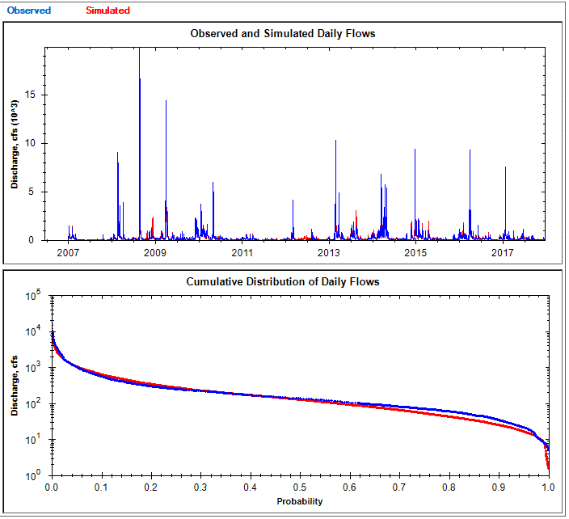
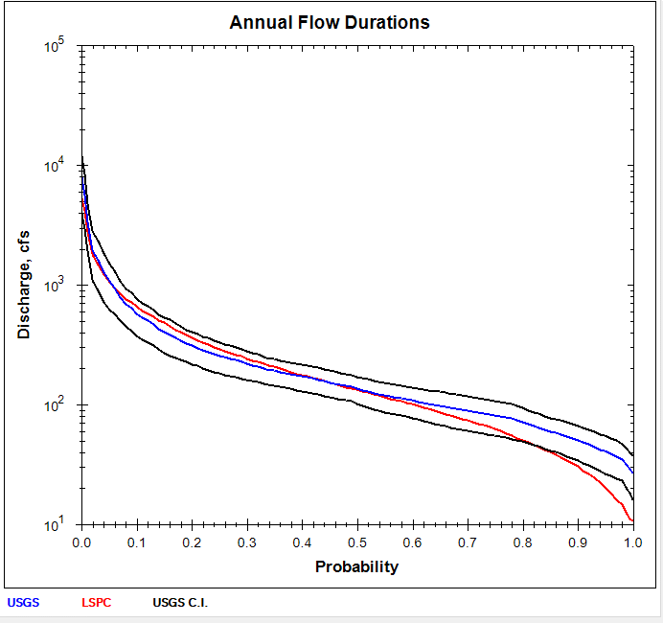
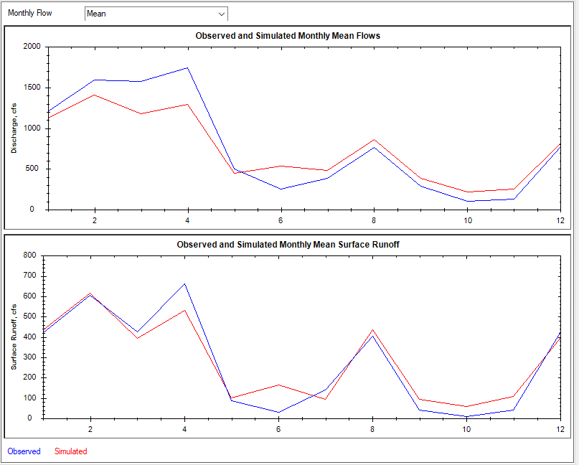
NLDAS RAIN BASE ET FACT=1 RUN2rev |  |  |  | sqmi | 305.32 | sqkm | 790.77 | 2.59 |  | RUN 2 DEEPFR RUN1-0.1
 | USGS | LSPC | RAIN | PET | USGS, IN | LSPC, IN | ETACT | ETLSPC | %diff
2007 | 107.973 | 109.593 | 34 | 41.12 | 4.80 | 4.87 | 29.20 | 29.13 | 1.5% | Number of series | 4018 | 4018 | 4018
2008 | 466.334 | 460.362 | 73.75 | 39.7 | 20.74 | 20.48 | 53.01 | 53.27 | -1.3% | Bias | -12.953 | -8.199 | -4.755
2009 | 410.755 | 369.25 | 60.56 | 40.33 | 18.27 | 16.43 | 42.29 | 44.13 | -10.1% | Standard error | 347.405 | 314.115 | 95.807
2010 | 347.664 | 271.795 | 49.34 | 40.51 | 15.47 | 12.09 | 33.87 | 37.25 | -21.8% | Relative bias | -4.31% | -7.25% | -2.53%
2011 | 101.903 | 99.073 | 38.59 | 41.5 | 4.53 | 4.41 | 34.06 | 34.18 | -2.8% | Relative standard error | 0.441 | 0.473 | 0.412
2012 | 129.184 | 179.976 | 52.07 | 41.6 | 5.75 | 8.01 | 46.32 | 44.06 | 39.3% | Nash-Sutcliffe coefficient | 0.805 | 0.776 | 0.83
2013 | 408.791 | 426.873 | 69.68 | 41.14 | 18.18 | 18.99 | 51.50 | 50.69 | 4.4% | Coefficient of efficiency | 0.566 | 0.605 | 0.548
2014 | 537.635 | 498.33 | 73.01 | 41.02 | 23.92 | 22.17 | 49.09 | 50.84 | -7.3% | Index of agreement | 0.781 | 0.793 | 0.782
2015 | 244.772 | 255.318 | 54.69 | 44.74 | 10.89 | 11.36 | 43.80 | 43.33 | 4.3%
2016 | 334.441 | 326.853 | 60.94 | 43.83 | 14.88 | 14.54 | 46.06 | 46.40 | -2.3%
2017 | 219.458 | 168.793 | 50.79 | 41.96 | 9.76 | 7.51 | 41.03 | 43.28 | -23.1% | Mean, all daily flows | 300.8706 | 287.9232 | -4.3 | 113.1602 | 104.9593 | -7.2
 | 300.81 | 287.84 | 56.13 | 41.59 | 13.38 | 12.80 | 42.75 | 43.33 | -4.3% | Median, all daily flows | 134 | 124.4703 | -7.1 | 0 | 0 | NaN
 |  |  |  |  |  |  | 1.03 | 1.04 |  | Mean monthly flow, January | 375.3651 | 332.3469 | -11.5 | 138.4124 | 113.8455 | -17.7
 |  |  |  |  |  |  |  |  |  | Mean monthly flow, February | 511.5459 | 451.5677 | -11.7 | 228.1129 | 194.5811 | -14.7
 |  |  |  |  |  |  |  |  |  | Mean monthly flow, March | 488.6349 | 443.6973 | -9.2 | 183.2078 | 147.7553 | -19.4
 |  |  |  |  |  |  |  |  |  | Mean monthly flow, April | 538.2725 | 482.0614 | -10.4 | 218.0887 | 191.0928 | -12.4
 |  |  |  |  |  |  |  |  |  | Mean monthly flow, May | 237.6487 | 173.9749 | -26.8 | 70.88095 | 43.69491 | -38.4
 |  |  |  |  |  |  |  |  |  | Mean monthly flow, June | 113.6681 | 168.1028 | 47.9 | 19.89283 | 40.65344 | 104.4
 |  |  |  |  |  |  |  |  |  | Mean monthly flow, July | 156.8137 | 199.6232 | 27.3 | 44.96672 | 48.68219 | 8.3
 |  |  |  |  |  |  |  |  |  | Mean monthly flow, August | 295.7121 | 342.5218 | 15.8 | 146.5987 | 163.8058 | 11.7
 |  |  |  |  |  |  |  |  |  | Mean monthly flow, September | 121.8349 | 120.2376 | -1.3 | 21.60849 | 18.577 | -14
 |  |  |  |  |  |  |  |  |  | Mean monthly flow, October | 78.72339 | 71.53874 | -9.1 | 11.15558 | 17.6314 | 58.1
 |  |  |  |  |  |  |  |  |  | Mean monthly flow, November | 107.2061 | 105.5689 | -1.5 | 34.98665 | 47.06377 | 34.5
 |  |  |  |  |  |  |  |  |  | Mean monthly flow, December | 296.7606 | 285.759 | -3.7 | 132.8537 | 132.3291 | -0.4

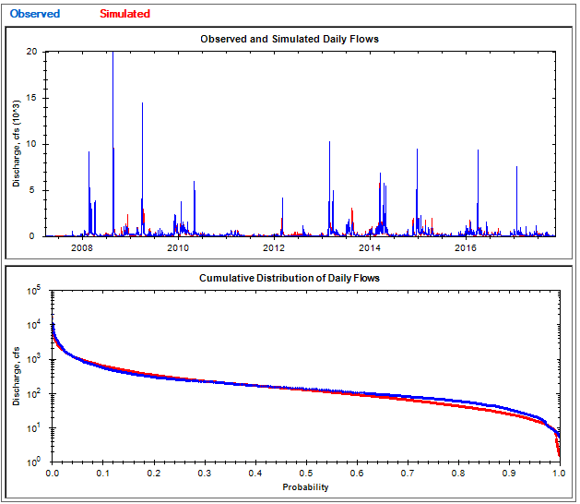
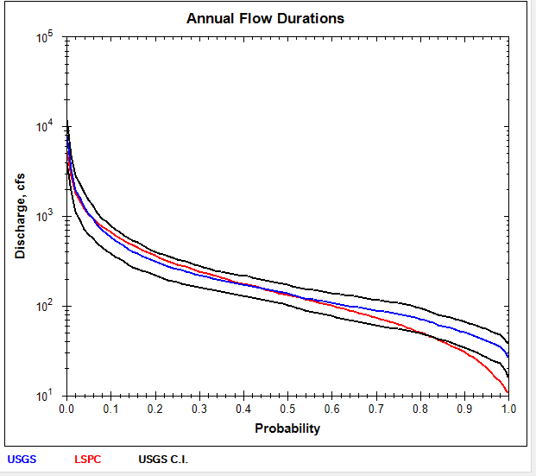
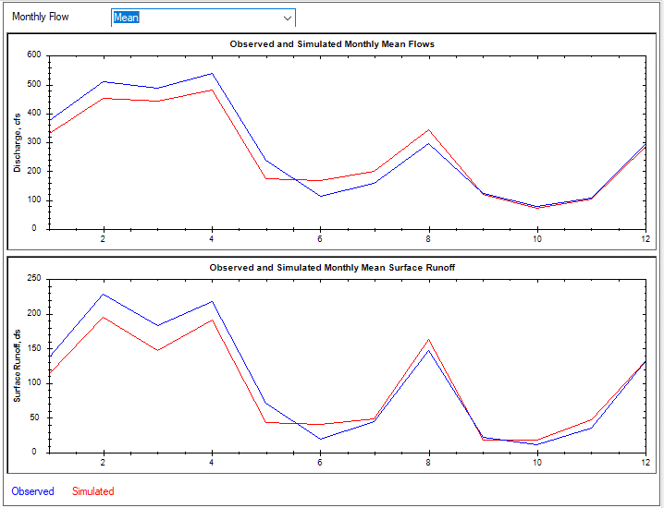
RUN 3 WITHDRWALS |  |  |  |  |  |  |  |  |  | RUN 3 WITHDRWALS
NLDAS RAIN BASE ET FACT=1 RUN2rev |  |  |  | sqmi | 305.32 | sqkm | 790.77 | 2.59
 | USGS | LSPC | RAIN | PET | USGS, IN | LSPC, IN | ETACT | ETLSPC | %diff | Number of series | 4018 | 4018 | 4018
2007 | 107.973 | 109.593 | 34 | 41.12 | 4.80 | 4.87 | 29.20 | 29.13 | 1.5% | Bias | -12.953 | -8.199 | -4.755
2008 | 466.334 | 460.362 | 73.75 | 39.7 | 20.74 | 20.48 | 53.01 | 53.27 | -1.3% | Standard error | 347.405 | 314.115 | 95.807
2009 | 410.755 | 369.25 | 60.56 | 40.33 | 18.27 | 16.43 | 42.29 | 44.13 | -10.1% | Relative bias | -4.31% | -7.25% | -2.53%
2010 | 347.664 | 271.795 | 49.34 | 40.51 | 15.47 | 12.09 | 33.87 | 37.25 | -21.8% | Relative standard error | 0.441 | 0.473 | 0.412
2011 | 101.903 | 99.073 | 38.59 | 41.5 | 4.53 | 4.41 | 34.06 | 34.18 | -2.8% | Nash-Sutcliffe coefficient | 0.805 | 0.776 | 0.83
2012 | 129.184 | 179.976 | 52.07 | 41.6 | 5.75 | 8.01 | 46.32 | 44.06 | 39.3% | Coefficient of efficiency | 0.566 | 0.605 | 0.548
2013 | 408.791 | 426.873 | 69.68 | 41.14 | 18.18 | 18.99 | 51.50 | 50.69 | 4.4% | Index of agreement | 0.781 | 0.793 | 0.782
2014 | 537.635 | 498.33 | 73.01 | 41.02 | 23.92 | 22.17 | 49.09 | 50.84 | -7.3%
2015 | 244.772 | 255.318 | 54.69 | 44.74 | 10.89 | 11.36 | 43.80 | 43.33 | 4.3%
2016 | 334.441 | 326.853 | 60.94 | 43.83 | 14.88 | 14.54 | 46.06 | 46.40 | -2.3% | Mean, all daily flows | 300.8706 | 287.9232 | -4.3 | 113.1602 | 104.9593 | -7.2
2017 | 219.458 | 168.793 | 50.79 | 41.96 | 9.76 | 7.51 | 41.03 | 43.28 | -23.1% | Median, all daily flows | 134 | 124.4703 | -7.1 | 0 | 0 | NaN
 | 300.81 | 287.84 | 56.13 | 41.59 | 13.38 | 12.80 | 42.75 | 43.33 | -4.3% | Mean monthly flow, January | 375.3651 | 332.3469 | -11.5 | 138.4124 | 113.8455 | -17.7
 |  |  |  |  |  |  | 1.03 | 1.04 |  | Mean monthly flow, February | 511.5459 | 451.5677 | -11.7 | 228.1129 | 194.5811 | -14.7
 |  |  |  |  |  |  |  |  |  | Mean monthly flow, March | 488.6349 | 443.6973 | -9.2 | 183.2078 | 147.7553 | -19.4
 |  |  |  |  |  |  |  |  |  | Mean monthly flow, April | 538.2725 | 482.0614 | -10.4 | 218.0887 | 191.0928 | -12.4
 |  |  |  |  |  |  |  |  |  | Mean monthly flow, May | 237.6487 | 173.9749 | -26.8 | 70.88095 | 43.69491 | -38.4
 |  |  |  |  |  |  |  |  |  | Mean monthly flow, June | 113.6681 | 168.1028 | 47.9 | 19.89283 | 40.65344 | 104.4
 |  |  |  |  |  |  |  |  |  | Mean monthly flow, July | 156.8137 | 199.6232 | 27.3 | 44.96672 | 48.68219 | 8.3
 |  |  |  |  |  |  |  |  |  | Mean monthly flow, August | 295.7121 | 342.5218 | 15.8 | 146.5987 | 163.8058 | 11.7
 |  |  |  |  |  |  |  |  |  | Mean monthly flow, September | 121.8349 | 120.2376 | -1.3 | 21.60849 | 18.577 | -14
 |  |  |  |  |  |  |  |  |  | Mean monthly flow, October | 78.72339 | 71.53874 | -9.1 | 11.15558 | 17.6314 | 58.1
 |  |  |  |  |  |  |  |  |  | Mean monthly flow, November | 107.2061 | 105.5689 | -1.5 | 34.98665 | 47.06377 | 34.5
 |  |  |  |  |  |  |  |  |  | Mean monthly flow, December | 296.7606 | 285.759 | -3.7 | 132.8537 | 132.3291 | -0.4

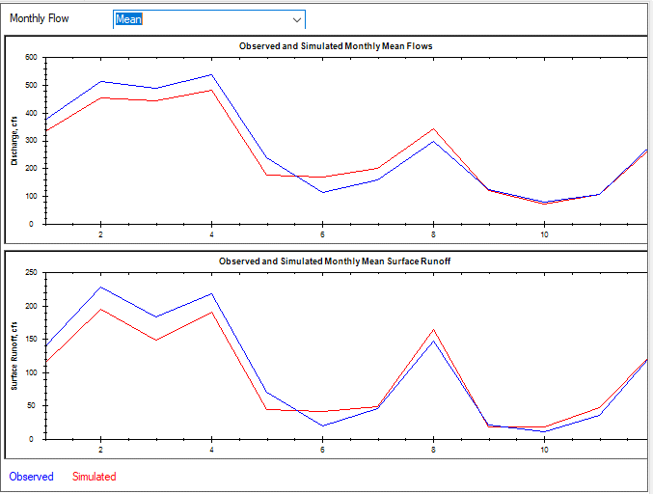
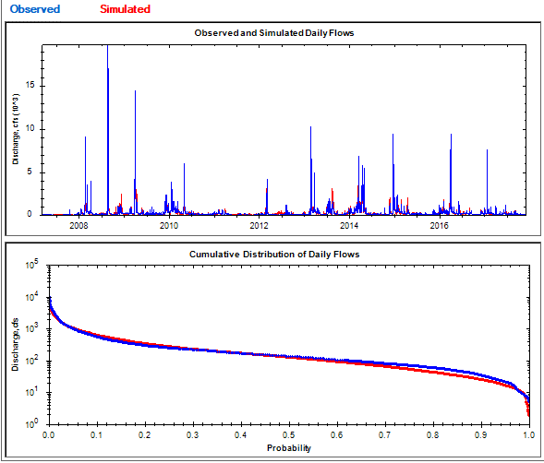
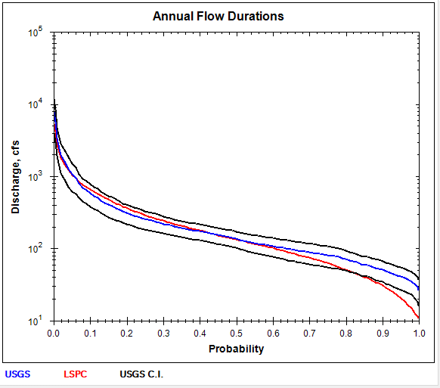
RUN 3 WITHDRWALS with revised PS flow |  |  |  |  |  |  |  |  |  | RUN 3 WITHDRWALS with revised PS flow
NLDAS RAIN BASE ET FACT=1 RUN2rev |  |  |  | sqmi | 305.32 | sqkm | 790.77 | 2.59
 | USGS | LSPC | RAIN | PET | USGS, IN | LSPC, IN | ETACT | ETLSPC | %diff | Number of series | 4018 | 4018 | 4018
2007 | 107.973 | 109.593 | 34 | 41.12 | 4.80 | 4.87 | 29.20 | 29.13 | 1.5% | Bias | -12.387 | -8.147 | -4.239
2008 | 466.334 | 460.362 | 73.75 | 39.7 | 20.74 | 20.48 | 53.01 | 53.27 | -1.3% | Standard error | 347.338 | 314.077 | 95.79
2009 | 410.755 | 369.25 | 60.56 | 40.33 | 18.27 | 16.43 | 42.29 | 44.13 | -10.1% | Relative bias | -4.12% | -7.20% | -2.26%
2010 | 347.664 | 271.795 | 49.34 | 40.51 | 15.47 | 12.09 | 33.87 | 37.25 | -21.8% | Relative standard error | 0.441 | 0.473 | 0.412
2011 | 101.903 | 99.073 | 38.59 | 41.5 | 4.53 | 4.41 | 34.06 | 34.18 | -2.8% | Nash-Sutcliffe coefficient | 0.806 | 0.776 | 0.83
2012 | 129.184 | 179.955 | 52.07 | 41.6 | 5.75 | 8.00 | 46.32 | 44.07 | 39.3% | Coefficient of efficiency | 0.566 | 0.605 | 0.548
2013 | 408.791 | 427.664 | 69.68 | 41.14 | 18.18 | 19.02 | 51.50 | 50.66 | 4.6% | Index of agreement | 0.781 | 0.793 | 0.782
2014 | 537.635 | 499.735 | 73.01 | 41.02 | 23.92 | 22.23 | 49.09 | 50.78 | -7.0%
2015 | 244.772 | 256.59 | 54.69 | 44.74 | 10.89 | 11.41 | 43.80 | 43.28 | 4.8%
2016 | 334.441 | 328.288 | 60.94 | 43.83 | 14.88 | 14.60 | 46.06 | 46.34 | -1.8% | Mean, all daily flows | 300.8706 | 288.4899 | -4.1 | 113.1602 | 105.0108 | -7.2
2017 | 219.458 | 170.146 | 50.79 | 41.96 | 9.76 | 7.57 | 41.03 | 43.22 | -22.5% | Median, all daily flows | 134 | 125.2376 | -6.5 | 0 | 0 | NaN
 | 300.81 | 288.40 | 56.13 | 41.59 | 13.38 | 12.83 | 42.75 | 43.30 | -4.1% | Mean monthly flow, January | 375.3651 | 332.9227 | -11.3 | 138.4124 | 113.8947 | -17.7
 |  |  |  |  |  |  | 1.03 | 1.04 |  | Mean monthly flow, February | 511.5459 | 452.1191 | -11.6 | 228.1129 | 194.6074 | -14.7
 |  |  |  |  |  |  |  |  |  | Mean monthly flow, March | 488.6349 | 444.3821 | -9.1 | 183.2078 | 147.8577 | -19.3
 |  |  |  |  |  |  |  |  |  | Mean monthly flow, April | 538.2725 | 482.6649 | -10.3 | 218.0887 | 191.0974 | -12.4
 |  |  |  |  |  |  |  |  |  | Mean monthly flow, May | 237.6487 | 174.4491 | -26.6 | 70.88095 | 43.70854 | -38.3
 |  |  |  |  |  |  |  |  |  | Mean monthly flow, June | 113.6681 | 168.5794 | 48.3 | 19.89283 | 40.7517 | 104.9
 |  |  |  |  |  |  |  |  |  | Mean monthly flow, July | 156.8137 | 200.1276 | 27.6 | 44.96672 | 48.75925 | 8.4
 |  |  |  |  |  |  |  |  |  | Mean monthly flow, August | 295.7121 | 343.0808 | 16 | 146.5987 | 163.8625 | 11.8
 |  |  |  |  |  |  |  |  |  | Mean monthly flow, September | 121.8349 | 120.7101 | -0.9 | 21.60849 | 18.59125 | -14
 |  |  |  |  |  |  |  |  |  | Mean monthly flow, October | 78.72339 | 71.88888 | -8.7 | 11.15558 | 17.63196 | 58.1
 |  |  |  |  |  |  |  |  |  | Mean monthly flow, November | 107.2061 | 106.0228 | -1.1 | 34.98665 | 47.16378 | 34.8
 |  |  |  |  |  |  |  |  |  | Mean monthly flow, December | 296.7606 | 286.2897 | -3.5 | 132.8537 | 132.352 | -0.4

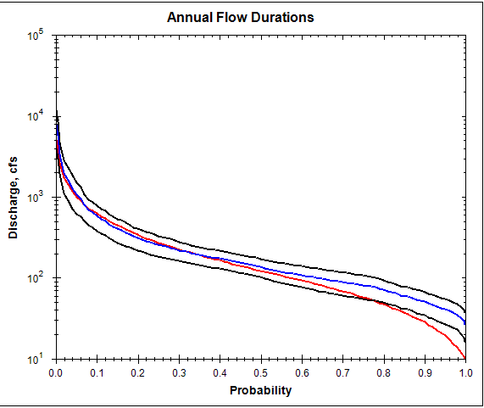
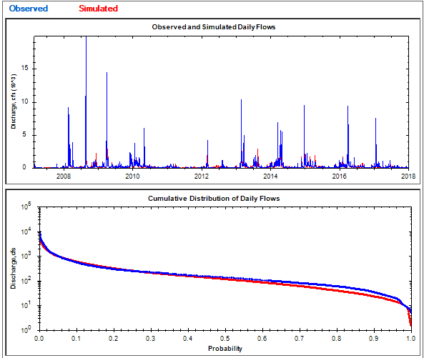
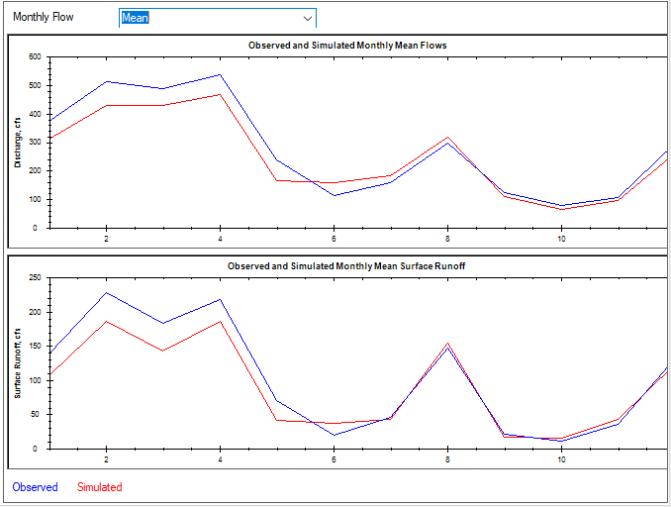
RUN 4 WITHDRWALS with ET fctors |  |  |  |  |  |  |  |  |  | RUN4 WITHDRWALS
NLDAS RAIN BASE ET FACT=1 RUN2rev |  |  |  | sqmi | 305.32 | sqkm | 790.77 | 2.59
 | USGS | LSPC | RAIN | PET | USGS, IN | LSPC, IN | ETACT | ETLSPC | %diff | Number of series | 4018 | 4018 | 4018
2007 | 107.973 | 103.062 | 34 | 41.12 | 4.80 | 4.58 | 29.20 | 29.42 | -4.5% | Bias | -29.598 | -14.234 | -15.364
2008 | 466.334 | 438.237 | 73.75 | 39.7 | 20.74 | 19.49 | 53.01 | 54.26 | -6.0% | Standard error | 354.349 | 320.651 | 94.662
2009 | 410.755 | 349.59 | 60.56 | 40.33 | 18.27 | 15.55 | 42.29 | 45.01 | -14.9% | Relative bias | -9.84% | -12.58% | -8.19%
2010 | 347.664 | 258.724 | 49.34 | 40.51 | 15.47 | 11.51 | 33.87 | 37.83 | -25.6% | Relative standard error | 0.45 | 0.483 | 0.407
2011 | 101.903 | 91.24 | 38.59 | 41.5 | 4.53 | 4.06 | 34.06 | 34.53 | -10.5% | Nash-Sutcliffe coefficient | 0.798 | 0.767 | 0.834
2012 | 129.184 | 166.261 | 52.07 | 41.6 | 5.75 | 7.40 | 46.32 | 44.67 | 28.7% | Coefficient of efficiency | 0.572 | 0.609 | 0.556
2013 | 408.791 | 401.158 | 69.68 | 41.14 | 18.18 | 17.84 | 51.50 | 51.84 | -1.9% | Index of agreement | 0.783 | 0.792 | 0.785
2014 | 537.635 | 472.578 | 73.01 | 41.02 | 23.92 | 21.02 | 49.09 | 51.99 | -12.1%
2015 | 244.772 | 242.212 | 54.69 | 44.74 | 10.89 | 10.77 | 43.80 | 43.92 | -1.0%
2016 | 334.441 | 306.021 | 60.94 | 43.83 | 14.88 | 13.61 | 46.06 | 47.33 | -8.5% | Mean, all daily flows | 300.8706 | 271.2759 | -9.8 | 113.1602 | 98.92277 | -12.6
2017 | 219.458 | 154.056 | 50.79 | 41.96 | 9.76 | 6.85 | 41.03 | 43.94 | -29.8% | Median, all daily flows | 134 | 115.0807 | -14.1 | 0 | 0 | NaN
 | 300.81 | 271.19 | 56.13 | 41.59 | 13.38 | 12.06 | 42.75 | 44.07 | -9.8% | Mean monthly flow, January | 375.3651 | 311.3919 | -17 | 138.4124 | 107.1441 | -22.6
 |  |  |  |  |  |  | 1.03 | 1.06 |  | Mean monthly flow, February | 511.5459 | 429.8693 | -16 | 228.1129 | 185.6688 | -18.6
 |  |  |  |  |  |  |  |  |  | Mean monthly flow, March | 488.6349 | 427.7925 | -12.5 | 183.2078 | 142.3447 | -22.3
 |  |  |  |  |  |  |  |  |  | Mean monthly flow, April | 538.2725 | 467.1739 | -13.2 | 218.0887 | 185.386 | -15
 |  |  |  |  |  |  |  |  |  | Mean monthly flow, May | 237.6487 | 166.7557 | -29.8 | 70.88095 | 41.27325 | -41.8
 |  |  |  |  |  |  |  |  |  | Mean monthly flow, June | 113.6681 | 156.5566 | 37.7 | 19.89283 | 36.44419 | 83.2
 |  |  |  |  |  |  |  |  |  | Mean monthly flow, July | 156.8137 | 181.9638 | 16 | 44.96672 | 43.43459 | -3.4
 |  |  |  |  |  |  |  |  |  | Mean monthly flow, August | 295.7121 | 318.3715 | 7.7 | 146.5987 | 153.9339 | 5
 |  |  |  |  |  |  |  |  |  | Mean monthly flow, September | 121.8349 | 109.6575 | -10 | 21.60849 | 16.31273 | -24.5
 |  |  |  |  |  |  |  |  |  | Mean monthly flow, October | 78.72339 | 65.03357 | -17.4 | 11.15558 | 15.86361 | 42.2
 |  |  |  |  |  |  |  |  |  | Mean monthly flow, November | 107.2061 | 95.35794 | -11.1 | 34.98665 | 42.16647 | 20.5
 |  |  |  |  |  |  |  |  |  | Mean monthly flow, December | 296.7606 | 263.8676 | -11.1 | 132.8537 | 123.2208 | -7.3

180-07-17
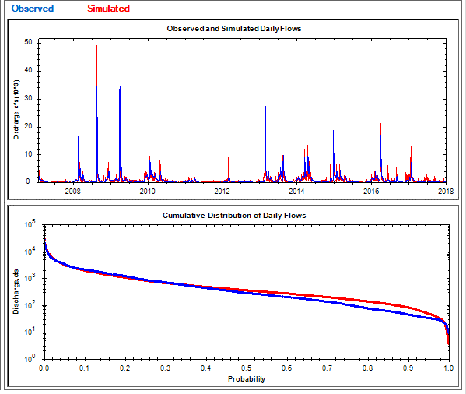
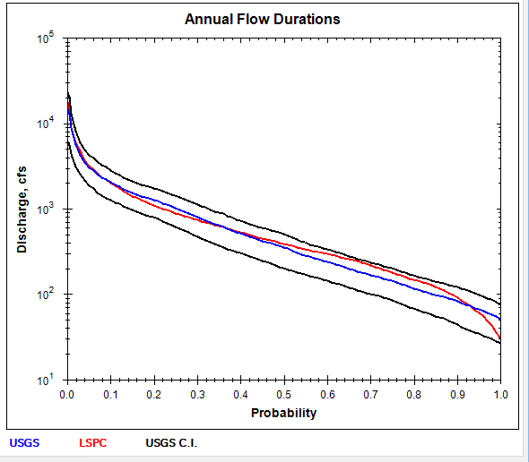
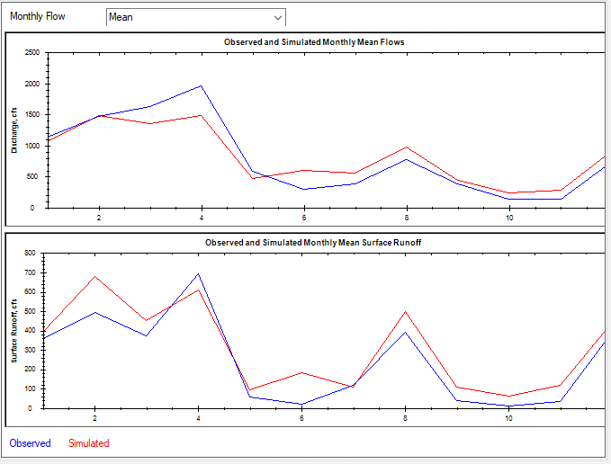
NLDAS RAIN BASE ET FACT=1 RUN2rev |  |  |  | sqmi | 1043.01 | sqkm | 2701.40 | 2.59 |  | RUN 2 DEEPFR RUN1-0.1
 | USGS | LSPC | RAIN | PET | USGS, IN | LSPC, IN | ETACT | ETLSPC | %diff
2007 | 275.599 | 350.06 | 33.84 | 41.12 | 3.59 | 4.56 | 30.25 | 29.28 | 27.0% | Number of series | 4018 | 4018 | 4018
2008 | 1337.837 | 1364.739 | 67.45 | 39.7 | 17.42 | 17.77 | 50.03 | 49.68 | 2.0% | Bias | 20.568 | 68.711 | -48.143
2009 | 1349.737 | 1201.555 | 61.15 | 40.33 | 17.58 | 15.65 | 43.57 | 45.50 | -11.0% | Standard error | 1459.36 | 1308.487 | 520.992
2010 | 972.369 | 799.503 | 49.88 | 40.51 | 12.66 | 10.41 | 37.22 | 39.47 | -17.8% | Relative bias | 2.36% | 25.42% | -7.99%
2011 | 189.969 | 323.697 | 40.41 | 41.5 | 2.47 | 4.21 | 37.94 | 36.20 | 70.4% | Relative standard error | 0.735 | 0.874 | 0.59
2012 | 231.032 | 426.878 | 52.38 | 41.6 | 3.01 | 5.56 | 49.37 | 46.82 | 84.8% | Nash-Sutcliffe coefficient | 0.46 | 0.236 | 0.652
2013 | 1464.345 | 1375.559 | 66.78 | 41.14 | 19.07 | 17.91 | 47.71 | 48.87 | -6.1% | Coefficient of efficiency | 0.387 | 0.267 | 0.478
2014 | 1480.52 | 1407.315 | 69.23 | 41.02 | 19.28 | 18.32 | 49.95 | 50.91 | -4.9% | Index of agreement | 0.686 | 0.656 | 0.712
2015 | 801.977 | 714.387 | 52.18 | 44.74 | 10.44 | 9.30 | 41.74 | 42.88 | -10.9%
2016 | 1001.493 | 1150.933 | 61.59 | 43.83 | 13.04 | 14.99 | 48.55 | 46.60 | 14.9%
2017 | 499.427 | 715.076 | 53.81 | 41.96 | 6.50 | 9.31 | 47.31 | 44.50 | 43.2% | Mean, all daily flows | 873.2862 | 893.8311 | 2.4 | 270.3794 | 339.1083 | 25.4
 | 873.12 | 893.61 | 55.34 | 41.59 | 11.37 | 11.64 | 43.97 | 43.70 | 2.3% | Median, all daily flows | 279 | 351.2076 | 25.9 | 0 | 0 | NaN
 |  |  |  |  |  |  | 1.06 | 1.05 |  | Mean monthly flow, January | 1131.977 | 1061.658 | -6.2 | 359.7143 | 392.1981 | 9
 |  |  |  |  |  |  |  |  |  | Mean monthly flow, February | 1475.577 | 1483.343 | 0.5 | 493.3251 | 677.3191 | 37.3
 |  |  |  |  |  |  |  |  |  | Mean monthly flow, March | 1624.543 | 1354.352 | -16.6 | 371.6679 | 454.1445 | 22.2
 |  |  |  |  |  |  |  |  |  | Mean monthly flow, April | 1965.746 | 1486.318 | -24.4 | 690.9006 | 610.6841 | -11.6
 |  |  |  |  |  |  |  |  |  | Mean monthly flow, May | 581.8892 | 476.6309 | -18.1 | 60.05843 | 97.08662 | 61.7
 |  |  |  |  |  |  |  |  |  | Mean monthly flow, June | 303.7531 | 595.8535 | 96.2 | 23.06989 | 182.1535 | 689.6
 |  |  |  |  |  |  |  |  |  | Mean monthly flow, July | 380.9105 | 555.7488 | 45.9 | 120.0664 | 111.1609 | -7.4
 |  |  |  |  |  |  |  |  |  | Mean monthly flow, August | 773.5715 | 980.2332 | 26.7 | 390.0908 | 499.7207 | 28.1
 |  |  |  |  |  |  |  |  |  | Mean monthly flow, September | 386.9911 | 435.0385 | 12.4 | 39.95504 | 107.8994 | 170.1
 |  |  |  |  |  |  |  |  |  | Mean monthly flow, October | 130.8033 | 243.8551 | 86.4 | 10.27695 | 62.40929 | 507.3
 |  |  |  |  |  |  |  |  |  | Mean monthly flow, November | 142.4008 | 279.8004 | 96.5 | 33.6178 | 116.9277 | 247.8
 |  |  |  |  |  |  |  |  |  | Mean monthly flow, December | 751.3491 | 920.5462 | 22.5 | 393.1282 | 442.0641 | 12.4

