1. Title Page
GroceryBasket Analysis

Project Name: Instacart GroceryBasket Analysis
Date: August 27, 2023
Analyst Name: Andrea Watson

Contents:
Population Flow
Consistency checks
Wrangling steps
Column derivations
Visualizations
Recommendations

All data courtesty of Instacart

2. Population Flow
 | Title page

Population flow

Exclusion flag
Condition: max_order < 5
Obervations to be removed: 1,440,295
Final total count of order_products_all: 30,964,564

Orders_products_combined
Orders_products_merged
Orders_products_all

Total: 32,404,859
Total: 32,435,059
Total: 30,964,564

Title page

3. Consistency checks
Consistency checks

Dataset | Missing values | Missing values treatment | Duplicates
orders | 206209 null values in 'days_since_prior_order' column | No treatment. The null values indicate orders that have no prior orders. It appears that these null values correspond with an order number of 1 for the user id they are associated with | No full duplicates
products | 16 null values in 'product_name' column | Removed rows with null values in the 'product_name' column. There is no way to derive the product name from the other columns, such as 'product_id', and so these rows are not useful for analysis | 5 full duplicate rows found and removed
orders_products_prior
customers | 11259 values in 'first_name' column | No treatment. The null values should not impact analysis.

Title page

4. Wrangling steps
Wrangling steps

Data Set | Columns dropped | Columns renamed | Columns' type changed | Other Action Taken | Comment/Reason
orders | 'eval_set' |  |  |  | Unnecessary/extraneous column
orders |  | 'order_dow' -> 'orders_day_of_week' |  |  | Refactoring to a more descriptive column name
departments |  |  |  | Transposed dataframe from wide to long format
customers |  | 'First Name' -> 'first_name' |  |  | Aligning with column naming conventions
customers |  | 'Surnam' -> 'surname' |  |  | Correcting misspelling & aligning with column naming conventions
customers |  | 'Gender' -> 'gender' |  |  | Aligning with column naming conventions
customers |  | 'STATE' -> 'state' |  |  | Aligning with column naming conventions
customers |  | 'Age' -> 'age' |  |  | Aligning with column naming conventions
customers |  | 'n_dependants' -> 'num_dependents' |  |  | Correcting misspelling & aligning with column naming conventions

Title page

5. Column derivations
 |  |  |  | Title page

Column derivations and aggregations

Dataset | New column | Column/s it was derived from | Conditions
ords_prods_merged | price_range_loc | prices | Low-range product: <= 5 Mid-range product: >5 and <=15 High-range product: > 15
ords_prods_merged | busiest_day | orders_day_of_the_week | Busiest day: 0, Least busy: 4 Regularly busy: all other values
ords_prods_merged | busiest_period_of_day | order_hour_of_day | Most orders: [10, 11, 14, 15, 13, 12, 16, 9] Fewest orders: [23, 6, 0, 1, 5, 2, 4, 3] Average orders: all other values
ords_prods_merge | loyalty_flag | max_order | Loyal customer: value > 40 Regular customer: value<=40 and >10 New customer: value <10
ords_prods_merge | spending_flag | mean_price | Low spender: < 10 High spender: >=10
ords_prods_merge | frequency_flag | median_days | Frequent customer: > 20 Regular customer: > 10 and <= 20 Non-frequent customer: <=10
cust_ords_prods | region | states | Northeast: ['Maine', 'New Hampshire', 'Vermont', 'Massachusetts', 'Rhode Island', 'Connecticut', 'New York', 'Pennsylvania', 'New Jersey'] Midwest: ['Wisconsin', 'Michigan', 'Illinois', 'Indiana', 'Ohio', 'North Dakota', 'South Dakota', 'Nebraska', 'Kansas', 'Minnesota', 'Iowa', 'Missouri'] South: ['Delaware', 'Maryland', 'District of Columbia', 'Virginia', 'West Virginia', 'North Carolina', 'South Carolina', 'Georgia', 'Florida', 'Kentucky', 'Tennessee', 'Mississippi', 'Alabama', 'Oklahoma', 'Texas', 'Arkansas', 'Louisiana'] Wes: ['Idaho', 'Montana', 'Wyoming', 'Nevada', 'Utah', 'Colorado', 'Arizona', 'New Mexico', 'Alaska', 'Washington', 'Oregon', 'California', 'Hawaii'] * See below for accredidation
cust_ords_prods | customer_activity | max_order | High_activity_customers: >= 5 Low_activity_customers: < 5
high_act_cust | age_group | age | 18-29: <= 29 30-39: > 29 and < 40 40-49: > 30 and < 50 50-59: > 49 and < 60 60-69: > 59 and < 70 70 and over: > 69
high_act_cust | income_group | income | Working: <= 75,000 Middle: > 75,000 and <120,001 Upper: > 120,000 and < 400,001 High Wealth: > 400,000 ** See below for accredidation
high_act_cust | dependent_type | num_dependents department user_id | babies in household: num_dependents > 0 and department = 'babies' no babies in household: all other values
cust_depts_merged | parental_age | num_dependents age_group user_id | young parent: num_dependents > 0 and age_group 18 - 29 older parent: num dependents > 0 and all other ages (can only include >29 per age groupings)
cust_depts_merged | family_type | fam_status num_dependents | married with dependents: fam_status = married and num_dependents > 1 married no dependents: fam_status = married and num_dependents == 1 single no dependents: fam_status != married and num_dependents == 0 single with dependents: fam_status != married and num_dependents >0

* Census Bureau - Regional Divisions
** US Census Bureau - Income and Wealth Data

Title page

6. Visualizations
Visualisations

 | 1. What are the busiest days of the week and hours of the day for orders?
 | Busiest days of week: Saturday and Sunday
 | Busiest hours of day: 10:00 - 16:00
 | Monday experiences 64% more orders than Friday
 | There are 5087% more orders at 10am than 4am
 |  |  |  | 
 | 2. Are there particular times of the day when people spend more money?
 | Between 3am and 7am are when the most money is being spent
 | However, the actual difference in prices is very minimal overall, with only a 1% difference between 3am and 10am
 | 
 | 3. Is there a way to implement simplified groupings of products by price?
 | Products can be assigned into groups based on their price relative to predetermined pricing groups. The groupings used, as well as the summary statistics for prices are defined below.
 | Prices Summary Stats: min 1.0 mean 7.8 max 25.0

 | Price Groups: low price: <= $5 mid price: > $5 - < $19 high price: >= $20 | % of Total: 31% 68% 1%
 | 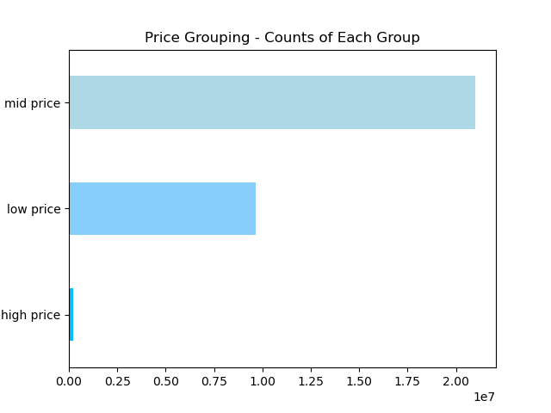
 | 4. Are certain types of products more popular than others/which departments have the highest frequency of orders?
 | The 'Produce' department has a 75% higher frequency of orders than the next most frequently ordered from department, 'Dairy Eggs'
 | 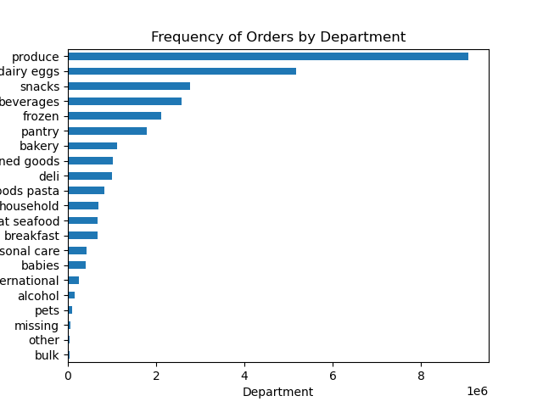
 | 5. What's the distribution among users in their brand loyalty/how often do they return to instacart?
 | Loyalty Group Distribution: Regular customer 51% Loyal customer 33% New customer 16%
 | New customers are the least likely to frequently use Instacart. There should be further investigation into what factors correlate with a customer's transition from a 'New Customer' to a 'Loyal Customer' over time.
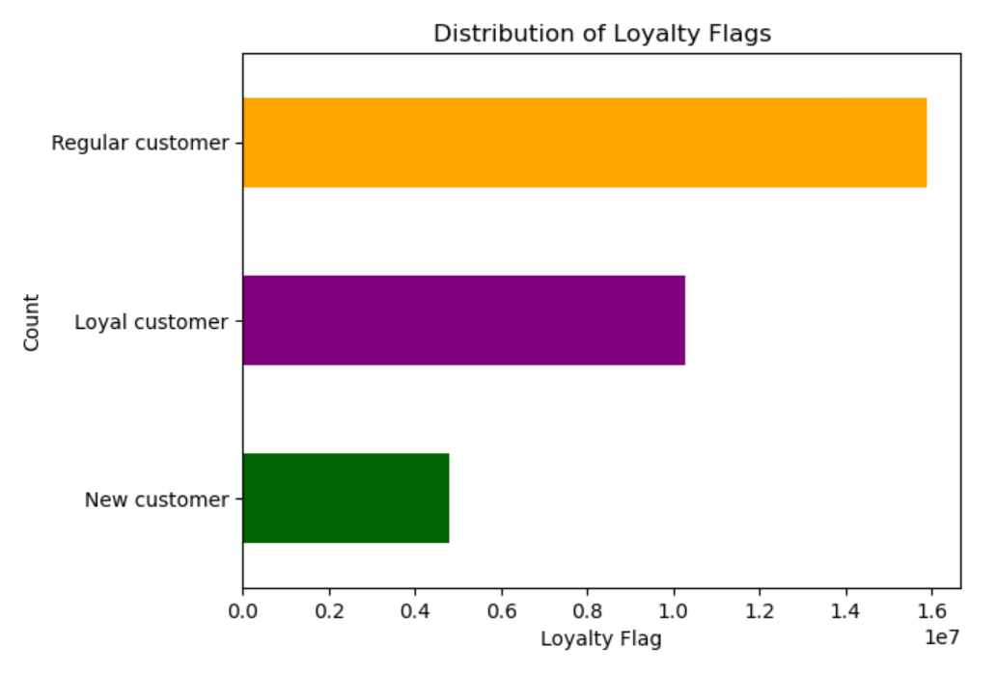 |  |  |  | 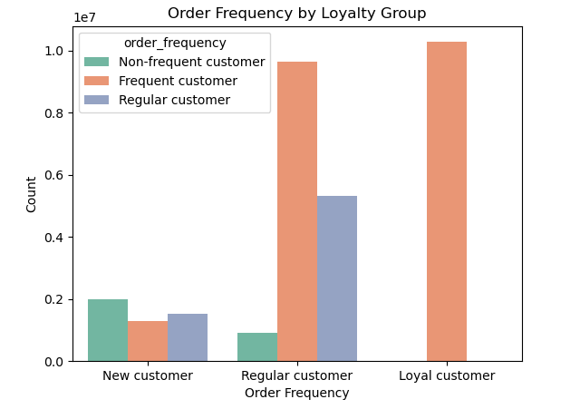
 | 6. Are there differences in ordering habits based on a customer's loyalty status?
 | Loyal' and 'Regular' customers spend a higher amount on average at the beginning of the week. 'Loyal' customers in particular experience the most dramatic reduction in spend from early morning to mid-day.
 | In contrast, 'New' customers' average prices are relatively steady for most of the day, but drop off more substantially towards midnight.
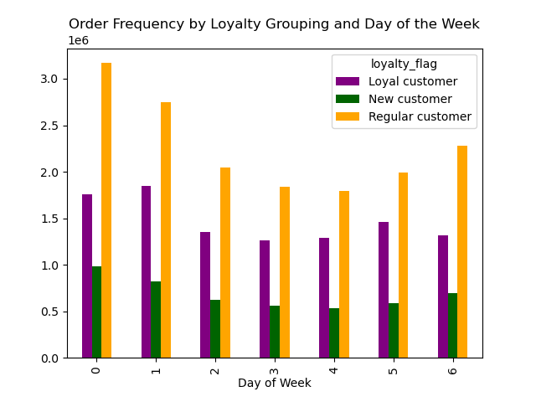 | 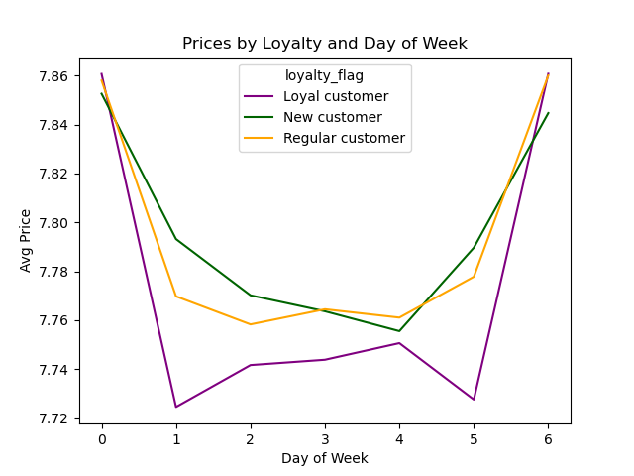 |  | 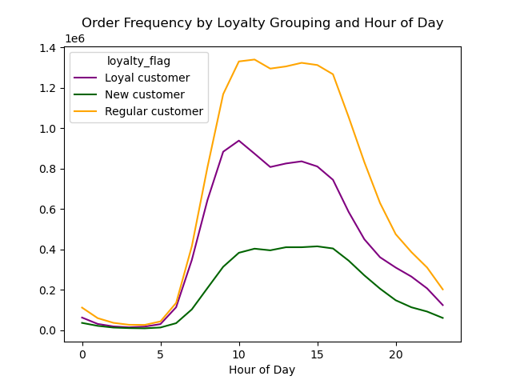 | 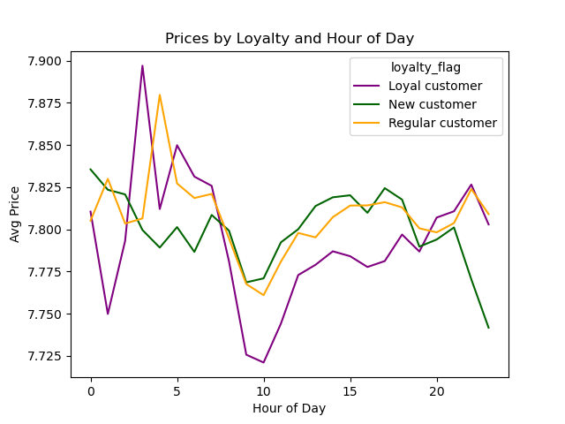 |  |  | 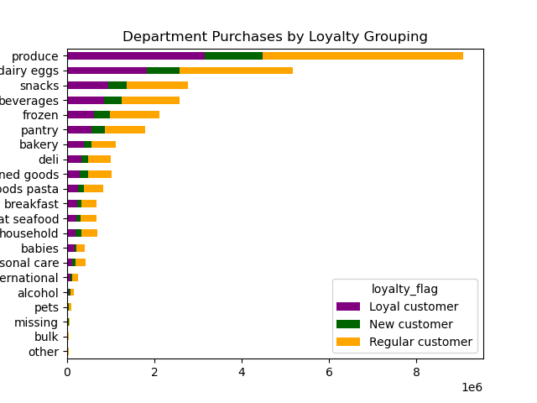
 | 7. Are there differences in ordering habits based on a customer's region?
 | The 'South' experiences the largest variation in average price spend over the course of a week.
 | The 'West' has the largest variation in average price over the course of a day.

 | 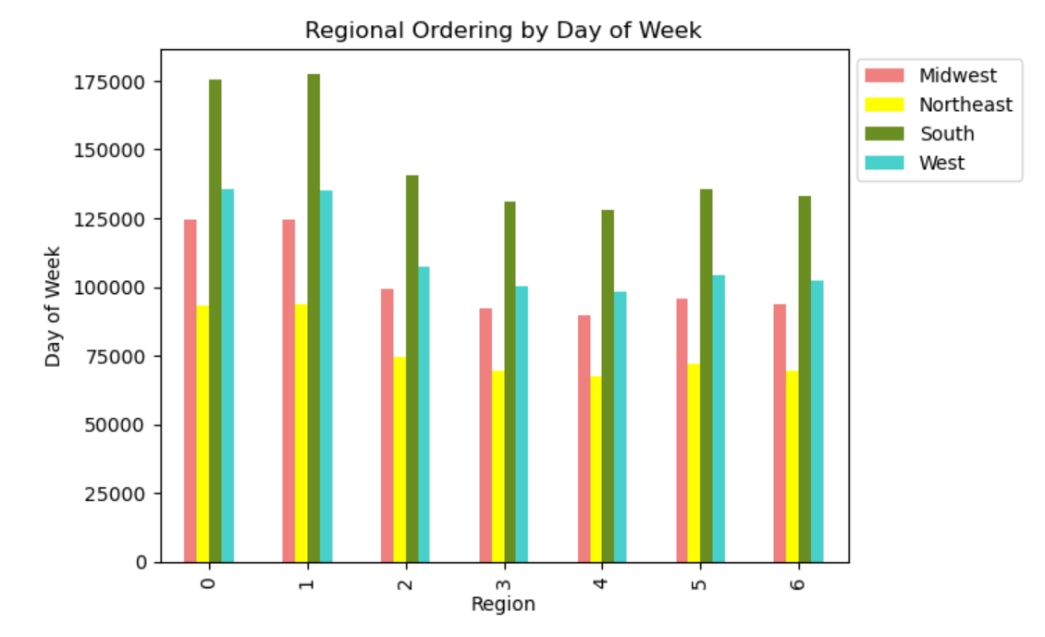 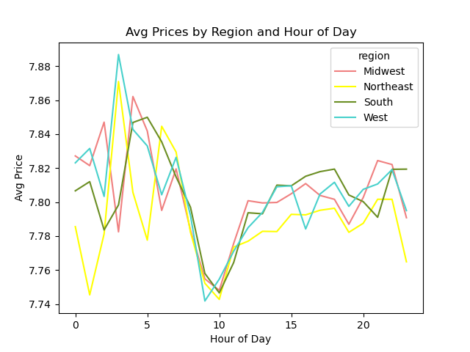 |  |  |  | 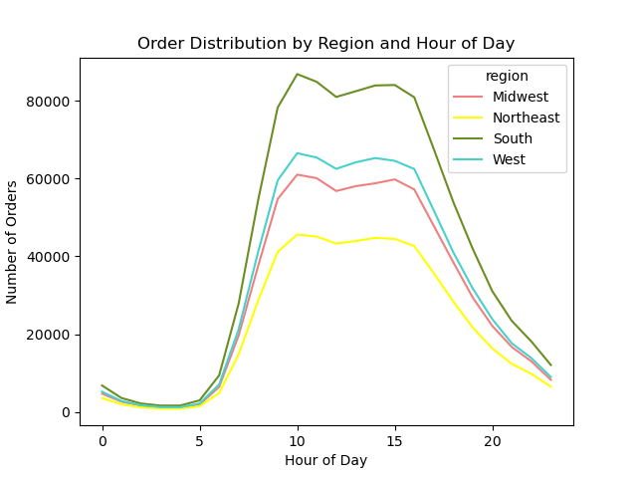 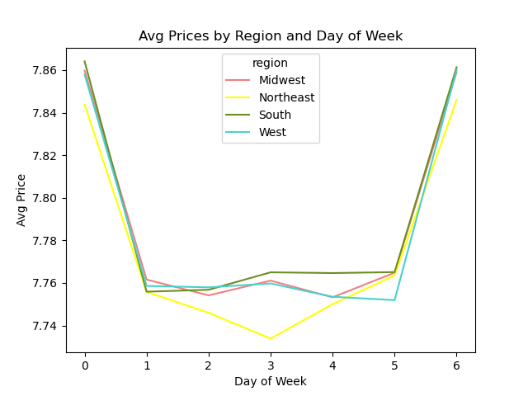 |  |  | 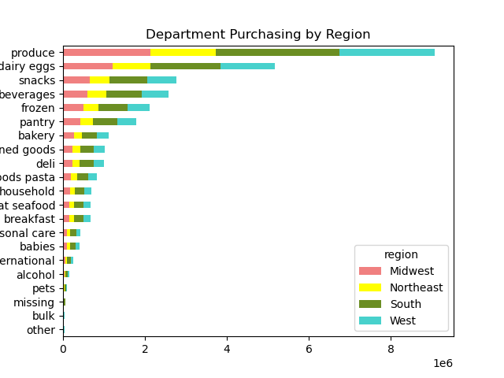 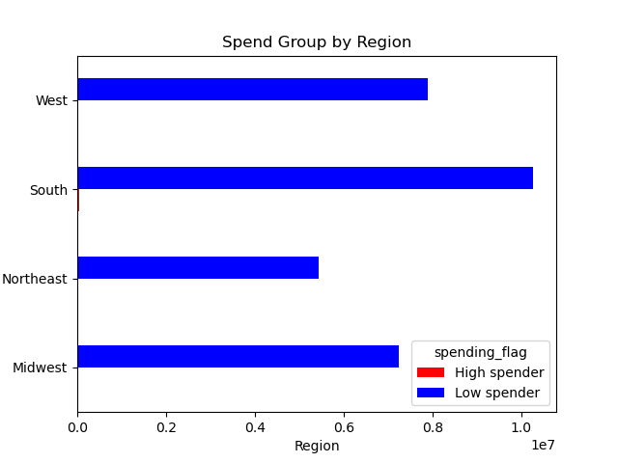
 | 8. Is there a connection between age and familty status in terms of ordering habits?
 | Youngest and oldest customers are the highest ordering age groups, but married customers make up the majority of the mid-range age groups and represent the highest ordering family status group.
 | 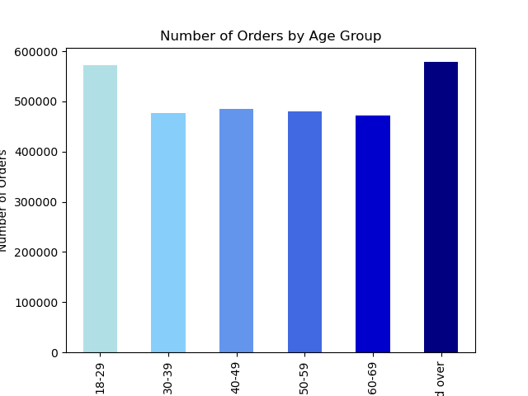 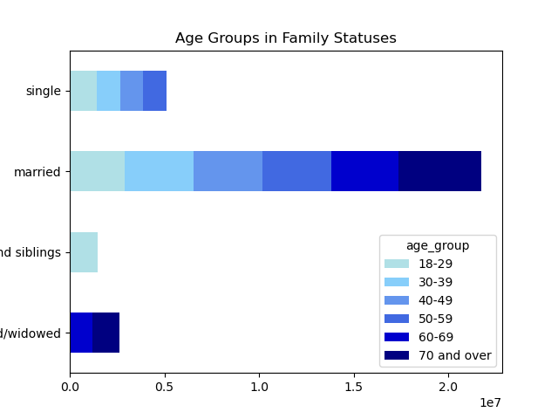 |  |  | 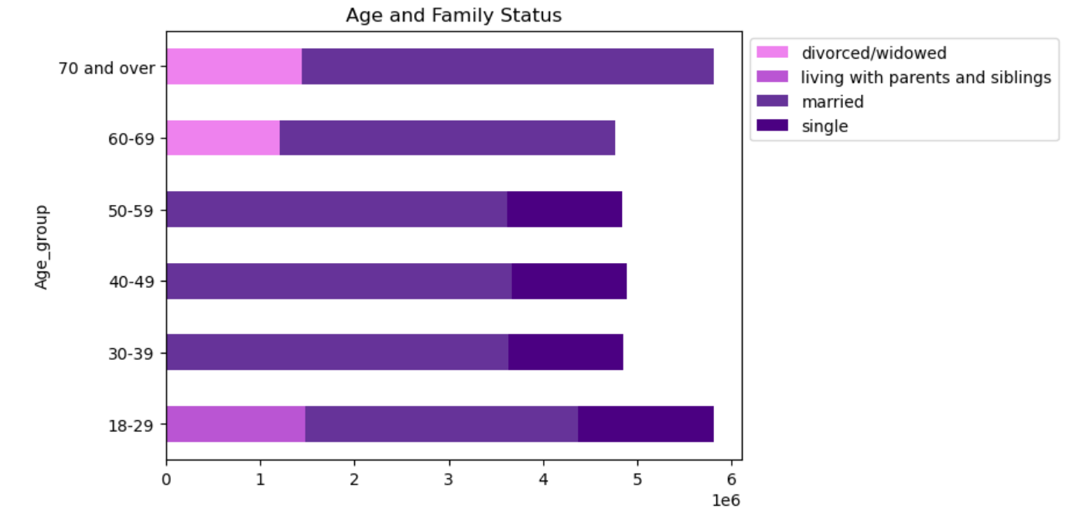 | 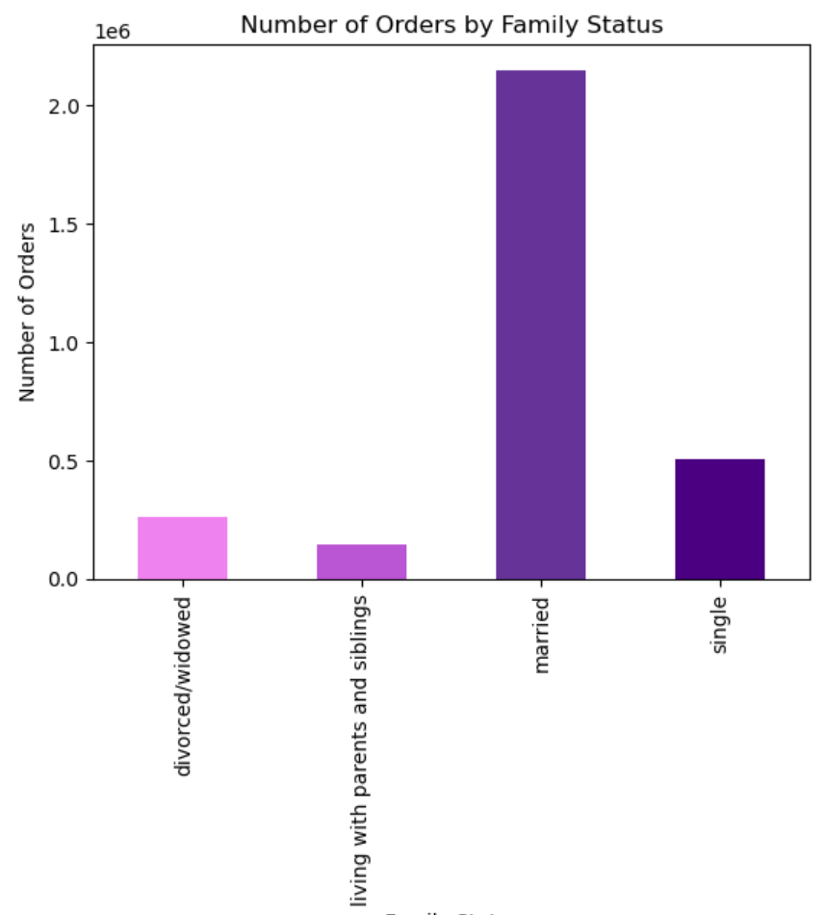

 | Ordering patterns over the course of a week and by department remain consistent with overall trends in both age and family status groupings.
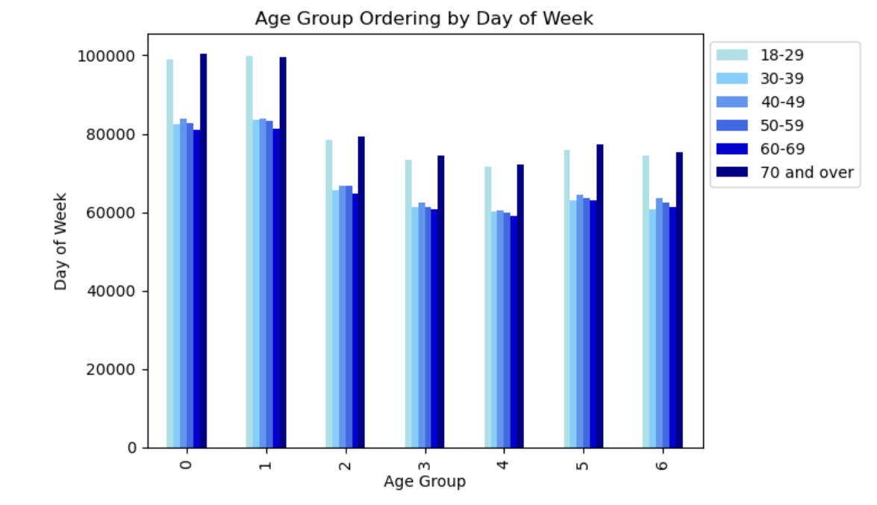 |  |  |  |  |  | 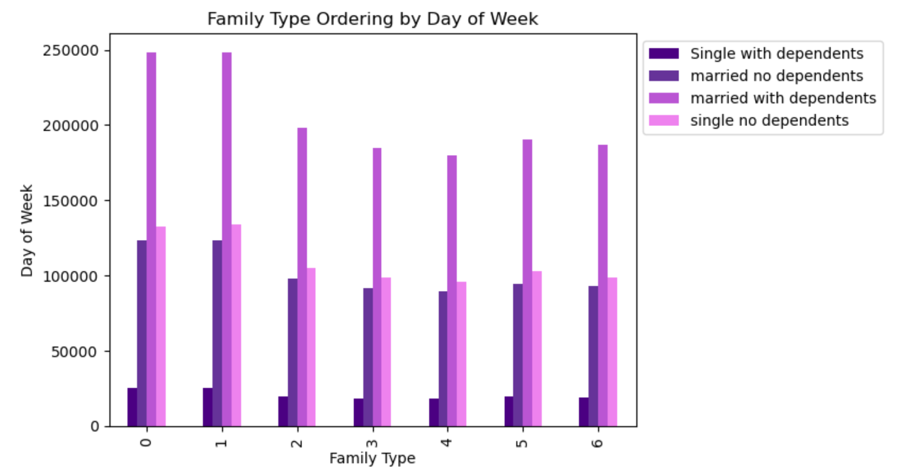
 | 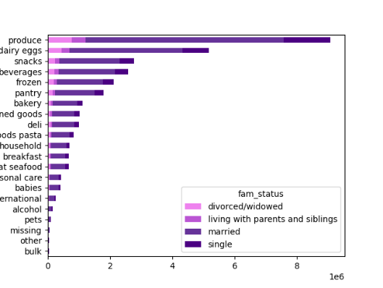 |  |  |  |  | 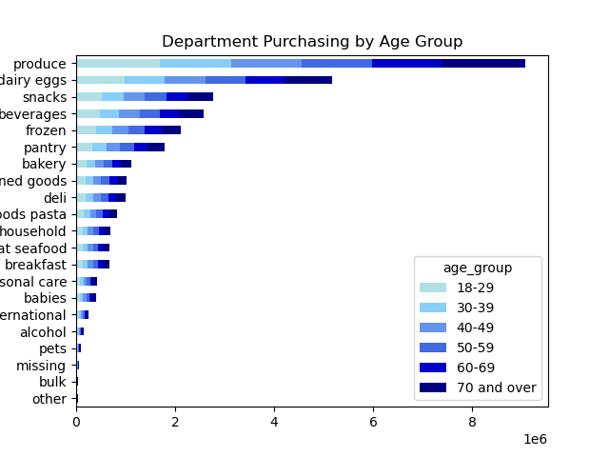
 | These heatmaps demonstrate that overall customer ordering timing patterns hold when looking specifically at the relationship between family status and age group in relationship to order day of week (Sunday is the most order-heavy day) and order time of day (peaking between 9am and 14pm)
 | 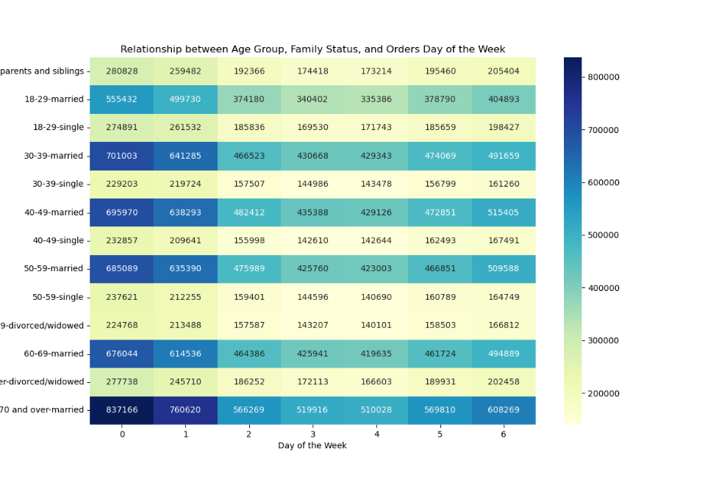 |  |  |  |  | 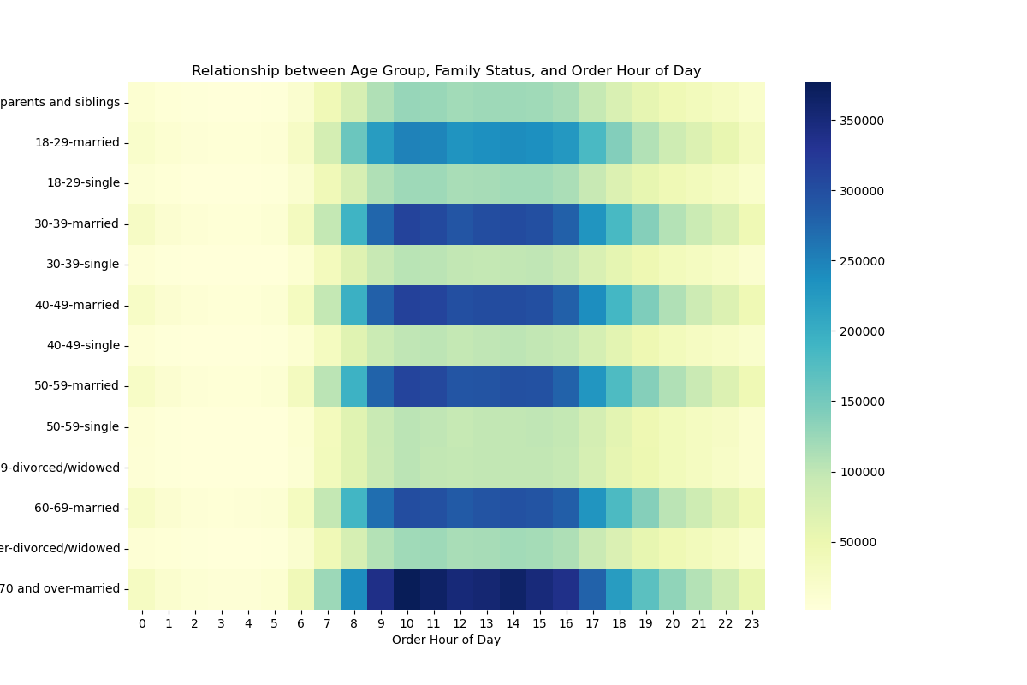
 | 9. What different classifications does the demographic information suggest? Age/income/types of goods/family status
 | 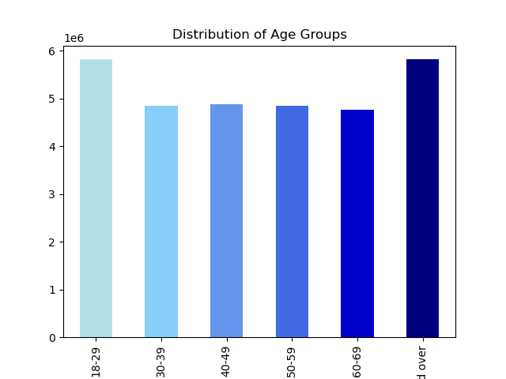 |  |  | 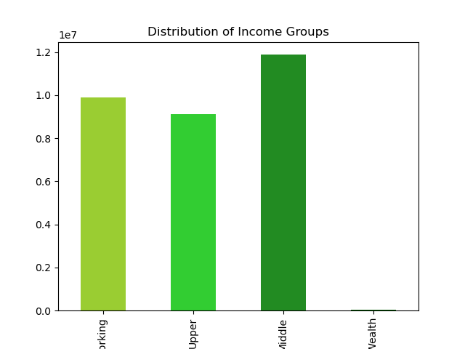 |  |  | 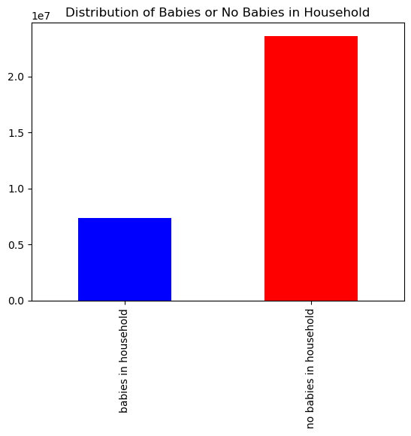 |  | 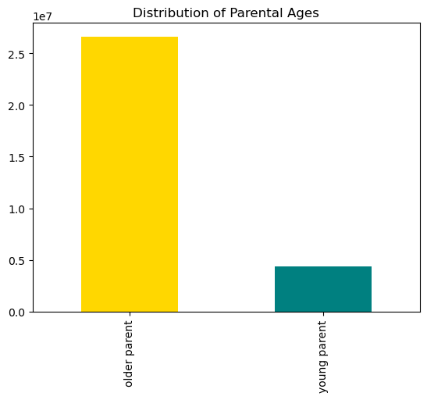
 | 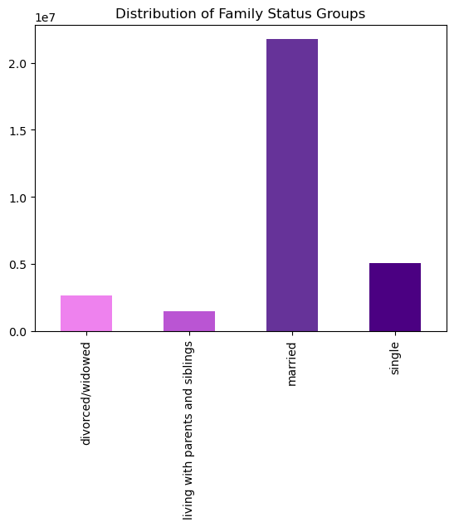 |  |  | 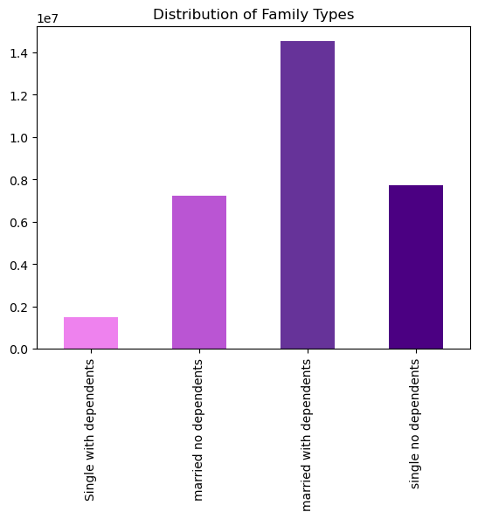
 | 10. What differences are there in the ordering habits of different customer profiles? Price of orders/frequency/products ordered
 | Price of Order Observations:
 | The average price of orders across family status groups is very consistent despite 'married' customers making up the large majority of this demographic grouping's distribution
 | Despite being the highest earning income grouping, 'High Wealth' customers spend 3% less than 'Middle' earning customers per order
 | Although there are 221% more customers with babies in the household than no babies, each customer group's price per order is approx. the same
 | Similarly, although there are 509% customers in the 'older parent' group (>29 years of age) than 'young parent' group, the price per order is approx the same for each group
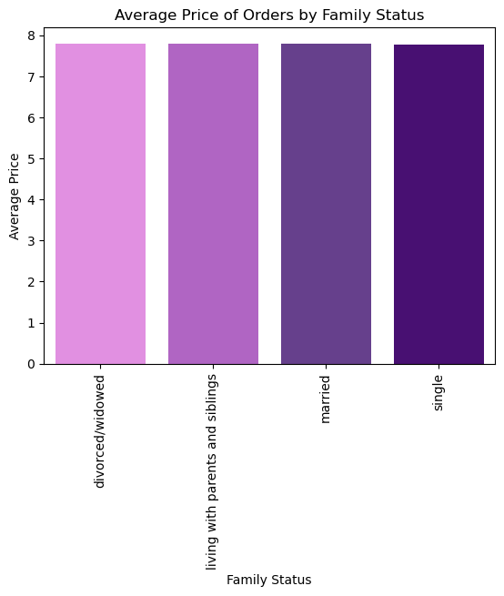
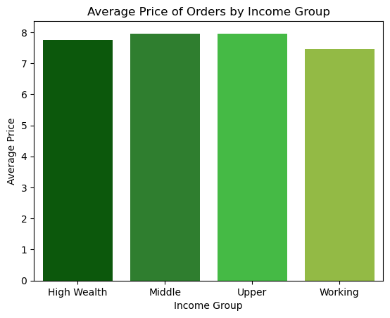
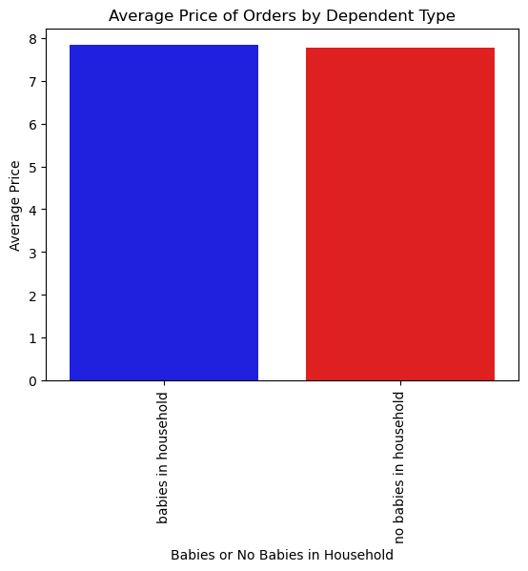
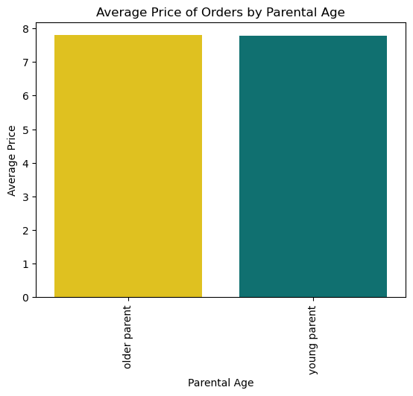

 | Order frequency observations:
 | In general, the cadence of each demographic group's ordering followed overall trends (see Age Group Ordering by Day of week for example)
 | The overall frequency of a demographic group's orders aligned with the distribution of that group (examples: Order Frequency by Income Group/Parent Age and Hour of Day line charts, Order Frequency by Dependent Type/Income Group bar charts)
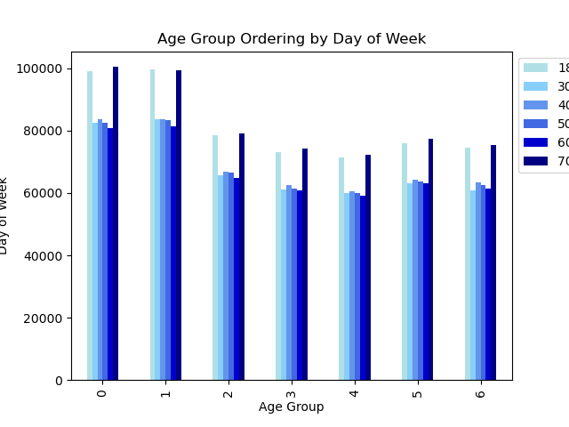
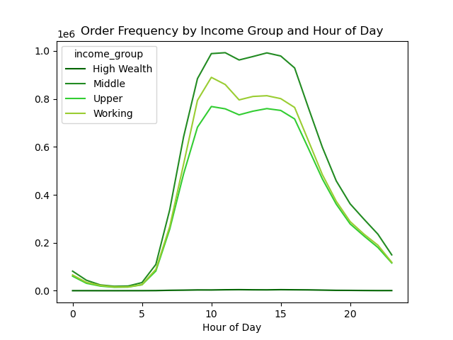
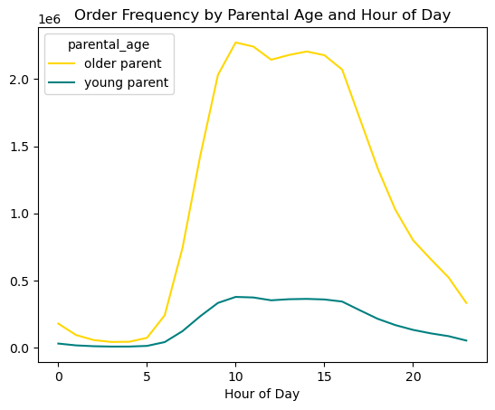

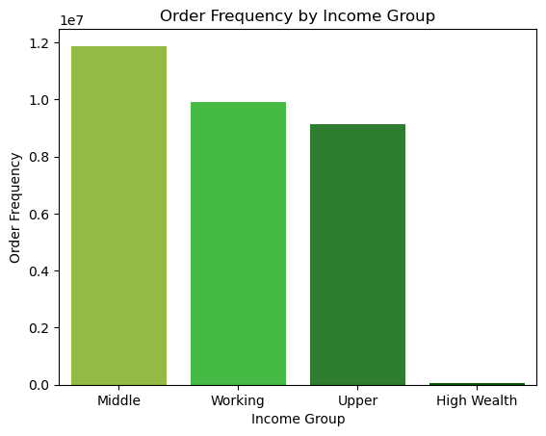
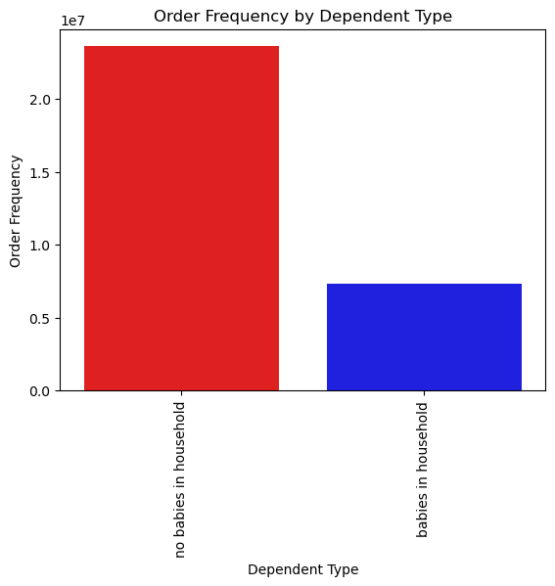

 | Bananas are the most popular item across and within demographic groupings (example: bananas are the top product across the 'Dependent Type' grouping and the 'Income Group' grouping

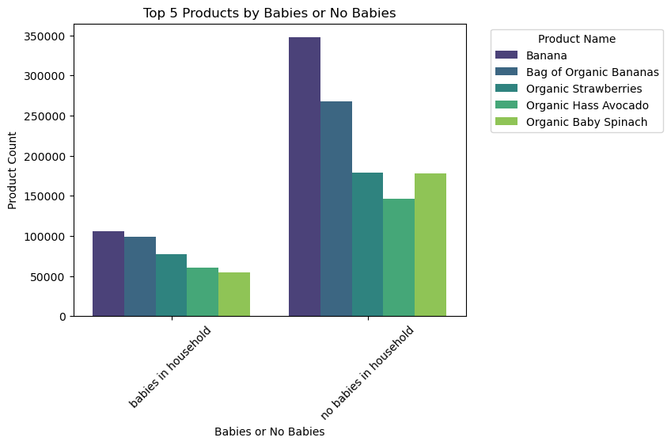
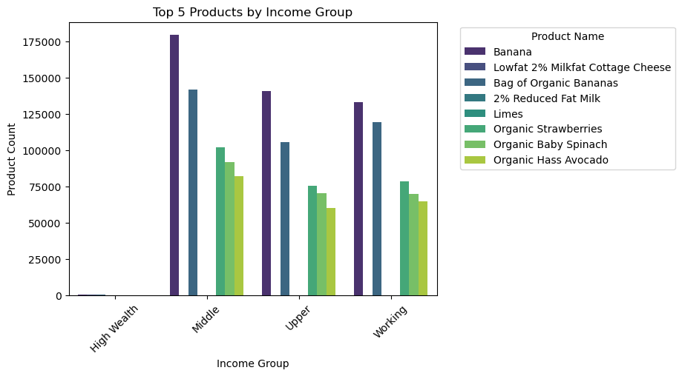

 | * Additional visualizations

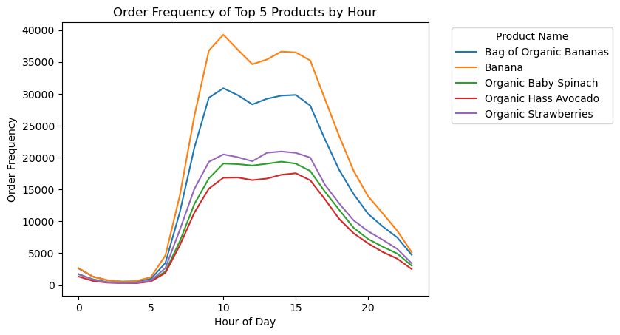

 | Title page

7. Recommendations
Recommendations

Key Question |  | Insight(s) | Visualization(s) | Recommendation(s)
The sales team needs to know what the busiest days of the week and hours of the day are (i.e., the days and times with the most orders) in order to schedule ads at times when there are fewer orders |  | Busiest days of week: Saturday & Sunday Busiest hours of day: 9am - 4pm Monday experiences 64% more orders than Friday There are 5087% more orders at 10am than 4am |  | Provide special offers and discounts that go into effect outside of 9am-4pm, the busiest hours, in order to entice more spending during these non-peak times. Offer "weekday deals" to motivate ordering during weekdays, when there are generally a lesser number of orders taking place.
Key Question |  | Insight(s) | Visualization(s) | Recommendation(s)
They also want to know whether there are particular times of the day when people spend the most money, as this might inform the type of products they advertise at these times. |  | The highest order prices are seen between 3am and 7am However, the actual percent difference in highest and lowest order prices is very minimal overall, with only a 1% difference between 3am and 10am The most frequently ordered products specifically at 5am, when order prices are relatively high, are as follows: Product Count Banana 1,264 Bag of Organic Bananas 989 Organic Strawberries 717 Organic Baby Spinach 651 Organic Hass Avocado 579 These products overlap 100% with the overall most frequently ordered products (see 'Order Frequency of Top 5 Products by Hour) |  | Produce is the most popular type of item during times of day when customers are spending the most money. Produce is also the most popular department overall. Non-organic Bananas ($4.50) are more popular than Organic Bananas ($10.30), which may indicate that customers have a preference for more affordable versions of products. Needs further investigation: - What income bracket is ordering between 3-7am? - Which income bracket prefers and consistently orders organic items? - What are the most expensive items being purchased between 3-7am? - What are the most expensive items being purchased between 9am-4pm?
Key Question |  | Insight(s) | Visualization(s) | Recommendation(s)
Instacart has a lot of products with different price tags. Marketing and sales want to use simpler price range groupings to help direct their efforts. |  | Prices summary statistics: Min $1.00 Mean $7.79 Max $25.00 |  | Price Groups: low price: <= $5 mid price: > $5 - < $19 high price: >= $20 | % of Total: 31% 68% 1%
Key Question |  | Insight(s) | Visualization(s) | Recommendation(s)
Are there certain types of products that are more popular than others? The marketing and sales teams want to know which departments have the highest frequency of product orders. |  | The 'Produce' department has a 75% higher frequency of orders than the next most frequently ordered from department, 'Dairy Eggs' |  | Target ads and offer specials for very specific departments such as 'pets' or 'babies': - increase brand awareness and loyalty among customers that utilize specialized departments - generate more orders/customers through advertising or word of mouth from existing specialty department customers Needs further investigation: - Why are the bottom departments not more frequently ordered? - Which age/income/other groups order which departments at what frequency? (See tab 6. Vizualizations for preliminary analysis) - What makes produce such a frequently ordered department, and is there a way of duplicating it's success?
Key Question |  | Insight(s) | Visualization(s) | Recommendation(s)
What's the distribution among users in regards to their brand loyalty (i.e., how often do they return to Instacart)? |  | Loyalty Group Distribution: Regular customer 51% Loyal customer 33% New customer 16% |  | New customers are the least likely to frequently use Instacart. Convert 'Regular' customers to 'Loyal Customers', as currently 51% of customers are 'Regular' customers but 'Loyal Customers' order frequently. Needs further investigation: - How can 'Regular' customers be converted to 'Loyal Customers'? Analyze the purchase behavior of regular customers and target their frequent purchases to entice them and cater to their needs, look into reviews, get customer feedback, etc - What factors correlate with a customer's transition from a 'New Customer' to a 'Loyal Customer' over time?
Key Question |  | Insight(s) | Visualization(s) | Recommendation(s)
Are there differences in ordering habits based on a customer's loyalty status? |  | Overall, the ordering habits of the loyalty groupings align with those of the customer base as a whole (see 6. Visualizations for more graphical representations of the data pertaining to this statement). However, it it worth noting that 'Loyal' customers in particular experience the most dramatic reduction in spend from early morning to mid-day. 'In contrast, 'New' customers' average prices are relatively steady for most of the day, but drop off more substantially towards midnight. |  | Offer 'loyalty rewards' to customers that are 'Loyal' customers. Target any discounts or coupons offered as a part of the rewards to be effective from 10am to 1pm, in order to boost loyal customers' order totals during their lowest points during the day. Additionally, weekday exclusive coupons or discounts could be effective, as these are days on which loyal customers have the lowest order prices.
Key Question |  | Insight(s) | Visualization(s) | Recommendation(s)
Are there differences in ordering habits based on a customer's region? |  | The 'West' has the largest variation in average price over the course of a day. The 'Northeast' experiences the largest variation in average price spend over the course of a week. (See 6. Visualizations for more graphical representations of the data pertaining to regional ordering habits) |  | Similar to the suggestions made in regards to loyalty status, target discounts and coupons offered in different regions: - reflect the cadence of their average prices over the course of a day or week - goal of enticing customers to purchase more items or higher value items on specific days or times The variation in price over the course of a day is less than 1% so it may not be worth taking any action on this point. Needs further investigation: - What products are being purchased in the early morning that contribute to the high average prices during these hours? ** light colored charts hard to see
Key Question |  | Insight(s) | Visualization(s) | Recommendation(s)
Is there a connection between age and family status in terms of ordering habits? |  | Youngest [18-29yrs] and oldest [70 and over] customers are the most frequently ordering age groups, but married customers make up the majority of the mid-range age groups and represent the most frequently ordering family status group. (See 6. Visualizations for more graphical representations of the data pertaining to age and family status) target specific products to specific age groups re-do second rec, doesn't really say anything new |  | Directing marketing efforts towards married customers ages 30 - 59 would be an optimal way to target a large majority of Instacart's customers. Needs further investigation: - Why are relatively few customers single? - What can be done to entice more single customers to use the platform?
Key Question |  | Insight(s) | Visualization(s) | Recommendation(s)
What different classifications does the demographic information suggest? Age? Income? Certain types of goods? Family status? |  | Ordering patterns over the course of a week and by department remain consistent with overall trends in both age and family status groupings (see 6. Visualizations for more graphical representations of the data pertaining to this statement). Additionally, overall customer ordering timing patterns hold when looking specifically at the relationship between family status and age group in relationship to order day of week (Sunday is the most order-heavy day) and order time of day (5087% more orders at 10am than 4am) |   | Conduct further analysis on married customers ages 30 - 59 in order to better understand this group in particular. Married customers ages make up 30 - 59s up the largest subset of the overall customer base, doing the following could prove invaluable for the marketing team to further target this segment: - Conducting customers questionnaires and gathering insights into why these customers shop when they do - Gathering their opinions towards pricing, their reasons for using Instacart, etc.
Key Question |  | Insights/Visualization |  | Recommendation(s)
What different classifications does the demographic information suggest? Age? Income? Certain types of goods? Family status? |  | 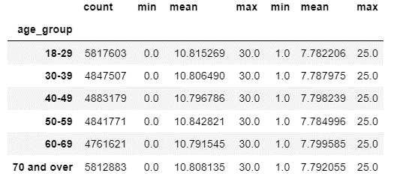 |  | Invest in further datamining and analysis to target even more specific subgroups of customers. There is great value in understanding customer purchase behavior at a more granular level in order to identify associated purchase behavior by customers. Example: - Explicitly target marketing at customers who regularly purchase a particular brand of dog food - Suggest that those customers might also enjoy a product regularly bought by other cusotmers in tandem with the dog food

Key Question |  | Insight(s) | Visualization(s) | Recommendation(s)
What differences can you find in ordering habits of different customer profiles? Consider the price of orders, the frequency of orders, the products customers are ordering, and anything else you can think of. |  | Price of Order Observations: The average price of orders across family status groups is very consistent despite 'married' customers making up the large majority of this demographic grouping's distribution Despite being the highest earning income grouping, 'High Wealth' customers spend 3% less than 'Middle' earning customers per order Although there are 221% more customers with babies in the household than no babies, each customer group's price per order is approx. the same Similarly, although there are 509% customers in the 'older parent' group (>29 years of age) than 'young parent' group, the price per order is approx the same for each group Order Frequency Observations: In general, the cadence of each demographic group's ordering followed overall trends (see Age Group Ordering by Day of week for example) The overall frequency of a demographic group's orders aligned with the distribution of that group (examples: Order Frequency by Income Group/Parent Age and Hour of Day line charts, Order Frequency by Dependent Type/Income Group bar charts) Products Ordered Observations: Bananas are the most popular item across and within demographic groupings (example: bananas are the top product across the 'Dependent Type' grouping and the 'Income Group' grouping | See below | Market heavily towards 'Middle' income customers Target ads and/or coupons towards young parents after 7am, when they are most frequently ordering from Instacart Organic produce is very popular among all customer segments - consider offering specials on these items that encourage buying adjacent products. For example: buy Oranic Baby Spinach and an Organic Haas Avocado, and get a discount on certain salad dressings.

 | Order Price Visualizations:

 | Order Frequency Visualizations:

 | Products Ordered Observations:

Title page

