Tabelle1
OnPCB_supply_onSSMandTWAcarrierPCB
for MIRADOR_DBand_FE_Rev1
v2 |  |  |  |  |  |  | +-0,05V |  |  |  |  |  | ca. 1.5..2xtarget, min 10mA | =V1*0.95 |  | complience with E24
 | Connector | Pin Nr. | Ch. Name | LDO Ch. Name | MMIC DC Pad Nr. | Signal Name | Voltage V1 | allowed error | Voltage min | Voltage max | Real voltage | target Current | current limit | Voltage for PGlim | RSET | RSET1 | RSET2 | RPGFB1 | RPGFB2(goal) | RPGFB2 | Real V for PG | RLIM | RLIM(fitted)
 |  |  |  |  |  |  | V | percent | V | V |  | mA | mA | V | kΩ | kΩ | kΩ | kΩ | kΩ | kΩ
 | J1 | 1 | A | A | 6 | Mix1 Vcc | 2.8 | 2 | 2.78 | 2.82 | 2.8 | 2 | 10 | 2.66 | 28 | 51 | 62 | 10 | 1.27 | 1.3 | 0.306 | 67 | 66
 |  | 3 | B | B | 5 | Mix1 CM2 | 2.8 | 2 | 2.78 | 2.82 | 2.8 | 3 | 10 | 2.66 | 28 | 51 | 62 | 10 | 1.27 | 1.3 | 0.306 | 67 | 66
 |  | 5 | C | C | 4 | Mix1 CM1 | 0.94 | 1 | 0.93 | 0.95 | 0.94 | 3 | 10 | 0.89 | 9.4 | 12 | 43 | 10 | 5.08 | 5.1 | 0.3006 | 67 | 66
 |  | 7 | D | D | 3 | TWA1 CM2 | 4.6 | 2 | 4.58 | 4.62 | 4.31 | 40 | 60 | 4.37 | 46 | 82 | 91 | 10 | 0.74 | 0.75 | 0.3049 | 400 | 400
 | J2 | 1 | E | E | 2 | TWA1 CM1 | 1.64 | 1 | 1.63 | 1.65 | 1.64 | 40 | 60 | 1.56 | 16.4 | 20 | 91 | 10 | 2.38 | 2.4 | 0.3019 | 400 | 400
 |  | 3 | F | F | 1 | TWA1 Vcc | 4.2 | 2 | 4.18 | 4.22 | 4.11 | 26 | 40 | 3.99 | 42 | 75 | 91 | 10 | 0.81 | 0.82 | 0.3024 | 267 | 267
 |  | 5 | G | G | 8 | Buff Vcc | 2.8 | 2 | 2.78 | 2.82 | 2.8 | 2 | 10 | 2.66 | 28 | 51 | 62 | 10 | 1.27 | 1.3 | 0.306 | 67 | 66
 |  | 7 | H | H | 7 | Buff CM | 2.6 | 2 | 2.58 | 2.62 | 2.58 | 11 | 25 | 2.47 | 26 | 36 | 91 | 11 | 1.52 | 1.5 | 0.2964 | 167 | 167

 | NF : not fitted

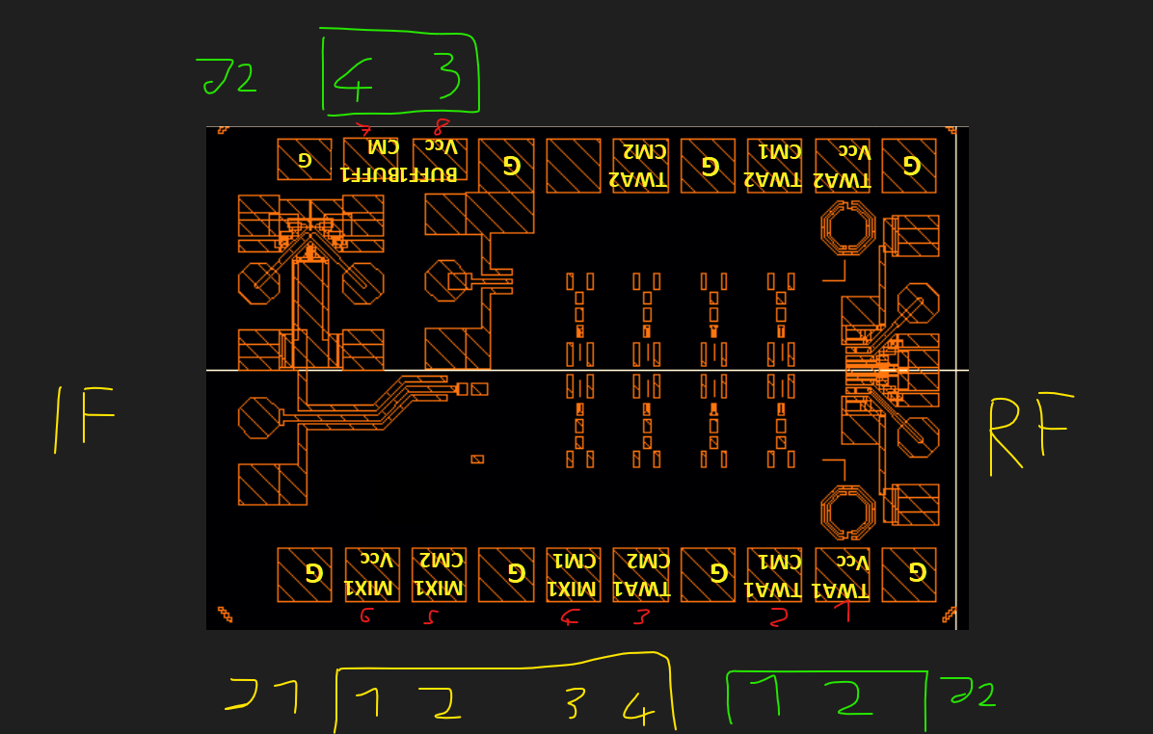
 |  |  |  |  |  |  |  |  |  |  |  |  |  |  |  |  | 56 |  | 1.2711864407
 |  |  |  |  |  |  |  |  |  |  |  |  |  |  |  |  | 56
 |  |  |  |  |  |  |  |  |  |  |  |  |  |  |  |  | 18.8
 |  |  |  |  |  |  |  |  |  |  |  |  |  |  |  |  | 92
 |  |  |  |  |  |  |  |  |  |  |  |  |  |  |  |  | 32.8
 |  |  |  |  |  |  |  |  |  |  |  |  |  |  |  |  | 84
 |  |  |  |  |  |  |  |  |  |  |  |  |  |  |  |  | 56
 |  |  |  |  |  |  |  |  |  |  |  |  |  |  |  |  | 52

