column เพิ่มเติม
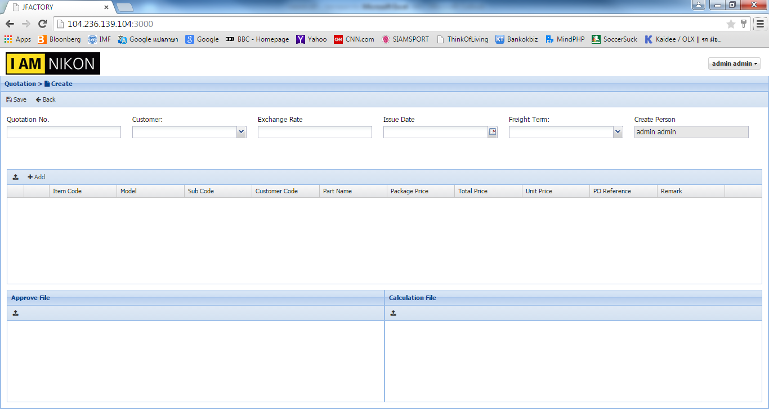

เพิ่ม : Part price

