Welcome
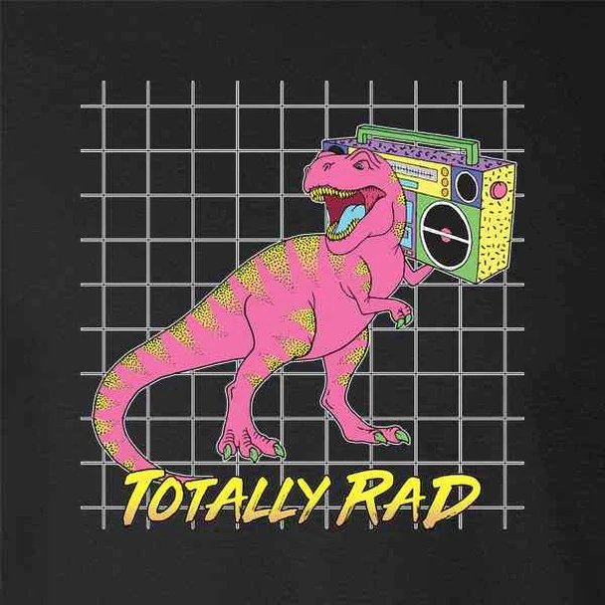
OFFICIAL 2020-2021 DIAGNOSTIC AND INTERVENTIONAL RADIOLOGY APPLICATION SPREADSHEET
Chat back up and spreadsheet functional. Moderated discord for chatting during the application season can be found here: https://discord.gg/RUPYrtJhdv |  | Rules: 1. Be kind 2. Or don't

PROTECT YOUR CELLS AFTER COMMENTING: Right Click > Protect Range > +Add a Sheet or Range> Set Permissions > Restrict Who Can Edit

Helpful Links
2019-2020, 2018-2019 Spreadsheet | https://docs.google.com/spreadsheets/d/1u3pjllVXMGV_Wc6X4hDxqsQAkJw71L55wVuvIJiJy_A/edit#gid=1425214536
2017-2018 Spreadsheet | https://docs.google.com/spreadsheets/d/1hcpl8w7PIVRCxeT1YYoBBFg8xiYkyAgbGLsf9Q55sCc/edit#gid=355561288
AMSER DR Residency Guide | https://www.aur.org/uploadedfiles/alliances/amser/educator_resources/amser_guide_to_applying_for_radiology_residency.pdf
AMSER IR Residency Guide | https://www.aur.org/uploadedFiles/Alliances/AMSER/Medical_Student_Resources/AMSER%20Guide%20to%20Applying%20to%20Interventional%20Radiology(1).pdf
Map of Residencies, useful for couples | https://www.medmap.io/
Couples match rank generator | https://www.mactiontools.com/couplesmatch
Rank List Generator | https://ark120202.github.io/easy-elo-ranker/
Virtual Radiology Events | https://docs.google.com/spreadsheets/d/1IM0WlvJpdBnWkXUpTlaPQb6jzk_ZGWVe5Jy85MbpLf4/edit#gid=1536317207

Suggestions or questions about this sheet? Add them here!

Suggestion/Question |  |  | Mod Response
I used Wayback Machine to save the latest intact versions of the AvatarMD / AMRAS spreadsheets (February / March of this year, depending on the page). I combined all of the pages into 1 PDF (easier for me to search). If you want to post it or download it, here it is: https://drive.google.com/file/d/1TxnAfW2m0mteSBFkhaXgRRasEfPVoGNr/view?usp=sharing Also, if you want to look at the AvatarMD archives on your own: https://web.archive.org/web/20200205124400/http://www.avatarmd.net/index.php/program-data/program-feedback
Name and Shame 2021 was delated

Updates

Call Schedules
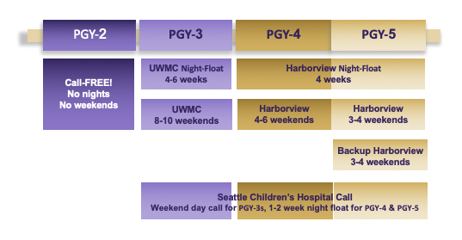
 | Describe call
UWash

UTSW? | > Highest case load during calls in the country
UCLA? | baby call starting halfway through R1, real call starts R2, you have an attending at UCLA SM to call/help you the whole shift, do most of your call R2 then down from there |  | < what about # of weeks? < sry don't know, they didnt tell us exactly and I didnt think to ask, but with 10 DR residents it cant be that much?
Hopkins? | independent call, not that much call if I remember
UNC? | independent, starts R2, see below for night float/float/"swing shift" responsibilities
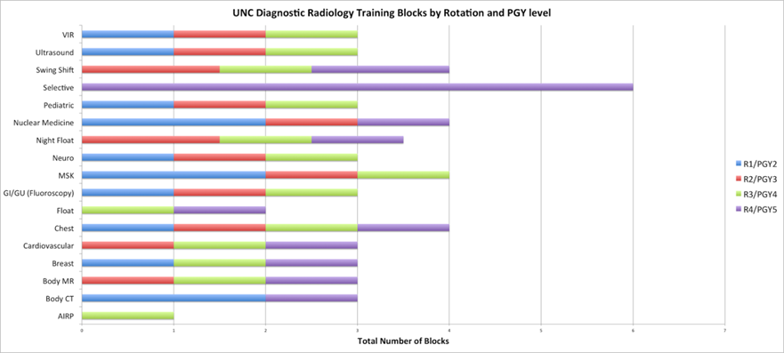

UCSD? | < for UCSD, I don't have details but a resident told me that they take more call than any other california program < not sure about that.. UC irvine's call is pretty shitty they take more calls than any other california program< UCSD has 6 days of call in a row :/ | #s of weeks??
Yale? | not independent; not a lot of call | https://medicine.yale.edu/diagnosticradiology/education/residency/drresidency/resscheduletypicalday/
MGH? | not indeepndent, not a lot of call
BIDMC?
Cornell? +1
Brigham?
Kentucky? | Free fried chicken on all call shifts> Lol
Oklahoma?
Tulane?
Loma Linda | https://lomalindaradiology.com/call-schedules/ | not independent call
Columbia?
UPMC?
Brown?
UC Davis | https://health.ucdavis.edu/radiology/education/residency/schedule.html
USC | https://keck.usc.edu/radiology/training-education/residency-program/rotation-schedule-overview/
SCVMC | Don't remember exactly but lots of independent call
Cedars Sinai
UCI | All call taken R2, not sure how much but chief said it's a miserable year but the back half of residency is *chefs kiss* they have VA /half day calls starts 6 months after starting residency, in IR rotation have 1 week per block call
Harbor UCLA | R2: 4-5 weeks night float and 35 weekend/swing shifts and holidays; R3: 2 weeks night float and 9 weekend/swing shifts; R4: 2 weeks night float and 18 weekend/swing shifts
VCU?
Stanford
NYU?
Wake? | They detail it pretty in depth in their info they sent for the interview —> could this be posted? Rising M4 very interested in Wake and want to see what the call schedule is like
Penn??
Kaiser

