Dashboard
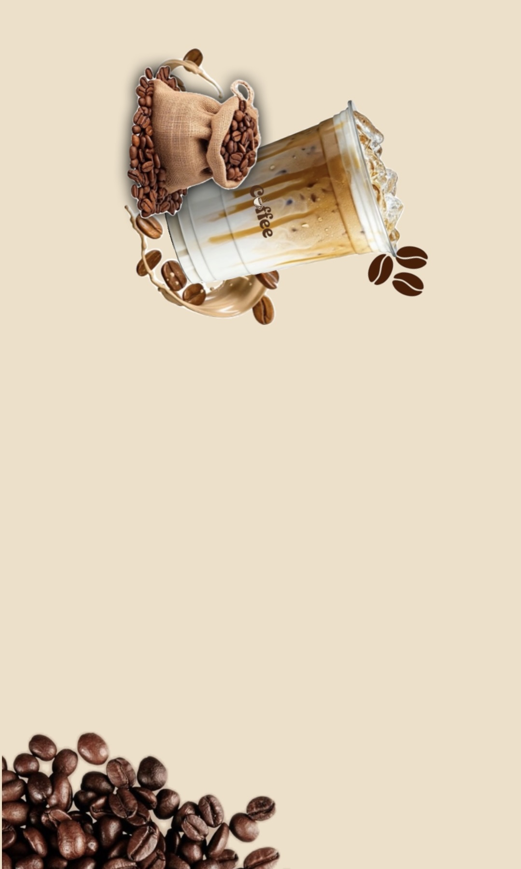

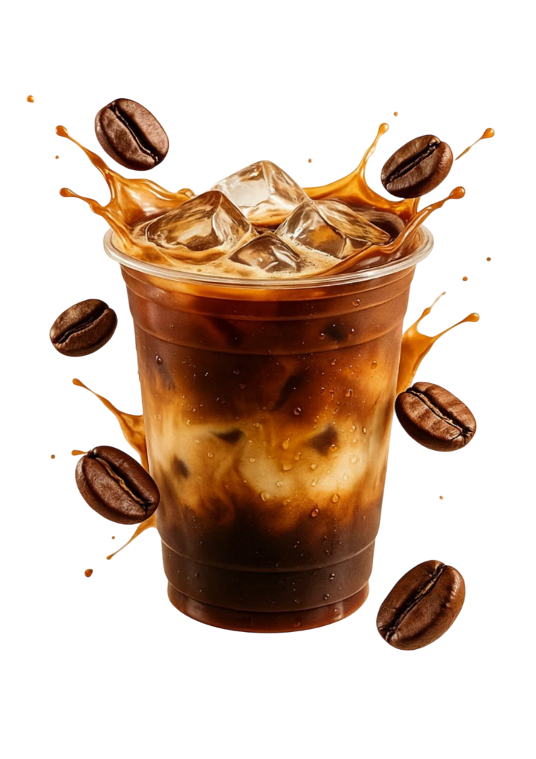
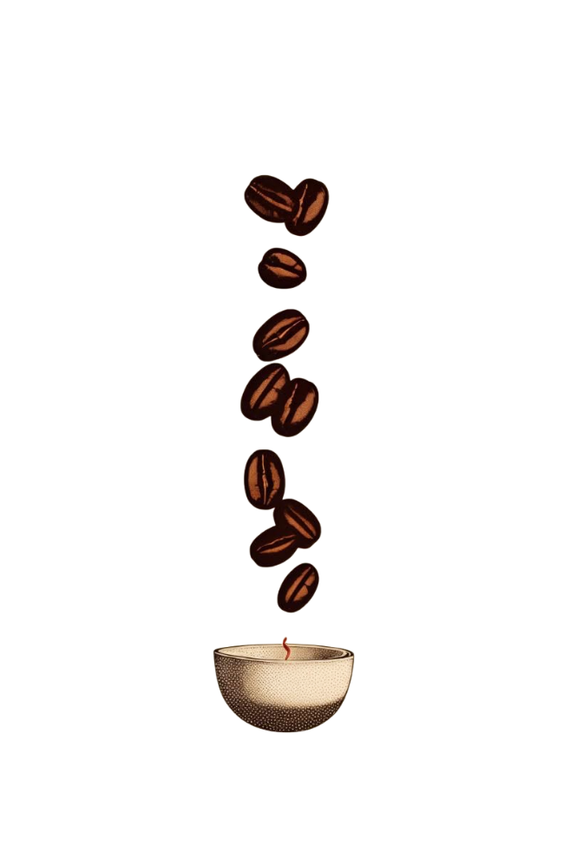
 | Total
9/1/2026 | 63.75
9/2/2026 | 91.46
9/3/2026 | 95.23
9/4/2026 | 75.72
9/5/2026 | 61.84
9/6/2026 | 99.92
9/7/2026 | 86.89
9/8/2026 | 57.37
9/9/2026 | 87.58
9/10/2026 | 98.04
9/11/2026 | 25.74
 | Total
Afternoon | 212
Evening | 198
Morning | 235
Night | 199
 | Total
Americano | 85.52
Cappuccino | 101.2
Cold Brew | 125.8
Espresso | 66.72
Flat White | 111.72
Latte | 100.77
Macchiato | 87.01
Mocha | 164.8
 | Cloudy | Rainy | Snowy | Sunny | Windy
Hot Coffee | 27 | 48 | 7 | 103 | 11
Cold Coffee | 22 | 12 | 36 | 57 | 8
Espresso Drinks | 36 | 53 | 36 | 54 | 29
Specialty | 113 | 7 | 28 | 119 | 38
 | Total
18-25 | 285
26-35 | 292
29+ | 14
36-50 | 194
51+ | 58
 | Total
Card | 48
Cash | 21
Digital Wallet | 20
UPI | 35
 | Total
Bronze | 30
None | 29
Silver | 32
Gold | 13
Coffee Shop Sales Dashboard
843.5
Total Sales
124
Total Transactions
6.80
Average Price
Sales Trend by Month
Sales by Time of Day
Sales By Product
Day Becomes Better With a Cup of Coffee
Premium
Weather Condition Impact
Customer Age Demographic
Payment Method
ICED COFFEE
Premium
Average Tip By Loyal Members
RICH . STRONG . SMOOTH

 | ss

 |  | s

s

