MAX TRU CALC
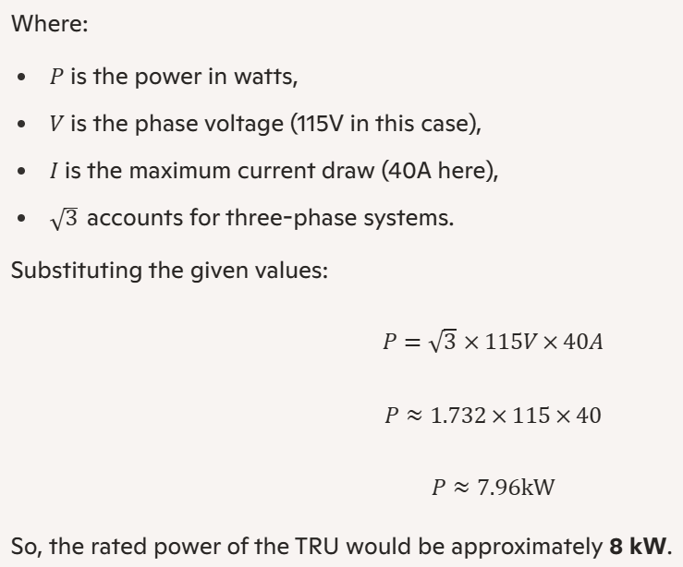
 | THREE PHASE | 200 | V

TRU CALCS |  |  |  |  |  |  |  |  |  |  |  |  |  | LINEAR AC BUS LOADING TABLE
 |  |  |  |  |  |  |  |  |  |  |  |  |  | Calculate Rated Power - AC Input (kVA) |  |  | Calculate TRU Output Power - DC Output (kW) |  | Calculate Output Current - DC Output (AMPS)
1 | Calculate Rated Power - AC Input (kVA) |  |  |  |  |  |  |  |  |  |  |  |  | Input Voltage (VAC) | Input Current (I) | Rated Power (kVA) | Efficiency (n) | Output Power (kW) | Output Voltage (V) | Output Current (A)
 | Input Voltage (VAC) | 200 | V |  |  |  |  |  |  |  |  |  |  | 200 | 1 | 0.346 | 0.875 | 0.303 | 28 | 10.825
 | Input Current (I) | 13.21 | A | Rated Power (kVA) | = | SQRT(3) | x | Input Current (I) | x | Input Voltage (VAC) |  |  |  | 200 | 2 | 0.693 | 0.875 | 0.606 | 28 | 21.651
 |  |  |  |  |  | 1000 |  |  |  |  |  |  |  | 200 | 3 | 1.039 | 0.875 | 0.909 | 28 | 32.476
 |  |  |  |  |  |  |  |  |  |  |  |  |  | 200 | 4 | 1.386 | 0.875 | 1.212 | 28 | 43.301
 |  |  |  | Rated Power (kVA) | = | 1.732 | x | 13.21 | x | 200 | = | 4.576 | kVA | 200 | 5 | 1.732 | 0.875 | 1.516 | 28 | 54.127
 |  |  |  |  |  | 1000 |  |  |  |  |  |  |  | 200 | 6 | 2.078 | 0.875 | 1.819 | 28 | 64.952 | 62.461A TRU1 | Current loading
 |  |  |  |  |  |  |  |  |  |  |  |  |  | 200 | 7 | 2.425 | 0.875 | 2.122 | 28 | 75.777
 |  |  |  |  |  |  |  |  |  |  |  |  |  | 200 | 8 | 2.771 | 0.875 | 2.425 | 28 | 86.603 | 87.168A TRU2 | Current loading
 |  |  |  |  |  |  |  |  |  |  |  |  |  | 200 | 9 | 3.118 | 0.875 | 2.728 | 28 | 97.428
2 | Calculate TRU Output Power - DC Output (kW) |  |  |  |  |  |  |  |  |  |  |  |  | 200 | 10 | 3.464 | 0.875 | 3.031 | 28 | 108.253
 | Rated Power (kVA) | 4.576 | kVA | Output Power (kW) | = |  |  | Rated Power (kVA) | x | Efficiency (n) |  |  |  | 200 | 11 | 3.811 | 0.875 | 3.334 | 28 | 119.078
 | Efficiency (n) | 0.875 |  |  |  |  |  |  |  |  |  |  |  | 200 | 12 | 4.157 | 0.875 | 3.637 | 28 | 129.904
 |  |  |  |  |  |  |  |  |  |  |  |  |  | 200 | 13 | 4.503 | 0.875 | 3.940 | 28 | 140.729 | TRU1&2 LIMITS SET BY BAE (143A)
 |  |  |  | Output Power (kW) | = |  |  | 4.58 | x | 0.875 | = | 4.004 | kW | 200 | 14 | 4.850 | 0.875 | 4.244 | 28 | 151.554
 |  |  |  |  |  |  |  |  |  |  |  |  |  | 200 | 15 | 5.196 | 0.875 | 4.547 | 28 | 162.380
 |  |  |  |  |  |  |  |  |  |  |  |  |  | 200 | 16 | 5.543 | 0.875 | 4.850 | 28 | 173.205
 |  |  |  |  |  |  |  |  |  |  |  |  |  | 200 | 17 | 5.889 | 0.875 | 5.153 | 28 | 184.030
 |  |  |  |  |  |  |  |  |  |  |  |  |  | 200 | 18 | 6.235 | 0.875 | 5.456 | 28 | 194.856
 |  |  |  |  |  |  |  |  |  |  |  |  |  | 200 | 19 | 6.582 | 0.875 | 5.759 | 28 | 205.681
3 | Calculate Output Current - DC Output (AMPS) |  |  |  |  |  |  |  |  |  |  |  |  | 200 | 20 | 6.928 | 0.875 | 6.062 | 28 | 216.506
 | Output Power (kW) | 4.004 | kW | Output Current (I) | = |  |  | Output Power (kW) | x | 1000 |  |  |  | 200 | 21 | 7.275 | 0.875 | 6.365 | 28 | 227.332
 | Output Voltage (VDC) | 28 | V |  |  |  |  | Output Voltage (VDC) |  |  |  |  |  | 200 | 22 | 7.621 | 0.875 | 6.668 | 28 | 238.157
 |  |  |  |  |  |  |  |  |  |  |  |  |  | 200 | 23 | 7.967 | 0.875 | 6.972 | 28 | 248.982
 |  |  |  | Output Current (I) | = |  |  | 4.004 | x | 1000 | = | 143.00 | A | 200 | 24 | 8.314 | 0.875 | 7.275 | 28 | 259.808
 |  |  |  |  |  |  |  | 28 |  |  |  | ↑ |  | 200 | 25 | 8.660 | 0.875 | 7.578 | 28 | 270.633
 |  |  |  |  |  |  |  |  |  |  |  | ↑ |  | 200 | 26 | 9.007 | 0.875 | 7.881 | 28 | 281.458
 |  |  |  |  |  |  |  |  |  |  |  | ↑ | A | 200 | 27 | 9.353 | 0.875 | 8.184 | 28 | 292.284
 |  |  |  |  |  |  |  |  |  |  |  | ↑ |  | 200 | 28 | 9.699 | 0.875 | 8.487 | 28 | 303.109
 |  |  |  |  |  |  |  |  |  |  |  | WARNING!!! DC OUTPUT IS FED INTO THE BUS TOTALS SHEET FOR EACH OF THE TRU. DO NOT CHANGE THIS. |  | 200 | 29 | 10.046 | 0.875 | 8.790 | 28 | 313.934
 |  |  |  |  |  |  |  |  |  |  |  |  |  | 200 | 30 | 10.392 | 0.875 | 9.093 | 28 | 324.760
 |  |  |  |  |  |  |  |  |  |  |  |  |  | 200 | 35 | 12.124 | 0.875 | 10.609 | 28 | 378.886
 |  |  |  |  |  |  |  |  |  |  |  |  |  | 200 | 40 | 13.856 | 0.875 | 12.124 | 28 | 433.013
 | Extract from BAE ELA.pdf |  |  |  |  |  |  |  |  |  |  |  |  | 200 | 45 | 15.588 | 0.875 | 13.640 | 28 | 487.139
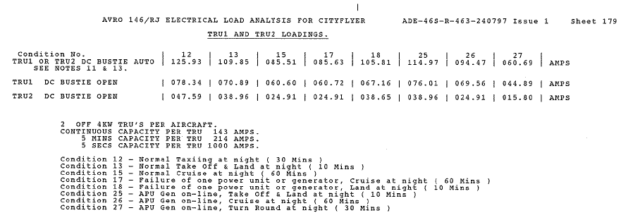
 |  |  |  |  |  |  |  |  |  |  |  |  |  | 200 | 50 | 17.321 | 0.875 | 15.155 | 28 | 541.266
 |  |  |  |  |  |  |  |  |  |  |  |  |  | 200 | 55 | 19.053 | 0.875 | 16.671 | 28 | 595.392
 |  |  |  |  |  |  |  |  |  |  |  |  |  | 200 | 60 | 20.785 | 0.875 | 18.187 | 28 | 649.519
 |  |  |  |  |  |  |  |  |  |  |  |  |  | 200 | 65 | 22.517 | 0.875 | 19.702 | 28 | 703.646
 |  |  |  |  |  |  |  |  |  |  |  |  |  | 200 | 70 | 24.249 | 0.875 | 21.218 | 28 | 757.772
 |  |  |  |  |  |  |  |  |  |  |  |  |  | 200 | 75 | 25.981 | 0.875 | 22.733 | 28 | 811.899
 |  |  |  |  |  |  |  |  |  |  |  |  |  | 200 | 80 | 27.713 | 0.875 | 24.249 | 28 | 866.025
 |  |  |  |  |  |  |  |  |  |  |  |  |  | 200 | 85 | 29.445 | 0.875 | 25.764 | 28 | 920.152
 |  |  |  |  |  |  |  |  |  |  |  |  |  | 200 | 90 | 31.177 | 0.875 | 27.280 | 28 | 974.279

 | This is the 3 phase calculation that should be used although it seems that BAE are using the single phase calculation.

PWA Global Parameters
GLOBAL PARAMETER
(Note: 209.9455V is used because this is the generator cable itself before busbar conditioning of 200V)

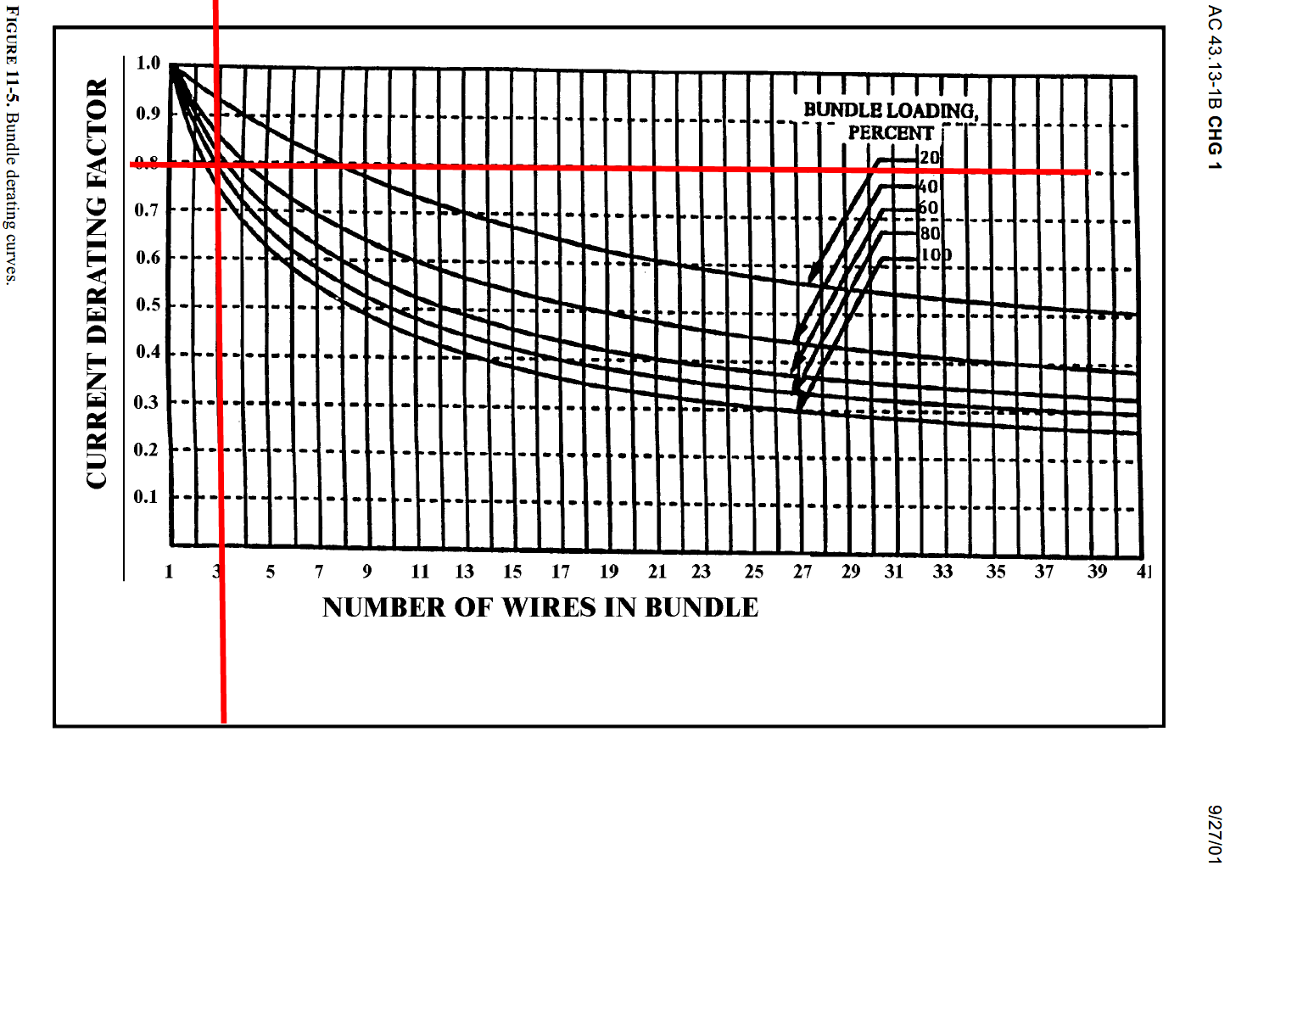
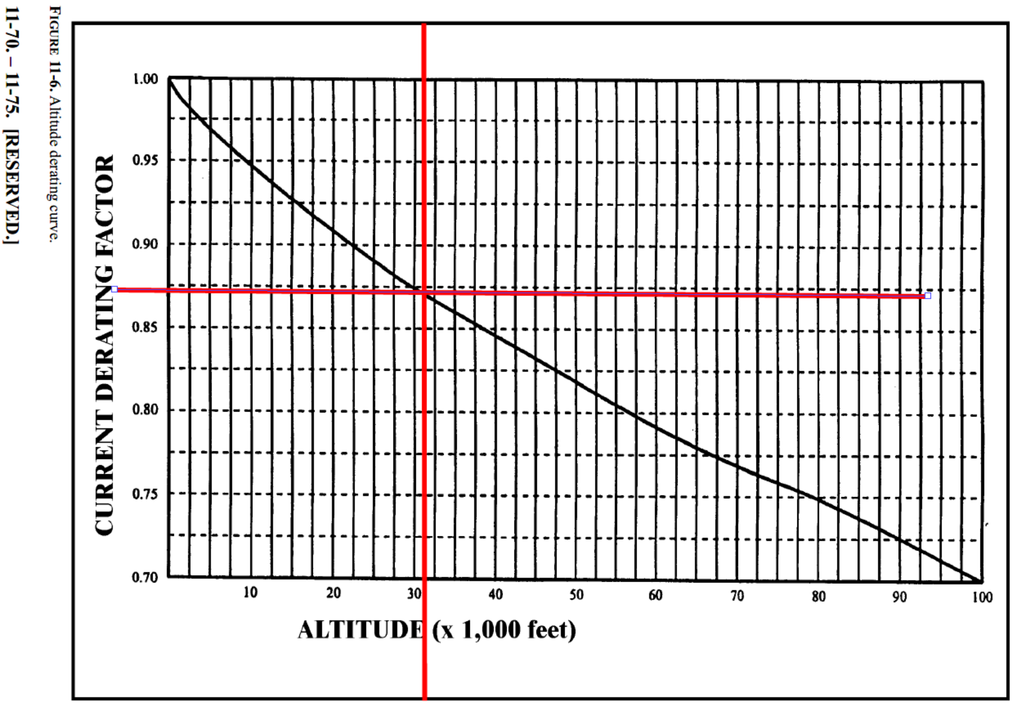
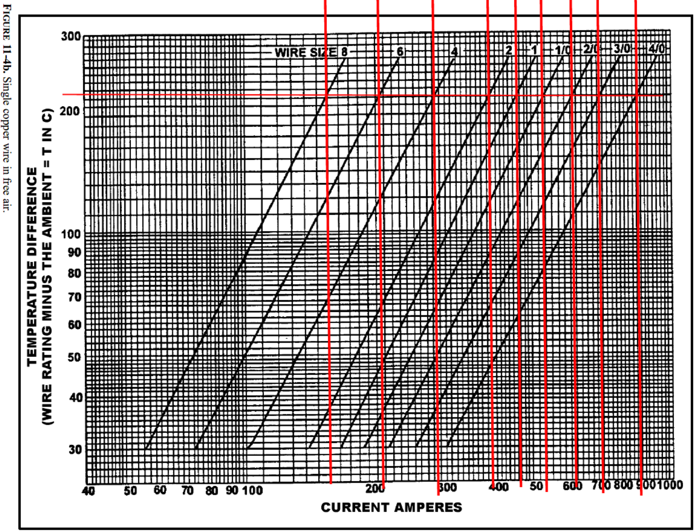
 | Generator Line Voltage | 209.9455 | 209.9455 is used so that the max current draw available on the generator power feeders is 110 Amps. This is because of the statement in the ELA (NOTE 15): In case of conflict, the generator load limits detailed in section 2.01.5 of the Aircraft Flight Manual supersede the figures quoted here.
 | ALTITUDE (35,000 ft) | 0.8625 |  |  |  | Bundle Derating | Altitude Derating | Single Wire in free air | KP260 Data
 | DE-RATING FACTOR (3 wires @ 100 % load) | 0.75 |  |  |  |  |  |  | WIRE TYPE: KP260
 | De-rating (Max conductor current in free air) From fig. 11-4b (AC-43) | See chart |  |  |  |  |  |  | AWG | ohm/km | ohm/1000ft | OD (mm) | Weight (g/m) | Max I in free air
 | Conductor Temperature Rating | 260 | °C |  |  |  |  |  | 24 | 114.700 | 34.961 | 1.16 | 3.55 | 16
 | Ambient Temperature | 50 | °C |  |  |  |  |  | 22 | 58.800 | 17.922 | 1.32 | 4.90 | 21
 | Allowable Voltage Drop | 7 | VOLTS |  |  |  |  |  | 20 | 32.800 | 9.997 | 1.55 | 7.70 | 28
 |  |  |  |  |  |  |  |  | 18 | 20.800 | 6.340 | 1.80 | 11.30 | 38
 |  |  |  |  |  |  |  |  | 16 | 14.400 | 4.389 | 2.05 | 15.80 | 40
 |  |  |  |  |  |  |  |  | 14 | 10.600 | 3.231 | 2.40 | 21.00 | 56
 | Required Specific Wire Length (for voltage drop) | 65 | FEET |  |  |  |  |  | 12 | 6.600 | 2.012 | 2.90 | 32.00 | 72
 | Required Specific Wire Length (for voltage drop) | 19.93 | METRES |  |  |  |  |  | 10 | 4.130 | 1.259 | 3.70 | 53.00 | 99
 |  |  |  |  |  |  |  |  | 8 | 2.400 | 0.732 | 5.30 | 93.00 | 160
 |  |  |  |  |  |  |  |  | 6 | 1.570 | 0.479 | 6.30 | 140.00 | 215
 | Ratio used to convert from regulated voltage to unregulated voltage. |  |  |  |  |  |  |  | 4 | 0.971 | 0.296 | 7.70 | 217.00 | 295
 | Post conditioning ELA voltage | 200 | VOLTS |  |  |  |  |  | 2 | 0.606 | 0.185 | 9.40 | 330.00 | 400
 | Conversion factor from ELA voltage to generator voltage | 0.95262818208 | RATIO |  |  |  |  |  | 1 | 0.500 | 0.152 | 10.40 | 400.00 | 460
 |  |  |  |  |  |  |  |  | 0 | 0.381 | 0.116 | 11.70 | 525.00 | 540
 |  |  |  |  |  |  |  |  | 00 | 0.290 | 0.088 | 13.20 | 680.00 | 630
 |  |  |  |  |  |  |  |  | 000 | 0.237 | 0.072 | 14.80 | 835.00 | 740
 |  |  |  |  |  |  |  |  | 0000 | 0.190 | 0.058 | 16.40 | 1060.00 | 920

 |  |  |  |  |  |  |  |  |  | 209.9455 | 209.9455 is used so that the max current draw available on the generator power feeders is 110 Amps. This is because of the statement in the ELA (NOTE 15): In case of conflict, the generator load limits detailed in section 2.01.5 of the Aircraft Flight Manual supersede the figures quoted here.
 |  |  |  |  |  |  |  |  | kVA | Line Voltage | Current
 |  |  |  |  |  | Generator line voltage is 200V therefore allowable voltage drop is 7V. |  |  | 40 | 209.9455 | 110.00
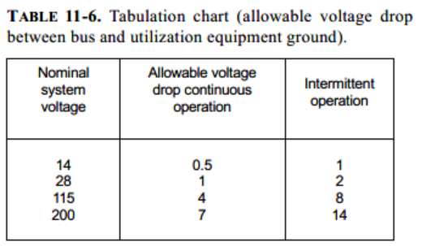
 |  |  |  |  |  |  |  |  | 45 | 209.9455 | 123.75
 |  |  |  |  |  |  |  |  | 50 | 209.9455 | 137.50
 |  |  |  |  |  |  |  |  | 55 | 209.9455 | 151.25
 |  |  |  |  |  |  |  |  | 60 | 209.9455 | 165.00
 |  |  |  |  |  |  |  |  | 65 | 209.9455 | 178.75
 |  |  |  |  |  |  |  |  | 70 | 209.9455 | 192.50
 |  |  |  |  |  |  |  |  | 75 | 209.9455 | 206.25
 |  |  |  |  |  |  |  |  | 80 | 209.9455 | 220.00
 |  |  |  |  |  |  |  |  | 85 | 209.9455 | 233.75
 |  |  |  |  |  |  |  |  | 90 | 209.9455 | 247.50
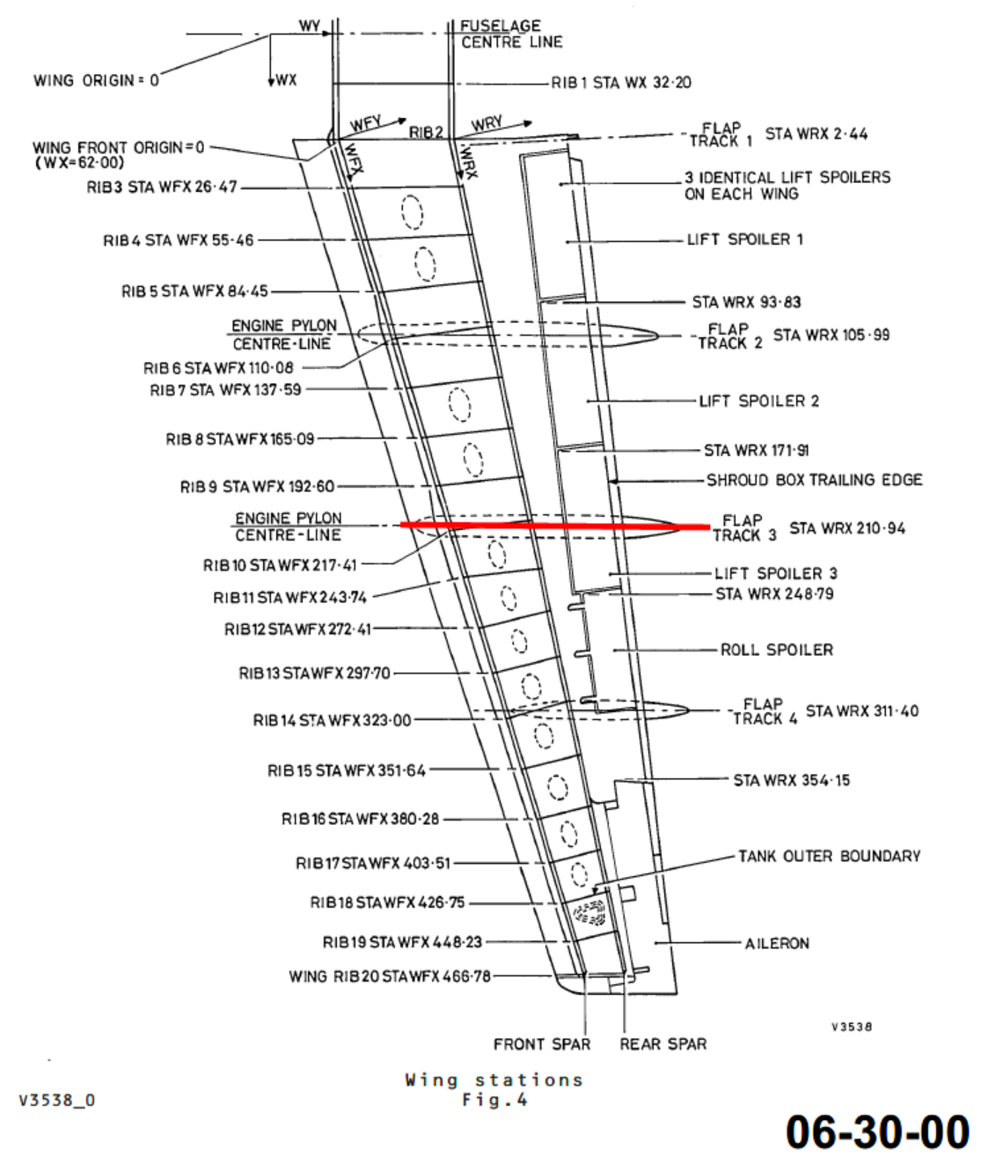
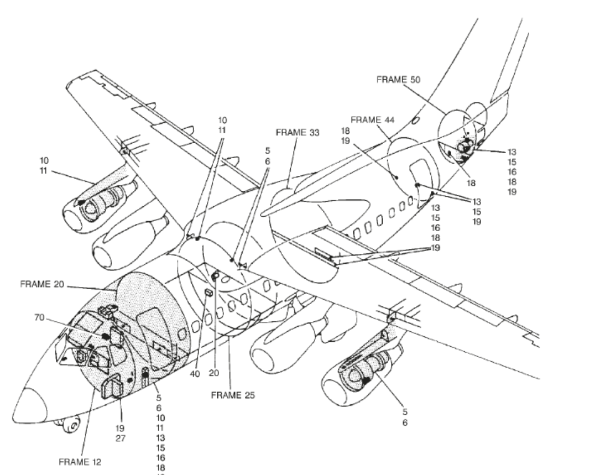
 | CALCULATING LENGTHS

 | Fuselage Ctr Line to STA 217.41 |  | = | 217.41 | INCHES
 | (From wing to fuselage centre line)

 | STA 409.19 - 143.00 |  | = | 266.19 | INCHES
 | (From wing front spar to cockpit door area

 | Transitioning from roof to avionics bay |  | = | 120.00 | INCHES

 |  | Percentage
 | Plus percentage for additional routing in the pylon, wing root, etc | 30 | = | 181.08 | INCHES

 | Total estimated length in INCHES |  | = | 785 | INCHES
 | Total estimated length in FEET |  | = | 65 | FEET
 | Total estimated length in METRES |  | = | 20 | METRES

