Q5
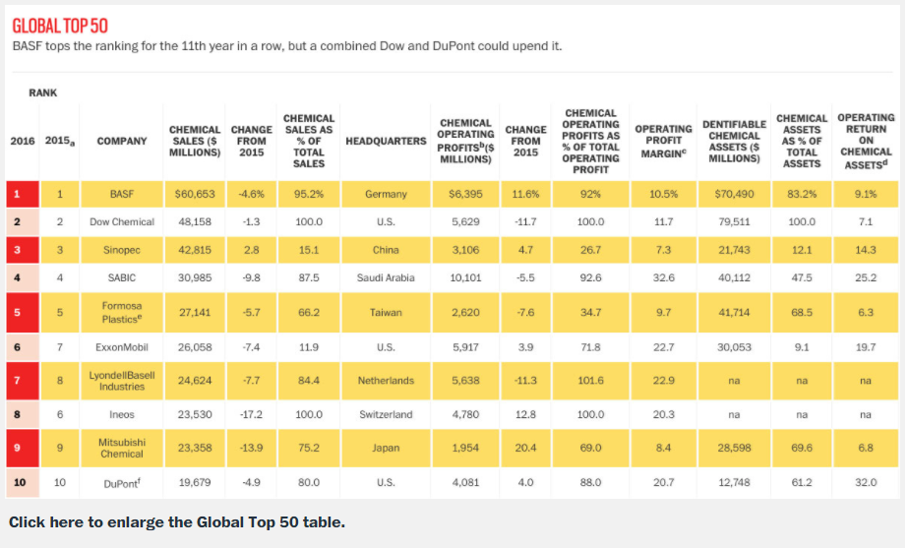
 |  |  | 5
 |  |  | We got comparable companies beta in 2007 from Bloomberg.
 |  |  | So, We use the average beta below the table to get a cost of equtiy
 |  |  | Beta in 2007
 |  |  | BASF |  | 0.88
 |  |  | Dow Chemical |  | 0.95
 |  |  | Ineos |  | 0.56
 |  |  | Dupont |  | 1.15
 |  |  | Formosa Plastics |  | 0.71
 |  |  | Mitsubishi Chemical |  | 0.91 |  |  | Unleveraged
 |  |  | Average Beta |  | 0.86 |  | Asset Beta | 0.536

 |  |  |  |  |  | 100%
 |  |  | Tax Rate |  | 40% | E/V | D/V | Equity Beta | Debt Beta | Cost of Debt | Cost of Equity | WACC | D/V
 |  |  | Risk Free Rate |  | 4.98% | 100% | 0% | 0.536 | 0.000 | 4.98% | 7.66% | 7.6600% | 0
 |  |  | Market Premium |  | 5% | 90% | 10% | 0.590 | 0.054 | 5.25% | 7.82% | 7.3536% | 10
 |  |  | Debt Beta |  | 0.05 | 80% | 20% | 0.643 | 0.107 | 5.52% | 7.98% | 7.0472% | 20
 |  |  | Debt to Value |  | 40% | 70% | 30% | 0.697 | 0.161 | 5.78% | 8.14% | 6.7408% | 30
 |  |  |  |  |  | 60% | 40% | 0.750 | 0.214 | 6.05% | 8.30% | 6.4344% | 40
 |  |  | Cost of Equity |  | 9.28% | 50% | 50% | 0.804 | 0.268 | 6.32% | 8.46% | 6.1280% | 50
 |  |  | Cost of Debt |  | 5.23% | 40% | 60% | 0.858 | 0.322 | 6.59% | 8.62% | 5.8216% | 60
 |  |  | Cost of Capital |  | 7.66% | 30% | 70% | 0.911 | 0.375 | 6.86% | 8.79% | 5.5152% | 70
 |  |  |  |  |  | 20% | 80% | 0.965 | 0.429 | 7.12% | 8.95% | 5.2088% | 80
 |  |  |  |  |  | 10% | 90% | 1.018 | 0.482 | 7.39% | 9.11% | 4.9024% | 90
 |  |  |  |  |  | 0% | 100% |  | 0.536 | 7.66% |  | 4.5960% | 100

 | After D/V | 40% |  | Assumption
Petrochemicals spread |  | 1.35% |  | Above D/V 40%, we need to reflect Petrochemicals credit rating.
New Cost of Debt |  | 6.33% |  | So, at D/V 40%, addded 1.35%(Petrochemicals spread) to 5.33%
spread after D/V 40% |  | 0.20% |  | After do this, as D/V increases 10% added 0.2% spread
Rd = Rf + spread

Equity Beta
WACC

 |  |  | Equtiy Beta increases as D/V increases |  |  |  |  |  |  | WACC decreases as D/V increases

