block
UI

ResourceManager

UI Framework
StatusManager

Deliver

pre request参考
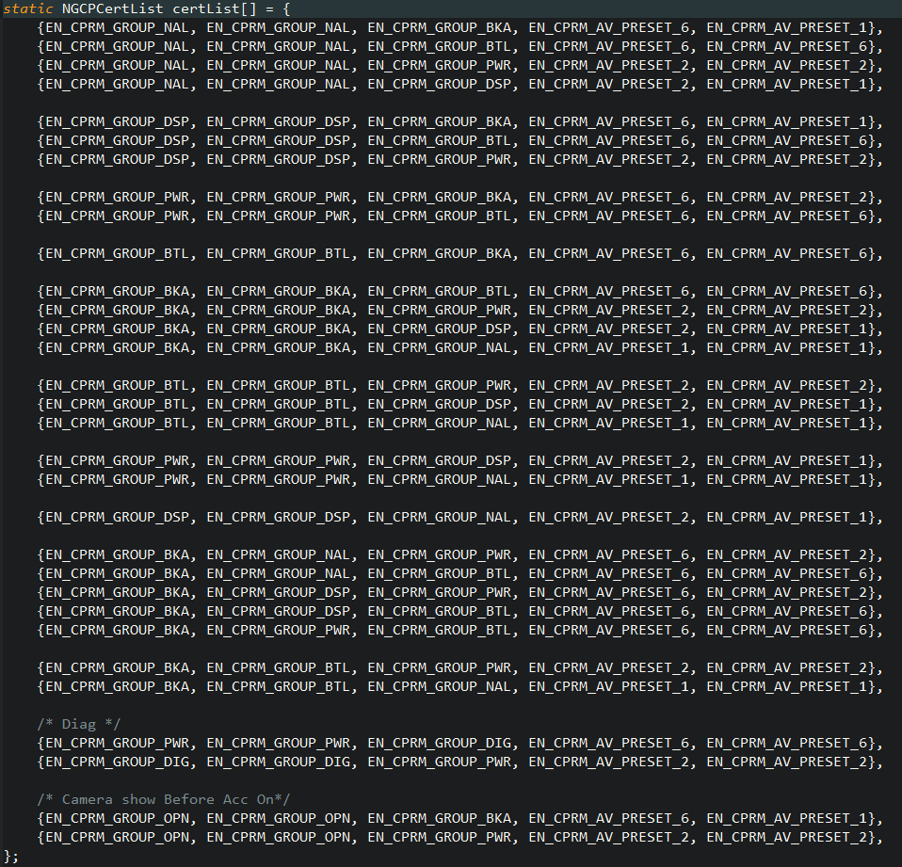
send pre request
NGCarplayResMgr_UpdateCert | 未连接 | 画面更新时调用 | 参考certList
NGCarplayResMgr_LastSrcCarplay | 未连接 | last source是CarPlay， 且当前画面不是中断画面 | send pre request:video take,audio take
NGCarplayResMgr_InitCntSts | 连接中 | acc off on后第一次连接 且连接的CarPlay不是第一次连接HU 且当前画面不是中断画面 | send pre request:video take,audio take
NGCarplayResMgr_CarplayDisconnect | 未连接 |  | 当前画面是camera send pre request:video borrow-never,audio take 当前画面是BT,diag send pre request:video borrow-never,audio borrow-never 当前画面是power send pre request:video borrow,audio borrow 当前画面是opening send pre request:video borrow,audio take 当前画面是disp off,normal,carplay send pre request:video take,audio take

send pre request:CarPlay未连接情况下，如果迁移到了中断画面，set pre request video/audio borrow.
等CarPlay连接上时，发送给CarPlay（此动作不在UI中）

Connect时序1参考
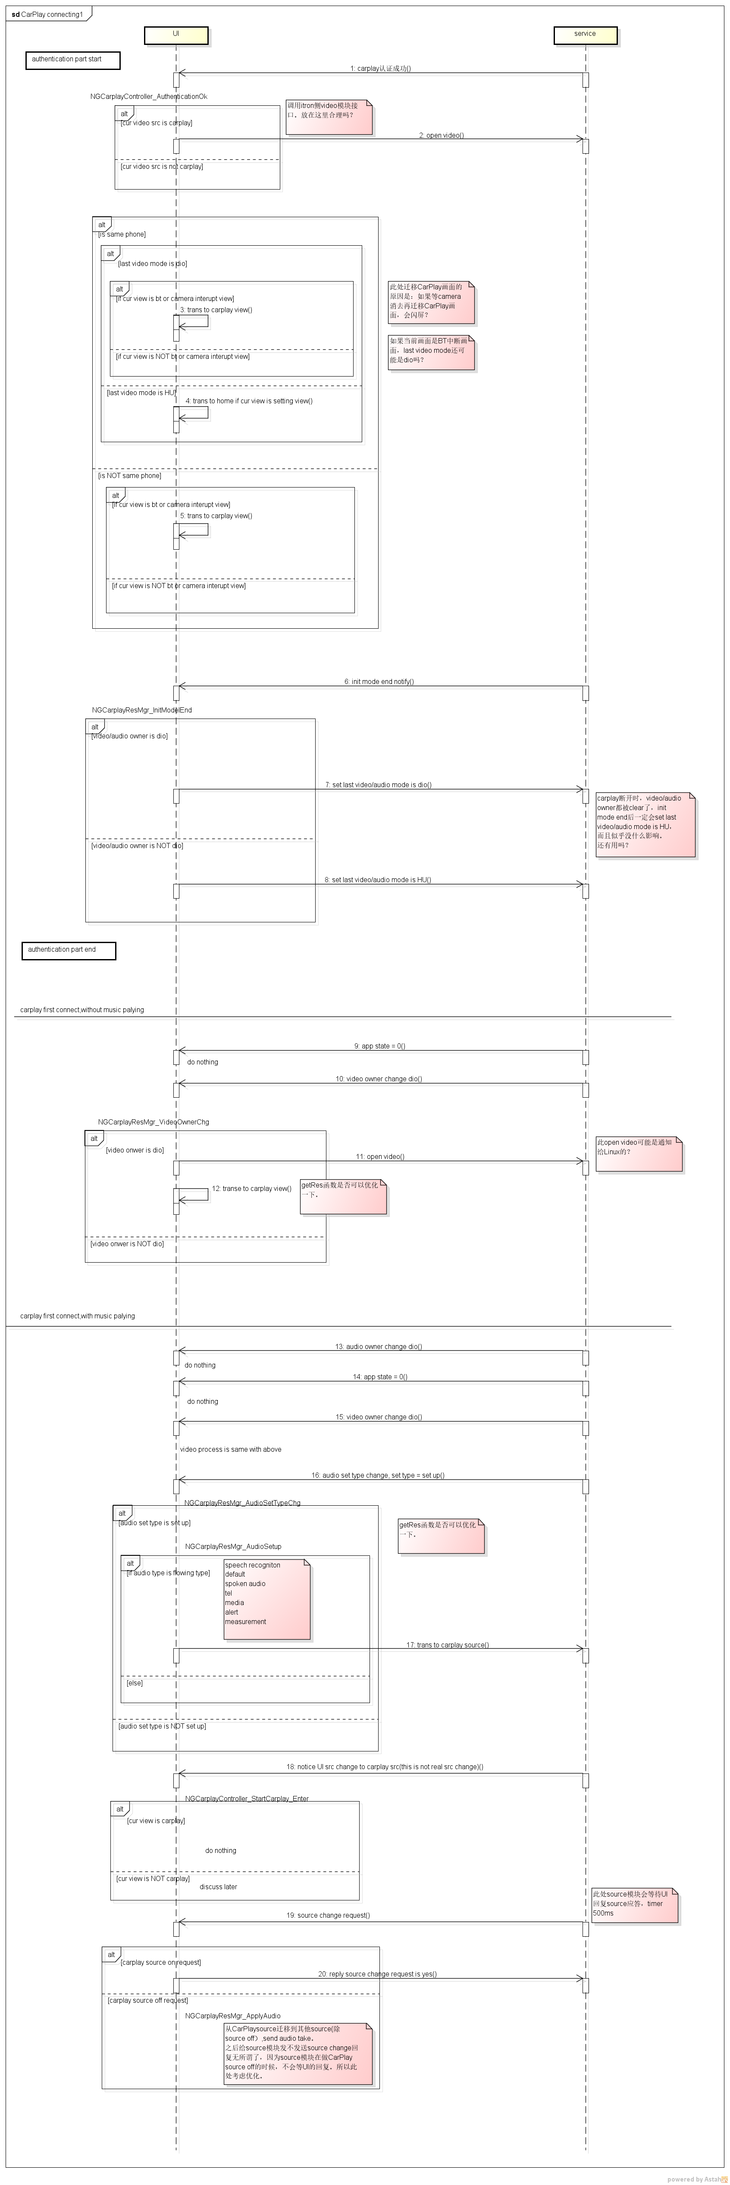

Connect时序2参考
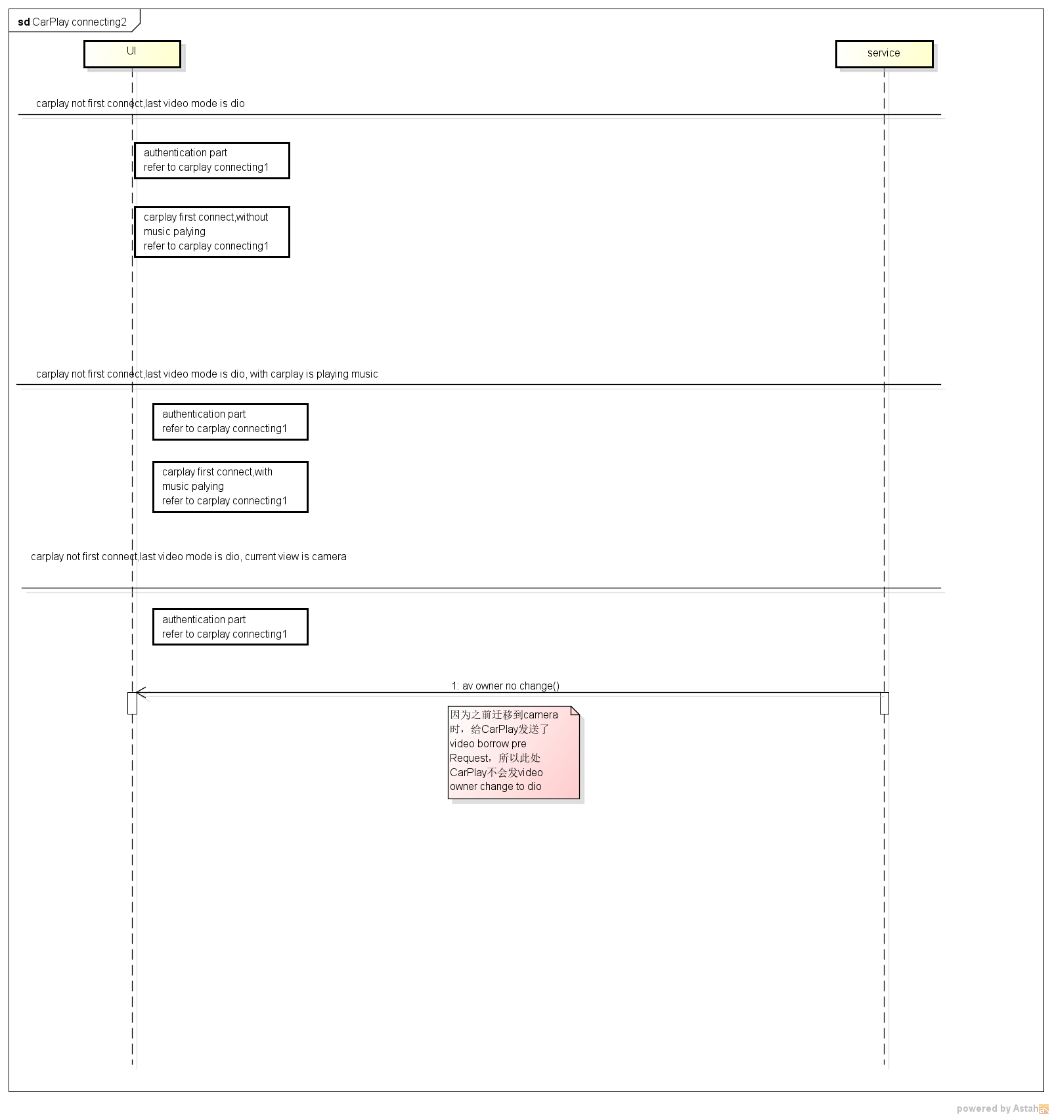

Connect时序3参考
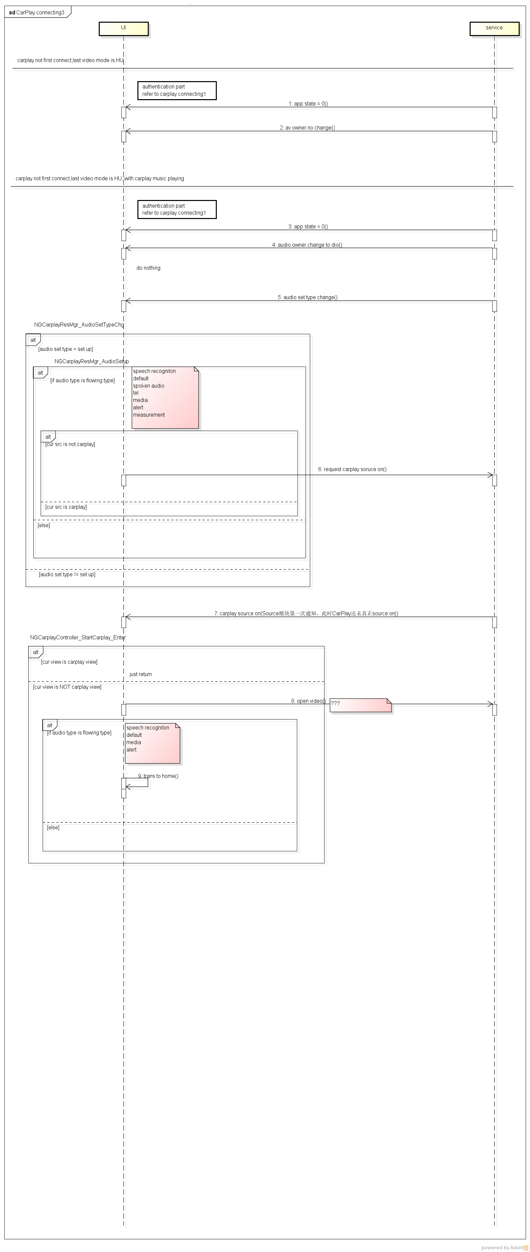

时序图
UI
ResourceManager
service
 |  |  |  |  |  |  |  |  |  |  |  |  |  |  |  |  |  |  |  |  |  |  |  |  |  |  | Acc on

Carplay not connect
 |  |  |  |  |  |  |  |  |  |  |  |  |  |  |  | init connect status
 |  |  |  |  |  |  |  |  |  |  |  |  |  |  |  |  |  |  | NOTE:this notify should be send wether carplay is connect or not

 |  |  |  |  |  |  |  |  |  |  |  |  |  |  |  | get last user mode for audio/screen
 |  |  |  |  |  |  |  |  |  |  |  |  |  |  |  |  |  |  | NOTE:this should be stored on flash
 |  |  |  |  |  |  |  |  |  |  |  |  |  |  |  |  |  |  |  | set last user mode for audio/screen

 |  |  |  |  |  |  | view change |  | from normal to normal
 |  |  |  |  |  |  |  |  | NOTE:judge view type should be who's responsibility
 |  |  |  |  |  |  |  |  | UI or ResourceManager ?
 |  |  |  |  |  |  | case 1
 |  |  |  |  |  |  |  |  | view change(normal to normal)

 |  |  |  |  |  |  |  |  |  |  |  |  |  |  |  | set last user mode for screen is HU |  |  |  |  |  |  |  |  |  |  |  |  |  | NOTE:if last user mode for screen is already HU, maybe we do NOT need to set last user mode

 |  |  |  |  |  |  |  |  |  |  |  |  |  |  |  |  |  |  |  | set last user mode for screen is HU

 |  |  |  |  |  |  |  |  |  |  |  |  |  |  |  |  |  |  |  | mode change request:take/u/u/any

 |  |  |  |  |  |  | case 2 |  | view change(normal to interupt)

 |  |  |  |  |  |  |  |  |  |  |  |  |  |  |  | do NOT update last user mode for screen
 |  |  |  |  |  |  |  |  |  |  |  |  |  |  |  |  |  |  |  | mode change request:borrow/u/u/any
 |  |  |  |  |  |  |  |  |  |  |  |  |  |  |  |  |  |  |  | NOTE:this is necessary, because mode change request has higer priority than last user mode if mode change request is borrow

 |  |  |  |  |  |  | case 3
 |  |  |  |  |  |  |  | view change(interupt to interupt)

 |  |  |  |  |  |  |  |  |  |  |  |  |  |  |  | do NOT update last user mode for screen

 |  |  |  |  |  |  |  |  |  |  |  |  |  |  |  | if former mode change request is borrow/u/u/any
 |  |  |  |  |  |  |  |  |  |  |  |  |  |  |  |  | current mode change request is borrow/u/u/any
 |  |  |  |  |  |  |  |  |  |  |  |  |  |  |  |  |  | do NOT need to send mode change request

 |  |  |  |  |  |  |  |  |  |  |  |  |  |  |  | if former mode change request is borrow/u/u/any
 |  |  |  |  |  |  |  |  |  |  |  |  |  |  |  |  | current mode change request is borrow/u/n/n
 |  |  |  |  |  |  |  |  |  |  |  |  |  |  |  |  |  | need to send mode change request

 |  |  |  |  |  |  |  |  |  |  |  |  |  |  |  |  |  |  |  | mode change request borrow/u/n/n

Carplay is connecting |  |  |  |  |  |  |  |  |  |  |  |  |  |  |  |  |  |  |  |  |  |  |  |  |  |  |  |  |  |  |  |  | Carplay is connecting,

 |  |  |  |  |  |  |  |  |  |  |  |  |  |  |  |  |  |  |  |  |  |  |  |  |  |  |  |  |  |  | case 1-1
 |  |  |  |  |  |  |  |  |  |  |  |  |  |  |  |  |  |  |  |  |  |  |  |  |  |  |  |  |  |  | carplay is very first connect
 |  |  |  |  |  |  |  |  |  |  |  |  |  |  |  |  |  |  |  |  |  |  |  |  | carplay first connect |  |  |  |  |  | HU is in normal screen

 |  |  |  |  |  |  |  |  |  |  |  |  |  |  |  | we may do not need do anything

 |  |  |  |  |  |  |  |  |  |  |  |  |  |  |  |  |  |  |  |  |  |  |  |  | mode change response:screen to carplay

 |  |  |  |  |  |  |  |  |  |  |  |  |  |  |  | notice UI trans to carlay screen
 |  |  |  |  |  |  |  |  |  |  |  | trans to carplay view

 |  |  |  |  |  |  |  |  |  |  |  |  |  |  |  | set last user mode for screen is carplay

 |  |  |  |  |  |  |  |  |  |  |  |  |  |  |  |  |  |  |  |  |  | set last user mode for screen is carplay

 |  |  |  |  |  |  |  |  |  |  |  |  |  |  |  |  |  |  |  |  |  |  |  |  |  |  |  |  |  |  | case 1-2
 |  |  |  |  |  |  |  |  |  |  |  |  |  |  |  |  |  |  |  |  |  |  |  |  |  |  |  |  |  |  | carplay is very first connect
 |  |  |  |  |  |  |  |  |  |  |  |  |  |  |  |  |  |  |  |  |  |  |  |  |  | carplay first connect |  |  |  |  | HU is in camera/bt tel/power off/display off screen

 |  |  |  |  |  |  |  |  |  |  |  |  |  |  |  |  | set last user mode for screen is carplay
 |  |  |  |  |  |  |  |  |  |  |  |  |  |  |  |  | NOTE:we may need notice UI trans to carplay screen,
 |  |  |  |  |  |  |  |  |  |  |  |  |  |  |  |  | because after interrupt deacitve, HU normal view could flushed.

 |  |  |  |  |  |  |  |  |  |  |  |  |  |  |  |  |  |  |  |  |  |  |  |  |  |  |  |  |  |  | NOTE:
 |  |  |  |  |  |  |  |  |  |  |  |  |  |  |  |  |  |  |  |  |  |  |  |  |  |  |  |  |  |  | carplay is not first connect
 |  |  |  |  |  |  |  |  |  |  |  |  |  |  |  |  |  |  |  |  |  |  |  |  |  |  |  |  |  |  |  | they will send last user mode for screen
 |  |  |  |  |  |  |  |  |  |  |  |  |  |  |  |  |  |  |  |  |  |  |  |  |  |  |  |  |  |  |  | and mode change request to carplay what resource manager
 |  |  |  |  |  |  |  |  |  |  |  |  |  |  |  |  |  |  |  |  |  |  |  |  |  |  |  |  |  |  |  | send to them when carplay not connect.

 |  |  |  |  |  |  |  |  |  |  |  |  |  |  |  |  |  |  |  |  |  |  |  |  |  |  |  |  |  |  |  | case 2-1
 |  |  |  |  |  |  |  |  |  |  |  |  |  |  |  |  |  |  |  |  |  |  |  |  |  |  |  |  |  |  |  | carplay is not first connect
 |  |  |  |  |  |  |  |  |  |  |  |  |  |  |  |  |  |  |  |  |  |  |  |  |  |  |  |  |  |  |  | last user mode for screen is HU
 |  |  |  |  |  |  |  |  |  |  |  |  |  |  |  |  |  |  |  |  |  |  |  |  |  |  |  |  | carplay connect

 |  |  |  |  |  |  |  |  |  |  |  |  |  |  |  |  | possible need to notice UI carplay connect.
 |  |  |  |  |  |  |  |  |  |  |  |  |  |  |  |  | NOTE:this is for give user a message that carplay is connect

 |  |  |  |  |  |  |  |  |  |  |  |  |  |  |  |  |  |  |  |  |  |  |  | mode change response:screen is HU

 |  |  |  |  |  |  |  |  |  |  |  |  |  |  |  |  | we may do not need do anything

 |  |  |  |  |  |  |  |  |  |  |  |  |  |  |  |  |  |  |  |  |  |  |  |  |  |  |  |  |  |  |  |  | case 2-2-1
 |  |  |  |  |  |  |  |  |  |  |  |  |  |  |  |  |  |  |  |  |  |  |  |  |  |  |  |  |  |  |  |  | carplay is not first connect
 |  |  |  |  |  |  |  |  |  |  |  |  |  |  |  |  |  |  |  |  |  |  |  |  |  |  |  |  |  |  |  |  | last user mode for screen is carplay
 |  |  |  |  |  |  |  |  |  |  |  |  |  |  |  |  |  |  |  |  |  |  |  |  |  |  |  |  |  |  |  |  | HU is normal screen
 |  |  |  |  |  |  |  |  |  |  |  |  |  |  |  |  |  |  |  |  |  |  |  |  |  |  |  | carplay connect

 |  |  |  |  |  |  |  |  |  |  |  |  |  |  |  |  | we may do not need do anything

 |  |  |  |  |  |  |  |  |  |  |  |  |  |  |  |  |  |  |  |  |  |  |  | mode change response:screen is carplay

 |  |  |  |  |  |  |  |  |  |  |  |  |  |  |  |  | notice UI trans to carplay screen
 |  |  |  |  |  |  |  |  |  |  | trans to carplay screen

 |  |  |  |  |  |  |  |  |  |  |  |  |  |  |  |  |  |  |  |  |  |  |  |  |  |  |  |  |  |  |  |  |  | case 2-2-2
 |  |  |  |  |  |  |  |  |  |  |  |  |  |  |  |  |  |  |  |  |  |  |  |  |  |  |  |  |  |  |  |  |  | carplay is not first connect
 |  |  |  |  |  |  |  |  |  |  |  |  |  |  |  |  |  |  |  |  |  |  |  |  |  |  |  |  |  |  |  |  |  | last user mode for screen is carplay
 |  |  |  |  |  |  |  |  |  |  |  |  |  |  |  |  |  |  |  |  |  |  |  |  |  |  |  |  | carplay connect |  |  |  |  | HU is in camera/bt tel/power off/ display off screen

 |  |  |  |  |  |  |  |  |  |  |  |  |  |  |  |  |  | we may do not need do anything
 |  |  |  |  |  |  |  |  |  |  |  |  |  |  |  |  |  | NOTE:we may need notice UI trans to carplay screen,
 |  |  |  |  |  |  |  |  |  |  |  |  |  |  |  |  |  | because after interrupt deacitve, HU normal view could flushed.

Carplay has connected

 | normal |  |  | → |  | normal
 |  |  |  |  |  |  |  |  |  |  |  | view change request

 |  |  |  |  |  |  |  |  |  |  |  |  |  |  |  |  | NOTE:from normal to normal,last user mode for screen
 |  |  |  |  |  |  |  |  |  |  |  | view cahnge response |  |  |  |  | is already HU, so we do not need to update here.

 |  |  | step 1
 | carplay |  |  | → |  | normal
 |  |  |  |  |  |  |  |  |  | view change request

 |  |  |  |  |  |  |  |  |  |  |  |  |  |  |  |  | send mode change request

 |  |  |  |  |  |  |  |  |  |  |  |  |  |  |  |  |  |  |  |  |  |  | take/u/u/any

 |  |  |  |  |  |  |  |  |  |  |  |  |  |  |  |  |  |  |  |  |  |  | mode change response:screen to HU

 |  |  |  |  |  |  |  |  |  |  |  |  |  |  |  |  | set last user mode for screen to HU
 |  |  |  |  |  |  |  |  |  | view change request

 |  | step 2
 |  |  |  |  |  | camera
 | normal |  |  | → |  | normal
 |  | (could goto step5 directly)
 |  |  |  |  |  |  |  |  |  | view change request

 |  |  |  |  |  |  |  |  |  | view change response

 |  |  |  |  |  |  |  |  |  |  |  |  |  |  |  |  | send mode change request

 |  |  |  |  |  |  |  |  |  |  |  |  |  |  |  |  |  |  |  |  |  | borrow/u/n/n

 |  | step 3
 | camera |  |  |  |  | camera
 |  |  |  |  |  | power off
 | normal |  |  | → |  | normal
 |  |  |  |  |  |  |  |  |  | view change request

 |  |  |  |  |  |  |  |  |  | view cahnge response

 |  |  |  |  |  |  |  |  |  |  |  |  |  |  |  |  | do NOT need to send mode change request

 |  | step 4

 | camera |  |  |  |  | camera
 | power off |  |  |  |  |  |  |  |  | view change request
 | normal |  |  | → |  | normal
 |  |  |  |  |  |  |  |  |  | view cahnge response

 |  |  |  |  |  |  |  |  |  |  |  |  |  |  |  |  | do NOT need to send mode change request

 |  |  | step 5
 | camera |  |  |  |  |  |  |  |  | view change request

 | normal |  |  | → |  | normal |  |  |  | view cahnge response

 |  |  |  |  |  |  |  |  |  |  |  |  |  |  |  | send mode change request

 |  |  |  |  |  |  |  |  |  |  |  |  |  |  |  |  |  |  |  |  |  | take/u/u/any

 |  |  | step 6
 | normal |  |  | → |  | carplay

 |  |  |  |  |  |  | NOTE:press carplay soft botton in HU screen

 |  |  |  |  |  |  |  |  |  | view change request

 |  |  |  |  |  |  |  |  |  |  |  |  |  |  |  |  | send mode change request

 |  |  |  |  |  |  |  |  |  |  |  |  |  |  |  |  |  |  |  |  |  | request UI

 |  |  |  |  |  |  |  |  |  |  |  |  |  |  |  |  |  |  |  |  |  | mode change response:screen to carplay

 |  |  |  |  |  |  |  |  |  |  |  |  |  |  |  |  | set last user mode for screen to carplay
 |  |  |  |  |  |  |  |  |  | view cahnge response

 |  |  | step 1
 | carplay |  |  | → |  | normal
 |  |  |  |  |  |  |  |  |  | view change request

 |  |  |  |  |  |  |  |  |  |  |  |  |  |  |  |  | send mode change request

 |  |  |  |  |  |  |  |  |  |  |  |  |  |  |  |  |  |  |  |  |  |  | take/u/u/any

 |  |  |  |  |  |  |  |  |  |  |  |  |  |  |  |  |  |  |  |  |  |  | mode change response:screen to HU

 |  |  |  |  |  |  |  |  |  |  |  |  |  |  |  |  | set last user mode for screen to HU
 |  |  |  |  |  |  |  |  |  | view change request

 |  | step 2
 |  |  |  |  |  |  | power off/disp off
 |  | normal |  |  | → |  | normal
 |  | (could goto step5 directly)
 |  |  |  |  |  |  |  |  |  | view change request

 |  |  |  |  |  |  |  |  |  | view cahnge response

 |  |  |  |  |  |  |  |  |  |  |  |  |  |  |  |  | send mode change request

 |  |  |  |  |  |  |  |  |  |  |  |  |  |  |  |  |  |  |  |  |  | borrow/u/u/u

 |  | step 3
 |  |  |  |  |  |  | camera
 |  | power off |  |  |  |  | power off
 |  | normal |  |  | → |  | normal
 |  |  |  |  |  |  |  |  |  | view change request

 |  |  |  |  |  |  |  |  |  | view cahnge response

 |  |  |  |  |  |  |  |  |  |  |  |  |  |  |  |  | send mode change request

 |  |  |  |  |  |  |  |  |  |  |  |  |  |  |  |  |  |  |  |  | borrow/u/n/n(for camera),unborrow(for power off/disp off)
 |  | step 4
 |  | camera
 |  | power off |  |  |  |  | power off |  |  | view change request
 |  | normal |  |  | → |  | normal
 |  |  |  |  |  |  |  |  |  | view cahnge response

 |  |  |  |  |  |  |  |  |  |  |  |  |  |  |  |  | send mode change request

 |  |  |  |  |  |  |  |  |  |  |  |  |  |  |  |  |  |  |  |  | borrow/u/u/u(for power off/disp off),unborrow(for camera)

 |  |  | step 5
 |  |  |  |  |  |  |  |  |  | view change request
 |  | power off
 |  | normal |  |  | → |  | normal |  |  | view cahnge response

 |  |  |  |  |  |  |  |  |  |  |  |  |  |  |  | send mode change request

 |  |  |  |  |  |  |  |  |  |  |  |  |  |  |  |  |  |  |  |  |  | take/u/u/any

 |  |  | step 6
 |  | normal |  |  | → |  | carplay

 |  |  |  |  |  |  | NOTE:press carplay soft botton in HU screen

 |  |  |  |  |  |  |  |  |  | view change request

 |  |  |  |  |  |  |  |  |  |  |  |  |  |  |  |  | send mode change request

 |  |  |  |  |  |  |  |  |  |  |  |  |  |  |  |  |  |  |  |  |  | request UI

 |  |  |  |  |  |  |  |  |  |  |  |  |  |  |  |  |  |  |  |  |  | mode change response:screen to carplay

 |  |  |  |  |  |  |  |  |  |  |  |  |  |  |  |  | set last user mode for screen to carplay
 |  |  |  |  |  |  |  |  |  | view cahnge response

 |  |  | step 1
 | normal |  |  | → |  | carplay
 |  |  |  |  |  |  |  |  |  | view change request

 |  |  |  |  |  |  |  |  |  |  |  |  |  |  |  |  | send mode change request

 |  |  |  |  |  |  |  |  |  |  |  |  |  |  |  |  |  |  |  |  |  |  | requestUI

 |  |  |  |  |  |  |  |  |  |  |  |  |  |  |  |  |  |  |  |  |  |  | mode change response:screen to carplay

 |  |  |  |  |  |  |  |  |  |  |  |  |  |  |  |  | set last user mode to carplay
 |  |  |  |  |  |  |  |  |  | view change request

 |  | step 2
 |  |  |  |  |  | camrea
 | carplay |  |  | → |  | carplay
 | (could goto step5 directly)
 |  |  |  |  |  |  |  |  |  | view change request

 |  |  |  |  |  |  |  |  |  | view cahnge response

 |  |  |  |  |  |  |  |  |  |  |  |  |  |  |  |  | send mode change request

 |  |  |  |  |  |  |  |  |  |  |  |  |  |  |  |  |  |  |  |  |  | borrow/u/n/n

 |  |  |  |  |  |  |  |  |  |  |  |  | NOTE:if camera off(fast camera on off) during this section, do NOT send unborrow immediately
 |  |  |  |  |  |  |  |  |  |  |  |  | because carplay can not reponse this unborrow during this section
 |  |  |  |  |  |  |  |  |  |  |  |  | try to remember this unborrow, send it after this section(mode change response) over.

 |  |  |  |  |  |  |  |  |  |  |  |  |  |  |  |  |  |  |  |  |  | mode change response:screen to HU

 |  |  |  |  |  |  |  |  |  |  |  |  |  |  |  |  | NOTE:last user mode for screen is still carplay

 |  | step 3
 |  |  |  |  |  | camrea
 | camrea |  |  |  |  | power off
 | carplay |  |  | → |  | carplay
 |  |  |  |  |  |  |  |  |  | view change request

 |  |  |  |  |  |  |  |  |  | view cahnge response

 |  |  |  |  |  |  |  |  |  |  |  |  |  |  |  |  | do NOT need to send mode change request

 |  | step 4
 | camrea |  |  |  |  | camrea
 | power off
 | carplay |  |  | → |  | carplay |  |  |  | view change request

 |  |  |  |  |  |  |  |  |  | view cahnge response

 |  |  |  |  |  |  |  |  |  |  |  |  |  |  |  |  | do NOT need to send mode change request

 |  |  | step 5
 | camrea |  |  |  |  |  |  |  |  | view change request

 | carplay |  |  | → |  | carplay |  |  |  | view cahnge response

 |  |  |  |  |  |  |  |  |  |  |  |  |  |  |  | send mode change request

 |  |  |  |  |  |  |  |  |  |  |  |  |  |  |  |  |  |  |  |  |  | unborrow

 |  |  | step 6
 | carplay |  |  | → |  | normal

 |  |  |  |  |  |  |  |  |  | view change request

 |  |  |  |  |  |  |  |  |  |  |  |  |  |  |  |  | send mode change request

 |  |  |  |  |  |  |  |  |  |  |  |  |  |  |  |  |  |  |  |  |  | request UI

 |  |  |  |  |  |  |  |  |  |  |  |  |  |  |  |  |  |  |  |  |  | mode change response:screen to carplay

 |  |  |  |  |  |  |  |  |  |  |  |  |  |  |  |  | set last user mode for screen to HU
 |  |  |  |  |  |  |  |  |  | view cahnge response

 |  |  | step 1
 | normal |  |  | → |  | carplay
 |  |  |  |  |  |  |  |  |  | view change request

 |  |  |  |  |  |  |  |  |  |  |  |  |  |  |  |  | send mode change request

 |  |  |  |  |  |  |  |  |  |  |  |  |  |  |  |  |  |  |  |  |  |  | requestUI

 |  |  |  |  |  |  |  |  |  |  |  |  |  |  |  |  |  |  |  |  |  |  | mode change response:screen to carplay

 |  |  |  |  |  |  |  |  |  |  |  |  |  |  |  |  | set last user mode for screen to carplay
 |  |  |  |  |  |  |  |  |  | view change request

 |  | step 2
 |  |  |  |  |  |  | power off
 |  | carplay |  |  | → |  | carplay
 |  | (could goto step5 directly)
 |  |  |  |  |  |  |  |  |  | view change request

 |  |  |  |  |  |  |  |  |  | view cahnge response

 |  |  |  |  |  |  |  |  |  |  |  |  |  |  |  |  | send mode change request

 |  |  |  |  |  |  |  |  |  |  |  |  |  |  |  |  |  |  |  |  |  | borrow/u/u/u

 |  |  |  |  |  |  |  |  |  |  |  |  |  | NOTE:if power on(fast power off on) during this section, do NOT send unborrow immediately
 |  |  |  |  |  |  |  |  |  |  |  |  |  | because carplay can not reponse this unborrow during this section
 |  |  |  |  |  |  |  |  |  |  |  |  |  | try to remember this unborrow, send it after this section(mode change response) over.

 |  |  |  |  |  |  |  |  |  |  |  |  |  |  |  |  |  |  |  |  |  | mode change response:screen to HU

 |  |  |  |  |  |  |  |  |  |  |  |  |  |  | last user mode for screen is still carplay

 |  | step 3
 |  |  |  |  |  |  | camera
 |  | power off |  |  |  |  | power off
 |  | carplay |  |  | → |  | carplay
 |  |  |  |  |  |  |  |  |  | view change request

 |  |  |  |  |  |  |  |  |  | view cahnge response

 |  |  |  |  |  |  |  |  |  |  |  |  |  |  |  |  | send mode change request

 |  |  |  |  |  |  |  |  |  |  |  |  |  |  |  |  |  |  |  |  | borrow/u/n/n(for camera),unborrow(for power off/disp off)
 |  | step 4
 |  | camera
 |  | power off |  |  |  |  | power off |  |  | view change request
 |  | carplay |  |  | → |  | carplay
 |  |  |  |  |  |  |  |  |  | view cahnge response

 |  |  |  |  |  |  |  |  |  |  |  |  |  |  |  |  | send mode change request

 |  |  |  |  |  |  |  |  |  |  |  |  |  |  |  |  |  |  |  |  | borrow/u/u/u(for power off/disp off),unborrow(for camera)

 |  |  | step 5
 |  |  |  |  |  |  |  |  |  | view change request
 |  | power off
 |  | carplay |  |  | → |  | carplay |  |  | view cahnge response

 |  |  |  |  |  |  |  |  |  |  |  |  |  |  |  | send mode change request

 |  |  |  |  |  |  |  |  |  |  |  |  |  |  |  |  |  |  |  |  |  | unborrow

 |  |  |  |  |  |  |  |  |  |  |  |  |  |  |  |  |  |  |  |  |  | mode change response:screen to carplay

 |  |  |  |  |  |  |  |  |  |  |  |  |  |  |  |  | last user mode for screen is still carplay

 |  |  | step 6
 |  | carplay |  |  | → |  | normal

 |  |  |  |  |  |  |  |  |  | view change request

 |  |  |  |  |  |  |  |  |  |  |  |  |  |  |  |  | send mode change request

 |  |  |  |  |  |  |  |  |  |  |  |  |  |  |  |  |  |  |  |  |  | take/u/u/any

 |  |  |  |  |  |  |  |  |  |  |  |  |  |  |  |  |  |  |  |  |  | mode change response:screen to carplay

 |  |  |  |  |  |  |  |  |  |  |  |  |  |  |  |  | set last user mode for screen to HU
 |  |  |  |  |  |  |  |  |  | view cahnge response

 |  |  | step 1
 | normal |  |  | → |  | carplay
 |  |  |  |  |  |  |  |  |  | view change request

 |  |  |  |  |  |  |  |  |  |  |  |  |  |  |  |  | send mode change request

 |  |  |  |  |  |  |  |  |  |  |  |  |  |  |  |  |  |  |  |  |  |  | requestUI

 |  |  |  |  |  |  |  |  |  |  |  |  |  |  |  |  |  |  |  |  |  |  | mode change response:screen to carplay

 |  |  |  |  |  |  |  |  |  |  |  |  |  |  |  |  | set last user mode to carplay
 |  |  |  |  |  |  |  |  |  | view change request

 |  | step 2
 |  |  |  |  |  | camrea
 | carplay |  |  | → |  | carplay

 |  |  |  |  |  |  |  |  |  | view change request

 |  |  |  |  |  |  |  |  |  | view cahnge response

 |  |  |  |  |  |  |  |  |  |  |  |  |  |  |  |  | send mode change request

 |  |  |  |  |  |  |  |  |  |  |  |  |  |  |  |  |  |  |  |  |  | borrow/u/n/n

 |  |  |  |  |  |  |  |  |  |  |  |  | NOTE:if camera off(fast camera on off) during this section, do NOT send unborrow immediately
 |  |  |  |  |  |  |  |  |  |  |  |  | because carplay can not reponse this unborrow during this section
 |  |  |  |  |  |  |  |  |  |  |  |  | try to remember this unborrow, send it after this section(mode change response) over.

 |  |  |  |  |  |  |  |  |  |  |  |  |  |  |  |  |  |  |  |  |  | mode change response:screen to HU

 |  |  |  |  |  |  |  |  |  |  |  |  |  |  |  |  | NOTE:last user mode for screen is still carplay

 |  | step 3

 | camrea |  |  |  |  | camrea
 | carplay |  |  | → |  | normal
 |  |  |  |  |  |  |  |  |  | view change request

 |  |  |  |  |  |  |  |  |  | view cahnge response

 |  |  |  |  |  |  |  |  |  |  |  |  |  |  |  |  | do NOT need to send mode change request

 |  | step 4
 | camrea
 | carplay |  |  | → |  | normal
 |  |  |  |  |  |  |  |  |  | view change request

 |  |  |  |  |  |  |  |  |  | view cahnge response

 |  |  |  |  |  |  |  |  |  |  |  |  |  |  |  |  | send mode change request

 |  |  |  |  |  |  |  |  |  |  |  |  |  |  |  |  |  |  |  |  | take/u/u/any

 |  |  |  |  |  |  |  |  |  |  |  |  |  |  |  |  |  |  |  |  | mode change response:screen to HU

设计
ResourceManager

 | view change request
is connected

 |  |  |  |  |  |  | YES

 |  |  |  |  |  |  |  |  |  |  |  | NO
 | view change reponse

 |  |  |  |  |  |  |  |  |  | trans view type

 |  |  |  |  |  |  |  |  |  |  | case 1:normal to normal without connect

last user mode is HU
 |  |  |  |  |  |  |  |  |  |  |  |  |  |  |  |  |  |  |  |  |  |  |  |  |  |  |  |  |  | return

 |  |  |  |  |  |  |  |  |  |  |  |  |  |  |  |  |  |  |  |  |  |  |  |  |  |  | YES

 |  |  |  |  |  |  |  |  |  |  |  |  |  |  |  |  |  |  |  |  | NO
 |  |  |  |  |  |  |  |  |  |  |  |  |  |  |  |  |  |  | set last user mode is HU
last req is take

 |  |  |  |  |  |  |  |  |  |  |  |  |  |  |  |  |  |  |  |  |  |  |  |  |  |  |  |  |  | return

 |  |  |  |  |  |  |  |  |  |  |  |  |  |  |  |  |  |  |  |  |  |  |  |  |  |  | YES

 |  |  |  |  |  |  |  |  |  |  |  |  |  |  |  |  |  |  |  |  | NO
 |  |  |  |  |  |  |  |  |  |  |  |  |  |  |  |  |  |  | send mode change request is take/u/u/any

 |  |  |  |  |  |  |  |  |  |  | case 2:normal to interupt without connect

 |  |  |  |  |  |  |  |  |  |  |  |  |  |  |  |  |  | interrupt is camera or bt tel

 |  |  |  |  |  |  |  |  |  |  |  |  |  |  |  |  |  |  | send mode change request is b/n/n/any

 |  |  |  |  |  |  |  |  |  |  |  |  |  |  |  |  |  | interrupt is power off/disp off

 |  |  |  |  |  |  |  |  |  |  |  |  |  |  |  |  |  |  | send mode change request is b/u/u/any

 |  |  |  |  |  |  |  |  |  |  |  |  |  |  |  |  |  |  | last req is borrow

 |  |  |  |  |  |  |  |  |  |  | case 3:interupt to interrupt without connect

 |  |  |  |  |  |  |  |  |  |  |  |  |  |  |  |  |  | interrupt is camera or bt tel

 |  |  |  |  |  |  |  |  |  |  |  |  |  |  |  |  |  |  | send mode change request is b/n/n/any

 |  |  |  |  |  |  |  |  |  |  |  |  |  |  |  |  |  |  | last req is borrow

 |  |  |  |  |  |  |  |  |  |  | case 4:interrupt to normal

 |  |  |  |  |  |  |  |  |  |  |  |  |  |  |  |  |  | send mode change request is take/u/u/any
 |  |  |  |  |  |  |  |  |  |  |  |  |  |  |  |  |  | last req is take
last user mode is HU

 |  |  |  |  |  |  |  |  |  |  |  |  |  |  |  |  |  |  |  |  |  |  |  |  |  |  |  |  |  | return

 |  |  |  |  |  |  |  |  |  |  |  |  |  |  |  |  |  |  |  |  |  |  |  |  |  |  | YES

 |  |  |  |  |  |  |  |  |  |  |  |  |  |  |  |  |  |  |  |  | NO

 |  |  |  |  |  |  |  |  |  |  |  |  | vBFi: view before interrupt
 |  |  |  |  |  |  |  |  |  |  |  |  | vAFi:view after interrupt
vBFi == vAFi
 |  |  |  |  |  |  |  |  |  |  |  |  |  |  |  |  |  |  |  |  |  |  |  |  |  |  |  |  |  |  | return

 |  |  |  |  |  |  |  |  |  |  |  |  |  |  |  |  |  |  |  |  |  |  |  |  |  |  | YES

 |  |  |  |  |  |  |  |  |  |  |  |  |  |  |  |  |  | set last user mode is HU

 |  |  |  |  |  | view change when connected

 |  | view change request

 |  |  |  |  |  |  |  |  |  | trans view type

 |  |  |  |  |  |  |  |  |  | case1: normal to normal with connect
 |  | view change reponse

 |  |  |  |  |  |  |  |  |  | case2:carplay to normal with connect
may be we do NOT need
last user mode is HU
 |  |  |  |  |  |  |  |  |  |  |  |  |  |  |  |  |  |  |  |  |  |  |  |  |  |  |  | return

 |  |  |  |  |  |  |  |  |  |  |  |  |  |  |  |  |  |  |  |  |  |  |  |  | YES

 |  |  |  |  |  |  |  |  |  |  |  |  |  |  |  |  |  |  |  | NO

 |  |  |  |  |  |  |  |  |  |  |  |  |  | mode change request seq is empty

 |  |  |  |  |  |  |  |  |  |  |  |  |  |  |  |  |  |  |  |  |  |  |  |  |  | YES |  |  |  |  |  | ①
 |  |  |  |  |  |  |  |  |  |  |  |  |  |  |  |  |  |  |  |  |  |  |  |  |  |  |  |  |  |  |  | send mode change request is take/u/u/any
 |  |  |  |  |  |  |  |  |  |  |  |  |  |  |  |  |  |  |  |  |  |  |  |  |  |  |  |  |  |  |  | last req is take

 |  |  |  |  |  |  |  |  |  |  |  |  |  |  |  |  |  |  |  | NO

 |  |  |  |  |  |  |  |  |  |  |  |  |  |  |  |  |  |  |  |  |  |  |  |  |  |  |  |  |  |  |  |  | t
i |  |  |  |  |  |  |  |  |  |  |  |  |  |  |  |  |  |  |  |  |  |  |  |  |  |  |  |  |  |  |  |  |  |  |  |  |  |  |  |  |  | mode change response
video owner change to HU
i

 |  |  |  |  |  |  |  |  |  |  |  |  |  |  |  |  |  |  |  |  |  |  |  |  |  |  |  |  |  |  |  |  |  |  |  |  | NO
 |  |  |  |  |  |  |  |  |  |  |  |  |  |  |  |  |  |  |  |  |  |  |  |  |  |  |  |  |  |  |  |  |  |  |  |  |  |  |  |  |  |  |  |  |  | REALLY ???!!!
 |  |  |  |  |  |  |  |  |  |  |  |  |  |  |  |  |  |  |  |  |  |  |  |  |  |  |  |  |  |  | YES
 |  |  |  |  |  |  |  |  |  |  |  |  |  |  |  |  |  |  |  |  |  |  |  |  | set last user mode is HU

 |  |  | view change reponse

 |  |  |  |  |  |  |  |  |  |  |  |  |  |  |  |  | wait
 |  |  |  |  |  |  |  |  |  |  |  |  |  |  |  |  |  |  |  | t
 |  |  |  |  |  |  |  |  |  |  |  |  |  |  |  |  |  |  |  | t/ut/b/ub
 |  |  |  |  |  |  |  |  |  |  |  |  |  |  |  |  |  |  |  | t/ut/b/ub
 |  |  |  |  |  |  |  |  |  |  |  |  |  |  |  |  |  |  |  | t/ut/b/ub

 |  |  |  |  |  |  |  |  |  |  |  |  |  |  |  |  |  |  |  |  |  |  | mode change response
video owner change to carplay

 |  |  |  |  |  |  |  |  |  |  |  |  |  |  |  |  |  |  |  |  |  |  |  |  | YES

 |  |  |  |  |  |  |  |  |  |  |  |  |  |  |  |  |  |  |  |  |  |  |  |  |  |  |  |  |  |  |  |  |  | send mode change request is take/u/u/any
 |  |  |  |  |  |  |  |  |  |  |  |  |  |  |  |  |  |  |  | NO |  |  |  |  |  |  |  |  |  |  |  |  |  | last req is take

 |  |  |  |  |  |  |  |  |  |  |  |  |  |  |  |  |  |  |  |  |  |  |  |  |  |  |  |  |  |  |  |  |  | t |  |  |  | refer to |  |  |  |  | ①

 |  |  |  |  |  |  |  |  |  |  |  |  |  |  |  |  | t
 |  |  |  |  |  |  |  |  |  |  |  |  |  |  |  |  | t/ut/b/ub
 |  |  |  |  |  |  |  |  |  |  |  |  |  |  |  |  | t/ut/b/ub |  |  |  |  | YES
 |  |  |  |  |  |  |  |  |  |  |  |  |  |  |  |  | b |  |  |  |  |  |  |  |  |  |  |  | send mode change request is take/u/u/any
 |  |  |  |  |  |  |  |  |  |  |  |  |  |  |  |  |  |  |  |  |  |  |  |  |  |  |  |  | last req is take
 |  |  |  |  |  |  |  |  |  |  |  |  |  |  |  |  |  |  |  | NO

 |  |  |  |  |  |  |  |  |  |  |  |  |  |  |  | set last user mode is HU |  |  |  |  |  |  |  |  |  |  |  |  |  | t |  |  |  |  |  | refer to |  |  |  | ①
 |  |  |  |  |  |  |  |  |  |  |  |  |  |  |  | last req is take

 |  |  |  |  | view change reponse

 |  |  |  |  |  |  |  |  | case 3: carplay/normal to interrupt with connect
 |  |  |  |  |  |  |  |  |  |  |  |  |  |  | mode change request seq is empty
 |  |  | view change reponse

 |  |  |  |  |  |  |  |  |  |  |  |  |  |  |  |  |  |  |  | NO |  |  |  |  |  | YES |  |  |  |  |  | ② |  |  |  |  |  |  |  |  |  |  |  |  |  |  | power off/disp off |  |  |  | b/u/u/any
 |  |  |  |  |  |  |  |  |  |  |  |  |  |  |  |  |  |  |  |  |  |  |  |  |  |  |  |  |  |  |  | send mode change request is borrow |  |  |  |  |  |  |  |  |  |  |  |  |  |  | camera |  |  |  | b/u/n/n
 |  |  |  |  |  |  |  |  |  |  |  |  |  |  |  |  |  |  |  |  |  |  |  |  |  |  |  |  |  |  |  | last req is borrow

 |  |  |  |  |  |  |  |  |  |  |  |  |  |  |  |  |  |  |  |  |  |  |  |  |  |  |  |  |  |  |  |  | b
 |  |  |  |  |  |  |  |  |  |  |  |  |  |  |  |  |  |  |  |  |  |  |  |  |  |  |  |  |  |  |  |  |  |  |  |  |  |  |  |  |  | mode change response
video owner change to HU

 |  |  |  |  |  |  |  |  |  |  |  |  |  |  |  |  |  |  |  |  |  |  |  |  |  |  |  |  |  |  |  |  |  |  |  |  | NO
 |  |  |  |  |  |  |  |  |  |  |  |  |  |  |  |  |  |  |  |  |  |  |  |  |  |  |  |  |  |  |  |  |  |  |  |  |  |  |  |  |  |  |  |  |  | REALLY ???!!!
 |  |  |  |  |  |  |  |  |  |  |  |  |  |  |  |  |  |  |  |  |  |  |  |  |  |  |  |  |  |  | YES

 |  |  |  |  |  |  |  |  |  |  |  |  |  |  |  |  | wait
 |  |  |  |  |  |  |  |  |  |  |  |  |  |  |  |  |  |  |  | b
 |  |  |  |  |  |  |  |  |  |  |  |  |  |  |  |  |  |  |  | t/ut/b/ub
 |  |  |  |  |  |  |  |  |  |  |  |  |  |  |  |  |  |  |  | t/ut/b/ub
 |  |  |  |  |  |  |  |  |  |  |  |  |  |  |  |  |  |  |  | t/ut/b/ub

 |  |  |  |  |  |  |  |  |  |  |  |  |  |  |  |  |  |  |  |  |  |  | mode change response
video owner change to carplay

 |  |  |  |  |  |  |  |  |  |  |  |  |  |  |  |  |  |  |  |  |  |  |  |  | YES

 |  |  |  |  |  |  |  |  |  |  |  |  |  |  |  |  |  |  |  |  |  |  |  |  |  |  |  |  |  |  |  |  |  | send mode change request is borrow
 |  |  |  |  |  |  |  |  |  |  |  |  |  |  |  |  |  |  |  | NO |  |  |  |  |  |  |  |  |  |  |  |  |  | last req is borrow

 |  |  |  |  |  |  |  |  |  |  |  |  |  |  |  |  |  |  |  |  |  |  |  |  |  |  |  |  |  |  |  |  |  | b |  |  |  |  | refer to |  |  |  | ②

 |  |  |  |  |  |  |  |  |  |  |  |  |  |  |  |  | b
 |  |  |  |  |  |  |  |  |  |  |  |  |  |  |  |  | t/ut/b/ub
 |  |  |  |  |  |  |  |  |  |  |  |  |  |  |  |  | t/ut/b/ub |  |  |  |  | YES
 |  |  |  |  |  |  |  |  |  |  |  |  |  |  |  |  | t
 |  |  |  |  |  |  |  |  |  |  |  |  |  |  |  |  |  |  |  |  |  |  |  |  |  |  |  |  |  | send mode change request is borrow
 |  |  |  |  |  |  |  |  |  |  |  |  |  |  |  |  |  |  | NO |  |  |  |  |  |  |  |  |  |  | last req is borrow

 |  |  |  |  |  |  |  |  |  |  |  |  |  |  |  |  |  |  |  |  |  |  |  |  |  |  |  |  |  | b |  |  |  |  |  | refer to |  |  | ②

 |  |  |  |  |  |  |  |  |  |  |  |  |  |  |  |  | last req is borrow

 |  |  |  |  |  |  |  |  | case 4: normal to carplay with connect

 |  |  |  |  |  |  |  |  |  |  |  |  |  |  | mode change request seq is empty

 |  |  |  |  |  |  |  |  |  |  |  |  |  |  |  |  |  |  |  | NO |  |  |  |  |  | YES |  |  |  |  |  | ③
 |  |  |  |  |  |  |  |  |  |  |  |  |  |  |  |  |  |  |  |  |  |  |  |  |  |  |  |  |  |  |  | send mode change request is requestUI(untake)
 |  |  |  |  |  |  |  |  |  |  |  |  |  |  |  |  |  |  |  |  |  |  |  |  |  |  |  |  |  |  |  | last req is untake

 |  |  |  |  |  |  |  |  |  |  |  |  |  |  |  |  |  |  |  |  |  |  |  |  |  |  |  |  |  |  |  |  | ut
 |  |  |  |  |  |  |  |  |  |  |  |  |  |  |  |  |  |  |  |  |  |  |  |  |  |  |  |  |  |  |  |  |  |  |  |  |  |  |  |  |  | mode change response
video owner change to carplay

 |  |  |  |  |  |  |  |  |  |  |  |  |  |  |  |  |  |  |  |  |  |  |  |  |  |  |  |  |  |  |  |  |  |  |  |  | NO
 |  |  |  |  |  |  |  |  |  |  |  |  |  |  |  |  |  |  |  |  |  |  |  |  |  |  |  |  |  |  |  |  |  |  |  |  |  |  |  |  |  |  |  |  |  | REALLY ???!!!
 |  |  |  |  |  |  |  |  |  |  |  |  |  |  |  |  |  |  |  |  |  |  |  |  |  |  |  |  |  |  | YES

 |  | view change reponse

 |  |  |  |  |  |  |  |  |  |  |  |  |  |  |  |  |  |  |  |  |  |  |  |  |  |  |  |  |  |  | set last user mode is carplay

 |  |  |  |  |  |  |  |  |  |  |  |  |  |  |  |  | wait
 |  |  |  |  |  |  |  |  |  |  |  |  |  |  |  |  |  |  |  | ut
 |  |  |  |  |  |  |  |  |  |  |  |  |  |  |  |  |  |  |  | t/ut/b/ub
 |  |  |  |  |  |  |  |  |  |  |  |  |  |  |  |  |  |  |  | t/ut/b/ub
 |  |  |  |  |  |  |  |  |  |  |  |  |  |  |  |  |  |  |  | t/ut/b/ub

 |  |  |  |  |  |  |  |  |  |  |  |  |  |  |  |  |  |  |  |  |  |  | mode change response
video owner change to carpaly

 |  |  |  |  |  |  |  |  |  |  |  |  |  |  |  |  |  |  |  |  |  |  |  |  | YES

 |  |  |  |  |  |  |  |  |  |  |  |  |  |  |  |  |  |  |  |  |  |  |  |  |  |  |  |  |  |  |  |  |  |  | last req is untake
 |  |  |  |  |  |  |  |  |  |  |  |  |  |  |  |  |  |  |  | NO |  |  |  |  |  |  |  |  |  |  |  |  |  |  | set last user mode is carplay

 | view change reponse

 |  |  |  |  |  |  |  |  |  |  |  |  |  |  |  |  | ut
 |  |  |  |  |  |  |  |  |  |  |  |  |  |  |  |  | t/ut/b/ub
 |  |  |  |  |  |  |  |  |  |  |  |  |  |  |  |  | t/ut/b/ub |  |  |  |  | YES
 |  |  |  |  |  |  |  |  |  |  |  |  |  |  |  |  | t

 |  |  |  |  |  |  |  |  |  |  |  |  |  |  |  |  |  |  | NO
 |  |  |  |  |  |  |  |  |  |  |  |  |  |  |  |  |  |  |  |  |  |  |  |  |  |  |  |  |  | refer to |  |  |  |  | ③

 |  |  |  |  |  |  |  |  |  |  |  |  |  |  |  |  | ut
 |  |  |  |  |  |  |  |  |  |  |  |  |  |  |  |  | t/ut/b/ub
 |  |  |  |  |  |  |  |  |  |  |  |  |  |  |  |  | t/ut/b/ub |  |  |  | YES
 |  |  |  |  |  |  |  |  |  |  |  |  |  |  |  |  | b

 |  |  |  |  |  |  |  |  |  |  |  |  |  |  |  |  |  |  |  | NO

 |  |  |  |  |  |  |  |  |  |  |  |  |  |  |  |  | this MUST CAN NOT BE NO |  |  |  |  |  |  |  |  |  |  |  |  | ub&ut
 |  |  |  |  |  |  |  |  |  |  |  |  |  |  |  |  |  |  |  |  |  |  |  |  |  |  |  |  |  | send mode change request unborrow + requestUI

 |  |  |  |  |  |  |  |  |  |  |  |  |  |  |  |  |  |  |  |  |  |  |  |  |  |  |  |  |  |  |  |  |  |  |  |  |  |  | mode change response

 |  |  |  |  |  |  |  |  |  |  |  |  |  |  |  |  |  |  |  |  |  |  |  |  |  |  |  |  | last req is untake
 |  |  |  | view change reponse |  |  |  |  |  |  |  |  |  |  |  |  |  |  |  |  |  |  |  |  |  |  |  |  | set last user mode is carplay

 |  |  |  |  |  |  |  | case 5: interrupt to normal with connect

last user mode is carplay
 |  |  |  | view change reponse

 |  |  |  |  |  |  |  |  |  |  |  |  |  |  |  |  |  |  |  |  |  |  |  |  | YES

 |  |  |  |  |  |  |  |  |  |  |  |  |  |  |  |  |  |  |  | NO |  |  |  |  |  |  |  |  |  |  |  |  |  |  |  |  |  |  |  |  | mode change request seq is empty
 |  |  |  |  |  |  |  |  |  |  |  |  |  |  |  |  | mode change request seq is empty

 |  |  |  |  |  |  |  |  |  |  |  |  |  |  |  |  |  |  |  |  |  |  |  |  |  |  |  |  |  |  |  |  |  |  |  |  |  |  |  |  |  |  |  |  |  | YES

 |  |  |  |  |  |  |  |  |  |  |  |  |  |  |  |  |  |  |  |  | YES |  |  |  |  |  |  |  |  |  |  |  |  |  |  |  |  |  |  |  |  |  |  | NO

 |  |  |  |  |  |  |  |  |  |  |  |  |  |  |  |  |  |  | NO |  |  |  |  |  |  |  |  |  |  |  |  |  |  |  |  |  |  |  |  |  | t
 |  |  |  |  |  |  |  |  |  |  |  |  |  |  |  |  |  |  |  |  |  |  |  |  |  |  |  |  |  |  |  |  |  |  |  |  |  |  |  |  | t/ut/b/ub |  |  |  |  |  |  |  |  |  |  |  | send mode change request take
 |  |  |  |  |  |  |  |  |  |  |  |  |  |  |  |  |  |  |  |  |  |  |  |  |  |  |  |  |  |  |  |  |  |  |  |  |  |  |  |  | t/ut/b/ub |  |  |  |  |  |  |  |  |  |  |  | set last req is take
 |  |  |  |  |  |  |  |  |  |  |  |  |  |  |  |  | ub |  |  |  |  |  |  | ub |  |  |  |  |  |  |  |  |  |  |  |  |  |  |  |  | t/ut/b/ub
 |  |  |  |  |  |  |  |  |  |  |  |  |  |  |  |  | t/ut/b/ub |  |  |  |  |  |  | send mode change request unborrow |  |  |  |  |  |  |  |  |  |  |  |  |  |  |  |  |  |  |  |  |  |  |  |  |  | t
 |  |  |  |  |  |  |  |  |  |  |  |  |  |  |  |  | t/ut/b/ub |  |  |  |  |  |  |  |  |  |  |  |  |  |  |  |  |  |  |  |  |  |  |  | refer to case 2
 |  |  |  |  |  |  |  |  |  |  |  |  |  |  |  |  | t/ut/b/ub |  |  |  |  |  |  |  |  |  |  |  | mode change response |  |  |  |  |  |  |  |  |  |  |  |  |  |  |  |  |  |  |  |  |  |  |  |  | mode change response

 |  |  |  |  |  |  |  |  |  |  |  |  |  |  |  |  |  |  |  |  |  |  |  |  |  |  |  |  |  |  |  |  |  |  |  |  |  |  |  |  |  |  |  |  |  |  |  |  |  |  |  | set last user mode is HU

 |  |  |  |  |  |  |  |  |  |  |  |  |  |  |  |  |  |  |  |  |  | mode change response
video owner change to carpaly

 |  |  |  |  |  |  |  |  |  |  |  |  |  |  |  |  |  |  |  |  |  |  |  |  | YES

 |  |  |  |  |  |  |  |  |  |  |  |  |  |  |  |  |  |  |  | NO

 |  |  |  |  |  |  |  |  |  |  |  |  |  |  |  |  | ub |  |  |  |  |  |  |  |  |  |  |  |  |  |  | t
 |  |  |  |  |  |  |  |  |  |  |  |  |  |  |  |  | t/ut/b/ub
 |  |  |  |  |  |  |  |  |  |  |  |  |  |  |  |  | t/ut/b/ub |  |  |  | YES
 |  |  |  |  |  |  |  |  |  |  |  |  |  |  |  |  | b

 |  |  |  |  |  |  |  |  |  |  |  |  |  |  |  |  |  |  |  | NO

 |  |  |  |  |  |  |  |  |  |  |  |  |  |  |  |  |  |  |  |  |  |  |  |  | ub

 |  |  |  |  |  |  |  |  |  |  |  |  |  |  |  | set last user mode is HU
 |  |  |  |  |  |  |  |  |  |  |  |  |  |  |  | set last req is unborrow

 |  |  |  |  |  |  |  |  |  | case 6: interrupt to carplay with connect

last user mode is carplay

 |  |  |  |  |  |  |  |  |  |  |  |  |  |  |  |  |  |  |  |  |  |  |  |  | YES

 |  |  |  |  |  |  |  |  |  |  |  |  |  |  |  |  |  |  |  | NO |  |  |  |  |  |  |  |  |  |  |  |  |  |  |  |  |  |  |  |  | mode change request seq is empty
 |  |  |  |  |  |  |  |  |  |  |  |  |  |  |  |  | mode change request seq is empty

 |  |  |  |  |  |  |  |  |  |  |  |  |  |  |  |  |  |  |  |  |  |  |  |  |  |  |  |  |  |  |  |  |  |  |  |  |  |  |  |  |  |  |  |  |  | YES

 |  |  |  |  |  |  |  |  |  |  |  |  |  |  |  |  |  |  |  |  | YES |  |  | NOTE:this only happening when |  |  |  |  |  |  |  |  |  |  |  |  |  |  |  |  |  |  |  | NO
 |  |  |  |  |  |  |  |  |  |  |  |  |  |  |  |  |  |  |  |  |  |  |  | bt call to call play call.
 |  |  |  |  |  |  |  |  |  |  |  |  |  |  |  |  |  |  | NO |  |  |  |  |  |  |  |  |  |  |  |  |  |  |  |  |  |  |  |  |  | ub
 |  |  |  |  |  |  |  |  |  |  |  |  |  |  |  |  |  |  |  |  |  |  |  |  |  |  |  |  |  |  |  |  |  |  |  |  |  |  |  |  | t/ut/b/ub |  |  |  |  |  |  |  |  |  |  |  | send mode change request unborrow
 |  |  |  |  |  |  |  |  |  |  |  |  |  |  |  |  |  |  |  |  |  |  |  | ut |  |  |  |  |  |  |  |  |  |  |  |  |  |  |  |  | t/ut/b/ub |  |  |  |  |  |  |  |  |  |  |  | set last req is unborrow
 |  |  |  |  |  |  |  |  |  |  |  |  |  |  |  |  | ub |  |  |  |  |  |  | ub |  |  |  |  |  |  |  |  |  |  |  |  |  |  |  |  | t/ut/b/ub
 |  |  |  |  |  |  |  |  |  |  |  |  |  |  |  |  | t/ut/b/ub |  |  |  |  |  |  |  |  |  |  |  |  |  |  |  |  |  |  |  |  |  |  |  |  |  |  |  |  | mode change response |  |  |  | ub
video owner change to carpaly
 |  |  |  |  |  |  |  |  |  |  |  |  |  |  |  |  | t/ut/b/ub
 |  |  |  |  |  |  |  |  |  |  |  |  |  |  |  |  | t/ut/b/ub |  |  |  |  |  |  |  |  |  |  |  | mode change response |  |  |  |  |  |  |  |  |  |  |  |  |  |  |  |  |  |  |  |  |  |  |  |  | mode change response

 |  |  |  |  |  |  |  |  |  |  |  |  |  |  |  |  |  |  |  |  |  |  |  |  |  |  |  |  |  |  |  |  |  |  |  |  |  |  |  |  |  |  |  |  |  |  |  |  | YES

 |  |  |  |  |  |  |  |  |  |  |  |  |  |  |  |  |  |  |  |  |  |  |  |  |  |  |  |  |  |  |  |  |  |  |  |  |  |  |  |  |  |  |  | NO
 |  |  |  |  |  |  |  |  |  |  |  |  |  |  |  |  |  |  |  |  |  | mode change response
video owner change to carpaly
 |  |  |  |  |  |  |  |  |  |  |  |  |  |  |  |  |  |  |  |  |  |  |  |  |  |  |  |  |  |  |  |  |  |  |  |  |  |  |  |  | ub
 |  |  |  |  |  |  |  |  |  |  |  |  |  |  |  |  |  |  |  |  |  |  |  |  |  |  |  |  |  |  |  |  |  |  |  |  |  |  |  |  | t/ut/b/ub
 |  |  |  |  |  |  |  |  |  |  |  |  |  |  |  |  |  |  |  |  |  |  |  |  |  |  |  |  |  |  |  |  |  |  |  |  |  |  |  |  | t/ut/b/ub
 |  |  |  |  |  |  |  |  |  |  |  |  |  |  |  |  |  |  |  |  |  |  |  |  | YES |  |  |  |  |  |  |  |  |  |  |  |  |  |  |  | b |  |  |  | YES
 |  |  |  |  |  |  |  |  |  |  |  |  |  |  |  |  |  |  |  |  |  |  |  |  |  |  |  |  |  |  |  |  |  |  |  |  |  |  |  |  |  |  | NO

 |  |  |  |  |  |  |  |  |  |  |  |  |  |  |  |  |  |  |  | NO

 |  |  |  |  |  |  |  |  |  |  |  |  |  |  |  |  |  |  |  |  |  |  |  |  |  |  |  |  |  |  |  |  |  |  |  |  |  |  |  |  | ut |  |  |  |  |  |  | ub

 |  |  |  |  |  |  |  |  |  |  |  |  |  |  |  |  | ut |  |  |  | YES
 |  |  |  |  |  |  |  |  |  |  |  |  |  |  |  |  | ub

 |  |  |  |  |  |  |  |  |  |  |  |  |  |  |  |  | set last uesr mode is carplay

Sheet1
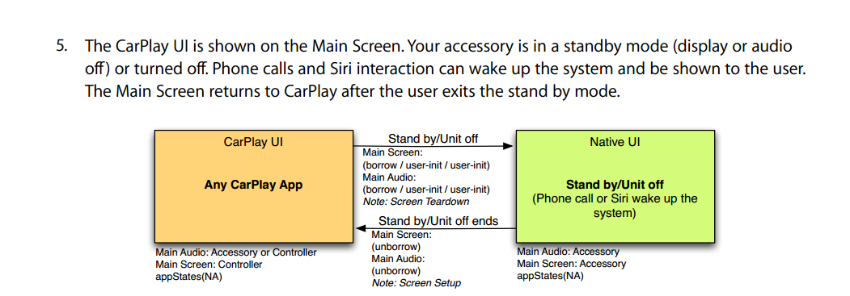

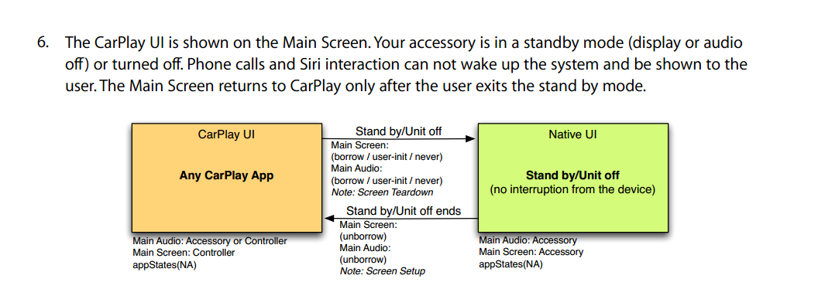

 |  |  |  | display off
 |  | carplay | → | carplay | → | carplay

 |  |  |  | b |  | ub

 |  |  |  | display off
 |  | carplay | → | carplay | → | radio

 |  |  |  | b |  | take

 |  |  |  | display off
carplay | → | radio | → | radio | → | aux

 |  | take |  | b |  | ub

normal |  | → |  | normal

